Mục lục




Thế giới
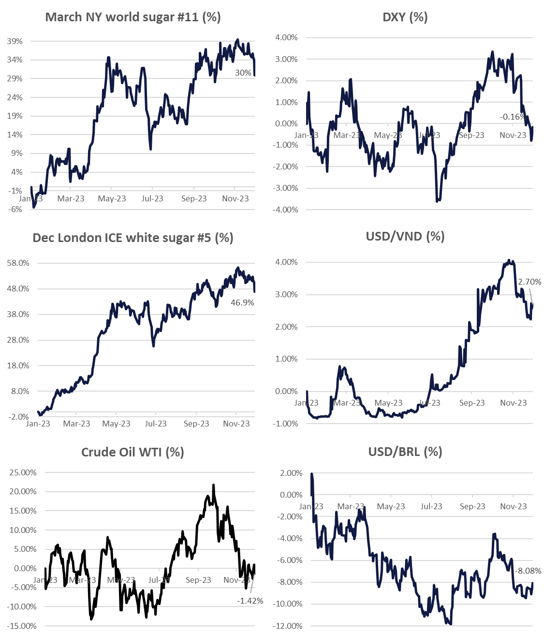
Tickets | Last price | Net change % Change | 5-Day %Change | 1 Month % Change | 3 Month % Change | 52-Week % Change
NY ICE RAW SUGAR #11
#11 Mar '24 | 23.12 | +0.12 | -3.01 | -4.56 | -3.85 | +5.44
 |  | +0.52% | -11.56% | -16.53% | -14.32% | +30.93%
#11 May '24 | 22.36 | +0.07 | -2.79 | -4.00 | -3.12 | +5.43
 |  | +0.31% | -11.14% | -15.24% | -12.30% | +32.28%
#11 Jul '24

#11 Oct '24

LDN ICE WHITE SUGAR #5
#5 Mar '24

#5 May '24

#5 Aug '24

#5 Oct '24

#5 Dec '24

METAL
Gold

FUELS
Crude Oil WTI

Brent Crude Oil

RBOB Gasoline

Ethanol

CURRENCIES
U.S Dollar Index

Australian Dollar

Brazilian Real

Euro

Japanese Yen

Indian Rupee

Chinese Yuan

Thai Baht

Vietnam dong

