Mục lục




Thế giới
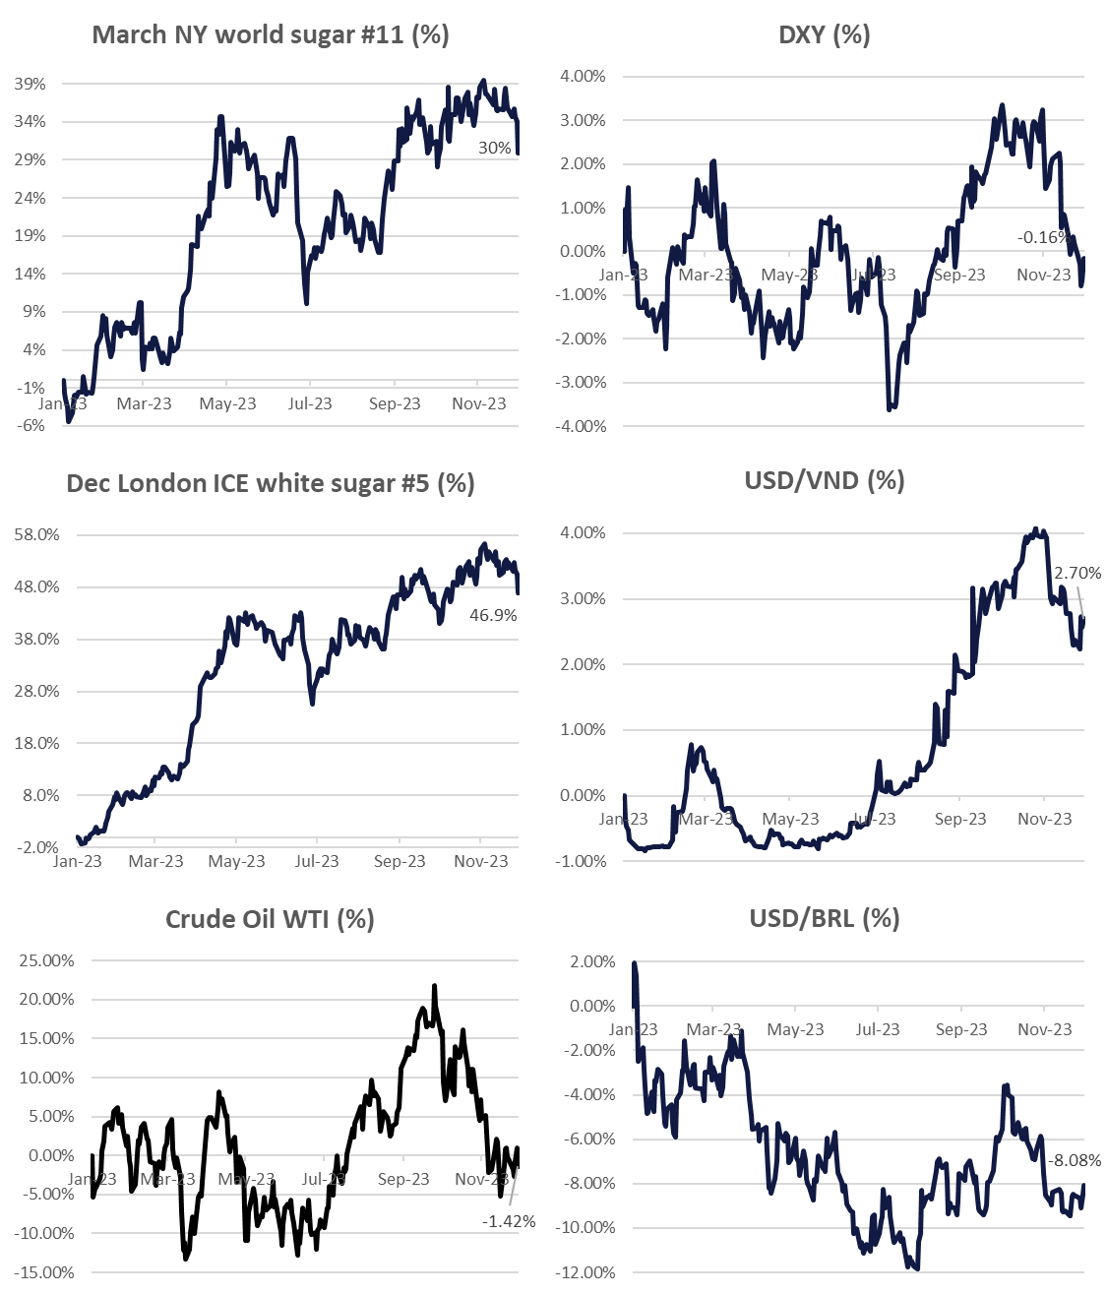
Tickets | Last price | Net change % Change | 5-Day %Change | 1 Month % Change | 3 Month % Change | 52-Week % Change
NY ICE RAW SUGAR #11
#11 Mar '24 | 23.03 | +0.03 | -3.01 | -4.56 | -3.85 | +5.44
 |  | +0.13% | -11.56% | -16.53% | -14.32% | +30.93%
#11 May '24 | 22.23 | -0.06 | -2.81 | -4.02 | -3.14 | +5.41
 |  | -0.27% | -11.22% | -15.31% | -12.38% | +32.16%
#11 Jul '24 | 21.73 | -0.11 |  | -3.37 | -2.23 | +5.41
 |  | -0.50% |  | -13.43% | -9.31% | +33.15%
#11 Oct '24 | 21.58 | -0.15 |  | -3.01 | -1.83 | +5.32
 |  | -0.69% |  | -12.24% | -7.82% | +32.72%
LDN ICE WHITE SUGAR #5
#5 Mar '24 | 646.10 | +2.50 |  | -97.80 | -70.60 | +170.50
 |  | +0.39% |  | -13.15% | -9.85% | +35.85%
#5 May '24 | 630.80 | +1.40 |  | -95.10 | -71.10 | +163.10
 |  | +0.22% |  | -13.10% | -10.13% | +34.87%
#5 Aug '24 | 616.50 | -2.10 |  | -81.40 | -54.80 | +159.10
 |  | -0.34% |  | -11.66% | -8.16% | +34.78%
#5 Oct '24 | 604.80 | -4.80 |  | -69.40 | -41.00
 |  | -0.79% |  | -10.29% | -6.35%
#5 Dec '24 | 597.00 | -6.30 |  | -63.00 | -32.20
 |  | -1.04% |  | -9.55% | -5.12%
METAL
Gold | 2 | 031.89 |  | +82.18 | +113.27 | +243.69
 |  | +3.36 |  | +4.21% | +5.90% | +13.62%
FUELS
Crude Oil WTI | 70.40 | +1.06 |  | -5.04 | -14.88 | -0.83
 |  | +1.53% |  | -6.69% | -17.48% | -1.17%
Brent Crude Oil | 75.27 | +1.22 |  | -4.36 | -13.48 | -0.37
 |  | +1.65% |  | -5.49% | -15.23% | -0.49%
RBOB Gasoline | 2.0311 | +0.0299 |  | -0.0823 | -0.4396 | +0.0187
 |  | +1.49% |  | -3.90% | -17.81% | +0.93%
Ethanol | 1.765 | 12 |  | -0.245 | -0.320 | -0.550
 |  | 07 |  | -12.19% | -15.35% | -23.76%
CURRENCIES
U.S Dollar Index | 103.58 | -0.02 |  | -1.96 | -1.47 | -1.20
 |  | -0.02% |  | -1.86% | -1.40% | -1.15%
Australian Dollar | 1.5135 | -0.0011 |  | -0.0478 | -0.0541 | +0.0370
 |  | -0.07% |  | -3.06% | -3.45% | +2.51%
Brazilian Real | 4.91159 | -0.00015 |  | +0.00159 | -0.07277 | -0.31544
 |  | 20 |  | +0.03% | -1.46% | -6.03%
Euro | 0.92674 | +0.00047 |  | -0.00689 | -0.00771 | -0.02057
 |  | +0.05% |  | -0.74% | -0.83% | -2.17%
Japanese Yen | 143.922 | -0.221 |  | -7.536 | -4.349 | +6.758
 |  | -0.15% |  | -4.99% | -2.94% | +4.94%
Indian Rupee | 83.3495 | -0.0517 |  | +0.1053 | +0.3804 | +1.0882
 |  | -0.06% |  | +0.13% | +0.46% | +1.32%
Chinese Yuan | 7.1162 | -0.0343 |  | -0.1684 | -0.2316 | +0.1454
 |  | -0.48% |  | -2.31% | -3.15% | +2.09%
Thai Baht | 35.1973 | +0.0334 |  | -0.3539 | -0.5046 | +0.5401
 |  | +0.09% |  | -1.00% | -1.41% | +1.56%
Vietnam dong | 24 | 272.41 |  | -79.91 | +224.53 | +485.28
 |  | -16.55 |  | -0.33% | +0.93% | +2.04%

