Defect Reports
Defect ID | Defect Summary | Severity | Priority | Status | Defect Type | Environment | Preconditions | Steps to Reproduce | Expected Result | Actual Result | Linked Test Case(s) | Evidence | Notes
BUG-R4-001 | [MOEFAS wizard step Subsidy and Add fee page] The percentage error shows a raw message key instead of text | S3 | Medium | Open | UI | SIT (Local QA Stack) Admin portal: http://localhost:5173 API gateway: http://localhost:5273 User: moehq (MOE HQ), seed password of the IAM seed Chrome (Playwright, locale en-US) Build: local branch codesprint2ending, automated run of 26/10/2026 | Signed in as moehq. At least one active fee component of Function 3 exists. For the Add fee page, a Draft or Published MOEFAS scheme exists. | 1. Sign in to the admin portal as moehq. 2. Open MOEFAS and click New scheme. 3. Fill General (name, Form opens, Form closes, Effective from, total budget) and click Next. 4. On Eligibility keep the defaults and click Next. 5. On Subsidy click Fee Components, tick one component and apply. 6. Type 101 (or -1) in the Primary cell and read the red line under the table. 7. Repeat on the Add fee page: MOEFAS list, row menu, Add fees, pick a new component, type 101 in a new cell. | A readable message that names the range, for example a percentage from 0 to 100. Next (and Confirm on the Add fee page) stays blocked. | The red line shows the raw key features.moeHqMoeFasCreate.errors.amountRange on both screens. Next and Confirm are blocked correctly, only the text is wrong. | TC-205, TC-234 | 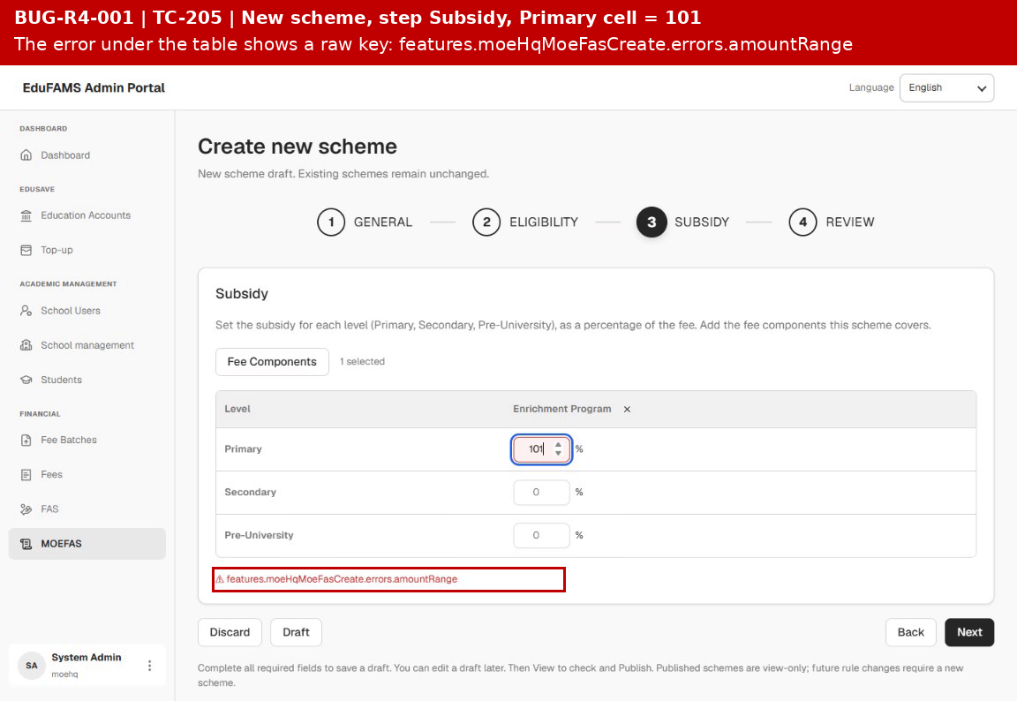 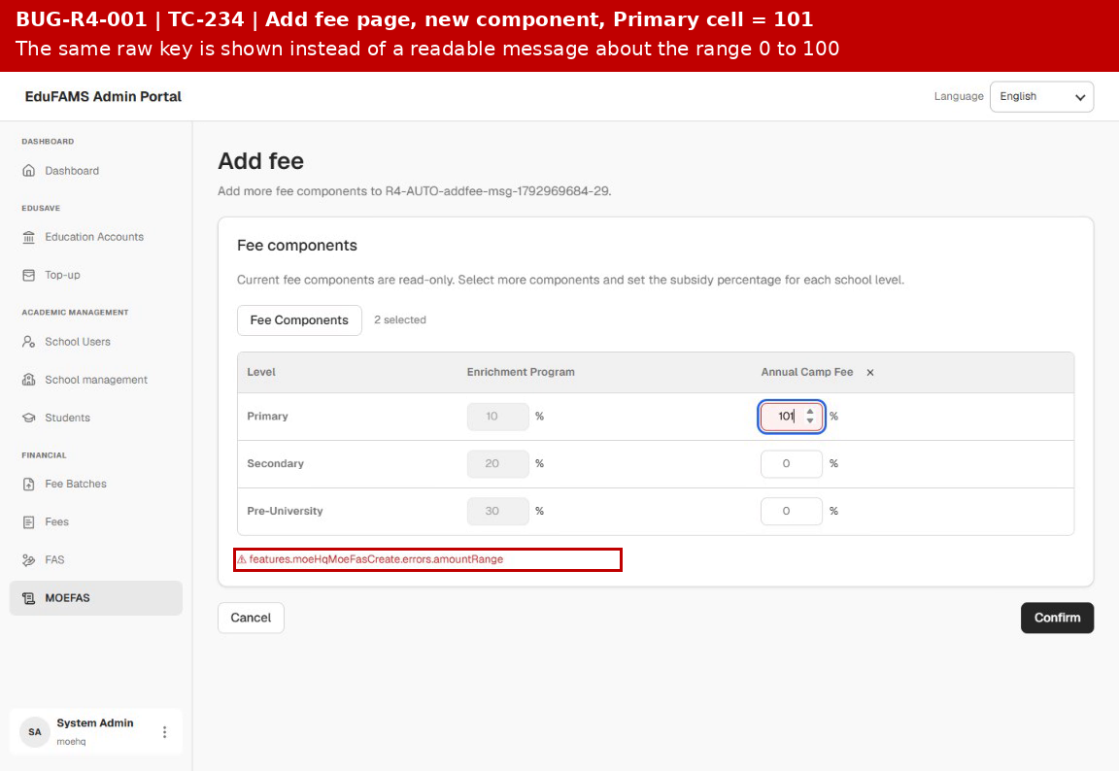 The images are embedded below in this cell. Files: evidence_01_BUG-R4-001.png (TC-205, New scheme, Subsidy step, value 101) evidence_02_BUG-R4-001.png (TC-234, Add fee page, value 101) | Root cause (code): SubsidyMatrix.tsx and lib/validation.ts use the key errors.amountRange, but resource.ts defines only errors.amountInvalid, so the text is missing. Automated tests: test_tc_205 (values -1 and 101) and test_tc_234b, both marked known_defect (xfail). Remove the mark when fixed. Dev to confirm the intended wording and add the key in English and Vietnamese. Run video: r4_automation/artifacts/videos/TC-205.webm and TC-234.webm.
BUG-R4-002 | [MOEFAS wizard step Subsidy] A percentage with three decimals is accepted | S3 | Low | Open | Functional | SIT (Local QA Stack) Admin portal: http://localhost:5173 API gateway: http://localhost:5273 User: moehq (MOE HQ), seed password of the IAM seed Chrome (Playwright, locale en-US) Build: local branch codesprint2ending, automated run of 26/10/2026 | Signed in as moehq. At least one active fee component of Function 3 exists. | 1. Sign in to the admin portal as moehq. 2. Open MOEFAS, click New scheme, fill General and Eligibility, click Next twice. 3. On Subsidy pick one fee component. 4. Type 33.33 in the Primary cell, then change it to 33.333. 5. Read the message under the table and the state of Next. | 33.33 is valid. 33.333 shows an error for that cell because only two decimals are allowed. | 33.333 is accepted. The green box says All amounts are valid and Next stays enabled, so a value with three decimals can be saved. | TC-206, TC-301 | 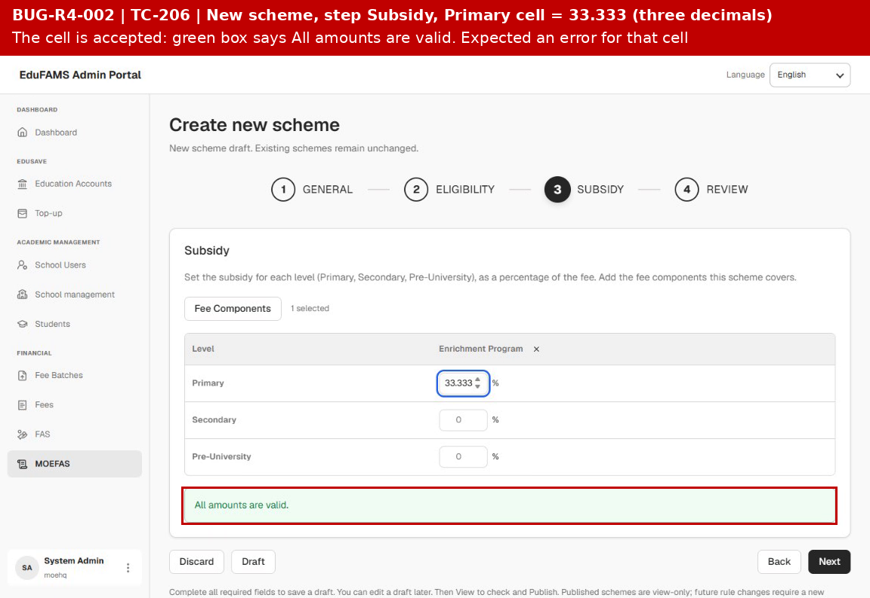 The images are embedded below in this cell. Files: evidence_03_BUG-R4-002.png (TC-206, Subsidy step, value 33.333) | Root cause (code): isAmountInvalid in lib/validation.ts checks only 0 to 100, there is no decimal limit. The case book note says the prototype behaves the same (candidate finding S4). Dev to confirm what the backend stores (column precision), because the value may be rounded without notice. Automated test: test_tc_206, marked known_defect (xfail). Run video: r4_automation/artifacts/videos/TC-206.webm.
BUG-R4-003 | [MOEFAS publish] Two Published schemes can have the same effective period or the same form period | S1 | High | Open | Functional | SIT (Local QA Stack) Admin portal: http://localhost:5173 API gateway: http://localhost:5273 User: moehq (MOE HQ), seed password of the IAM seed Chrome (Playwright, locale en-US) Build: local branch codesprint2ending, automated run of 26/10/2026 | Signed in as moehq. At least one active fee component of Function 3 exists. Use far future dates so that no real scheme is touched. | 1. Sign in to the admin portal as moehq. 2. Create scheme A and Publish it: Form 01/01/2176 to 30/06/2176, Effective 01/01/2177 to 31/12/2177. 3. Create scheme B with the same Form and Effective periods and Publish it. 4. Create scheme C with the same Form period as A but Effective 01/01/2182 to 31/12/2182 and Publish it. 5. Open the MOEFAS list. | B is blocked with a message that names A and the overlapping dates (case book TC-219: The period overlaps with A, change Effective from / Effective to). C is blocked with the form period message (TC-220). No overlapping scheme is added. | B and C are accepted and every scheme is Published. No overlap message is returned, so two Published schemes cover the same period. | TC-219, TC-220, TC-225 | 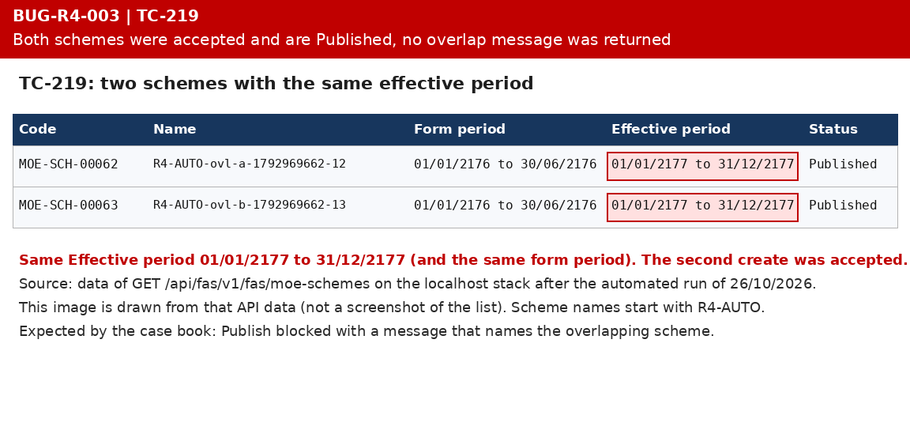 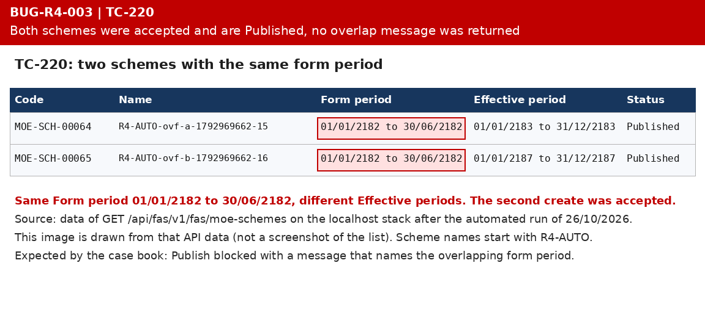 The images are embedded below in this cell. Files: evidence_04_BUG-R4-003.png (TC-219, same effective period) evidence_05_BUG-R4-003.png (TC-220, same form period) | Root cause (code): CreateMOEFASSchemeHandler and its validator in FASService check only the name. The front end validation.ts has a TODO for the overlap. The automated tests create the schemes through the API, so the evidence images are drawn from the GET moe-schemes data of the run (not UI screenshots). Not yet covered: TC-221 part 2, TC-225 to TC-227 depend on the same rule. Test data of the run (names R4-AUTO) stays in the stack until the cleanup command. Automated tests: test_tc_219 and test_tc_220, marked known_defect (xfail). BA and Dev to confirm the overlap rule.
BUG-R4-004 | [MOEFAS wizard and Add fee] No success message after Draft, Publish or Confirm | S3 | Medium | Open | Usability | SIT (Local QA Stack) Admin portal: http://localhost:5173 API gateway: http://localhost:5273 User: moehq (MOE HQ), seed password of the IAM seed Chrome (Playwright, locale en-US) Build: local branch codesprint2ending, automated run of 26/10/2026 | Signed in as moehq. At least one active fee component of Function 3 exists. | 1. Sign in to the admin portal as moehq. 2. Open MOEFAS, click New scheme and complete the four steps. 3. Click Draft and look at the list. 4. Open the new scheme from the row menu (View), or create a second scheme, and click Publish. 5. Open a Draft scheme, Add fees, pick a component, click Confirm and look at the detail page. | A toast confirms each action: Draft saved. / Scheme published. It is now view-only. / Fee components added to the scheme. (case book TC-210, TC-215, TC-236) | No message is shown. The portal only moves to the list or to the detail page. After Publish the row shows the status Published (case book: Upcoming). | TC-210, TC-215, TC-236 | 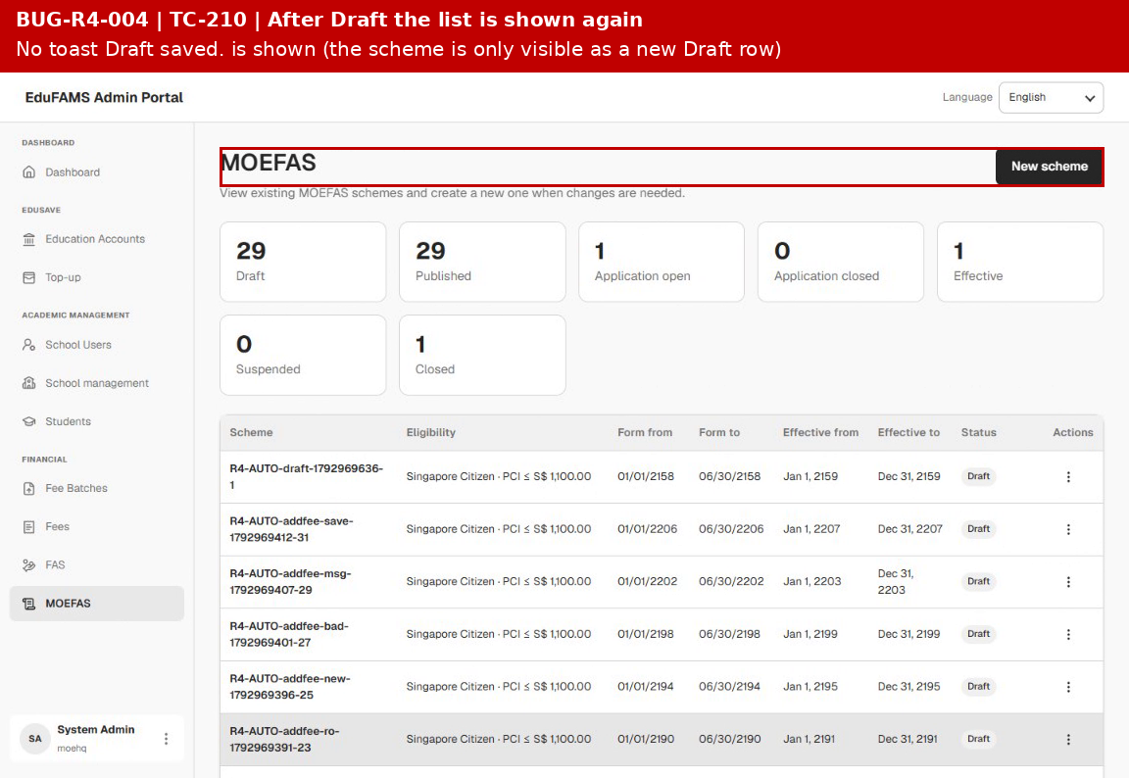 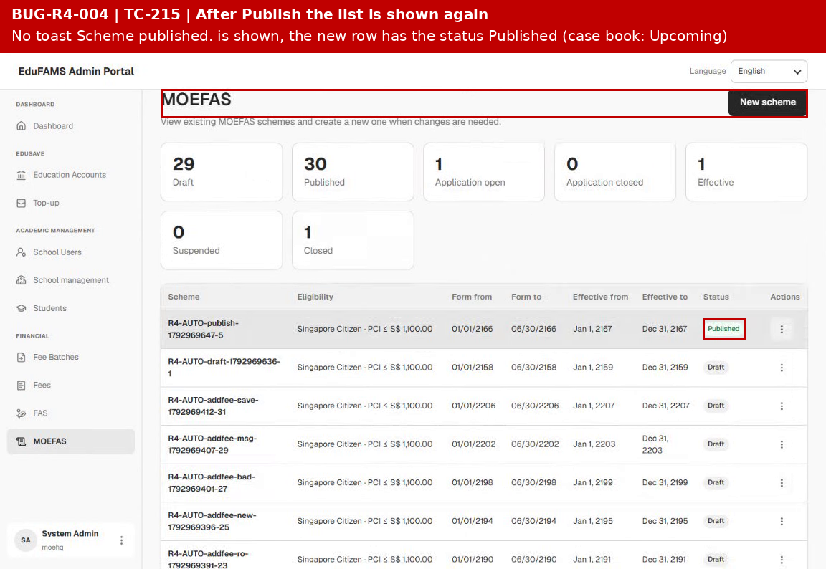 The images are embedded below in this cell. Files: evidence_06_BUG-R4-004.png (TC-210, list after Draft) evidence_07_BUG-R4-004.png (TC-215, list after Publish) | The code has no toast call on these paths (confirmed in the earlier code review, REAL_COVERAGE section 3 item 5). The frames are taken from the run video about half a second after the page changed, a toast would be visible there. BA and Dev to confirm whether the prototype toasts are required. If the build is accepted as is, change the case book instead and close this defect as Rejected. The functions themselves work (Draft row created, scheme Published, new component saved).
BUG-R4-005 | [MOEFAS list] Status cards, columns and row actions differ from the final prototype | S3 | Medium | Open | UI | SIT (Local QA Stack) Admin portal: http://localhost:5173 API gateway: http://localhost:5273 User: moehq (MOE HQ), seed password of the IAM seed Chrome (Playwright, locale en-US) Build: local branch codesprint2ending, automated run of 26/10/2026 | Signed in as moehq. The stack holds MOEFAS schemes in several statuses. | 1. Sign in to the admin portal as moehq. 2. Open MOEFAS. 3. Read the subtitle, the status cards, the table columns and the row menu of a Draft, a Published and a Closed scheme. | Subtitle with the SBFAS sentence. Four cards Active, Upcoming, Closed, Draft. Columns Scheme, Eligibility, Application form (with the Open badge), Effective from, Effective to, Status, actions. Add fee only on Active and Upcoming, Edit on Draft, Close form now (demo) on the open scheme (case book TC-170, 171, 172, 178, 231). | Subtitle has the first sentence only. Seven cards: Draft, Published, Application open, Application closed, Effective, Suspended, Closed. Columns Form from and Form to instead of Application form. Add fees is offered on Draft, Published, Application open, Application closed and Suspended. Publish is a row action. No Edit and no Close form now. | TC-170, TC-171, TC-172, TC-178, TC-231 | 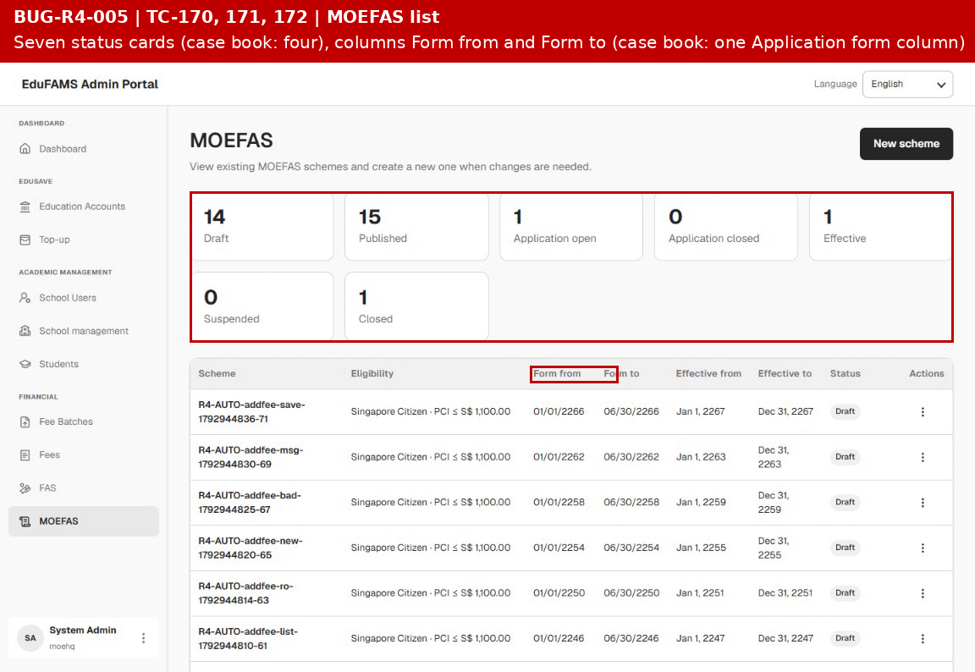 The images are embedded below in this cell. Files: evidence_08_BUG-R4-005.png (TC-172, list with seven cards and two form columns) | Counts and cell contents match the backend data, only the design differs. The case book follows the prototype edusave.vercel.app that BA fixed as the final design on 19/10/2026. BA to decide: change the build or change the case book (REAL_COVERAGE section 3 items 1 to 3). Reject this defect if the build is accepted.
BUG-R4-006 | [MOEFAS wizard] Defaults, value type and step navigation differ from the final prototype | S3 | Medium | Open | UI | SIT (Local QA Stack) Admin portal: http://localhost:5173 API gateway: http://localhost:5273 User: moehq (MOE HQ), seed password of the IAM seed Chrome (Playwright, locale en-US) Build: local branch codesprint2ending, automated run of 26/10/2026 | Signed in as moehq. | 1. Sign in to the admin portal as moehq. 2. Open MOEFAS and click New scheme. 3. Read the fields of General and click the other steps in the stepper. 4. On Eligibility tick a band and leave To empty, then clear From. 5. On Subsidy read the value type and the match rule. | Dates prefilled (Form opens 01/08/2027, Form closes 31/12/2027, Effective from 01/01/2028). No budget field. Steps can be opened in any order. Band To may be empty and From is required. Value type Percentage of fee or Fixed amount. Match rule is a choice (case book TC-181, 190, 193, 196, 209). | All dates start empty and Total budget (SGD) is required. The stepper is not clickable, only Back and Next move between steps. To is required and From may be empty (counts as 0). Only percentages can be entered. The match rule is a fixed text line. | TC-181, TC-190, TC-193, TC-196, TC-209 | 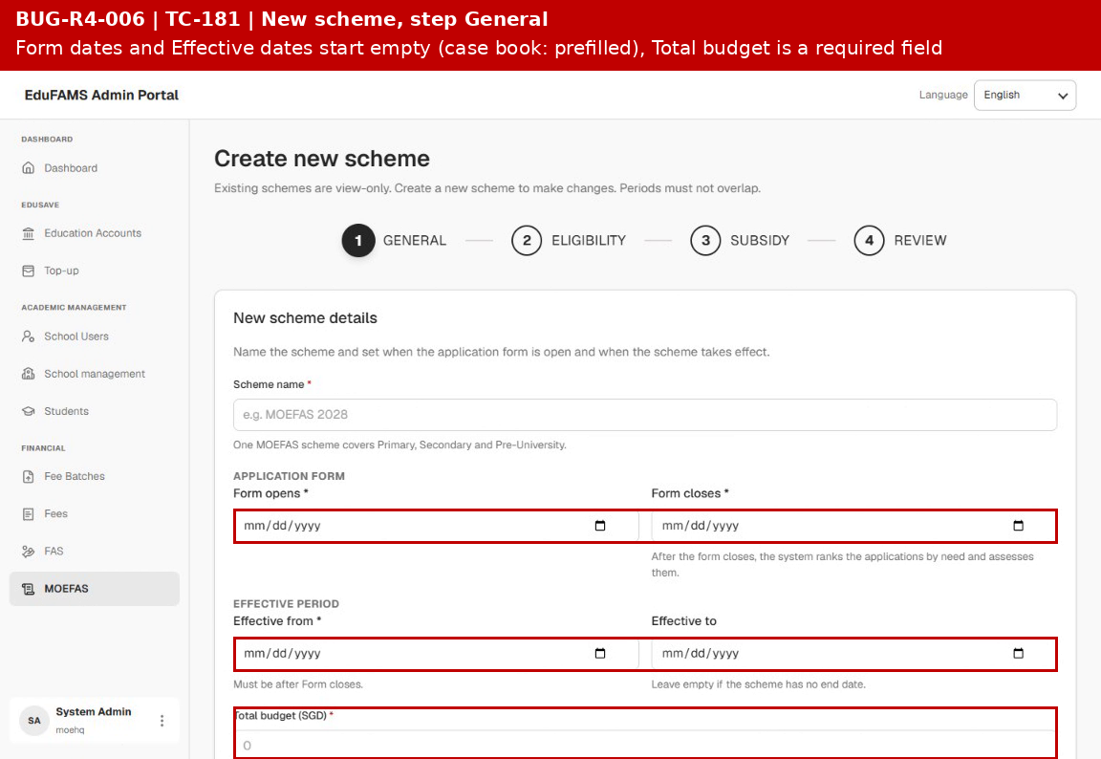 The images are embedded below in this cell. Files: evidence_09_BUG-R4-006.png (TC-181, step General with empty dates and the budget field) | The behaviour of each step is consistent, only it differs from the prototype and from the case book. Items 4 and 6 of REAL_COVERAGE section 3 and ASM-R4-24. BA to decide whether the build or the case book changes. Reject this defect if the build is accepted.
BUG-R4-007 | [SBFAS API] PCI From and GHI From are not required when their band is on | S3 | Medium | Open | Functional | SIT (Local QA Stack) Admin portal: http://localhost:5173 API gateway: http://localhost:5273 User: school (School Admin, Raffles Institution), seed password of the IAM seed Built-in browser, requests sent with fetch through the admin portal proxy Build: local branch codesprint2ending, run of 26/10/2026 | Signed in as school. The school has two active grades and at least one active fee component. | 1. Sign in as school. 2. Send POST /api/v1/fas/sbfas-schemes with a valid body, isPciEnabled true, pciFrom null and pciTo 1000. 3. Repeat with isGhiEnabled true, ghiFrom null, ghiTo 100 and incomeOperator OR. | Both requests are refused with 400: pciFrom is required when PCI is enabled. / ghiFrom is required when GHI is enabled. | Both requests are accepted (HTTP 201) and the scheme is saved as a draft. The wizard blocks an empty From (Enter a value of zero or more.), only a direct API call gets through. | TC-277, TC-278 | 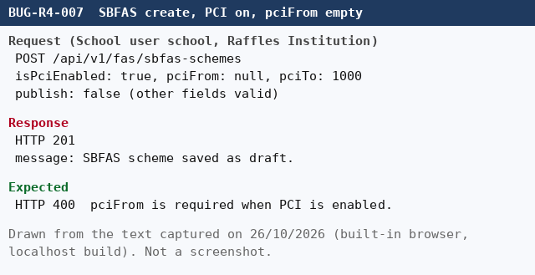 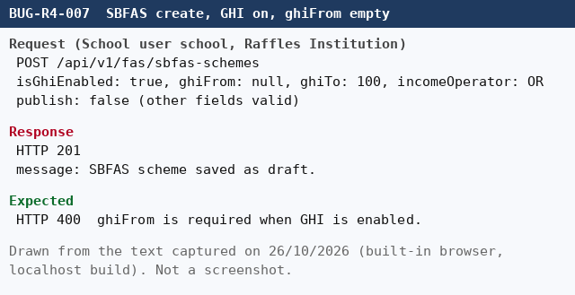 The images are embedded below in this cell. Files: evidence_10_BUG-R4-007.png (TC-277, pciFrom empty) evidence_11_BUG-R4-007.png (TC-278, ghiFrom empty) | Root cause (code): CreateSbfasSchemeValidator has the rule NotNull for pciFrom and ghiFrom, but it sits in the same chain as the When(HasValue) condition, so it never runs. Dev to move the NotNull check out of that condition. The same check for the band To is correctly optional. Automated tests: test_tc_277 and test_tc_278, marked known_defect (xfail).
BUG-R4-008 | [SBFAS and MOEFAS API] A fee component or a grade that does not exist is accepted | S2 | High | Open | Functional | SIT (Local QA Stack) Admin portal: http://localhost:5173 API gateway: http://localhost:5273 Users: school (School Admin) and moehq (MOE HQ), seed password of the IAM seed Built-in browser, requests sent with fetch through the admin portal proxy Build: local branch codesprint2ending, run of 26/10/2026 | Signed in as school (SBFAS) or moehq (MOEFAS). A Published SBFAS scheme exists for the Add fee request. | 1. Send POST /api/v1/fas/sbfas-schemes with feeComponentId 00000000-0000-0000-0000-000000000099. 2. Send POST /api/fas/v1/fas/moe-schemes (as moehq) with the same unknown feeComponentId. 3. Send POST /api/v1/fas/sbfas-schemes with academicLevelId AL-NOPE. 4. On a Published SBFAS scheme send POST fee-components with an unknown feeComponentId, then with academicLevelId AL-NOPE. | Each request is refused with 400 or 404 and a message that the fee component or the grade does not exist. Nothing is saved. | All requests are accepted (HTTP 201) and the unknown ids are stored with the scheme, also on a Published scheme. | TC-286, TC-287, TC-292 | 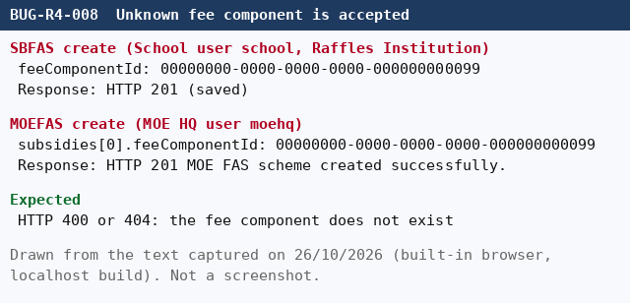 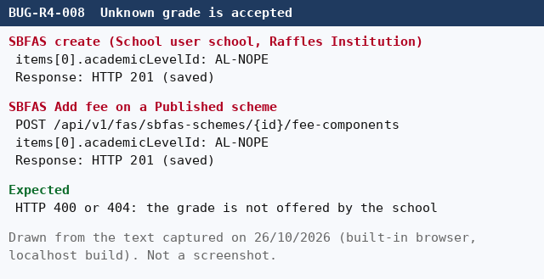 The images are embedded below in this cell. Files: evidence_12_BUG-R4-008.png (TC-286, unknown fee component) evidence_13_BUG-R4-008.png (TC-287 and TC-292, unknown grade) | The wizard offers only existing fees and grades, so the user cannot send these values from the screen. The risk is a direct API call or a stale screen. Dev to check the ids against the fee components of Function 3 and the offerings of the school before saving. Automated tests: test_tc_286, test_tc_287 and test_tc_292, marked known_defect (xfail).
BUG-R4-009 | [SBFAS API] A scheme that leaves one grade without a value is accepted | S3 | Medium | Open | Functional | SIT (Local QA Stack) Admin portal: http://localhost:5173 API gateway: http://localhost:5273 User: school (School Admin, Raffles Institution), seed password of the IAM seed Built-in browser, requests sent with fetch through the admin portal proxy Build: local branch codesprint2ending, run of 26/10/2026 | Signed in as school. The school has two active grades (Junior College 1 and Secondary 1). | 1. Sign in as school. 2. Send POST /api/v1/fas/sbfas-schemes with one fee component that has an item for Junior College 1 only. | The request is refused: every active grade needs a value, 0 percent if there is no subsidy (rules document VR-WIZ-17). | The request is accepted (HTTP 201). The scheme prices one grade only. The wizard blocks it with Enter a subsidy percentage for every active level. | TC-288 | 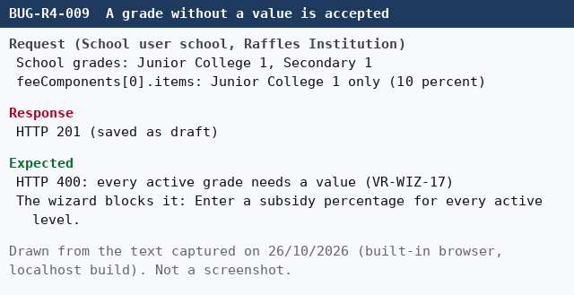 The images are embedded below in this cell. Files: evidence_14_BUG-R4-009.png (TC-288, one grade of two) | Dev to confirm whether a missing grade means no subsidy for that grade or an error. The rules document says every grade needs a value. Automated test: test_tc_288, marked known_defect (xfail).
BUG-R4-010 | [MOEFAS API] A scheme with all dates in the past is accepted, SBFAS refuses the same | S3 | Medium | Open | Functional | SIT (Local QA Stack) Admin portal: http://localhost:5173 API gateway: http://localhost:5273 User: moehq (MOE HQ), seed password of the IAM seed Built-in browser, requests sent with fetch through the admin portal proxy Build: local branch codesprint2ending, run of 26/10/2026 | Signed in as moehq. At least one active fee component of Function 3 exists. | 1. Sign in as moehq. 2. Send POST /api/fas/v1/fas/moe-schemes with Form opens 2020-01-01, Form closes 2020-06-30 and Effective from 2021-01-01. | The request is refused: a new scheme cannot start in the past, as the SBFAS API does (openFrom must be today or later). | The request is accepted (HTTP 201 MOE FAS scheme created successfully.). | TC-295 | 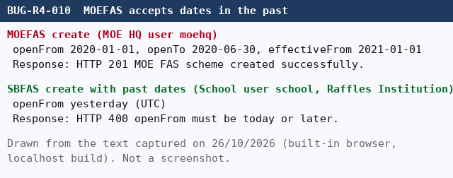 The images are embedded below in this cell. Files: evidence_15_BUG-R4-010.png (TC-295, MOEFAS 2020 accepted, SBFAS refused) | The rules document VR-WIZ-08 says Effective from must not be in the past for a new scheme. BA to confirm the rule for MOEFAS. Automated test: test_tc_295, marked known_defect (xfail). The test schemes are Drafts named R4-AUTO and stay until the cleanup command.
BUG-R4-011 | [SBFAS publish] A later scheme with the same name is refused, so the earlier scheme is never ended | S2 | High | Open | Functional | SIT (Local QA Stack) Admin portal: http://localhost:5173 API gateway: http://localhost:5273 User: school (School Admin, Raffles Institution), seed password of the IAM seed Built-in browser, requests sent with fetch through the admin portal proxy Build: local branch codesprint2ending, run of 26/10/2026 | Signed in as school. A Published SBFAS scheme named X exists with Effective from in year Y. | 1. Sign in as school. 2. Create and publish a scheme with the same name X and Effective from five years later. 3. Read the list. | The later scheme is accepted. The earlier scheme gets Effective to = the day before the new Effective from (FS 7.3, rules document VR-PUB-07). | The request is refused with HTTP 409: A scheme with this name already exists for this school. The earlier scheme keeps no end date. | TC-228 | 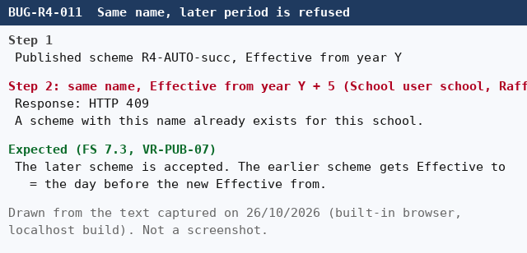 The images are embedded below in this cell. Files: evidence_16_BUG-R4-011.png (TC-228, same name later period) | Root cause (code): the create handler checks the name in the school without looking at the period. TC-226 and TC-227 depend on the same rule and stay Not Run. TC-222 and TC-223 pass. Automated test: test_tc_228, marked known_defect (xfail). BA and Dev to confirm the succession rule.
BUG-R4-012 | [SBFAS list] Dates and row content differ from the FS and the final prototype | S3 | Medium | Open | UI | SIT (Local QA Stack) Admin portal: http://localhost:5173 API gateway: http://localhost:5273 User: school (School Admin, Raffles Institution), seed password of the IAM seed Built-in browser, requests sent with fetch through the admin portal proxy Build: local branch codesprint2ending, run of 26/10/2026 | Signed in as school. The school has at least one SBFAS scheme. | 1. Sign in as school. 2. Open SBFAS schemes. 3. Read the date columns and the text under the scheme name. | Dates as DD/MM/YYYY (BR13), the text Approved by school under the name, the Open badge and No end date when Effective to is empty (case book TC-173). | Dates are shown as YYYY-MM-DD (2026-10-23 – 2026-10-24). There is no Approved by school text, no Open badge and no No end date text. | TC-173 | 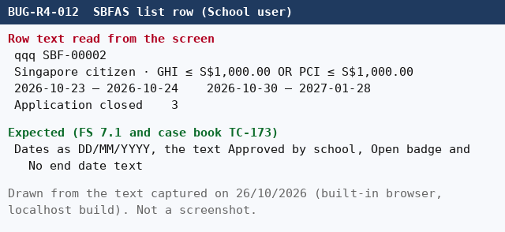 The images are embedded below in this cell. Files: evidence_17_BUG-R4-012.png (TC-173, list row) | Counts, status and fee count match the API. The difference is the format and the extra texts. BA to decide whether the build or the case book changes. Reject this defect if the build is accepted. Automated test: test_tc_173, marked known_defect (xfail).
BUG-R4-013 | [MOEFAS API] The School user can read all MOEFAS schemes | S2 | High | Open | Security | SIT (Local QA Stack) Admin portal: http://localhost:5173 API gateway: http://localhost:5273 User: school (School Admin, Raffles Institution), seed password of the IAM seed Built-in browser, requests sent with fetch through the admin portal proxy Build: local branch codesprint2ending, run of 26/10/2026 | Signed in as school (role SCHOOL). | 1. Sign in as school. 2. Send GET /api/fas/v1/fas/moe-schemes. 3. Send GET /api/fas/v1/fas/moe-schemes/{id} for one scheme. 4. Send POST /api/fas/v1/fas/moe-schemes. | 403 Forbidden on every MOEFAS endpoint. MOEFAS is for MOE HQ only (FS 3.2, case book TC-165). | GET list returns 200 with 80 rows. GET of one scheme returns 200. Only POST is refused (403). The menu hides MOEFAS from the school, the API does not. MOE HQ calling the SBFAS list gets 403 correctly. | TC-165 | 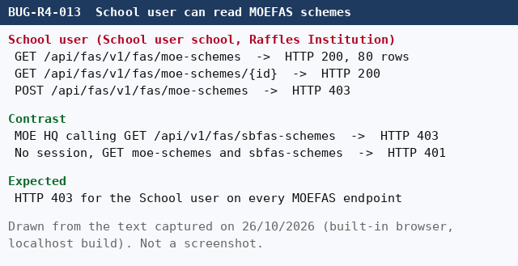 The images are embedded below in this cell. Files: evidence_18_BUG-R4-013.png (TC-165, School user reads MOEFAS) | The data are scheme definitions (names, bands, subsidy), no student data. Still an access control gap: Dev to add the role check on the MOEFAS read endpoints. Automated test: test_tc_165, marked known_defect (xfail).
BUG-R4-014 | [SBFAS wizard] Misleading messages for the budget and the percentage cells | S4 | Low | Open | UI | SIT (Local QA Stack) Admin portal: http://localhost:5173 API gateway: http://localhost:5273 User: school (School Admin, Raffles Institution), seed password of the IAM seed Built-in browser, requests sent with fetch through the admin portal proxy Build: local branch codesprint2ending, run of 26/10/2026 | Signed in as school. | 1. Open SBFAS schemes, click New scheme and fill the dates. 2. Type abc, then leave empty, then -1 in Total budget and click Next. 3. On Subsidy pick a fee, type -1, then 101, then clear the cell, and click Review. | A message for each cause: a number is needed for abc and empty, the percentage must be from 0 to 100 for the cells (rules document VR-WIZ-15). | abc and empty show Budget cannot be negative. The cells with -1, 101 or empty show Enter a subsidy percentage for every active level., which does not name the range. The values are blocked correctly. | TC-307, TC-309 | 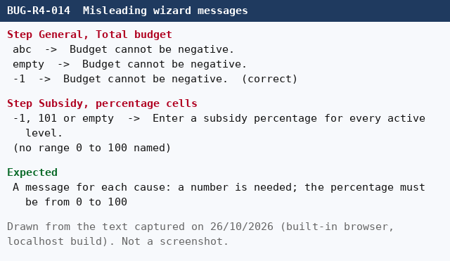 The images are embedded below in this cell. Files: evidence_19_BUG-R4-014.png (TC-307 and TC-309, messages) | Only the text is wrong, the blocking works. Automated tests: test_tc_307 and test_tc_309, marked known_defect (xfail).
BUG-R4-015 | [SBFAS wizard] A duplicate scheme name shows a generic error | S3 | Medium | Open | Usability | SIT (Local QA Stack) Admin portal: http://localhost:5173 API gateway: http://localhost:5273 User: school (School Admin, Raffles Institution), seed password of the IAM seed Built-in browser, requests sent with fetch through the admin portal proxy Build: local branch codesprint2ending, run of 26/10/2026 | Signed in as school. A scheme named X exists for the school. | 1. Sign in as school. 2. Complete the four steps of a new scheme with the name X. 3. Click Save draft, then click Publish. | The screen says that a scheme with this name already exists so the user can change the name (rules document VR-WIZ-03). | The toast says Unable to create scheme. The scheme could not be created. Please try again. The API answers 409 A scheme with this name already exists for this school., the screen does not show it. | TC-310 | 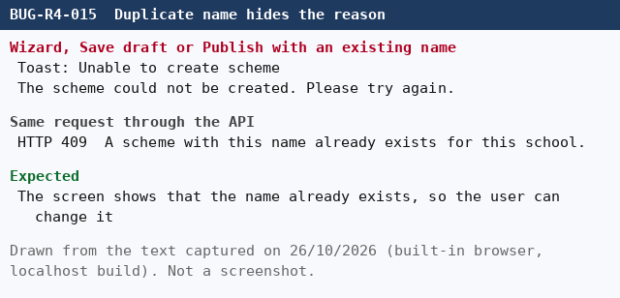 The images are embedded below in this cell. Files: evidence_20_BUG-R4-015.png (TC-310, toast and API answer) | The scheme is correctly not created. The user cannot tell why. Automated test: test_tc_310, marked known_defect (xfail).
BUG-R4-016 | [MOEFAS list] Schemes are not sorted by Effective from, newest first | S3 | Medium | Open | Functional | SIT (Local QA Stack) Admin portal: http://localhost:5173 API gateway: http://localhost:5273 User: moehq (MOE HQ), seed password of the IAM seed Built-in browser, requests sent with fetch through the admin portal proxy Build: local branch codesprint2ending, run of 26/10/2026 | Signed in as moehq. The stack holds more than 20 schemes with different Effective from dates. | 1. Sign in as moehq. 2. Open MOEFAS and read the column Effective from from top to bottom (or send GET /api/fas/v1/fas/moe-schemes). | Rows sorted by Effective from, newest first, then by name (FS 7.1 item 5, case TC-174). | The rows come in creation order: runs of Published and Draft schemes alternate and the years jump (2527, 2509 ... 2377, then 3401, 3293 ... 2217, then 2207 ... ). The first rows are not the newest Effective from. | TC-174 | 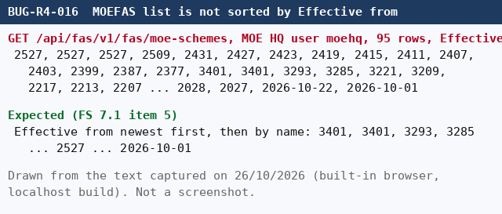 The images are embedded below in this cell. Files: evidence_21_BUG-R4-016.png (TC-174, order of the response) | Found by the automated run of 26/10/2026: TC-174 passed while the stack had a few schemes and failed after the validation tests created more. The MOEFAS list code has no sort control, the order is the one the API returns. Automated test: test_tc_174, marked known_defect (xfail).

