Evidence
Image | Caption from tester | Defect ID | Screenshot
1 | SCR-01 (/accounts): Thẻ học sinh chỉ hiện tên, mã EDU và trạng thái Active; thiếu trường, khối, lớp và nhãn khoản phí chưa trả (Linked: TC-004, TC-005) | BUG-R9-001 | 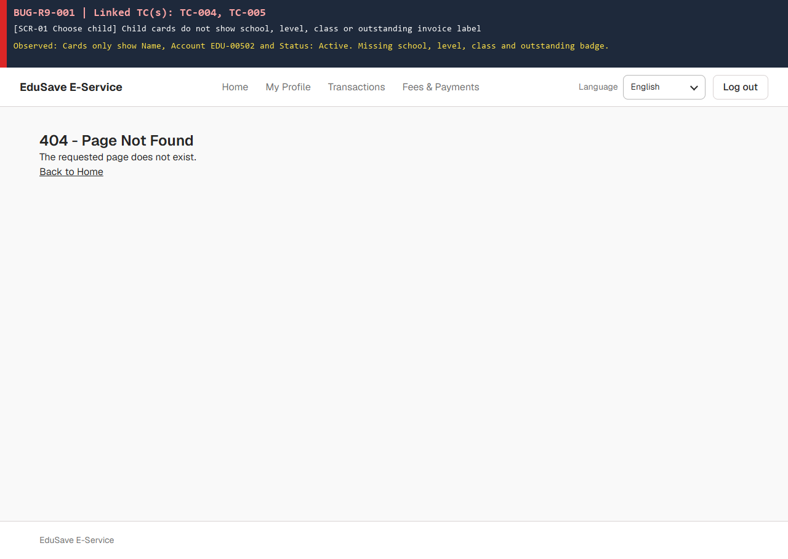
2 | API trả HTTP 200 [] thay vì 403 Forbidden và UI mở trang /billing/{unlinkedStudentId} thay vì chặn truy cập (Linked: TC-012, TC-016) | BUG-R9-002 | 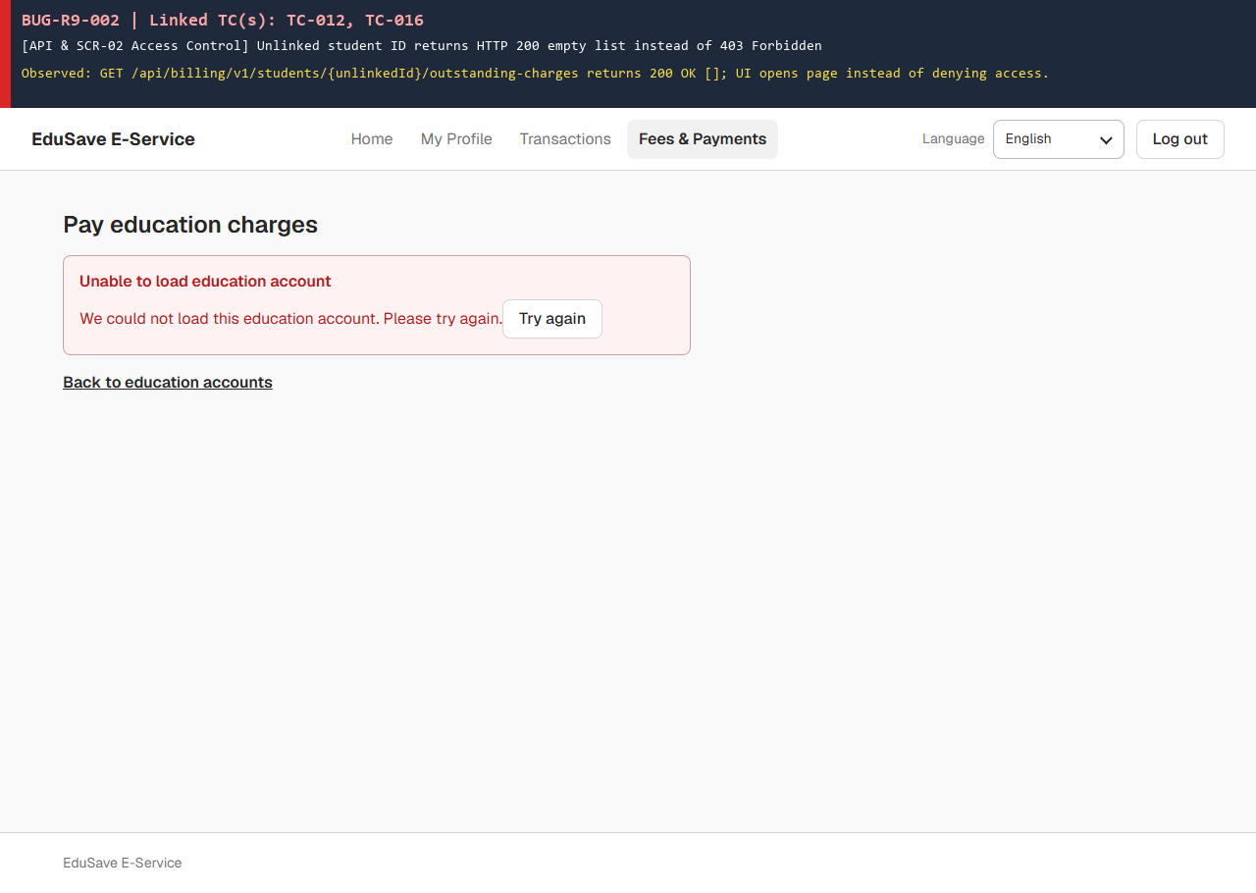
3 | SCR-02 liệt kê từng khoản phí phẳng, không gom theo hóa đơn INV, không chia nhóm Fee Type và không hiển thị GST (Linked: TC-019, TC-022) | BUG-R9-003 | 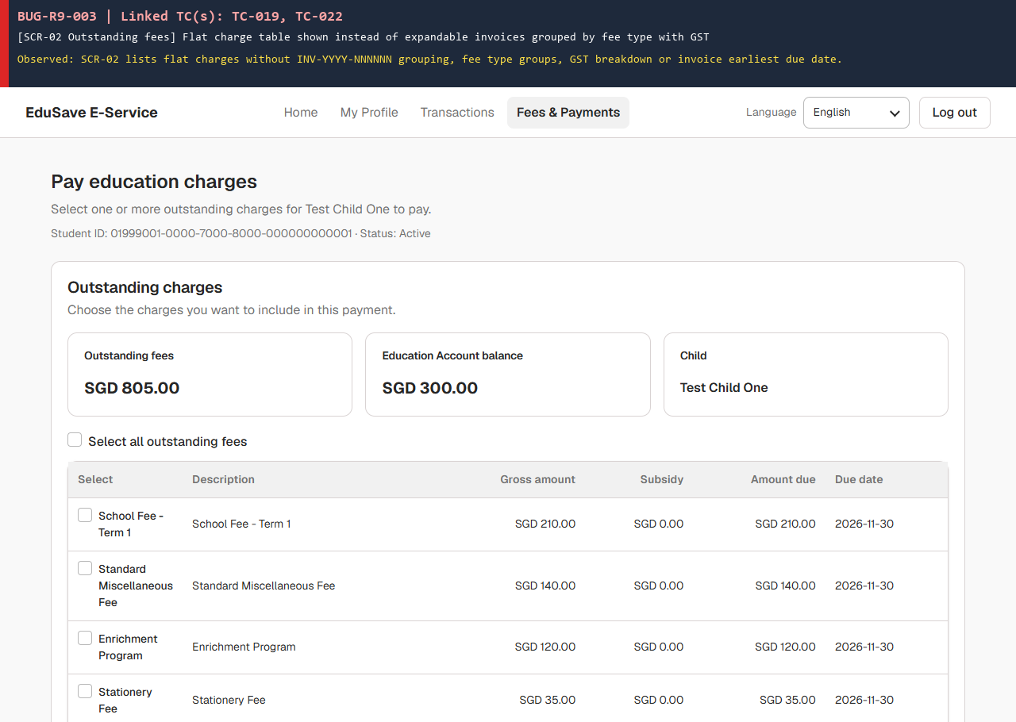
4 | Khoản phí đang PaymentPending / ReconciliationRequired bị ẩn khỏi danh sách SCR-02 và đẩy học sinh chỉ có 1 khoản sang màn rỗng SCR-03 (Linked: TC-025, TC-034, TC-110, TC-127) | BUG-R9-004 | 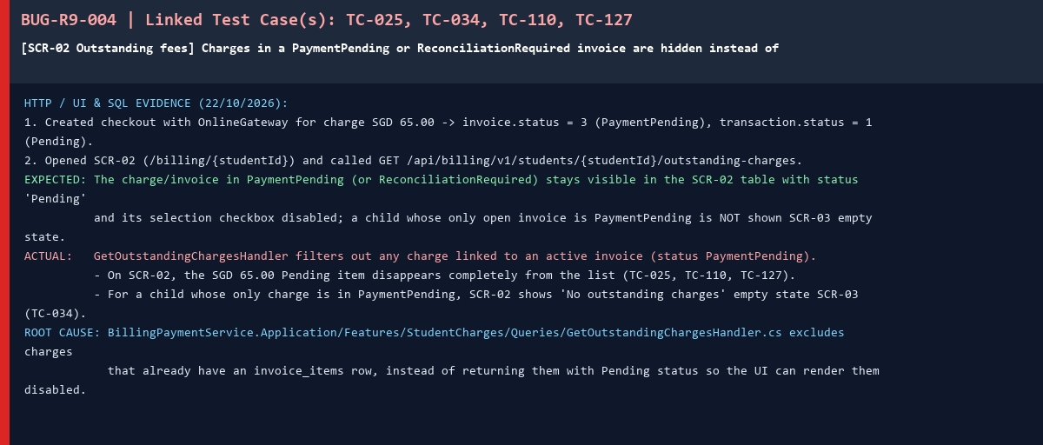
5 | Màn hình SCR-02 không có nhãn thông báo dữ liệu mẫu (Sample / Demo data) (Linked: TC-027) | BUG-R9-005 | 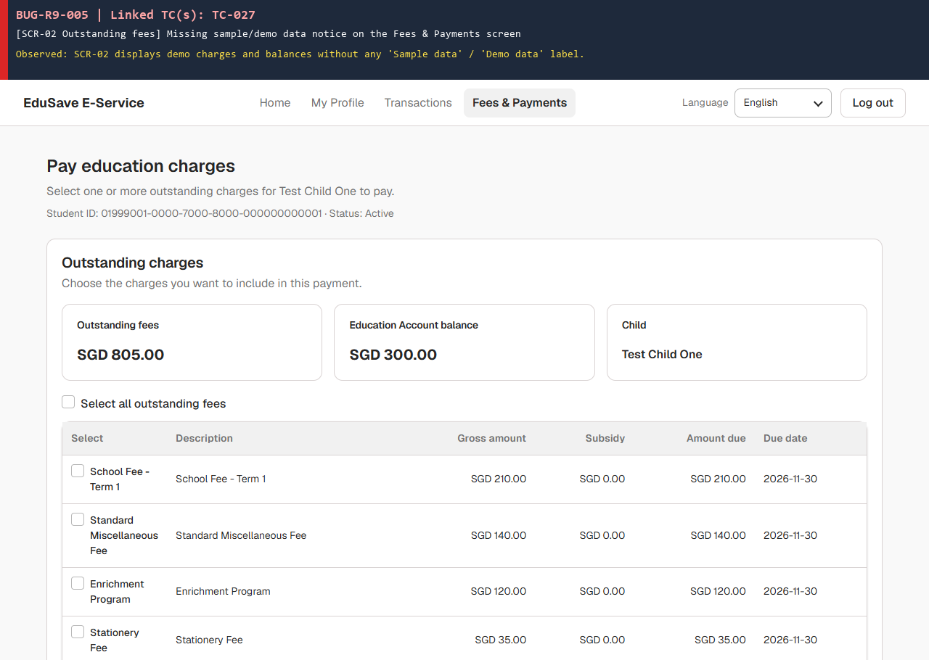
6 | Khi học sinh không có ví EA (API trả 404), UI báo lỗi 'Unable to load education account' và chặn luôn thanh toán Online (Linked: TC-029, TC-038) | BUG-R9-006 | 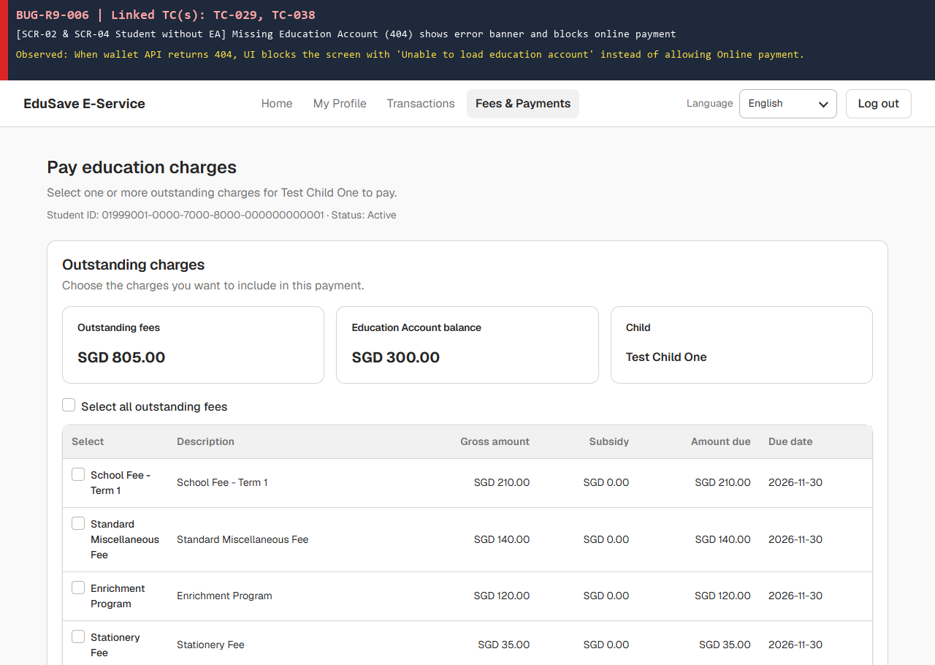
7 | Màn hình trống SCR-03 ('No outstanding charges') thiếu nút/liên kết quay về danh sách chọn con trong vùng nội dung chính (Linked: TC-032, TC-033) | BUG-R9-007 | 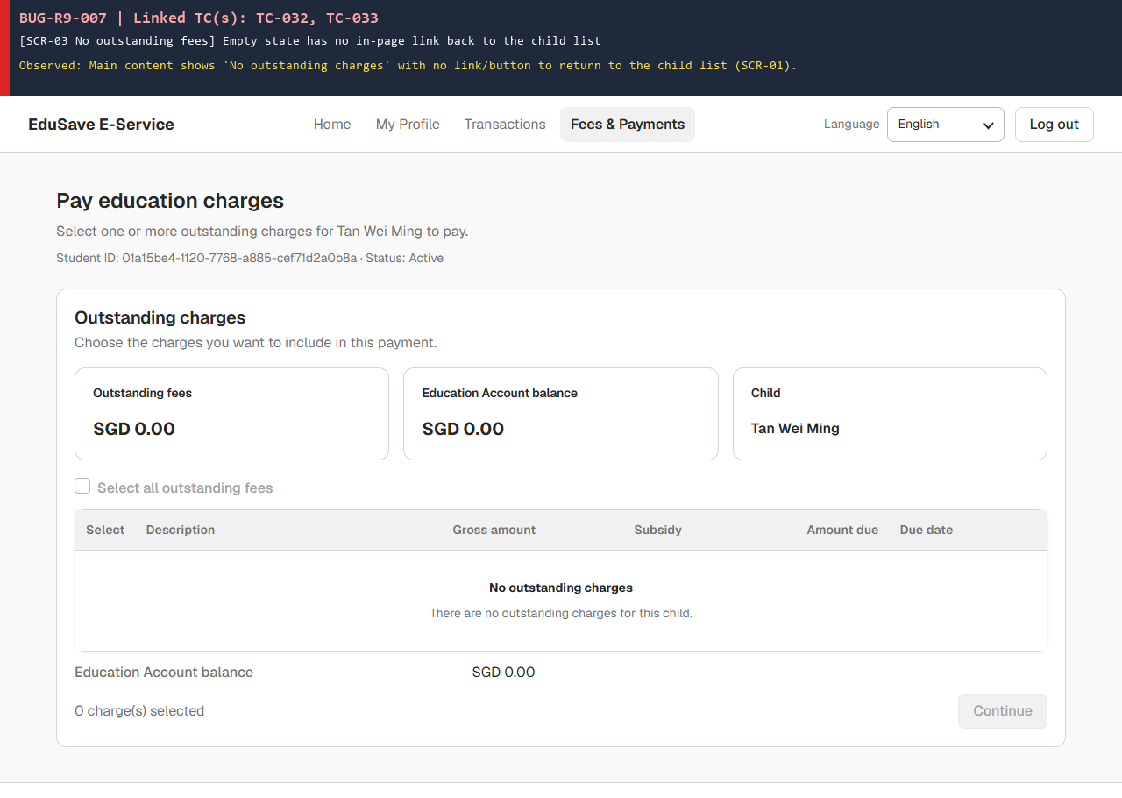
8 | Ví EA có trạng thái Closed nhưng bước chọn phương thức thanh toán (SCR-04) vẫn cho phép chọn Education Account (Linked: TC-039) | BUG-R9-008 | 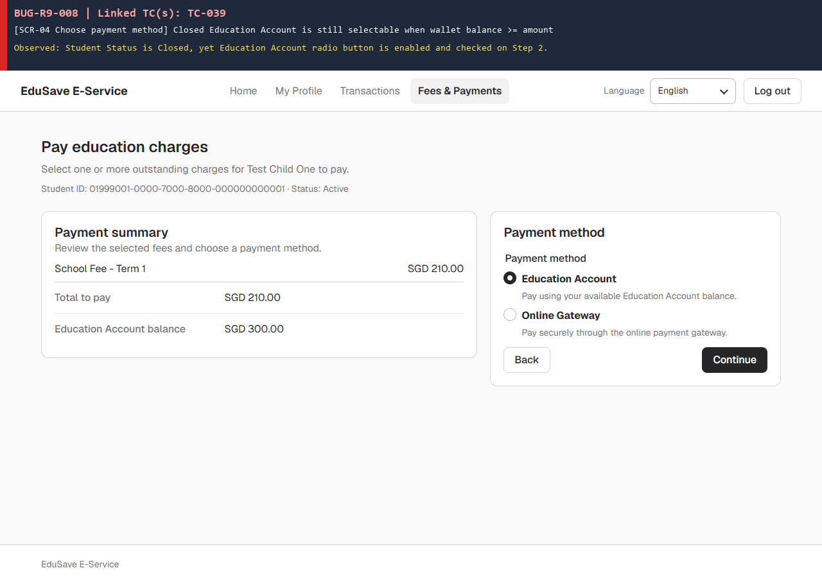
9 | SCR-04 khóa nút Education Account khi số dư (300.00) thấp hơn số tiền trả (470.00) nhưng thiếu câu giải thích lý do (Linked: TC-041, TC-046) | BUG-R9-009 | 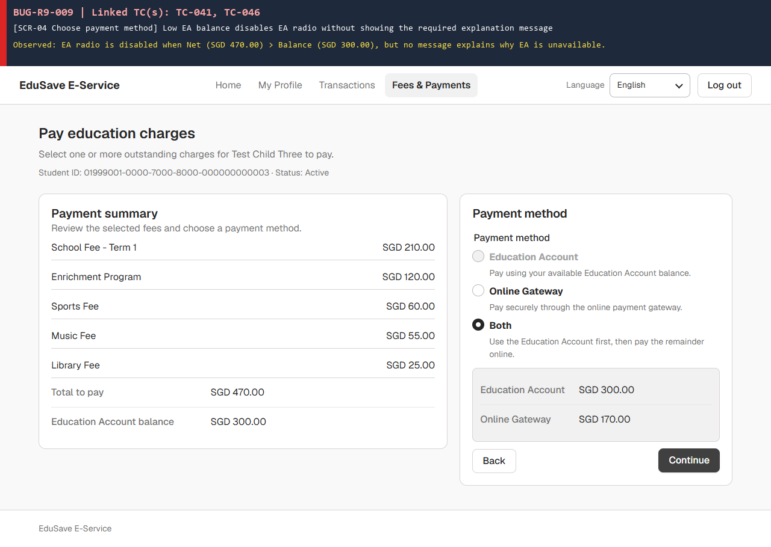
10 | SCR-04 cố định phần tiền EA trong Split payment ở mức tối đa (read-only), không có ô nhập để phụ huynh chỉnh số tiền EA (Linked: TC-051, TC-053, TC-057, TC-062) | BUG-R9-010 | 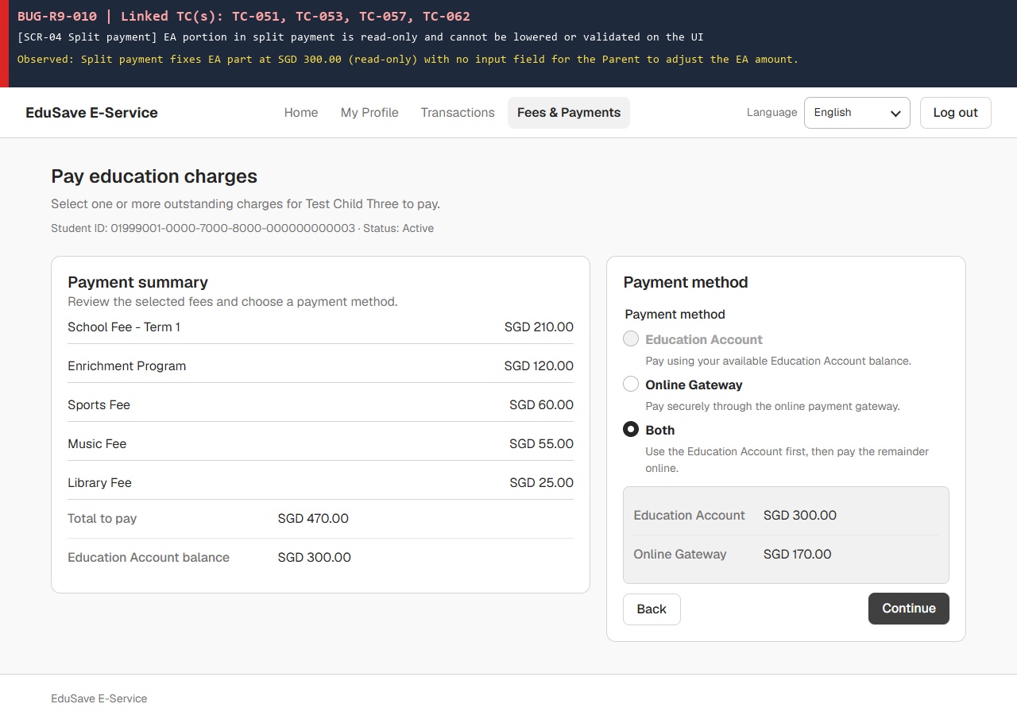
11 | API POST /billing/v1/checkout bỏ qua trường onlineAmount nên chấp nhận HTTP 200 khi gửi EA 100 + Online 100 cho khoản phí 250 (Linked: TC-055) | BUG-R9-011 | 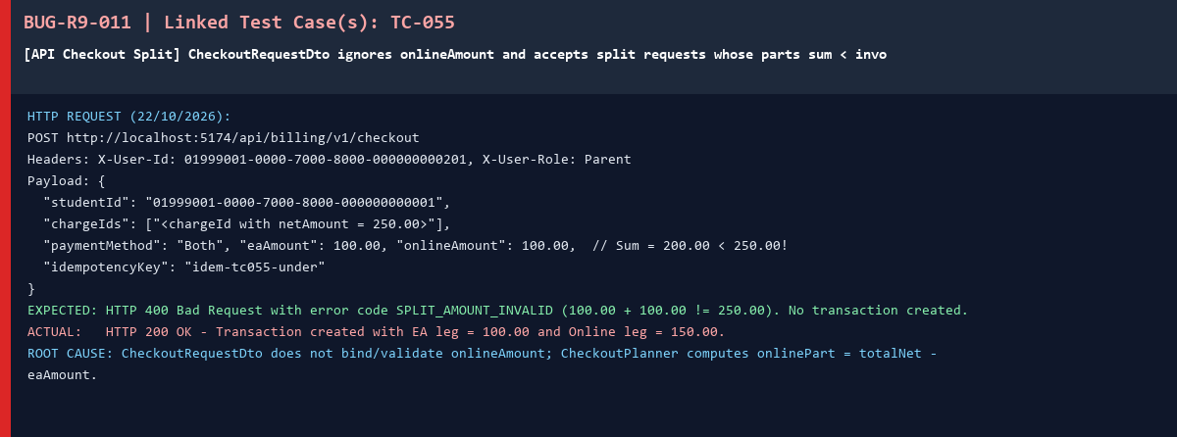
12 | Màn hình xem lại trước khi trả tiền (SCR-05) không hiển thị số dư ví Education Account còn lại sau thanh toán (Linked: TC-063) | BUG-R9-012 | 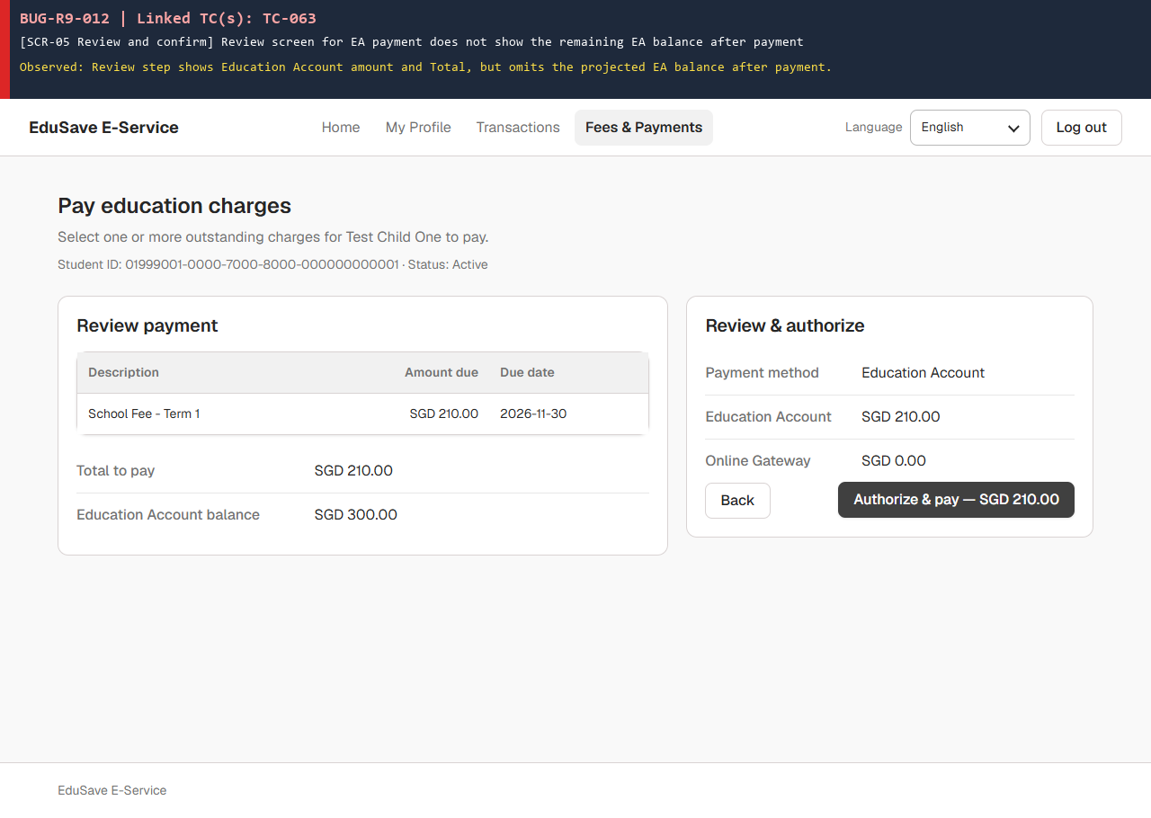
13 | DB BillingPaymentService thiếu bảng audit_logs cho các sự kiện F9 và bỏ qua (Ignored) webhook payment.succeeded đến muộn sau khi giao dịch đã Failed (Linked: TC-071, TC-076, TC-098, TC-167) | BUG-R9-013 | 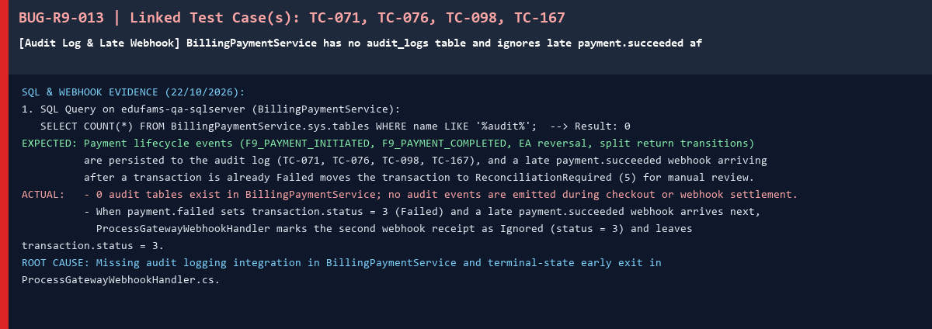
14 | CreateCheckoutHandler chưa có nhánh hoàn tiền EA (CreditAsync) khi lỗi lưu DB/xung đột đồng thời và InvoiceModelCreating đang tắt IsRowVersion() (Linked: TC-073, TC-074, TC-075, TC-166) | BUG-R9-014 | 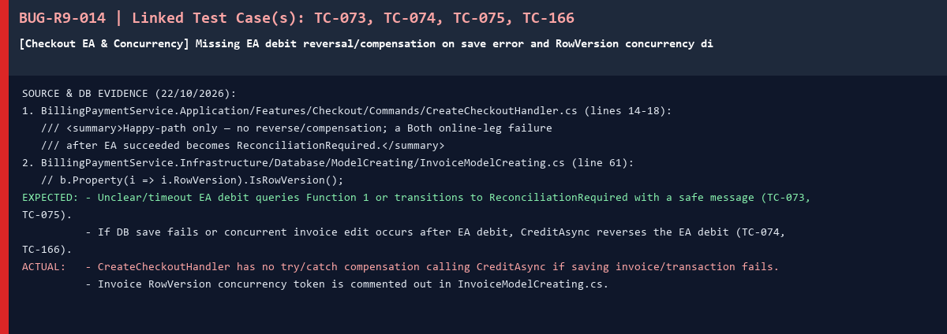
15 | Lỗi nghiêm trọng HTTP 500 InvalidCastException (System.Guid -> System.String) trên dbo.invoices khi xử lý webhook payment.succeeded hoặc gọi lại cùng Idempotency-Key (Linked: TC-078, TC-080, TC-088, TC-089, TC-096, TC-097, TC-115, TC-119, TC-120, TC-143) | BUG-R9-015 | 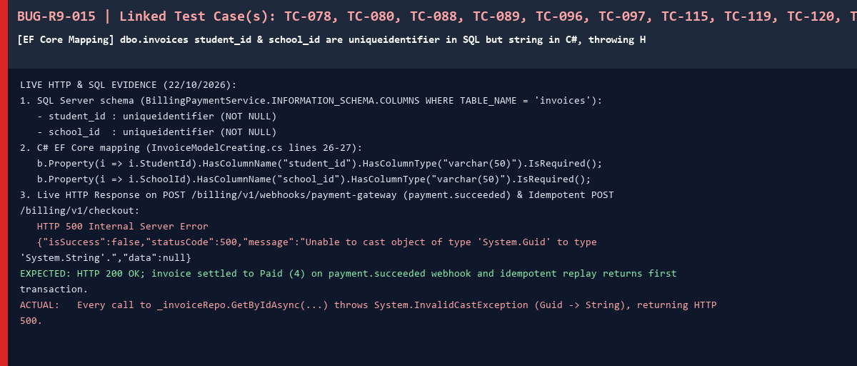
16 | Khóa Idempotency-Key dài 101 ký tự không bị chặn ở bước kiểm tra đầu vào (trả 404 thay vì 400 Bad Request) (Linked: TC-081) | BUG-R9-016
17 | Khi thanh toán Online thất bại, bị hủy hoặc hết hạn phiên, hóa đơn bị kẹt ở PaymentPending (status = 3) và không giải phóng khoản phí để thanh toán lại (Linked: TC-090, TC-091, TC-092, TC-094, TC-139) | BUG-R9-017
18 | Màn hình chờ/đối soát thanh toán gộp (SCR-06) không hiển thị câu thông báo phần tiền Education Account đã bị trừ (Linked: TC-101, TC-128) | BUG-R9-018 | 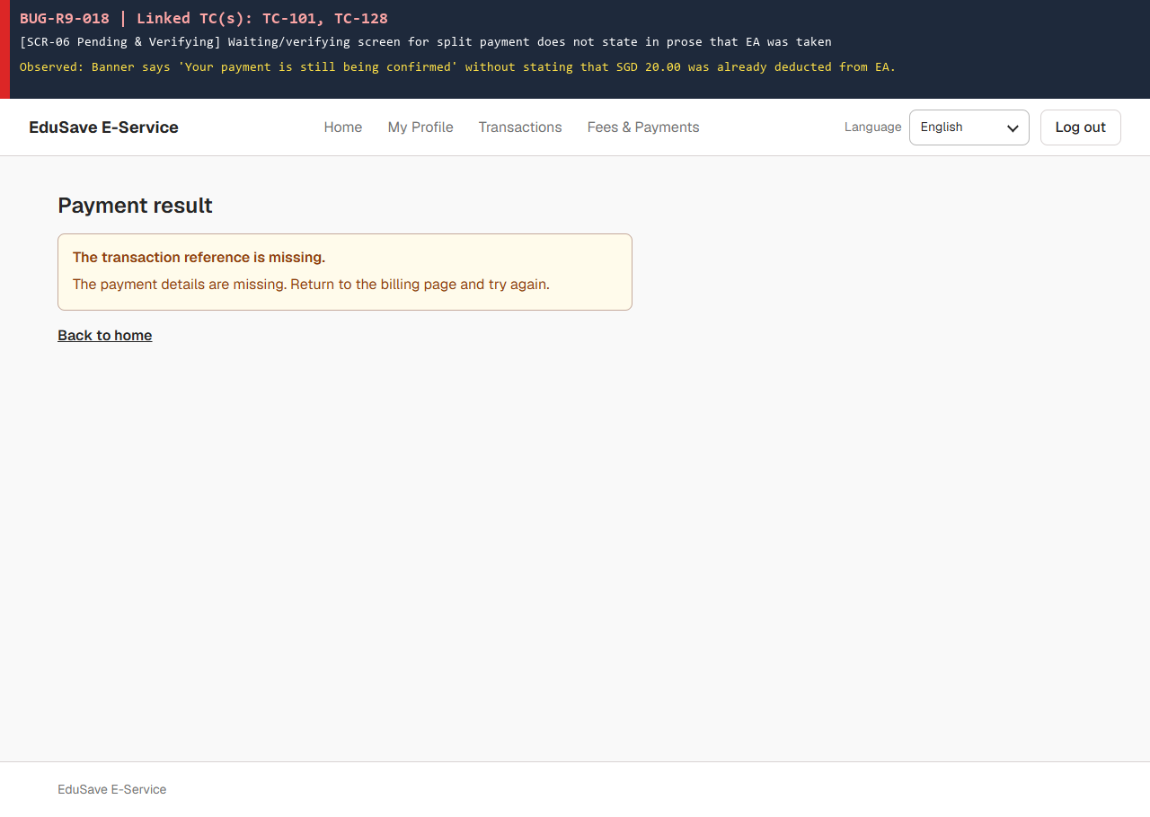
19 | Khi phần Online của thanh toán gộp (Both) thất bại hoặc bị hủy, hệ thống không gọi hoàn tiền ví EA (số dư ví vẫn bằng 0.00, EA leg giữ Succeeded = 2) (Linked: TC-103, TC-104, TC-105, TC-107, TC-108, TC-109) | BUG-R9-019 | 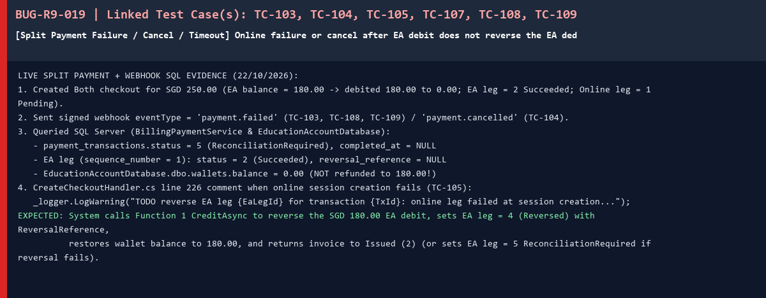
20 | Màn hình biên lai thanh toán thành công (SCR-07) chỉ có nút 'Print receipt', thiếu chức năng tải biên lai PDF (Linked: TC-131, TC-132) | BUG-R9-020 | 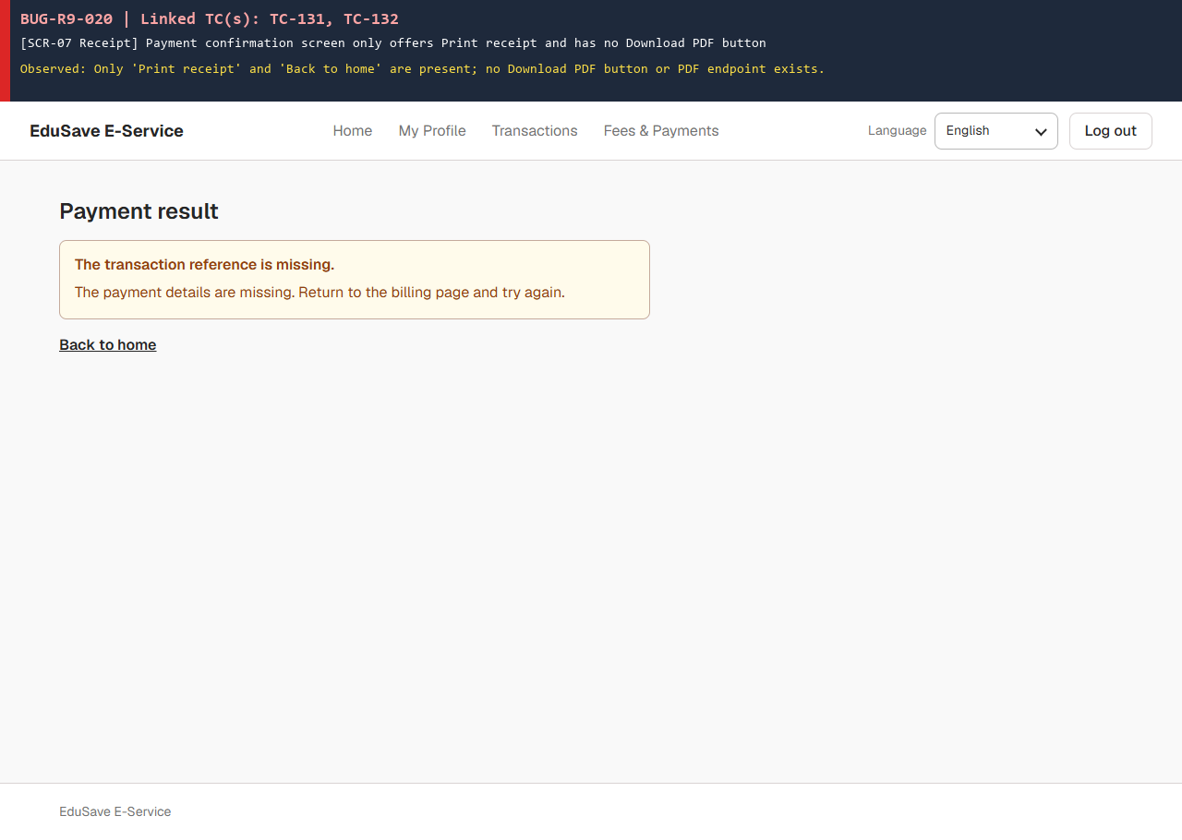
21 | Màn hình thanh toán thất bại (SCR-08) không hiện lý do lỗi, không báo đã hoàn tiền EA cho giao dịch gộp và thiếu nút 'Try again' (Linked: TC-136, TC-137, TC-140) | BUG-R9-021 | 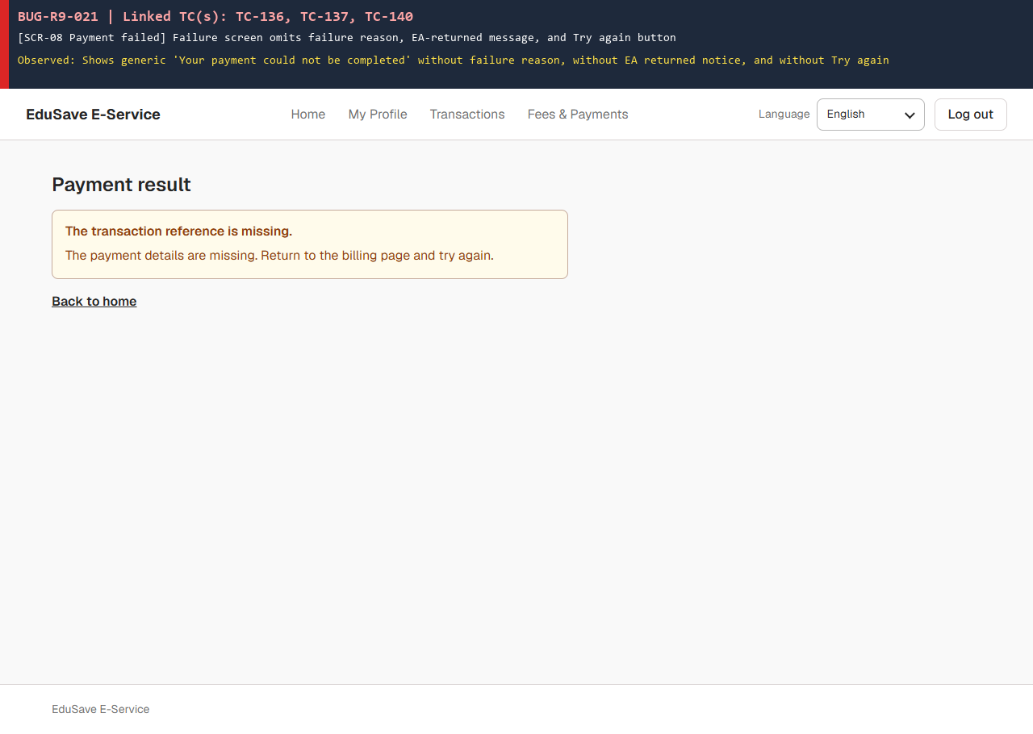
22 | Khi API trả lỗi 500 kèm danh sách errors[], giao diện hiển thị nguyên văn chuỗi lỗi kỹ thuật (SqlException) cho phụ huynh (Linked: TC-138, TC-144, TC-164) | BUG-R9-022 | 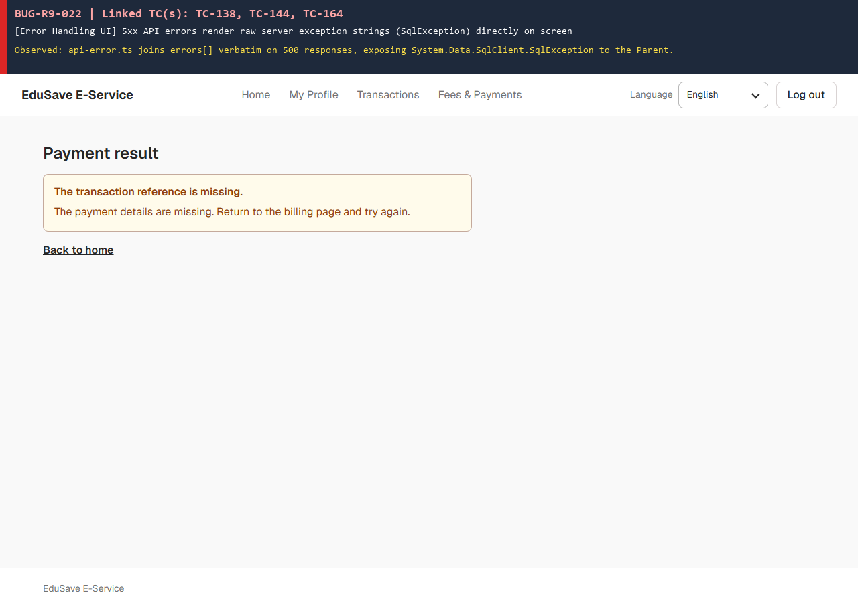
23 | Bảng dbo.invoice_items cho phép gắn khoản phí (student_charge) của trường khác vào hóa đơn (invoice) mà không từ chối (Linked: TC-149) | BUG-R9-023
24 | Trang Pay education charges của R9 Ample Tan: phần đầu trang không có tên con, mã học sinh và trạng thái ví (TC-028, TC-030) (Linked: TC-028, TC-030) | BUG-R9-024 | 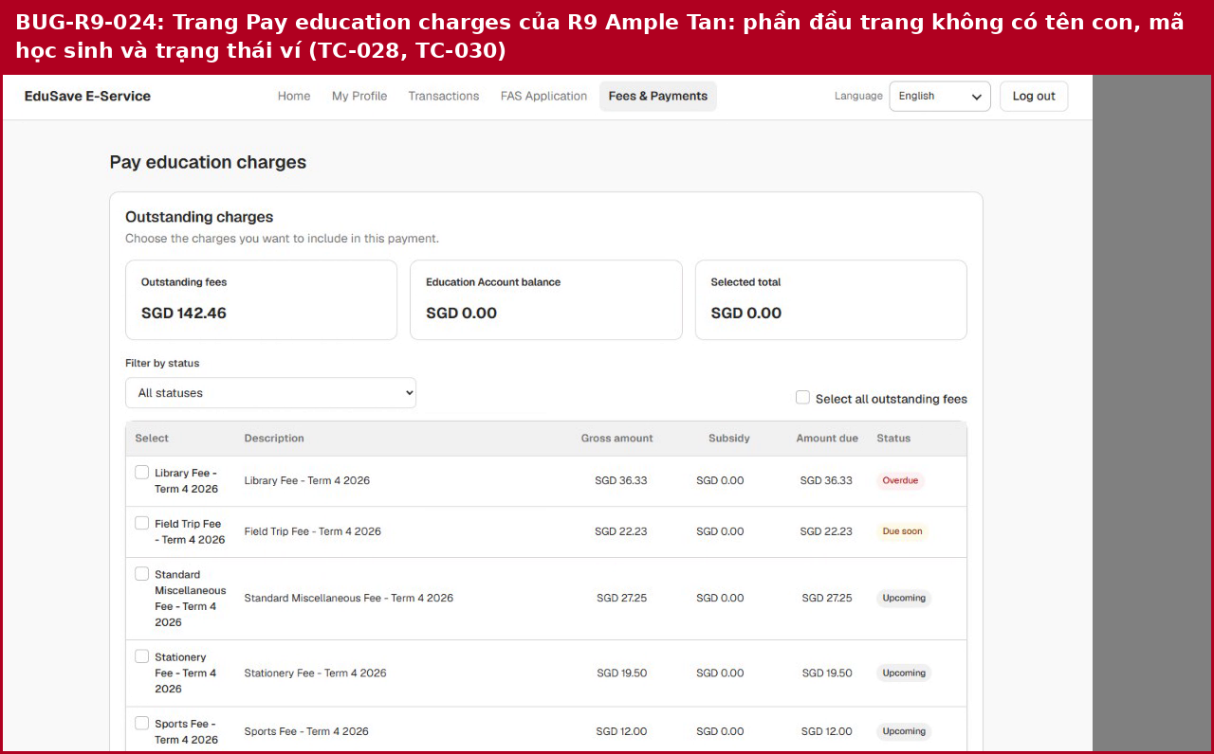
25 | Sau khi đổi Online rồi về Both, phần Education Account vẫn là 19.00 và Online là 51.00, không về mặc định 20.00 và 50.00 (TC-190) (Linked: TC-190) | BUG-R9-025 | 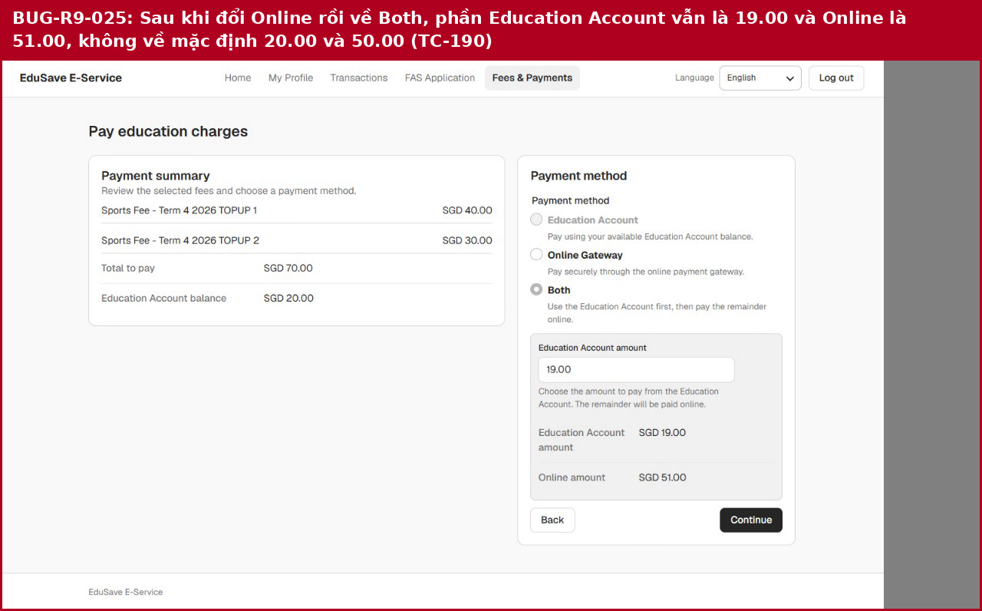
26 | Sau khi nhấp đúp Continue, bước Review & authorize đã ở trạng thái đang thanh toán (nút Authorize & pay quay vòng) (Linked: TC-191) | BUG-R9-026 | 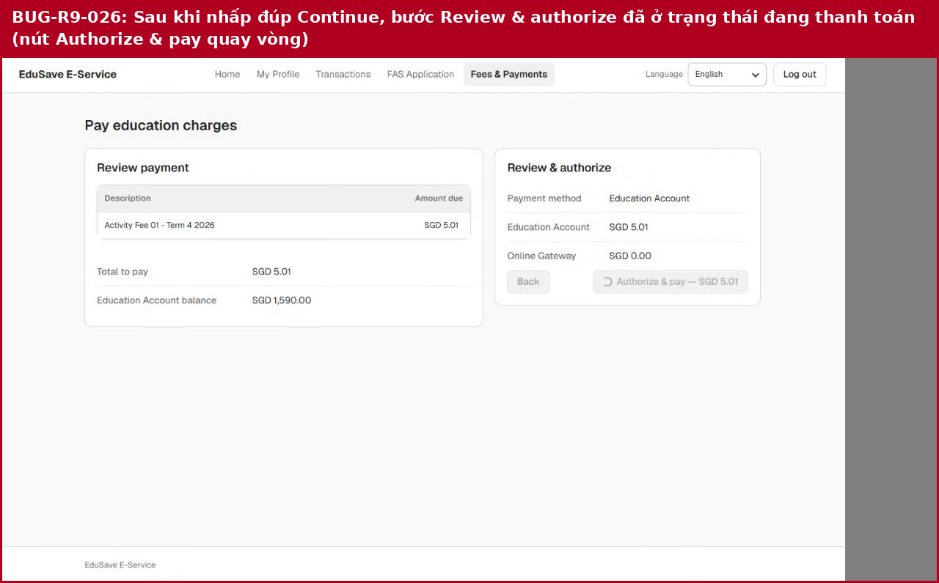
27 | Màn Payment result hiện Payment successful, hóa đơn INV000007 Paid, SGD 5.01 dù phụ huynh không bấm Authorize & pay (Linked: TC-191) | BUG-R9-026 | 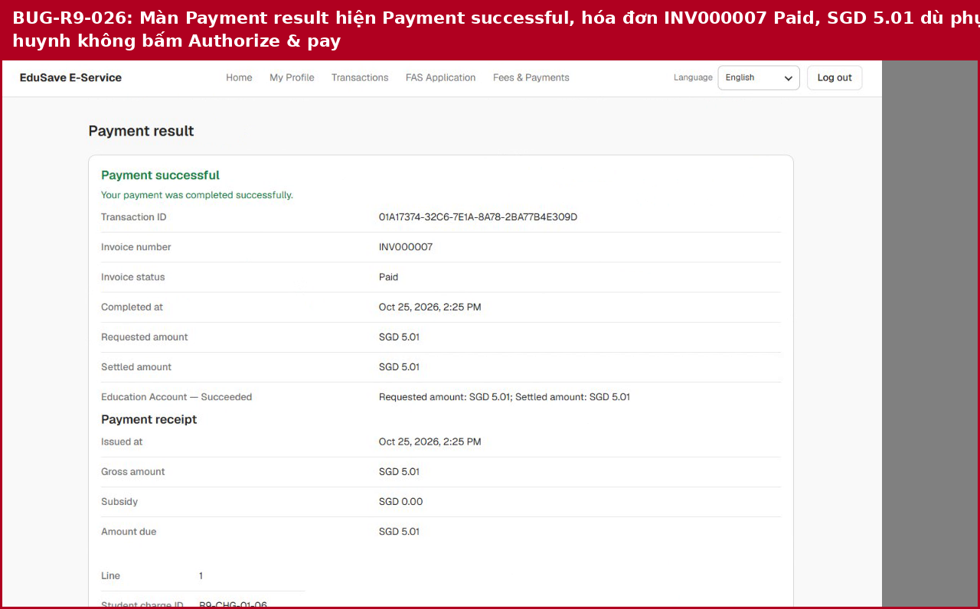
28 | Màn Review & authorize chỉ có hai nút Back và Authorize & pay, không có Cancel (TC-193) (Linked: TC-193) | BUG-R9-027 | 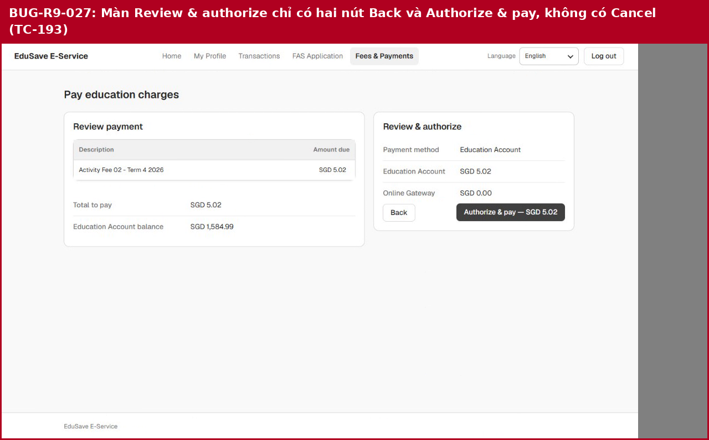
29 | Màn Payment is being processed: Transaction ID dạng GUID, không có mã PAY-YYYYMMDD-XXXXXX, không có nút Refresh status, chỉ có Back to home (Linked: TC-196, TC-197) | BUG-R9-028 | 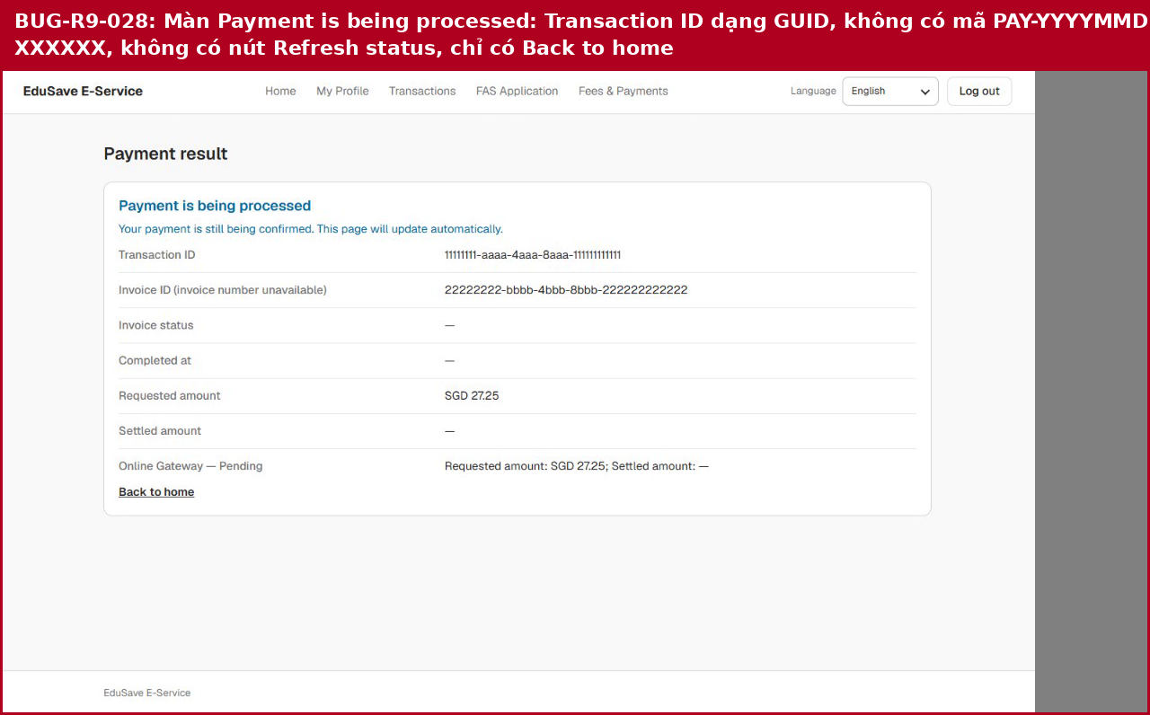
30 | Bảng khoản phí không có cột ngày hạn nộp, cột Status chỉ hiện Upcoming (TC-200 phần 2) (Linked: TC-200) | BUG-R9-029 | 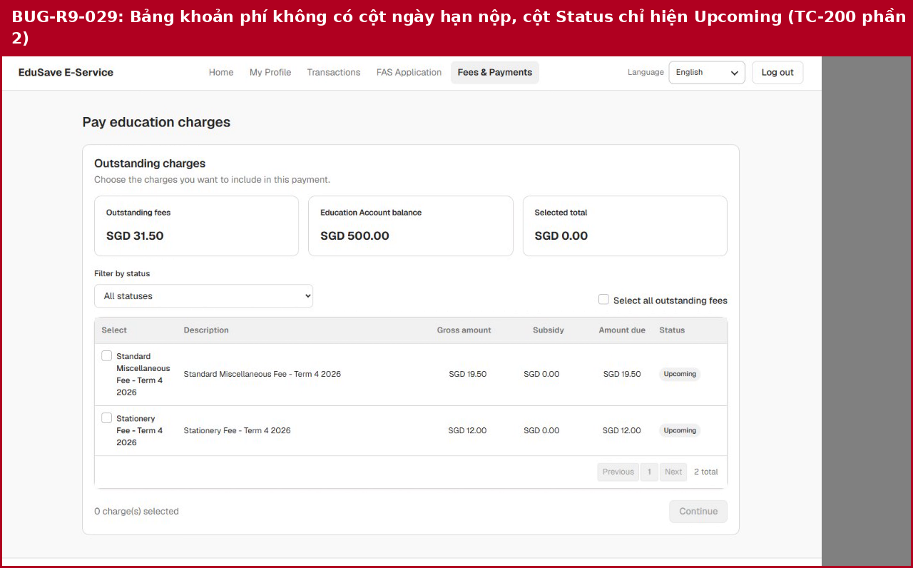
31 | Màn Payment result hiện giờ hoàn tất 'Oct 21, 2026, 12:30 PM', không phải 21/10/2026 12:30 (TC-200 phần 3) (Linked: TC-200) | BUG-R9-029 | 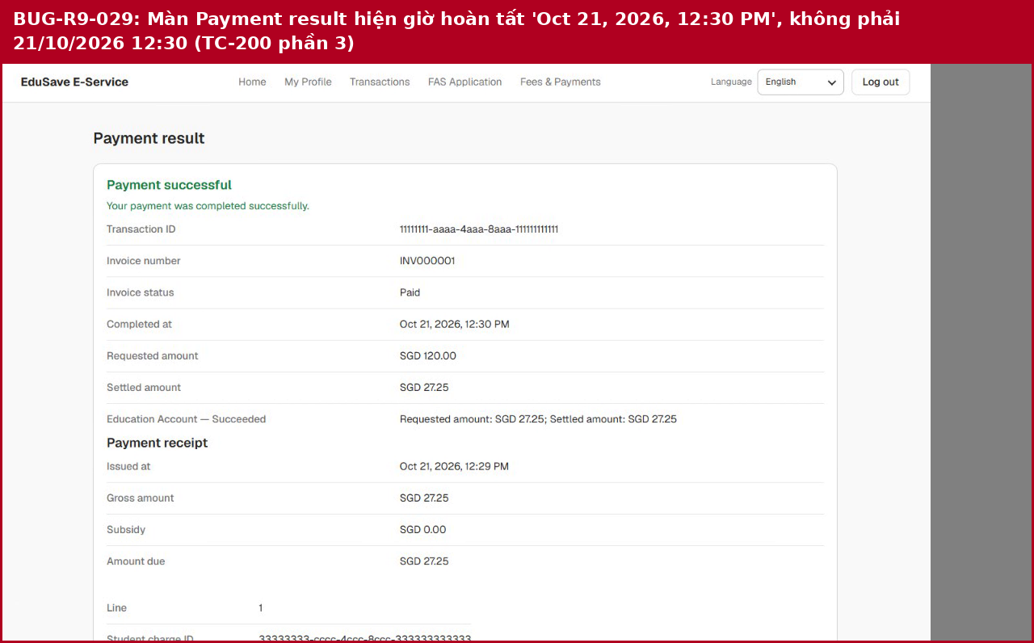
32 | Danh sách con không sắp theo thứ tự chữ cái: Ample, Split, Zero, Empty, Closed, NoWallet... (TC-176) (Linked: TC-176) | BUG-R9-030 | 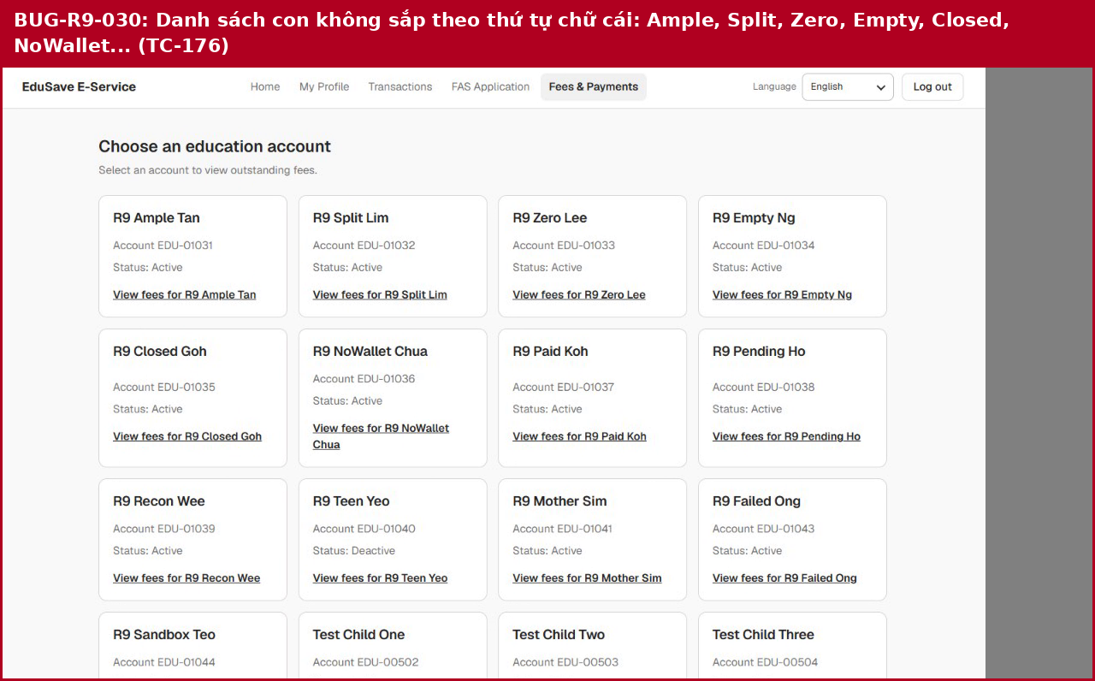
33 | Trang khoản phí của R9 Ample Tan không có liên kết Back to education accounts (TC-184) (Linked: TC-184) | BUG-R9-031 | 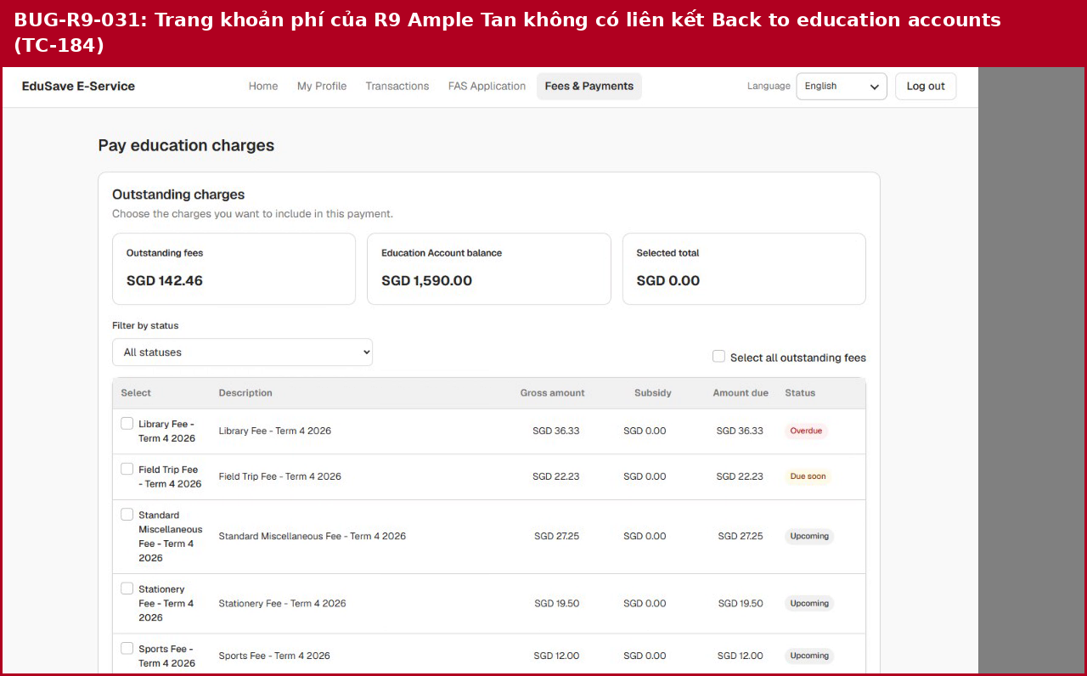
34 | Cả hai ID sai định dạng đều trả HTTP 200 với danh sách rỗng thay vì bị từ chối (TC-180) (Linked: TC-180) | BUG-R9-032
35 | Năm khóa Idempotency-Key chứa ký tự không hợp lệ đều được nhận với mã 200 (TC-194) (Linked: TC-194) | BUG-R9-033
36 | Cùng khóa nhưng khác khoản phí vẫn trả 200 'Checkout already created (idempotent)' (TC-195) (Linked: TC-195) | BUG-R9-034
37 | Năm trường callback dài hơn giới hạn một ký tự đều trả HTTP 500 (TC-203) (Linked: TC-203) | BUG-R9-035
38 | Callback lệch số tiền chỉ làm biên nhận Failed, leg vẫn Pending (TC-202) (Linked: TC-202) | BUG-R9-036

