Evidence
Image | Caption from tester | Defect ID | Screenshot
1 | SCR-01 (/accounts): Thẻ học sinh chỉ hiện tên, mã EDU và trạng thái Active; thiếu trường, khối, lớp và nhãn khoản phí chưa trả (Linked: TC-004, TC-005) | BUG-R9-001 | 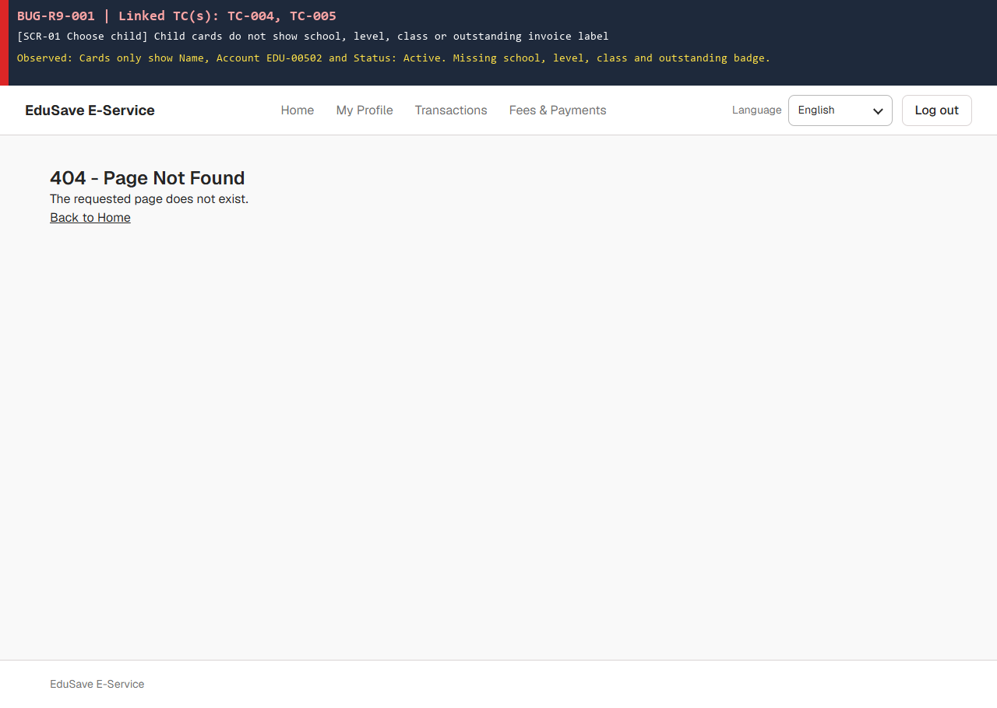
2 | API trả HTTP 200 [] thay vì 403 Forbidden và UI mở trang /billing/{unlinkedStudentId} thay vì chặn truy cập (Linked: TC-012, TC-016) | BUG-R9-002 | 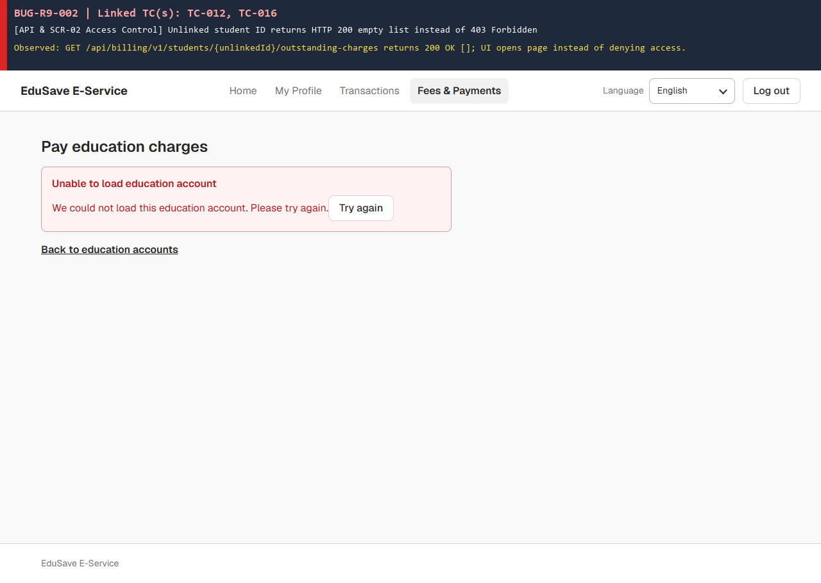
3 | SCR-02 liệt kê từng khoản phí phẳng, không gom theo hóa đơn INV, không chia nhóm Fee Type và không hiển thị GST (Linked: TC-019, TC-022) | BUG-R9-003 | 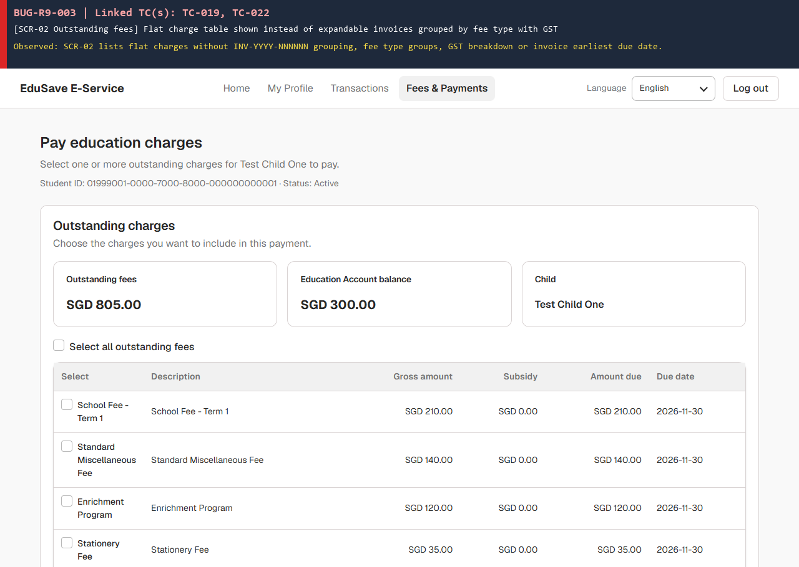
4 | Khoản phí đang PaymentPending / ReconciliationRequired bị ẩn khỏi danh sách SCR-02 và đẩy học sinh chỉ có 1 khoản sang màn rỗng SCR-03 (Linked: TC-025, TC-034, TC-110, TC-127) | BUG-R9-004 | 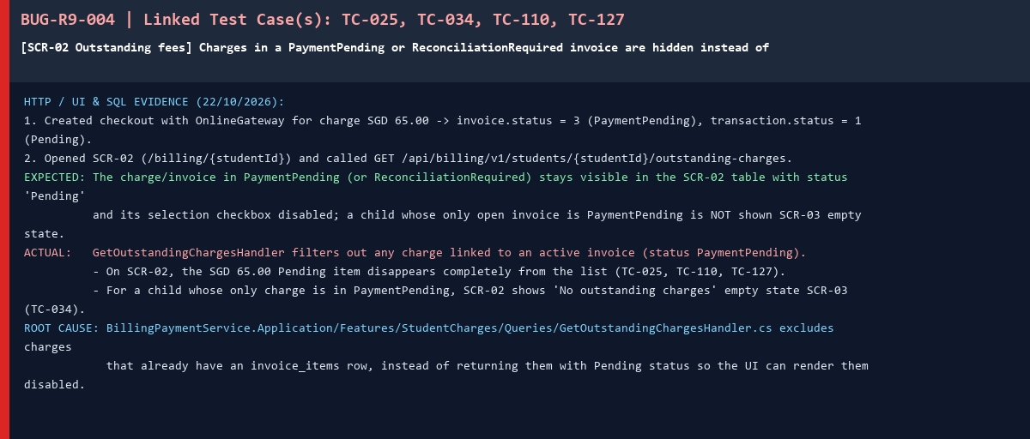
5 | Màn hình SCR-02 không có nhãn thông báo dữ liệu mẫu (Sample / Demo data) (Linked: TC-027) | BUG-R9-005 | 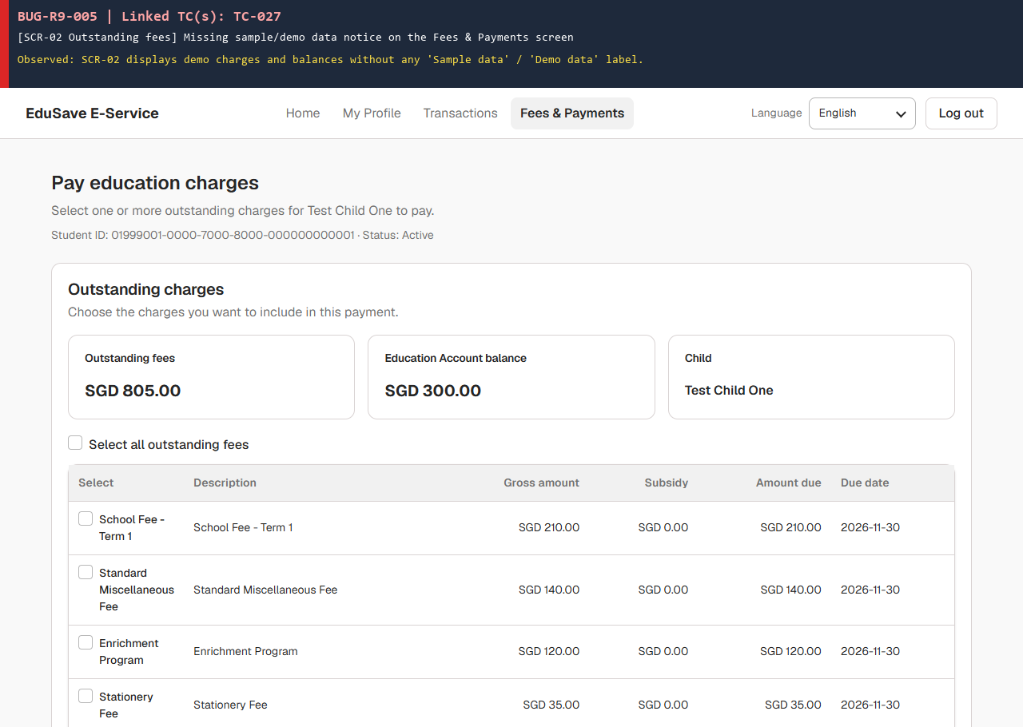
6 | Khi học sinh không có ví EA (API trả 404), UI báo lỗi 'Unable to load education account' và chặn luôn thanh toán Online (Linked: TC-029, TC-038) | BUG-R9-006 | 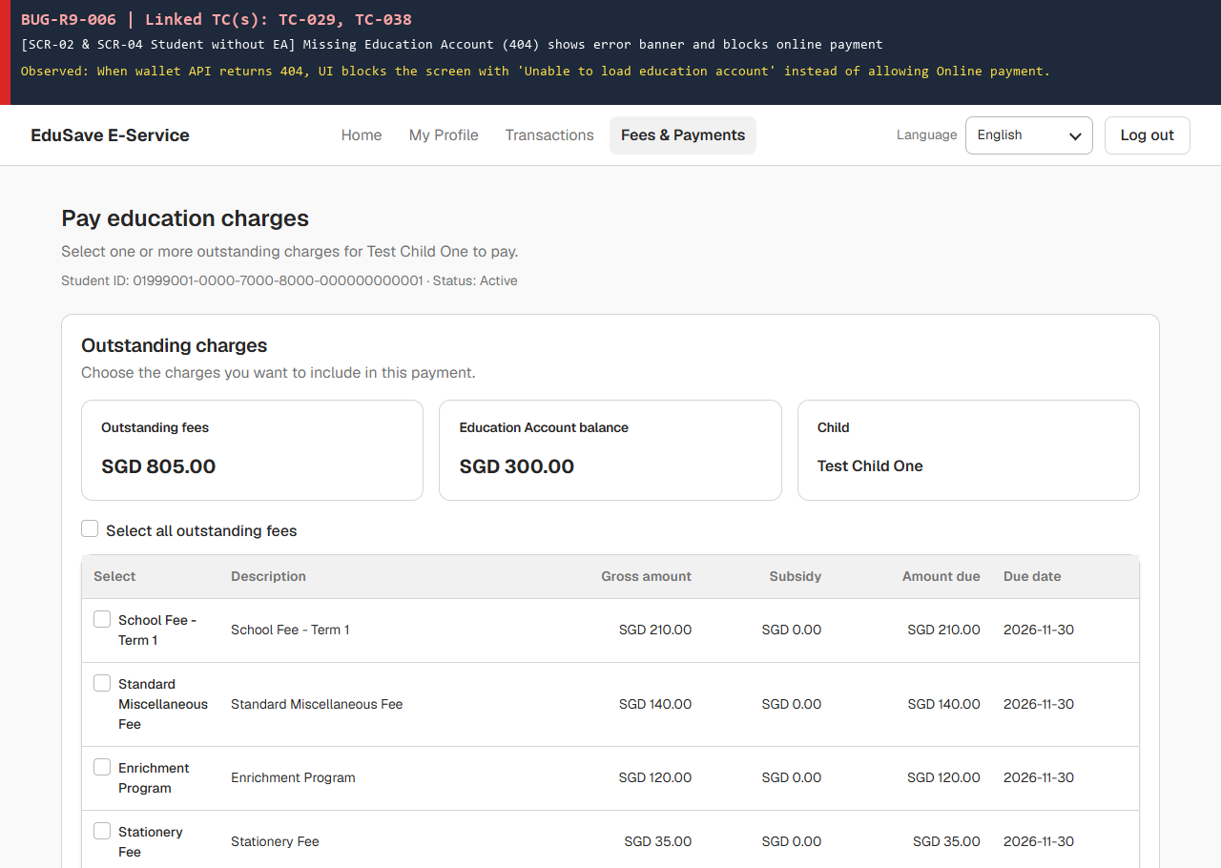
7 | Màn hình trống SCR-03 ('No outstanding charges') thiếu nút/liên kết quay về danh sách chọn con trong vùng nội dung chính (Linked: TC-032, TC-033) | BUG-R9-007 | 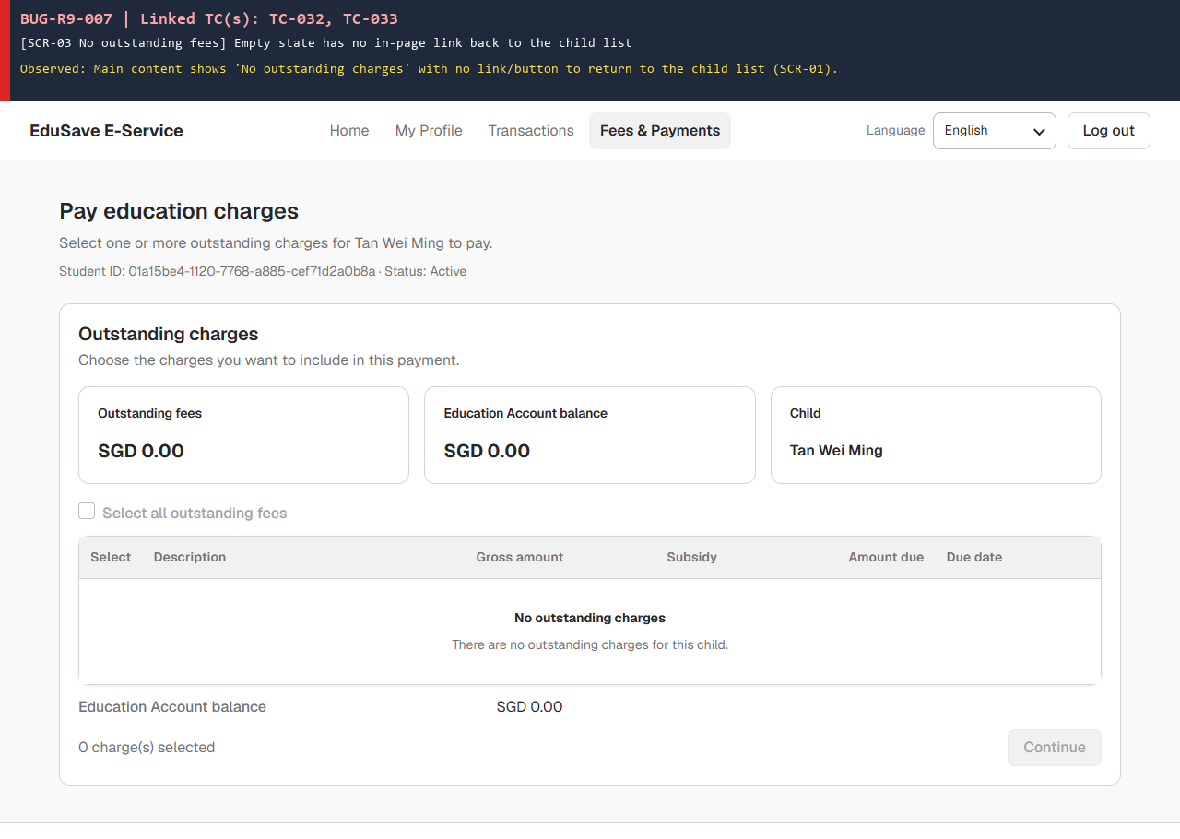
8 | Ví EA có trạng thái Closed nhưng bước chọn phương thức thanh toán (SCR-04) vẫn cho phép chọn Education Account (Linked: TC-039) | BUG-R9-008 | 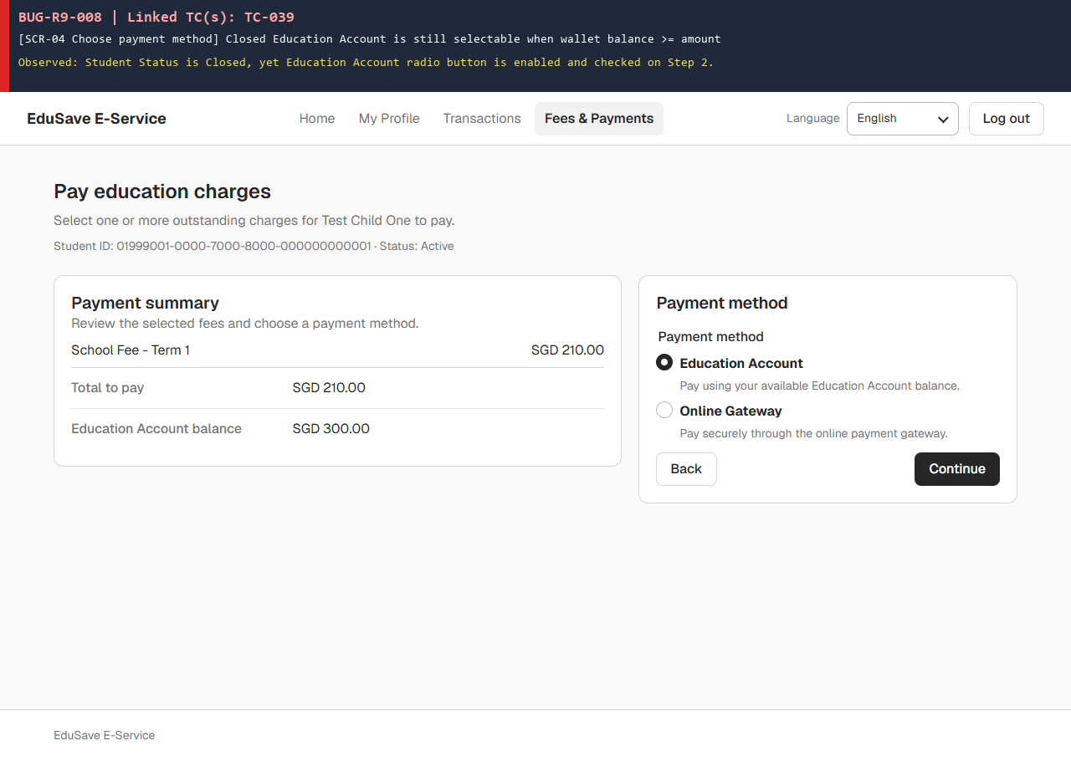
9 | SCR-04 khóa nút Education Account khi số dư (300.00) thấp hơn số tiền trả (470.00) nhưng thiếu câu giải thích lý do (Linked: TC-041, TC-046) | BUG-R9-009 | 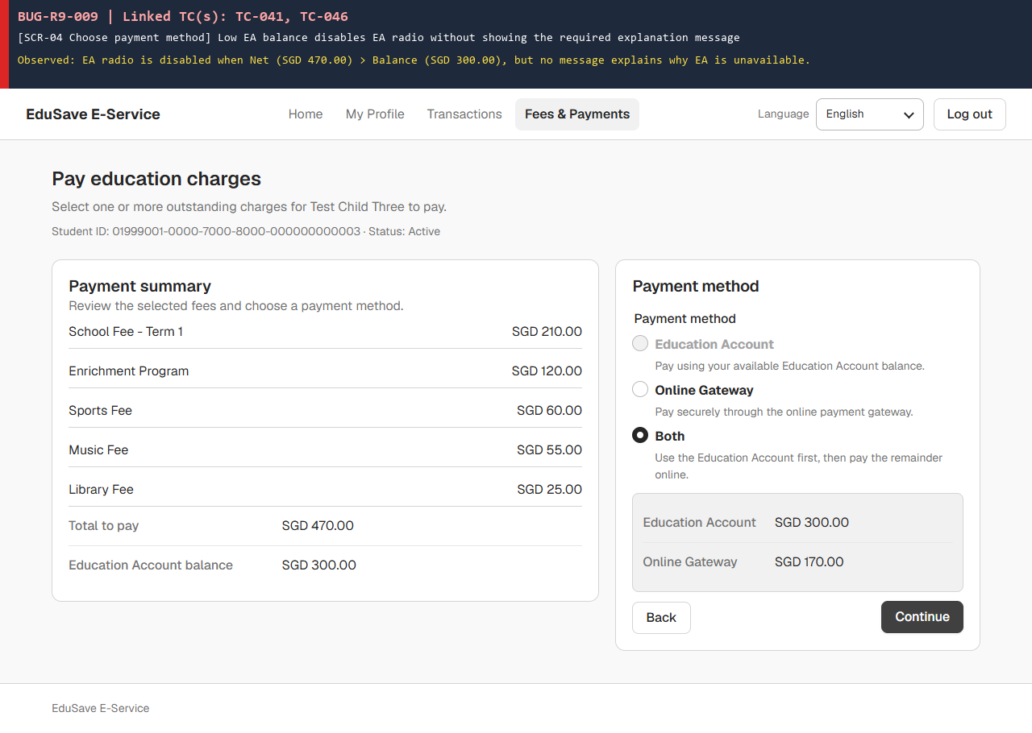
10 | SCR-04 cố định phần tiền EA trong Split payment ở mức tối đa (read-only), không có ô nhập để phụ huynh chỉnh số tiền EA (Linked: TC-051, TC-053, TC-057, TC-062) | BUG-R9-010 | 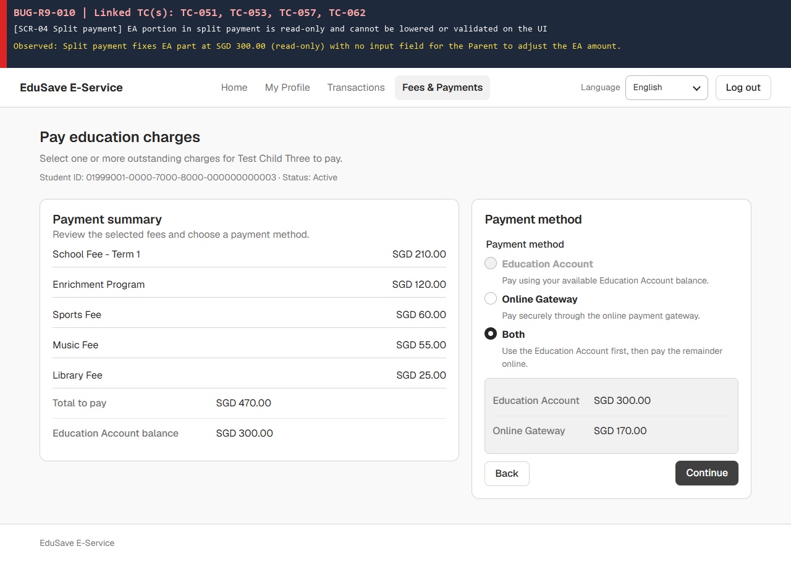
11 | API POST /billing/v1/checkout bỏ qua trường onlineAmount nên chấp nhận HTTP 200 khi gửi EA 100 + Online 100 cho khoản phí 250 (Linked: TC-055) | BUG-R9-011 | 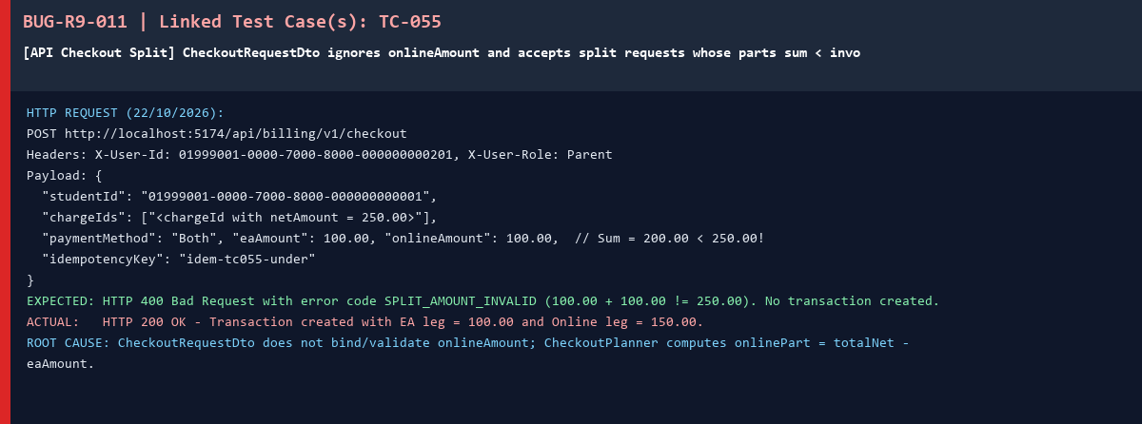
12 | Màn hình xem lại trước khi trả tiền (SCR-05) không hiển thị số dư ví Education Account còn lại sau thanh toán (Linked: TC-063) | BUG-R9-012 | 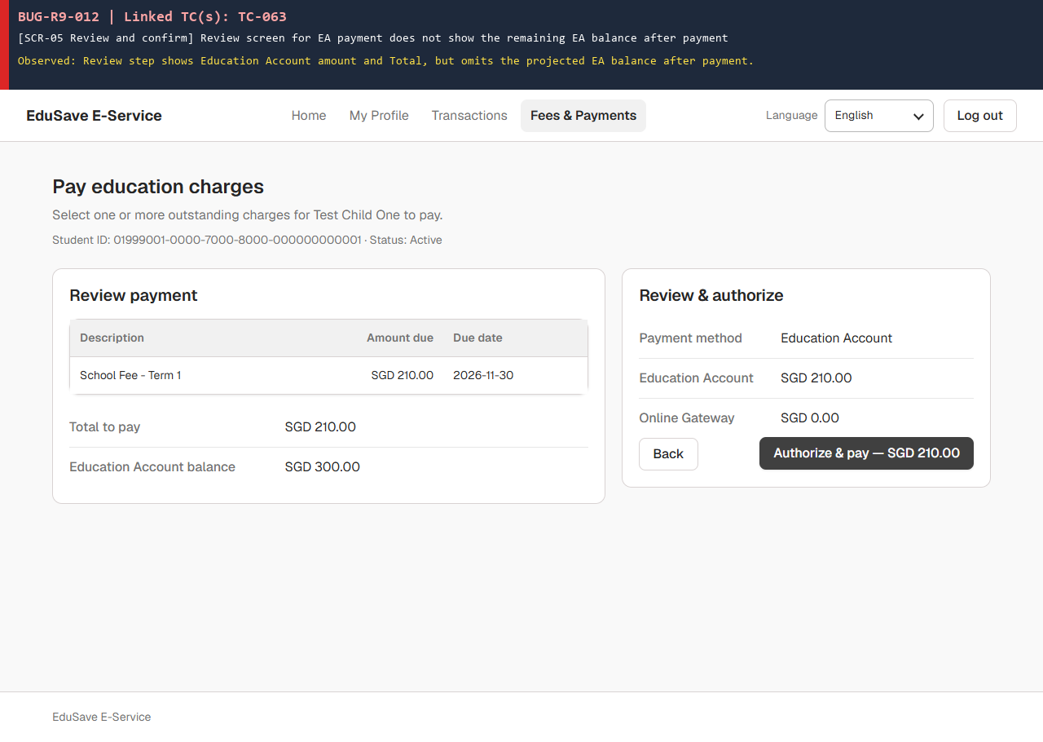
13 | DB BillingPaymentService thiếu bảng audit_logs cho các sự kiện F9 và bỏ qua (Ignored) webhook payment.succeeded đến muộn sau khi giao dịch đã Failed (Linked: TC-071, TC-076, TC-098, TC-167) | BUG-R9-013 | 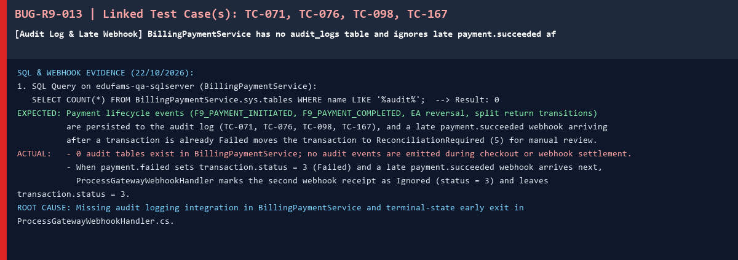
14 | CreateCheckoutHandler chưa có nhánh hoàn tiền EA (CreditAsync) khi lỗi lưu DB/xung đột đồng thời và InvoiceModelCreating đang tắt IsRowVersion() (Linked: TC-073, TC-074, TC-075, TC-166) | BUG-R9-014 | 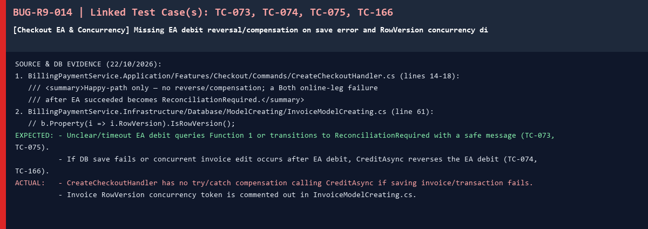
15 | Lỗi nghiêm trọng HTTP 500 InvalidCastException (System.Guid -> System.String) trên dbo.invoices khi xử lý webhook payment.succeeded hoặc gọi lại cùng Idempotency-Key (Linked: TC-078, TC-080, TC-088, TC-089, TC-096, TC-097, TC-115, TC-119, TC-120, TC-143) | BUG-R9-015 | 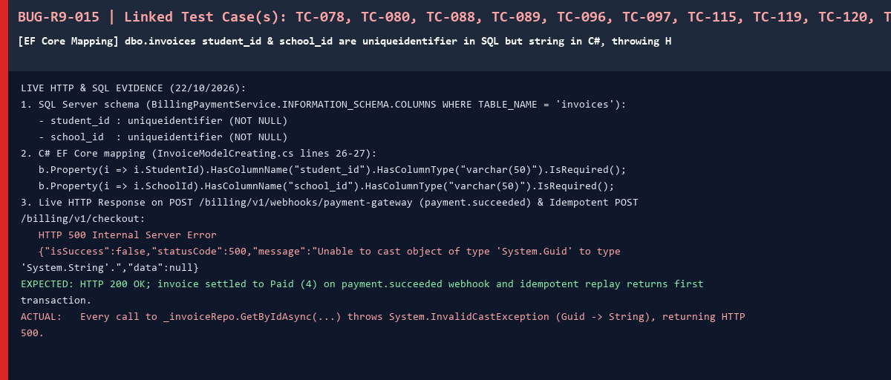
16 | Khóa Idempotency-Key dài 101 ký tự không bị chặn ở bước kiểm tra đầu vào (trả 404 thay vì 400 Bad Request) (Linked: TC-081) | BUG-R9-016
17 | Khi thanh toán Online thất bại, bị hủy hoặc hết hạn phiên, hóa đơn bị kẹt ở PaymentPending (status = 3) và không giải phóng khoản phí để thanh toán lại (Linked: TC-090, TC-091, TC-092, TC-094, TC-139) | BUG-R9-017
18 | Màn hình chờ/đối soát thanh toán gộp (SCR-06) không hiển thị câu thông báo phần tiền Education Account đã bị trừ (Linked: TC-101, TC-128) | BUG-R9-018 | 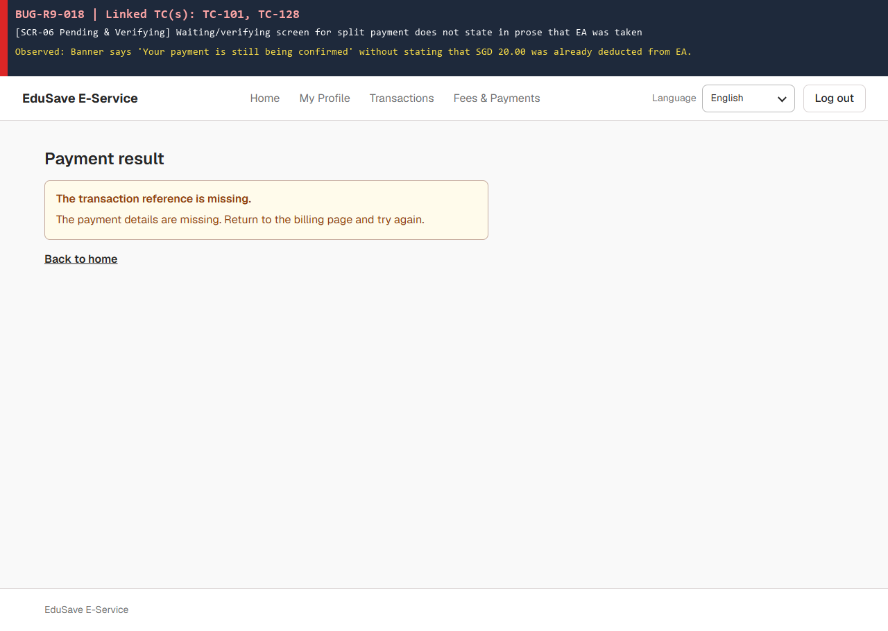
19 | Khi phần Online của thanh toán gộp (Both) thất bại hoặc bị hủy, hệ thống không gọi hoàn tiền ví EA (số dư ví vẫn bằng 0.00, EA leg giữ Succeeded = 2) (Linked: TC-103, TC-104, TC-105, TC-107, TC-108, TC-109) | BUG-R9-019 | 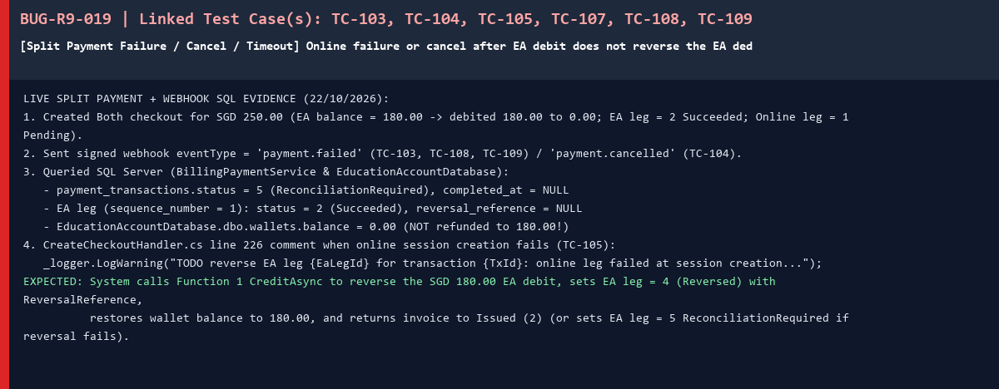
20 | Màn hình biên lai thanh toán thành công (SCR-07) chỉ có nút 'Print receipt', thiếu chức năng tải biên lai PDF (Linked: TC-131, TC-132) | BUG-R9-020 | 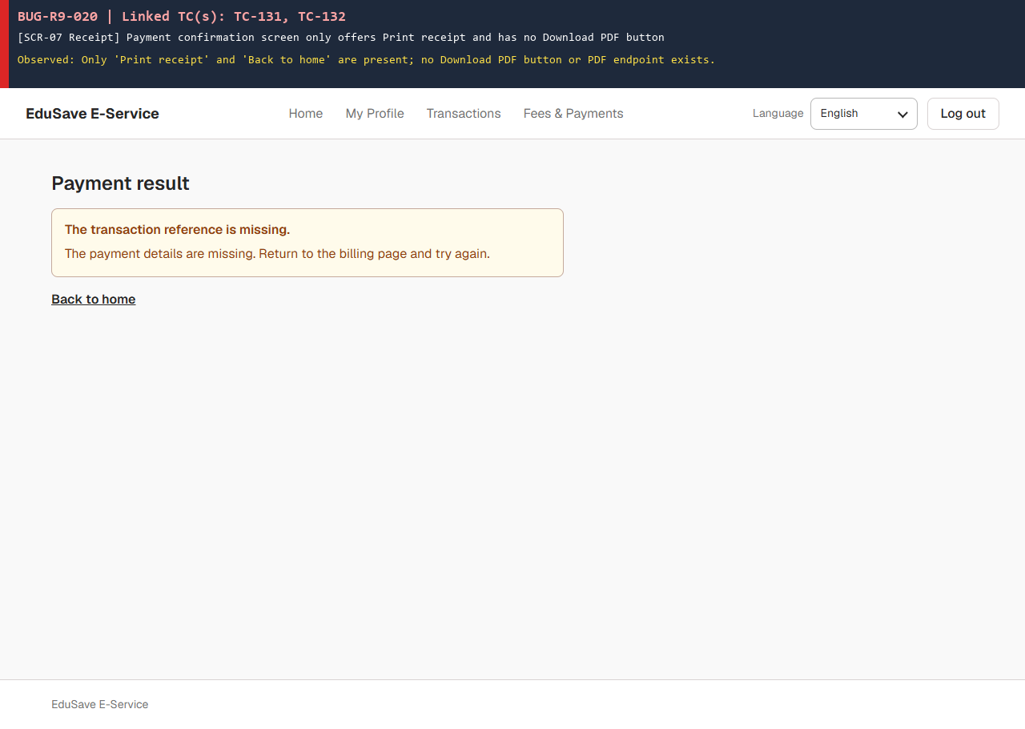
21 | Màn hình thanh toán thất bại (SCR-08) không hiện lý do lỗi, không báo đã hoàn tiền EA cho giao dịch gộp và thiếu nút 'Try again' (Linked: TC-136, TC-137, TC-140) | BUG-R9-021 | 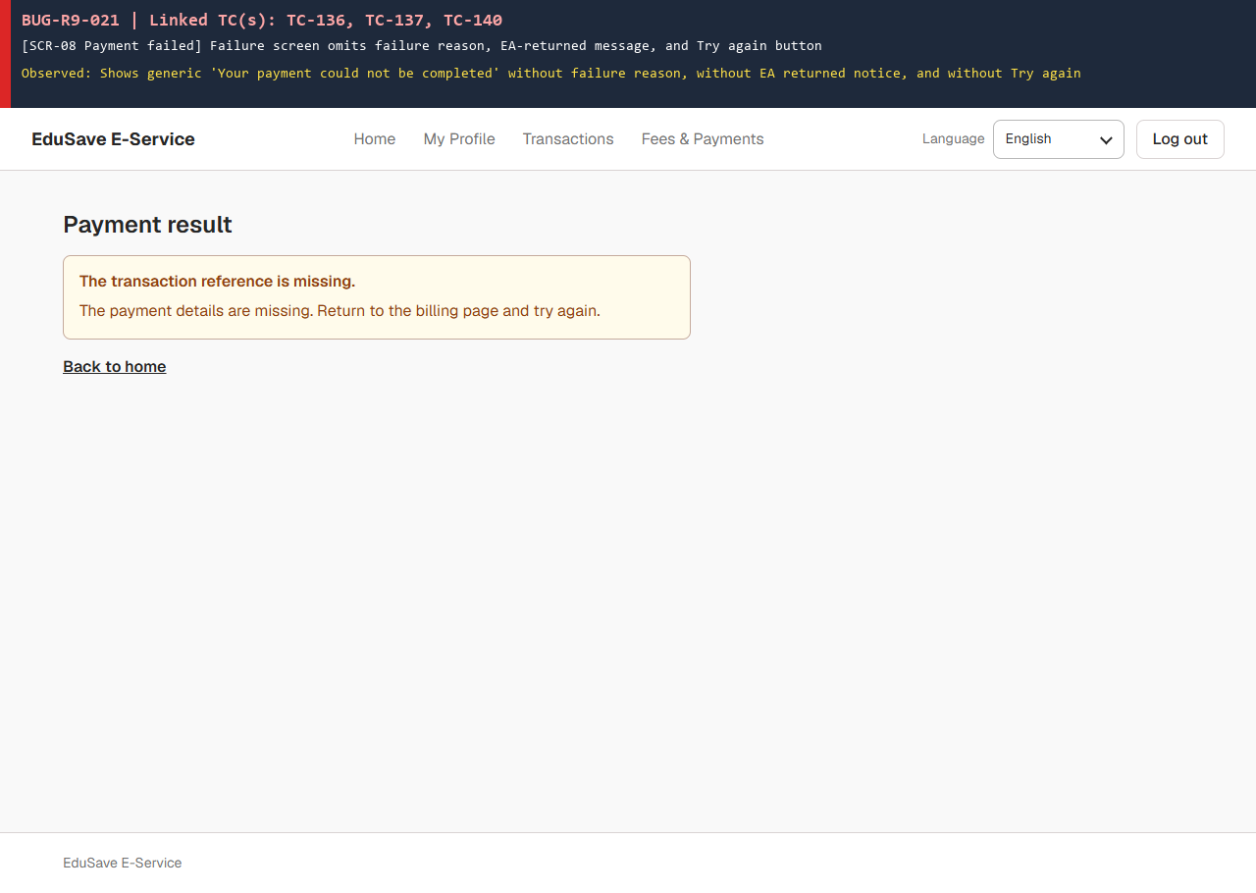
22 | Khi API trả lỗi 500 kèm danh sách errors[], giao diện hiển thị nguyên văn chuỗi lỗi kỹ thuật (SqlException) cho phụ huynh (Linked: TC-138, TC-144, TC-164) | BUG-R9-022 | 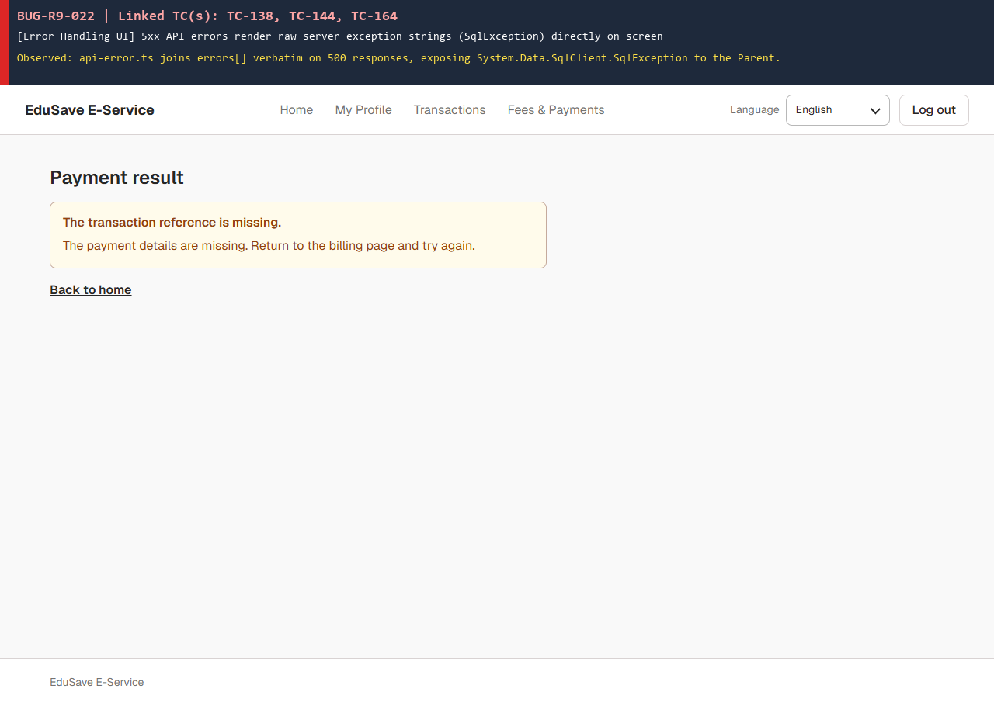
23 | Bảng dbo.invoice_items cho phép gắn khoản phí (student_charge) của trường khác vào hóa đơn (invoice) mà không từ chối (Linked: TC-149) | BUG-R9-023

