Sheet1
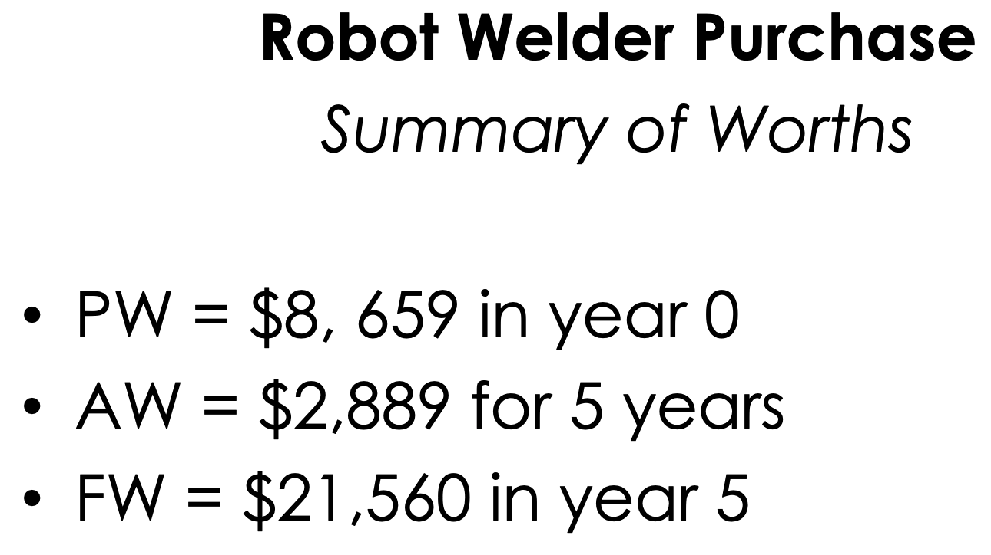
 | Equal [Uniform] Series | Effective Interest Rates |  | Present Worth
Present worth (PW) of an annuity |  | # of compounding periods per year (M) |  | PW = PV = NPW = NPV
[Find P given A, I and N] |  | # of payment periods per year (K)
 |  | # of interest periods per payment (C) |  | PW = -P + A(P/A,I,N) + F(P/F,I,N) [Used to calculate PW from first principles]
Excel Formula: |  |  |  |  | [Assumes the net annual costs/revenues/savings are
$$PW=−P+\sum_{n=0}^{N}{\text{F}\text{(}\text{P}\text{/}\text{F}\text{, }\text{i}\text{, }\text{n}\text{) + }\text{F}\text{(}\text{P}\text{/}\text{F}\text{, }\text{i}\text{, }\text{N}\text{)} }$$
PMT(A, I, N) |  |  | M = CK |  | constant throughout the life of the project]

Three Worths |  | Example: Suppose that you make quarterly deposits in a savings account
Present Worth (PW) |  | that earns 9% interest compounded monthly. |  | Assumes the net annual costs / revenues are NOT constant
Annual Worth (AW) |  |  |  | throughout the life of the project. Each net annual cost /
Future Worth (FW) |  | Given: | r=9% | revenue value is treated individually as a “future” value and is
 |  |  | K=4 quarterly payments per year | discounted to a present worth value using the present worth
Evaluation of alternatives based on the |  |  | C=3 interest periods per year | factor for single payments (P/F, i, N).
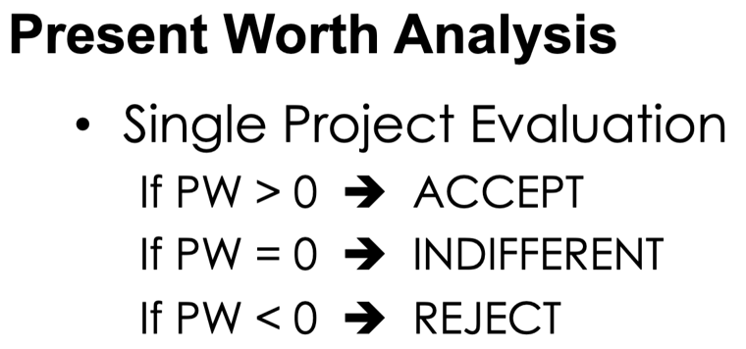
time value of money |  |  | M=12 interest periods per year

[The amount of a dollar will change
with respect to time] |  |  | I = (1+(r/CK))^C - 1
 |  |  | I=2.27%

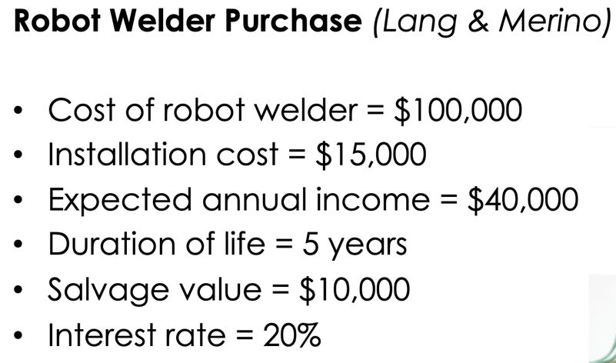

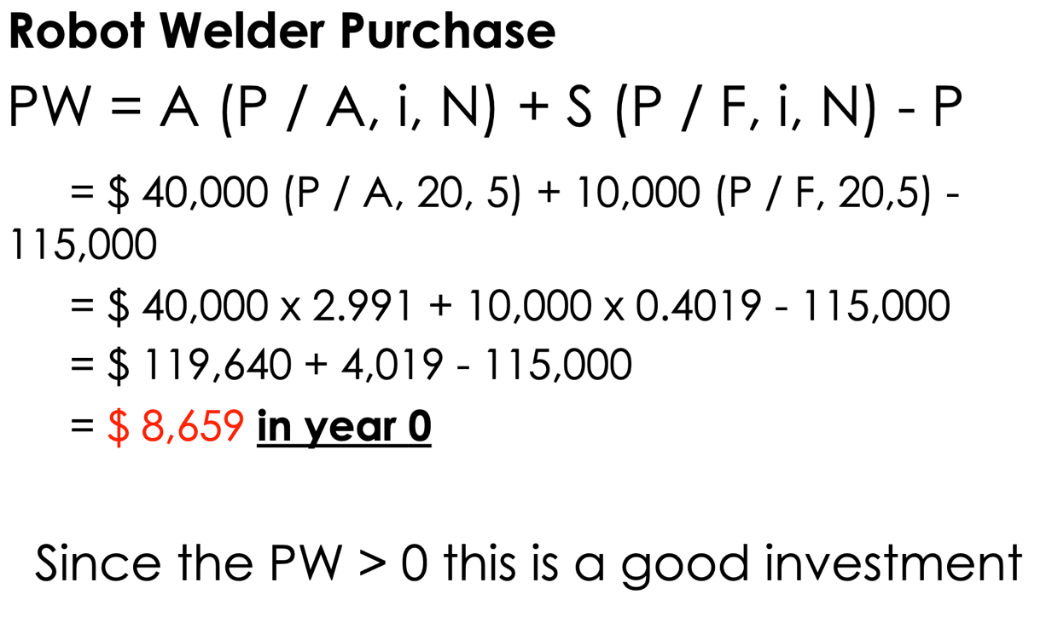
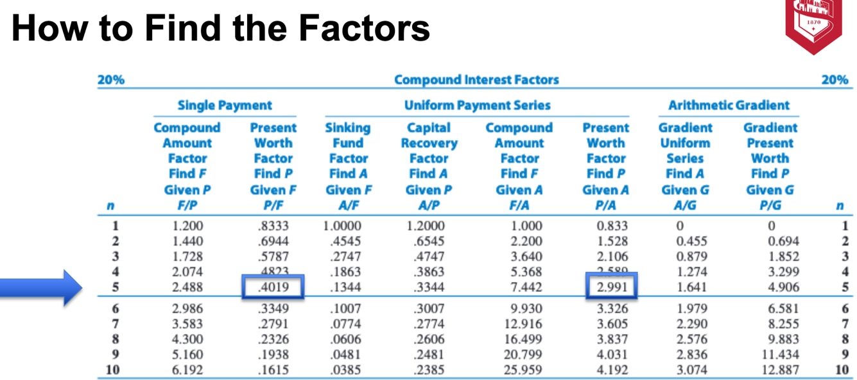

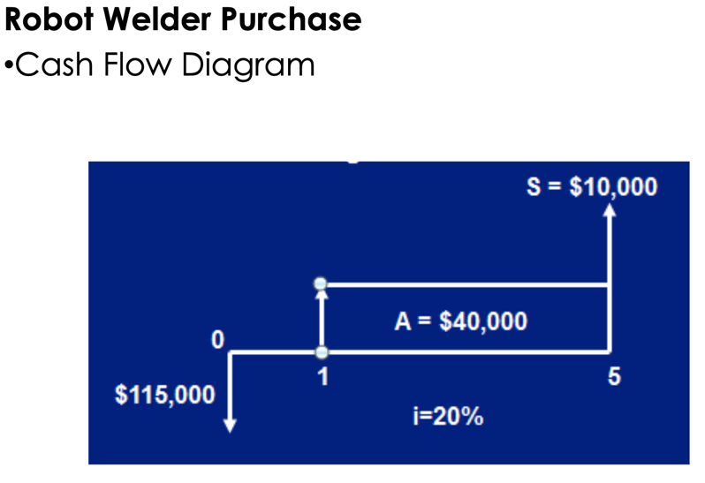

Annual Worth
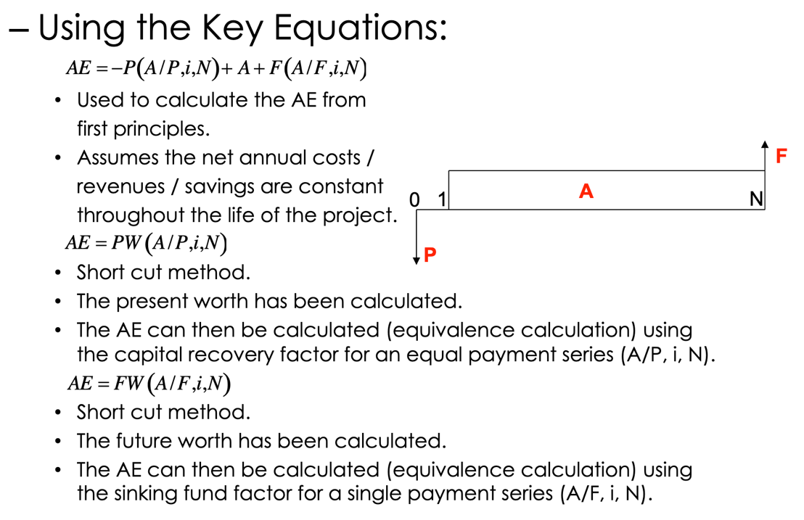
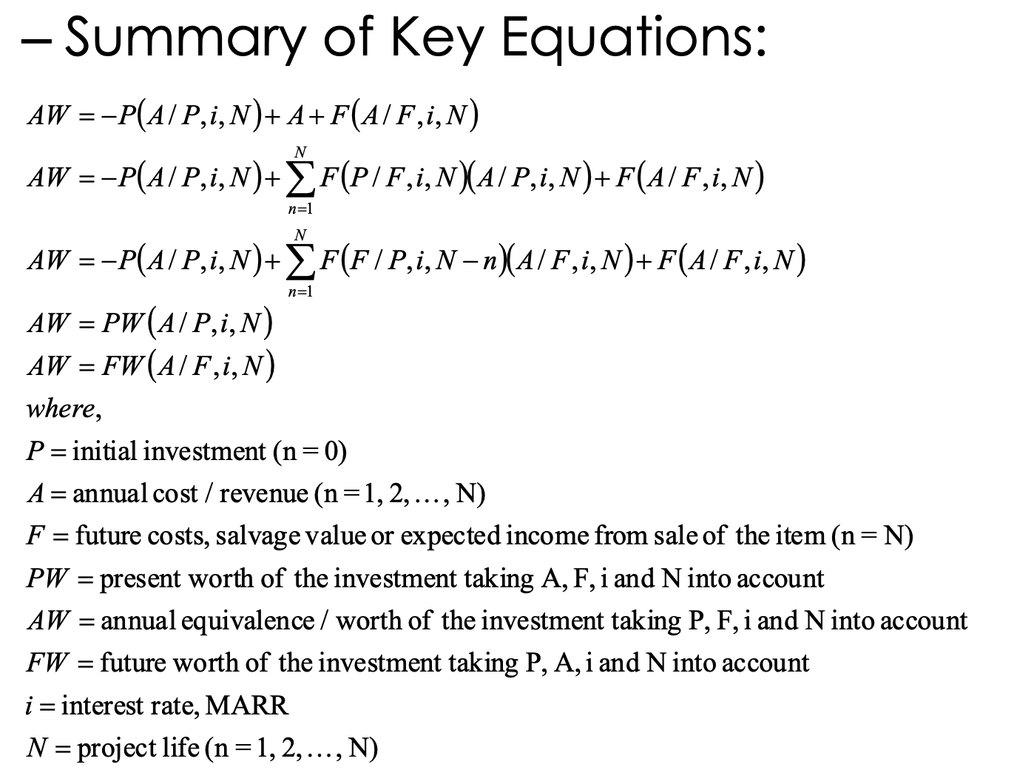
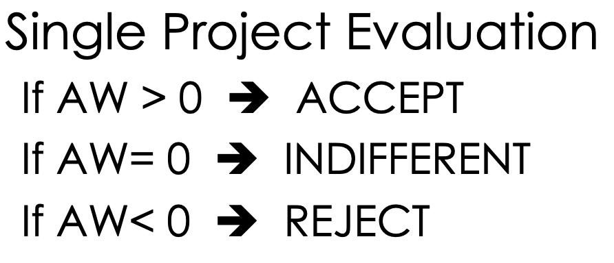

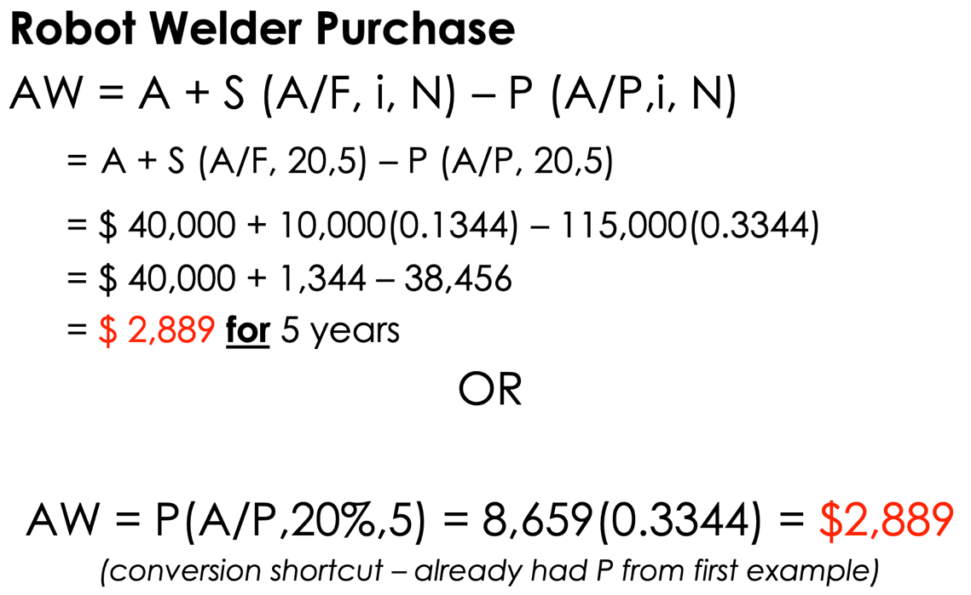

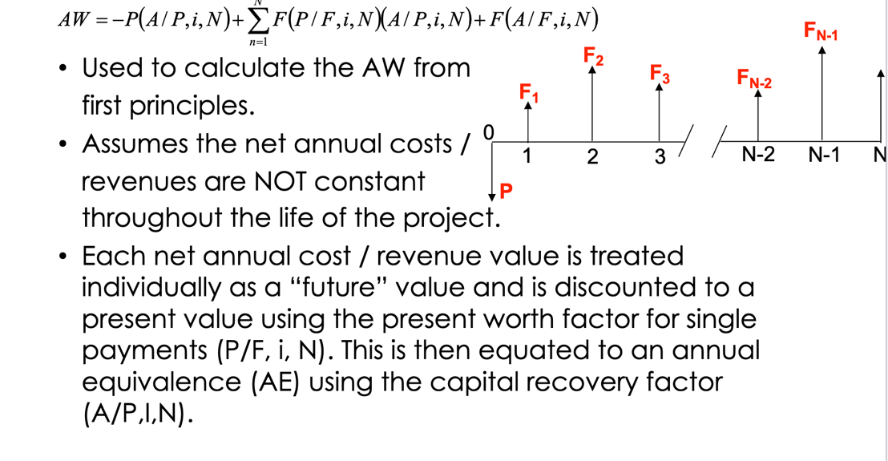

Future Worth

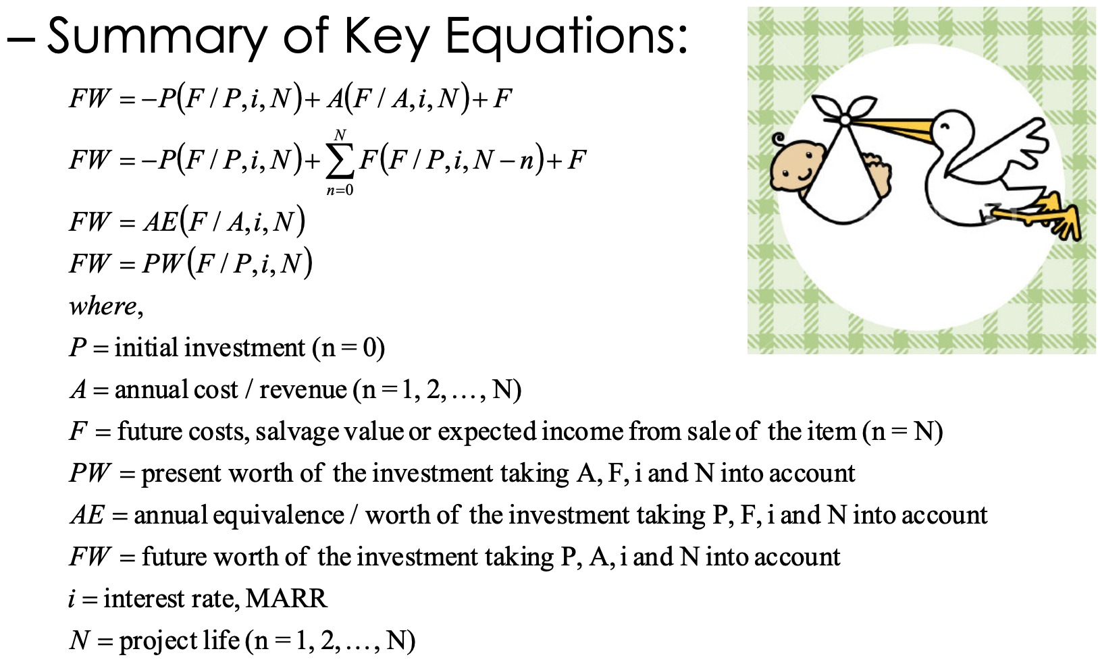
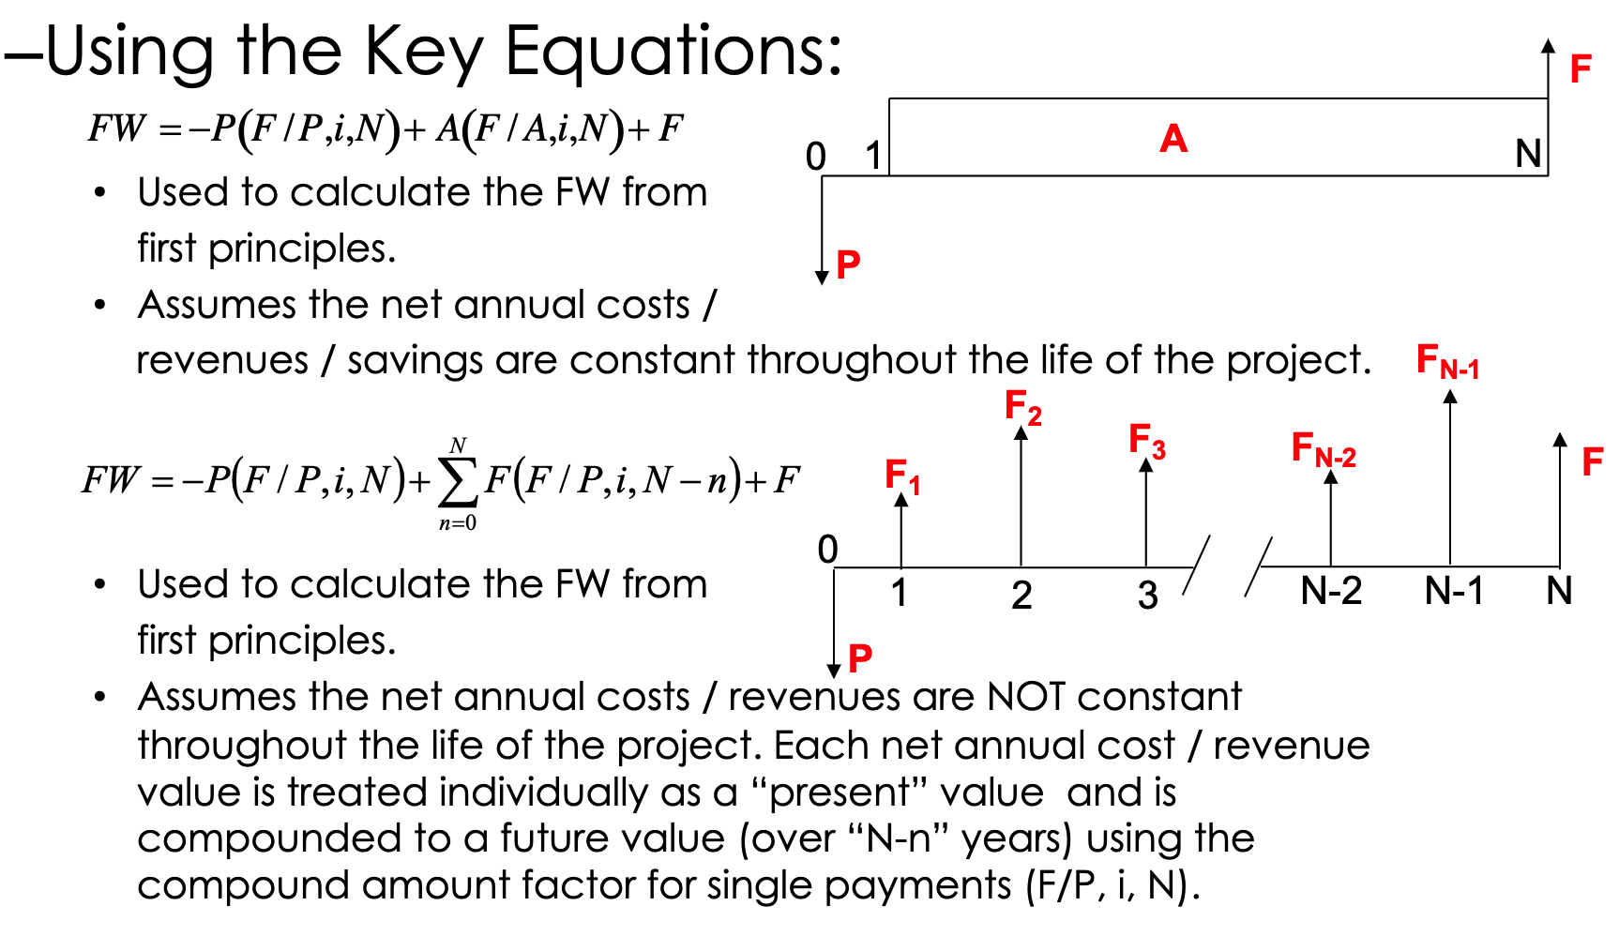

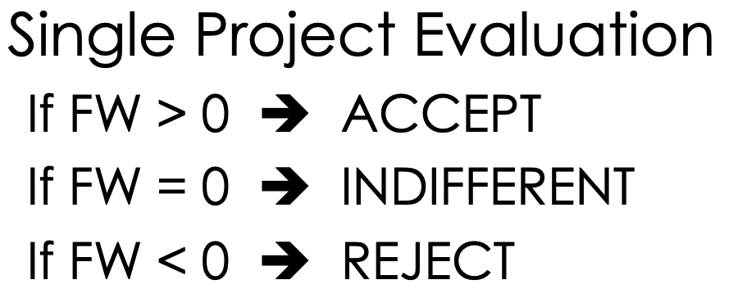
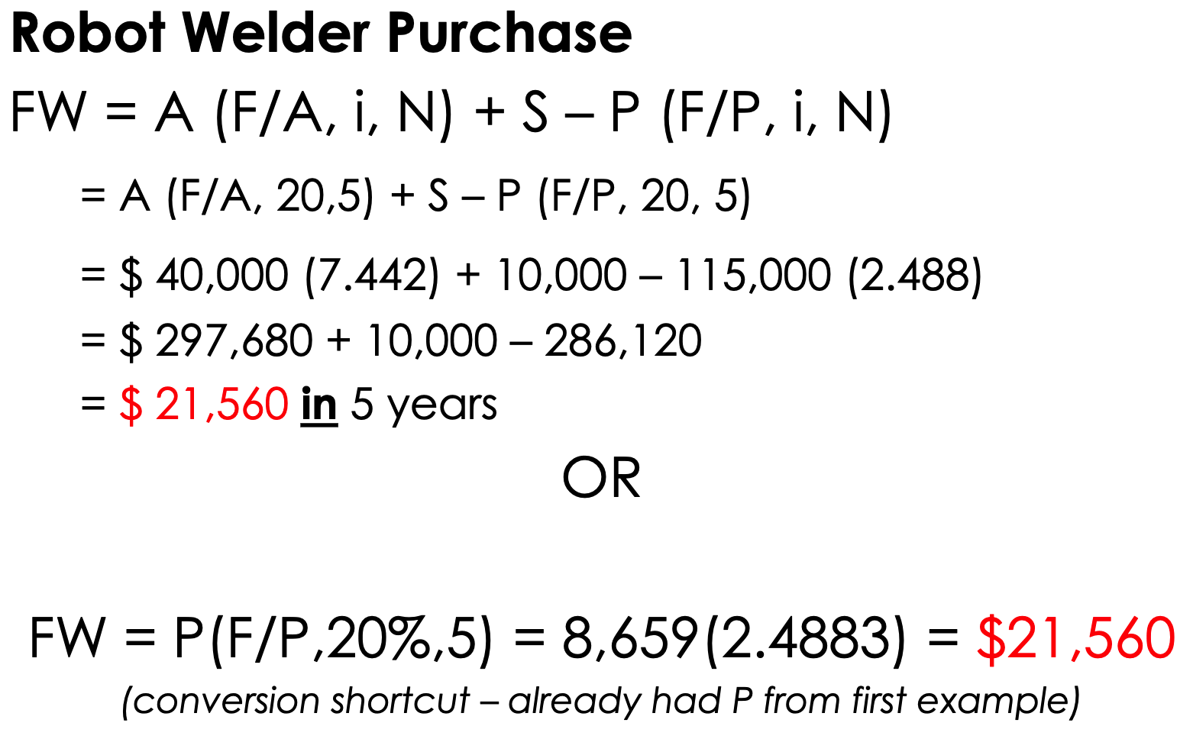

Summary of Worths

