MyBatis_Generator
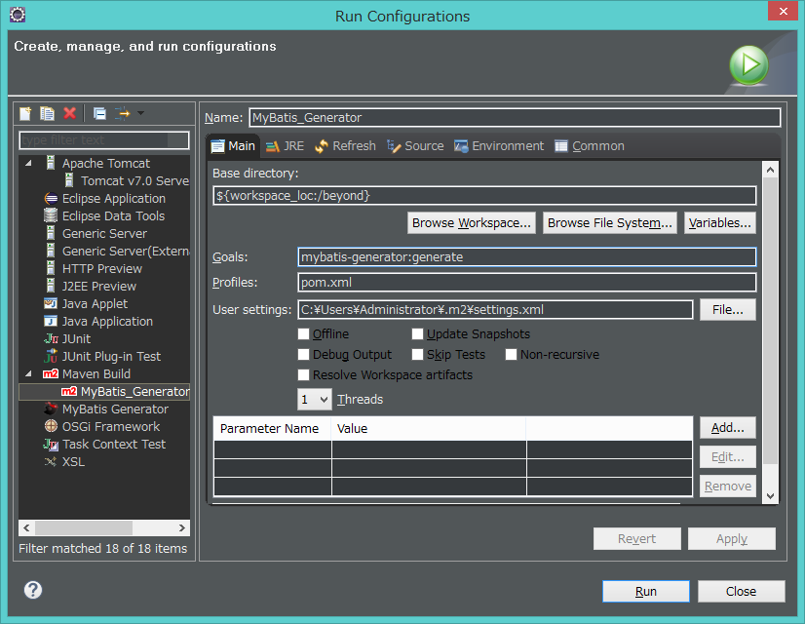

mybatis-generator:generate

