Pivot Table Workspace
Bano Qabil Module 2 — Pivot Tables & Charts

Total Revenue by Region
2.1 Region Revenue |  |  |  | 2.3 Salesperson Revenue
Region | Sum of Sales Amount (PKR) |  |  | Salesperson | Sales Amount (PKR)
Karachi | 3437870 |  |  | Sana Tariq | 1528440
Lahore | 3,274,590 |  |  | Usman Ali | 1513230
Rawalpindi | 2,171,000 |  |  | Ayesha Khan | 1373860
Faisalabad | 1,720,950 |  |  | Bilal Ahmed | 1329900
Islamabad | 1,342,420 |  |  | Hassan Raza | 1290770
Grand Total | 11,946,830 |  |  | Farah Siddiqui | 1228480
 |  |  |  | Omar Farooq | 1072110
 |  |  |  | Mehwish Iqbal | 932320
2.2 Region × Category Revenue |  |  |  | Zara Sheikh | 912130
Region | Category | Sales Amount (PKR) |  | Nabeel Shah | 765590
Faisalabad | Electronics | 1213750 |  | Grand Total | 11946830
Faisalabad | Home Appliances | 264520
Faisalabad | Clothing | 91600
Faisalabad | Footwear | 84770 |  | 2.4 Category Units Sold
Faisalabad | Groceries | 66310 |  | Category | Sum of Units Sold
Online Payments Trend: January to June 2026
Islamabad | Electronics | 868540 |  | Groceries | 357
Islamabad | Home Appliances | 284330 |  | Clothing | 332
Islamabad | Clothing | 74610 |  | Electronics | 234
Islamabad | Groceries | 60540 |  | Footwear | 212
Islamabad | Footwear | 54400 |  | Home Appliances | 168
Karachi | Electronics | 2142130 |  | Grand Total | 1303
Karachi | Home Appliances | 654360
Karachi | Clothing | 277740
Karachi | Groceries | 193710
2.5 Month × Payment Method — Count of Orders | Footwear | 169930
Month | Card | Cash | Online | Total
Jan | 51 | 96 | 14 | 161
Feb | 41 | 73 | 21 | 135
Mar | 66 | 89 | 34 | 189
Apr | 44 | 73 | 54 | 171
May | 35 | 65 | 56 | 156
Jun | 25 | 65 | 55 | 145
Rawalpindi | Clothing | 148500
Rawalpindi | Groceries | 109790
Rawalpindi | Footwear | 83290
2.6 Clothing + Footwear Monthly Revenue |  |  | 2.7 Groceries by Weekday
Month | Sales Amount (PKR) |  | Weekday | Sales Amount (PKR)
Jan | 224,090 |  | Monday | 87880
Feb | 187,620 |  | Tuesday | 79340
Mar | 326,250 |  | Wednesday | 55860
Apr | 271,570 |  | Thursday | 84490
May | 214,250 |  | Friday | 121530
Jun | 159,570 |  | Saturday | 124320
 |  |  | Sunday | 57710

Completed Insights
2.1 Highest region: Karachi. Lowest: Islamabad.
2.2 Karachi's strongest category by revenue: Electronics.
2.3 Top salesperson: Sana Tariq. Weakest: Nabeel Shah.
2.4 Most units: Groceries (357).
2.5 Online payments: Jan 14 → Jun 55.
2.6 Late March/early April shows elevated Clothing + Footwear sales; likely Eid shopping.
2.7 Saturday and Friday have the highest grocery sales values; weekends are mixed, not uniformly higher.

Sorting & Filtering SS
Sorting & Filtering — Required Evidence

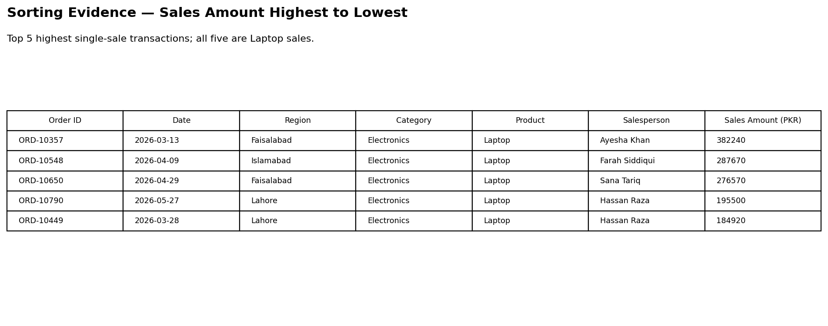
1.1 Sorted by Sales Amount (PKR), highest to lowest
Top 5 highest single-sale transactions
Order ID | Date | Region | Category | Product | Salesperson | Sales Amount (PKR)
ORD-10357 | 2026-03-13 | Faisalabad | Electronics | Laptop | Ayesha Khan | 382240
ORD-10548 | 2026-04-09 | Islamabad | Electronics | Laptop | Farah Siddiqui | 287670
ORD-10650 | 2026-04-29 | Faisalabad | Electronics | Laptop | Sana Tariq | 276570
ORD-10790 | 2026-05-27 | Lahore | Electronics | Laptop | Hassan Raza | 195500
ORD-10449 | 2026-03-28 | Lahore | Electronics | Laptop | Hassan Raza | 184920

1.2 Filtered: Region = Karachi AND Category = Electronics
Result: 51 transactions
First 15 matching rows shown below:
Order ID | Date | Region | Category | Product | Salesperson | Sales Amount (PKR)
ORD-10553 | 2026-04-10 | Karachi | Electronics | Air Fryer | Zara Sheikh | 11850
ORD-10747 | 2026-05-19 | Karachi | Electronics | Smartphone | Hassan Raza | 55990
ORD-10054 | 2026-01-11 | Karachi | Electronics | Smartphone | Omar Farooq | 54100
ORD-10468 | 2026-03-30 | Karachi | Electronics | LED TV 43" | Farah Siddiqui | 42640
ORD-10516 | 2026-04-04 | Karachi | Electronics | Air Fryer | Hassan Raza | 11730
ORD-10626 | 2026-04-24 | Karachi | Electronics | Bluetooth Speaker | Zara Sheikh | 3420
ORD-10926 | 2026-06-23 | Karachi | Electronics | Bluetooth Speaker | Nabeel Shah | 3580
ORD-10599 | 2026-04-19 | Karachi | Electronics | Bluetooth Speaker | Omar Farooq | 3500
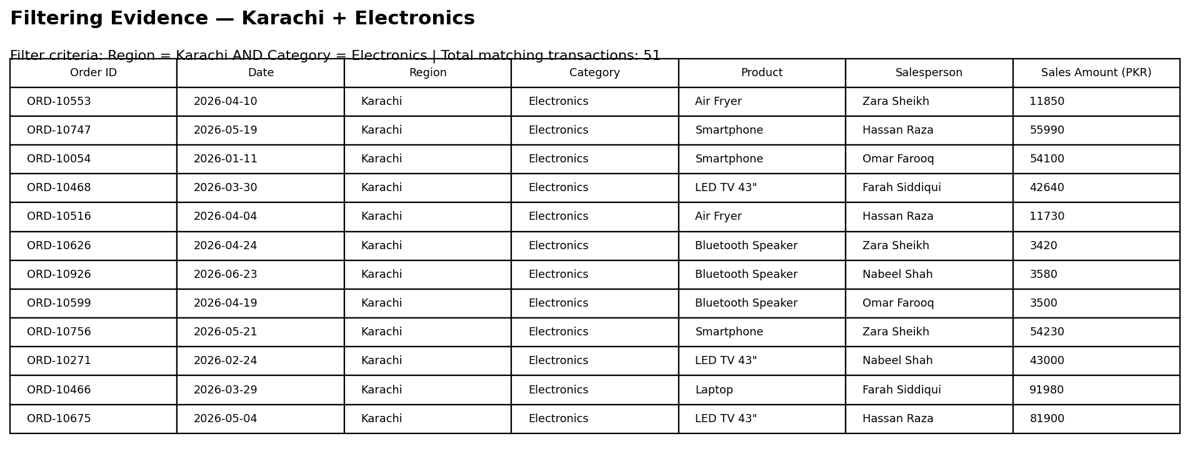
ORD-10756 | 2026-05-21 | Karachi | Electronics | Smartphone | Zara Sheikh | 54230
ORD-10271 | 2026-02-24 | Karachi | Electronics | LED TV 43" | Nabeel Shah | 43000
ORD-10466 | 2026-03-29 | Karachi | Electronics | Laptop | Farah Siddiqui | 91980
ORD-10675 | 2026-05-04 | Karachi | Electronics | LED TV 43" | Hassan Raza | 81900
ORD-10460 | 2026-03-29 | Karachi | Electronics | Air Fryer | Omar Farooq | 11980
ORD-10696 | 2026-05-09 | Karachi | Electronics | Bluetooth Speaker | Usman Ali | 3470
ORD-10724 | 2026-05-15 | Karachi | Electronics | Bluetooth Speaker | Bilal Ahmed | 6760

