Motor 1
Motor 1: ____________________
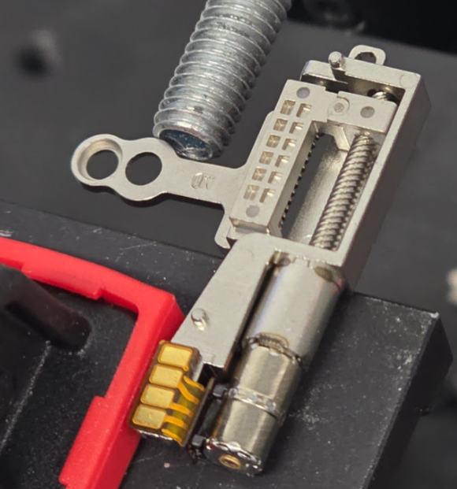
Constant Velocity Profile (set accel 0)

Speed VL (100 steps/s)
ID | Voltage | Thrust (g) | Driver Power (mW) | Actuator Power (mW) | Duration (ms) | Actuator Energy (mJ)
M1-CVL-3 | 3V
M1-CVL-4 | 4V
M1-CVL-5 | 5V
M1-CVL-6 | 6V

Speed L (500 steps/s)
ID | Voltage | Thrust (g) | Driver Power (mW) | Actuator Power (mW) | Duration (ms) | Actuator Energy (mJ)
M1-CL-3 | 3V
M1-CL-4 | 4V
M1-CL-5 | 5V
M1-CL-6 | 6V

Speed M (2000 steps/s)
ID | Voltage | Thrust (g) | Driver Power (mW) | Actuator Power (mW) | Duration (ms) | Actuator Energy (mJ)
M1-CM-3 | 3V
M1-CM-4 | 4V
M1-CM-5 | 5V
M1-CM-6 | 6V

Speed H (5000 steps/s)
ID | Voltage | Thrust (g) | Driver Power (mW) | Actuator Power (mW) | Duration (ms) | Actuator Energy (mJ)
M1-CH-3 | 3V
M1-CH-4 | 4V
M1-CH-5 | 5V
M1-CH-6 | 6V

Speed VH (10000 steps/s)
ID | Voltage | Thrust (g) | Driver Power (mW) | Actuator Power (mW) | Duration (ms) | Actuator Energy (mJ)
M1-CVH-3 | 3V
M1-CVH-4 | 4V
M1-CVH-5 | 5V
M1-CVH-6 | 6V

Trapezoidal Profile (set accel 2500)

Speed VL (100 steps/s)
ID | Voltage | Thrust (g) | Driver Power (mW) | Actuator Power (mW) | Duration (ms) | Actuator Energy (mJ)
M1-TVL-3 | 3V
M1-TVL-4 | 4V
M1-TVL-5 | 5V
M1-TVL-6 | 6V

Speed L (500 steps/s)
ID | Voltage | Thrust (g) | Driver Power (mW) | Actuator Power (mW) | Duration (ms) | Actuator Energy (mJ)
M1-TL-3 | 3V
M1-TL-4 | 4V
M1-TL-5 | 5V
M1-TL-6 | 6V

Speed M (2000 steps/s)
ID | Voltage | Thrust (g) | Driver Power (mW) | Actuator Power (mW) | Duration (ms) | Actuator Energy (mJ)
M1-TM-3 | 3V
M1-TM-4 | 4V
M1-TM-5 | 5V
M1-TM-6 | 6V

Speed H (5000 steps/s)
ID | Voltage | Thrust (g) | Driver Power (mW) | Actuator Power (mW) | Duration (ms) | Actuator Energy (mJ)
M1-TH-3 | 3V
M1-TH-4 | 4V
M1-TH-5 | 5V
M1-TH-6 | 6V

Speed VH (10000 steps/s)
ID | Voltage | Thrust (g) | Driver Power (mW) | Actuator Power (mW) | Duration (ms) | Actuator Energy (mJ)
M1-TVH-3 | 3V
M1-TVH-4 | 4V
M1-TVH-5 | 5V
M1-TVH-6 | 6V

S-Curve Profile (set accel 2500, set cubesteps 30)

Speed VL (100 steps/s)
ID | Voltage | Thrust (g) | Driver Power (mW) | Actuator Power (mW) | Duration (ms) | Actuator Energy (mJ)
M1-SVL-3 | 3V
M1-SVL-4 | 4V
M1-SVL-5 | 5V
M1-SVL-6 | 6V

Speed L (500 steps/s)
ID | Voltage | Thrust (g) | Driver Power (mW) | Actuator Power (mW) | Duration (ms) | Actuator Energy (mJ)
M1-SL-3 | 3V
M1-SL-4 | 4V
M1-SL-5 | 5V
M1-SL-6 | 6V

Speed M (2000 steps/s)
ID | Voltage | Thrust (g) | Driver Power (mW) | Actuator Power (mW) | Duration (ms) | Actuator Energy (mJ)
M1-SM-3 | 3V
M1-SM-4 | 4V
M1-SM-5 | 5V
M1-SM-6 | 6V

Speed H (5000 steps/s)
ID | Voltage | Thrust (g) | Driver Power (mW) | Actuator Power (mW) | Duration (ms) | Actuator Energy (mJ)
M1-SH-3 | 3V
M1-SH-4 | 4V
M1-SH-5 | 5V
M1-SH-6 | 6V

Speed VH (10000 steps/s)
ID | Voltage | Thrust (g) | Driver Power (mW) | Actuator Power (mW) | Duration (ms) | Actuator Energy (mJ)
M1-SVH-3 | 3V
M1-SVH-4 | 4V
M1-SVH-5 | 5V
M1-SVH-6 | 6V

Backdrive Test

ID | Motor State | Backdrive Force (g) | Notes
M1-BD-OFF | Disabled
M1-BD-ON | Enabled (holding)

Motor 1 Summary

Motor Model
Weight | ~4g
Idle Power (5V) | ___ mW
Max Thrust (best) | ___ g
Backdrive Force (disabled) | ___ g
Best Profile
Optimal Voltage
Optimal Speed

Motor 2
Motor 2: ____________________
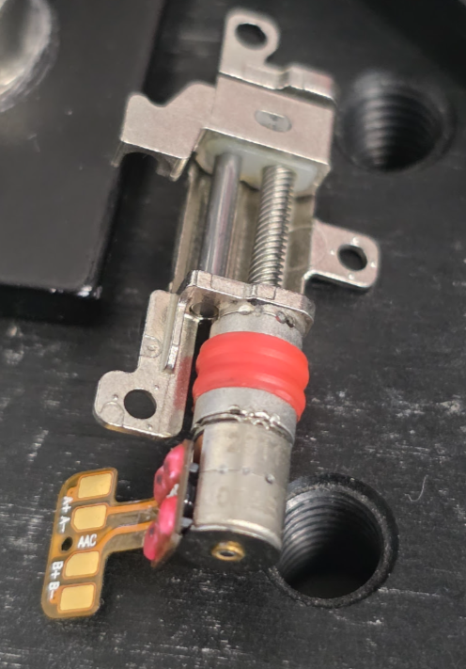
Constant Velocity Profile (set accel 0)

Speed VL (100 steps/s)
ID | Voltage | Thrust (g) | Driver Power (mW) | Actuator Power (mW) | Duration (ms) | Actuator Energy (mJ)
M2-CVL-3 | 3V
M2-CVL-4 | 4V
M2-CVL-5 | 5V
M2-CVL-6 | 6V

Speed L (500 steps/s)
ID | Voltage | Thrust (g) | Driver Power (mW) | Actuator Power (mW) | Duration (ms) | Actuator Energy (mJ)
M2-CL-3 | 3V
M2-CL-4 | 4V
M2-CL-5 | 5V
M2-CL-6 | 6V

Speed M (2000 steps/s)
ID | Voltage | Thrust (g) | Driver Power (mW) | Actuator Power (mW) | Duration (ms) | Actuator Energy (mJ)
M2-CM-3 | 3V
M2-CM-4 | 4V
M2-CM-5 | 5V
M2-CM-6 | 6V

Speed H (5000 steps/s)
ID | Voltage | Thrust (g) | Driver Power (mW) | Actuator Power (mW) | Duration (ms) | Actuator Energy (mJ)
M2-CH-3 | 3V
M2-CH-4 | 4V
M2-CH-5 | 5V
M2-CH-6 | 6V

Speed VH (10000 steps/s)
ID | Voltage | Thrust (g) | Driver Power (mW) | Actuator Power (mW) | Duration (ms) | Actuator Energy (mJ)
M2-CVH-3 | 3V
M2-CVH-4 | 4V
M2-CVH-5 | 5V
M2-CVH-6 | 6V

Trapezoidal Profile (set accel 2500)

Speed VL (100 steps/s)
ID | Voltage | Thrust (g) | Driver Power (mW) | Actuator Power (mW) | Duration (ms) | Actuator Energy (mJ)
M2-TVL-3 | 3V
M2-TVL-4 | 4V
M2-TVL-5 | 5V
M2-TVL-6 | 6V

Speed L (500 steps/s)
ID | Voltage | Thrust (g) | Driver Power (mW) | Actuator Power (mW) | Duration (ms) | Actuator Energy (mJ)
M2-TL-3 | 3V
M2-TL-4 | 4V
M2-TL-5 | 5V
M2-TL-6 | 6V

Speed M (2000 steps/s)
ID | Voltage | Thrust (g) | Driver Power (mW) | Actuator Power (mW) | Duration (ms) | Actuator Energy (mJ)
M2-TM-3 | 3V
M2-TM-4 | 4V
M2-TM-5 | 5V
M2-TM-6 | 6V

Speed H (5000 steps/s)
ID | Voltage | Thrust (g) | Driver Power (mW) | Actuator Power (mW) | Duration (ms) | Actuator Energy (mJ)
M2-TH-3 | 3V
M2-TH-4 | 4V
M2-TH-5 | 5V
M2-TH-6 | 6V

Speed VH (10000 steps/s)
ID | Voltage | Thrust (g) | Driver Power (mW) | Actuator Power (mW) | Duration (ms) | Actuator Energy (mJ)
M2-TVH-3 | 3V
M2-TVH-4 | 4V
M2-TVH-5 | 5V
M2-TVH-6 | 6V

S-Curve Profile (set accel 2500, set cubesteps 30)

Speed VL (100 steps/s)
ID | Voltage | Thrust (g) | Driver Power (mW) | Actuator Power (mW) | Duration (ms) | Actuator Energy (mJ)
M2-SVL-3 | 3V
M2-SVL-4 | 4V
M2-SVL-5 | 5V
M2-SVL-6 | 6V

Speed L (500 steps/s)
ID | Voltage | Thrust (g) | Driver Power (mW) | Actuator Power (mW) | Duration (ms) | Actuator Energy (mJ)
M2-SL-3 | 3V
M2-SL-4 | 4V
M2-SL-5 | 5V
M2-SL-6 | 6V

Speed M (2000 steps/s)
ID | Voltage | Thrust (g) | Driver Power (mW) | Actuator Power (mW) | Duration (ms) | Actuator Energy (mJ)
M2-SM-3 | 3V
M2-SM-4 | 4V
M2-SM-5 | 5V
M2-SM-6 | 6V

Speed H (5000 steps/s)
ID | Voltage | Thrust (g) | Driver Power (mW) | Actuator Power (mW) | Duration (ms) | Actuator Energy (mJ)
M2-SH-3 | 3V
M2-SH-4 | 4V
M2-SH-5 | 5V
M2-SH-6 | 6V

Speed VH (10000 steps/s)
ID | Voltage | Thrust (g) | Driver Power (mW) | Actuator Power (mW) | Duration (ms) | Actuator Energy (mJ)
M2-SVH-3 | 3V
M2-SVH-4 | 4V
M2-SVH-5 | 5V
M2-SVH-6 | 6V

Backdrive Test

ID | Motor State | Backdrive Force (g) | Notes
M2-BD-OFF | Disabled
M2-BD-ON | Enabled (holding)

Motor 2 Summary

Motor Model
Weight | ~4g
Idle Power (5V) | ___ mW
Max Thrust (best) | ___ g
Backdrive Force (disabled) | ___ g
Best Profile
Optimal Voltage
Optimal Speed

Motor 11A
Motor 3: ____________________
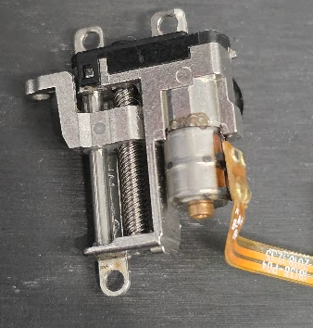
Constant Velocity Profile (set accel 0)

Speed VL (100 steps/s)
ID | Voltage | Thrust (g) | Driver Power (mW) | Actuator Power (mW) | Duration (ms) | Actuator Energy (mJ)
M3-CVL-3 | 3V
M3-CVL-4 | 4V
M3-CVL-5 | 5V
M3-CVL-6 | 6V

Speed L (500 steps/s)
ID | Voltage | Thrust (g) | Driver Power (mW) | Actuator Power (mW) | Duration (ms) | Actuator Energy (mJ)
M3-CL-3 | 3V
M3-CL-4 | 4V
M3-CL-5 | 5V
M3-CL-6 | 6V

Speed M (2000 steps/s)
ID | Voltage | Thrust (g) | Driver Power (mW) | Actuator Power (mW) | Duration (ms) | Actuator Energy (mJ)
M3-CM-3 | 3V
M3-CM-4 | 4V
M3-CM-5 | 5V
M3-CM-6 | 6V

Speed H (5000 steps/s)
ID | Voltage | Thrust (g) | Driver Power (mW) | Actuator Power (mW) | Duration (ms) | Actuator Energy (mJ)
M3-CH-3 | 3V
M3-CH-4 | 4V
M3-CH-5 | 5V
M3-CH-6 | 6V

Speed VH (10000 steps/s)
ID | Voltage | Thrust (g) | Driver Power (mW) | Actuator Power (mW) | Duration (ms) | Actuator Energy (mJ)
M3-CVH-3 | 3V
M3-CVH-4 | 4V
M3-CVH-5 | 5V
M3-CVH-6 | 6V

Trapezoidal Profile (set accel 2500)

Speed VL (100 steps/s)
ID | Voltage | Thrust (g) | Driver Power (mW) | Actuator Power (mW) | Duration (ms) | Actuator Energy (mJ)
M3-TVL-3 | 3V
M3-TVL-4 | 4V
M3-TVL-5 | 5V
M3-TVL-6 | 6V

Speed L (500 steps/s)
ID | Voltage | Thrust (g) | Driver Power (mW) | Actuator Power (mW) | Duration (ms) | Actuator Energy (mJ)
M3-TL-3 | 3V
M3-TL-4 | 4V
M3-TL-5 | 5V
M3-TL-6 | 6V

Speed M (2000 steps/s)
ID | Voltage | Thrust (g) | Driver Power (mW) | Actuator Power (mW) | Duration (ms) | Actuator Energy (mJ)
M3-TM-3 | 3V
M3-TM-4 | 4V
M3-TM-5 | 5V
M3-TM-6 | 6V

Speed H (5000 steps/s)
ID | Voltage | Thrust (g) | Driver Power (mW) | Actuator Power (mW) | Duration (ms) | Actuator Energy (mJ)
M3-TH-3 | 3V
M3-TH-4 | 4V
M3-TH-5 | 5V
M3-TH-6 | 6V

Speed VH (10000 steps/s)
ID | Voltage | Thrust (g) | Driver Power (mW) | Actuator Power (mW) | Duration (ms) | Actuator Energy (mJ)
M3-TVH-3 | 3V
M3-TVH-4 | 4V
M3-TVH-5 | 5V
M3-TVH-6 | 6V

S-Curve Profile (set accel 2500, set cubesteps 30)

Speed VL (100 steps/s)
ID | Voltage | Thrust (g) | Driver Power (mW) | Actuator Power (mW) | Duration (ms) | Actuator Energy (mJ)
M3-SVL-3 | 3V
M3-SVL-4 | 4V
M3-SVL-5 | 5V
M3-SVL-6 | 6V

Speed L (500 steps/s)
ID | Voltage | Thrust (g) | Driver Power (mW) | Actuator Power (mW) | Duration (ms) | Actuator Energy (mJ)
M3-SL-3 | 3V
M3-SL-4 | 4V
M3-SL-5 | 5V
M3-SL-6 | 6V

Speed M (2000 steps/s)
ID | Voltage | Thrust (g) | Driver Power (mW) | Actuator Power (mW) | Duration (ms) | Actuator Energy (mJ)
M3-SM-3 | 3V
M3-SM-4 | 4V
M3-SM-5 | 5V
M3-SM-6 | 6V

Speed H (5000 steps/s)
ID | Voltage | Thrust (g) | Driver Power (mW) | Actuator Power (mW) | Duration (ms) | Actuator Energy (mJ)
M3-SH-3 | 3V
M3-SH-4 | 4V
M3-SH-5 | 5V
M3-SH-6 | 6V

Speed VH (10000 steps/s)
ID | Voltage | Thrust (g) | Driver Power (mW) | Actuator Power (mW) | Duration (ms) | Actuator Energy (mJ)
M3-SVH-3 | 3V
M3-SVH-4 | 4V
M3-SVH-5 | 5V
M3-SVH-6 | 6V

Backdrive Test

ID | Motor State | Backdrive Force (g) | Notes
M3-BD-OFF | Disabled
M3-BD-ON | Enabled (holding)

Motor 3 Summary

Motor Model
Weight | ~4g
Idle Power (5V) | ___ mW
Max Thrust (best) | ___ g
Backdrive Force (disabled) | ___ g
Best Profile
Optimal Voltage
Optimal Speed

Motor 8
Motor 3: ____________________
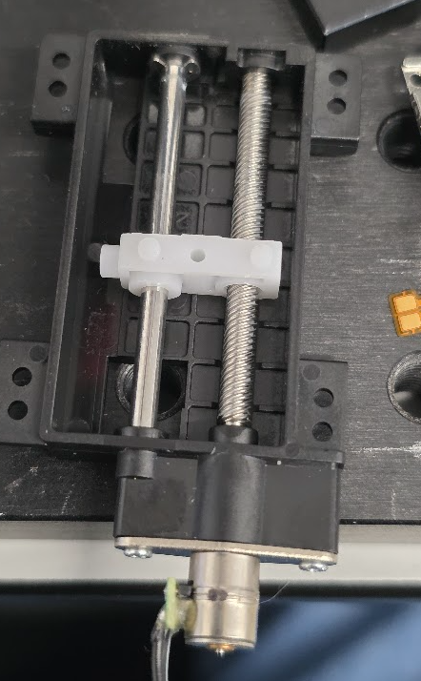
Constant Velocity Profile (set accel 0)

Speed VL (100 steps/s)
ID | Voltage | Thrust (g) | Driver Power (mW) | Actuator Power (mW) | Duration (ms) | Actuator Energy (mJ)
M3-CVL-3 | 3V
M3-CVL-4 | 4V
M3-CVL-5 | 5V
M3-CVL-6 | 6V

Speed L (500 steps/s)
ID | Voltage | Thrust (g) | Driver Power (mW) | Actuator Power (mW) | Duration (ms) | Actuator Energy (mJ)
M3-CL-3 | 3V
M3-CL-4 | 4V
M3-CL-5 | 5V
M3-CL-6 | 6V

Speed M (2000 steps/s)
ID | Voltage | Thrust (g) | Driver Power (mW) | Actuator Power (mW) | Duration (ms) | Actuator Energy (mJ)
M3-CM-3 | 3V
M3-CM-4 | 4V
M3-CM-5 | 5V
M3-CM-6 | 6V

Speed H (5000 steps/s)
ID | Voltage | Thrust (g) | Driver Power (mW) | Actuator Power (mW) | Duration (ms) | Actuator Energy (mJ)
M3-CH-3 | 3V
M3-CH-4 | 4V
M3-CH-5 | 5V
M3-CH-6 | 6V

Speed VH (10000 steps/s)
ID | Voltage | Thrust (g) | Driver Power (mW) | Actuator Power (mW) | Duration (ms) | Actuator Energy (mJ)
M3-CVH-3 | 3V
M3-CVH-4 | 4V
M3-CVH-5 | 5V
M3-CVH-6 | 6V

Trapezoidal Profile (set accel 2500)

Speed VL (100 steps/s)
ID | Voltage | Thrust (g) | Driver Power (mW) | Actuator Power (mW) | Duration (ms) | Actuator Energy (mJ)
M3-TVL-3 | 3V
M3-TVL-4 | 4V
M3-TVL-5 | 5V
M3-TVL-6 | 6V

Speed L (500 steps/s)
ID | Voltage | Thrust (g) | Driver Power (mW) | Actuator Power (mW) | Duration (ms) | Actuator Energy (mJ)
M3-TL-3 | 3V
M3-TL-4 | 4V
M3-TL-5 | 5V
M3-TL-6 | 6V

Speed M (2000 steps/s)
ID | Voltage | Thrust (g) | Driver Power (mW) | Actuator Power (mW) | Duration (ms) | Actuator Energy (mJ)
M3-TM-3 | 3V
M3-TM-4 | 4V
M3-TM-5 | 5V
M3-TM-6 | 6V

Speed H (5000 steps/s)
ID | Voltage | Thrust (g) | Driver Power (mW) | Actuator Power (mW) | Duration (ms) | Actuator Energy (mJ)
M3-TH-3 | 3V
M3-TH-4 | 4V
M3-TH-5 | 5V
M3-TH-6 | 6V

Speed VH (10000 steps/s)
ID | Voltage | Thrust (g) | Driver Power (mW) | Actuator Power (mW) | Duration (ms) | Actuator Energy (mJ)
M3-TVH-3 | 3V
M3-TVH-4 | 4V
M3-TVH-5 | 5V
M3-TVH-6 | 6V

S-Curve Profile (set accel 2500, set cubesteps 30)

Speed VL (100 steps/s)
ID | Voltage | Thrust (g) | Driver Power (mW) | Actuator Power (mW) | Duration (ms) | Actuator Energy (mJ)
M3-SVL-3 | 3V
M3-SVL-4 | 4V
M3-SVL-5 | 5V
M3-SVL-6 | 6V

Speed L (500 steps/s)
ID | Voltage | Thrust (g) | Driver Power (mW) | Actuator Power (mW) | Duration (ms) | Actuator Energy (mJ)
M3-SL-3 | 3V
M3-SL-4 | 4V
M3-SL-5 | 5V
M3-SL-6 | 6V

Speed M (2000 steps/s)
ID | Voltage | Thrust (g) | Driver Power (mW) | Actuator Power (mW) | Duration (ms) | Actuator Energy (mJ)
M3-SM-3 | 3V
M3-SM-4 | 4V
M3-SM-5 | 5V
M3-SM-6 | 6V

Speed H (5000 steps/s)
ID | Voltage | Thrust (g) | Driver Power (mW) | Actuator Power (mW) | Duration (ms) | Actuator Energy (mJ)
M3-SH-3 | 3V
M3-SH-4 | 4V
M3-SH-5 | 5V
M3-SH-6 | 6V

Speed VH (10000 steps/s)
ID | Voltage | Thrust (g) | Driver Power (mW) | Actuator Power (mW) | Duration (ms) | Actuator Energy (mJ)
M3-SVH-3 | 3V
M3-SVH-4 | 4V
M3-SVH-5 | 5V
M3-SVH-6 | 6V

Backdrive Test

ID | Motor State | Backdrive Force (g) | Notes
M3-BD-OFF | Disabled
M3-BD-ON | Enabled (holding)

Motor 3 Summary

Motor Model
Weight | ~4g
Idle Power (5V) | ___ mW
Max Thrust (best) | ___ g
Backdrive Force (disabled) | ___ g
Best Profile
Optimal Voltage
Optimal Speed

Motor 10
Motor 3: ____________________
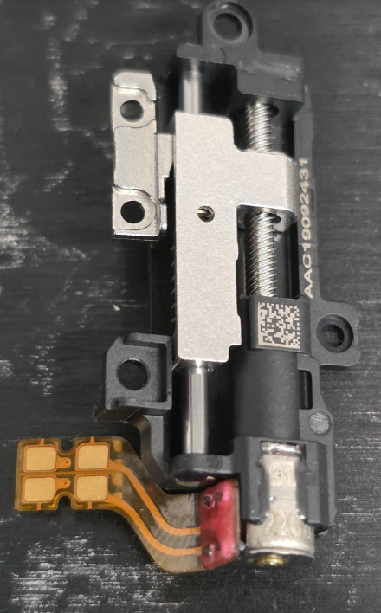
Constant Velocity Profile (set accel 0)

Speed VL (100 steps/s)
ID | Voltage | Thrust (g) | Driver Power (mW) | Actuator Power (mW) | Duration (ms) | Actuator Energy (mJ)
M3-CVL-3 | 3V
M3-CVL-4 | 4V
M3-CVL-5 | 5V
M3-CVL-6 | 6V

Speed L (500 steps/s)
ID | Voltage | Thrust (g) | Driver Power (mW) | Actuator Power (mW) | Duration (ms) | Actuator Energy (mJ)
M3-CL-3 | 3V
M3-CL-4 | 4V
M3-CL-5 | 5V
M3-CL-6 | 6V

Speed M (2000 steps/s)
ID | Voltage | Thrust (g) | Driver Power (mW) | Actuator Power (mW) | Duration (ms) | Actuator Energy (mJ)
M3-CM-3 | 3V
M3-CM-4 | 4V
M3-CM-5 | 5V
M3-CM-6 | 6V

Speed H (5000 steps/s)
ID | Voltage | Thrust (g) | Driver Power (mW) | Actuator Power (mW) | Duration (ms) | Actuator Energy (mJ)
M3-CH-3 | 3V
M3-CH-4 | 4V
M3-CH-5 | 5V
M3-CH-6 | 6V

Speed VH (10000 steps/s)
ID | Voltage | Thrust (g) | Driver Power (mW) | Actuator Power (mW) | Duration (ms) | Actuator Energy (mJ)
M3-CVH-3 | 3V
M3-CVH-4 | 4V
M3-CVH-5 | 5V
M3-CVH-6 | 6V

Trapezoidal Profile (set accel 2500)

Speed VL (100 steps/s)
ID | Voltage | Thrust (g) | Driver Power (mW) | Actuator Power (mW) | Duration (ms) | Actuator Energy (mJ)
M3-TVL-3 | 3V
M3-TVL-4 | 4V
M3-TVL-5 | 5V
M3-TVL-6 | 6V

Speed L (500 steps/s)
ID | Voltage | Thrust (g) | Driver Power (mW) | Actuator Power (mW) | Duration (ms) | Actuator Energy (mJ)
M3-TL-3 | 3V
M3-TL-4 | 4V
M3-TL-5 | 5V
M3-TL-6 | 6V

Speed M (2000 steps/s)
ID | Voltage | Thrust (g) | Driver Power (mW) | Actuator Power (mW) | Duration (ms) | Actuator Energy (mJ)
M3-TM-3 | 3V
M3-TM-4 | 4V
M3-TM-5 | 5V
M3-TM-6 | 6V

Speed H (5000 steps/s)
ID | Voltage | Thrust (g) | Driver Power (mW) | Actuator Power (mW) | Duration (ms) | Actuator Energy (mJ)
M3-TH-3 | 3V
M3-TH-4 | 4V
M3-TH-5 | 5V
M3-TH-6 | 6V

Speed VH (10000 steps/s)
ID | Voltage | Thrust (g) | Driver Power (mW) | Actuator Power (mW) | Duration (ms) | Actuator Energy (mJ)
M3-TVH-3 | 3V
M3-TVH-4 | 4V
M3-TVH-5 | 5V
M3-TVH-6 | 6V

S-Curve Profile (set accel 2500, set cubesteps 30)

Speed VL (100 steps/s)
ID | Voltage | Thrust (g) | Driver Power (mW) | Actuator Power (mW) | Duration (ms) | Actuator Energy (mJ)
M3-SVL-3 | 3V
M3-SVL-4 | 4V
M3-SVL-5 | 5V
M3-SVL-6 | 6V

Speed L (500 steps/s)
ID | Voltage | Thrust (g) | Driver Power (mW) | Actuator Power (mW) | Duration (ms) | Actuator Energy (mJ)
M3-SL-3 | 3V
M3-SL-4 | 4V
M3-SL-5 | 5V
M3-SL-6 | 6V

Speed M (2000 steps/s)
ID | Voltage | Thrust (g) | Driver Power (mW) | Actuator Power (mW) | Duration (ms) | Actuator Energy (mJ)
M3-SM-3 | 3V
M3-SM-4 | 4V
M3-SM-5 | 5V
M3-SM-6 | 6V

Speed H (5000 steps/s)
ID | Voltage | Thrust (g) | Driver Power (mW) | Actuator Power (mW) | Duration (ms) | Actuator Energy (mJ)
M3-SH-3 | 3V
M3-SH-4 | 4V
M3-SH-5 | 5V
M3-SH-6 | 6V

Speed VH (10000 steps/s)
ID | Voltage | Thrust (g) | Driver Power (mW) | Actuator Power (mW) | Duration (ms) | Actuator Energy (mJ)
M3-SVH-3 | 3V
M3-SVH-4 | 4V
M3-SVH-5 | 5V
M3-SVH-6 | 6V

Backdrive Test

ID | Motor State | Backdrive Force (g) | Notes
M3-BD-OFF | Disabled
M3-BD-ON | Enabled (holding)

Motor 3 Summary

Motor Model
Weight | ~4g
Idle Power (5V) | ___ mW
Max Thrust (best) | ___ g
Backdrive Force (disabled) | ___ g
Best Profile
Optimal Voltage
Optimal Speed

Motor 11D
Motor 3: ____________________
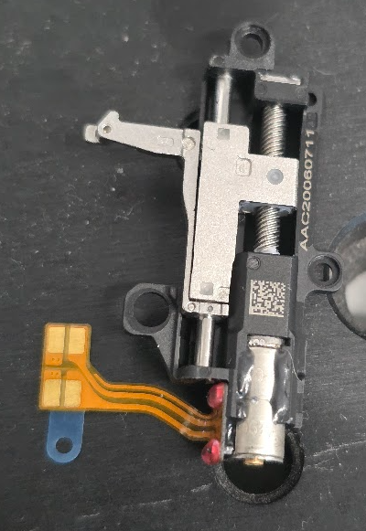
Constant Velocity Profile (set accel 0)

Speed VL (100 steps/s)
ID | Voltage | Thrust (g) | Driver Power (mW) | Actuator Power (mW) | Duration (ms) | Actuator Energy (mJ)
M3-CVL-3 | 3V
M3-CVL-4 | 4V
M3-CVL-5 | 5V
M3-CVL-6 | 6V

Speed L (500 steps/s)
ID | Voltage | Thrust (g) | Driver Power (mW) | Actuator Power (mW) | Duration (ms) | Actuator Energy (mJ)
M3-CL-3 | 3V
M3-CL-4 | 4V
M3-CL-5 | 5V
M3-CL-6 | 6V

Speed M (2000 steps/s)
ID | Voltage | Thrust (g) | Driver Power (mW) | Actuator Power (mW) | Duration (ms) | Actuator Energy (mJ)
M3-CM-3 | 3V
M3-CM-4 | 4V
M3-CM-5 | 5V
M3-CM-6 | 6V

Speed H (5000 steps/s)
ID | Voltage | Thrust (g) | Driver Power (mW) | Actuator Power (mW) | Duration (ms) | Actuator Energy (mJ)
M3-CH-3 | 3V
M3-CH-4 | 4V
M3-CH-5 | 5V
M3-CH-6 | 6V

Speed VH (10000 steps/s)
ID | Voltage | Thrust (g) | Driver Power (mW) | Actuator Power (mW) | Duration (ms) | Actuator Energy (mJ)
M3-CVH-3 | 3V
M3-CVH-4 | 4V
M3-CVH-5 | 5V
M3-CVH-6 | 6V

Trapezoidal Profile (set accel 2500)

Speed VL (100 steps/s)
ID | Voltage | Thrust (g) | Driver Power (mW) | Actuator Power (mW) | Duration (ms) | Actuator Energy (mJ)
M3-TVL-3 | 3V
M3-TVL-4 | 4V
M3-TVL-5 | 5V
M3-TVL-6 | 6V

Speed L (500 steps/s)
ID | Voltage | Thrust (g) | Driver Power (mW) | Actuator Power (mW) | Duration (ms) | Actuator Energy (mJ)
M3-TL-3 | 3V
M3-TL-4 | 4V
M3-TL-5 | 5V
M3-TL-6 | 6V

Speed M (2000 steps/s)
ID | Voltage | Thrust (g) | Driver Power (mW) | Actuator Power (mW) | Duration (ms) | Actuator Energy (mJ)
M3-TM-3 | 3V
M3-TM-4 | 4V
M3-TM-5 | 5V
M3-TM-6 | 6V

Speed H (5000 steps/s)
ID | Voltage | Thrust (g) | Driver Power (mW) | Actuator Power (mW) | Duration (ms) | Actuator Energy (mJ)
M3-TH-3 | 3V
M3-TH-4 | 4V
M3-TH-5 | 5V
M3-TH-6 | 6V

Speed VH (10000 steps/s)
ID | Voltage | Thrust (g) | Driver Power (mW) | Actuator Power (mW) | Duration (ms) | Actuator Energy (mJ)
M3-TVH-3 | 3V
M3-TVH-4 | 4V
M3-TVH-5 | 5V
M3-TVH-6 | 6V

S-Curve Profile (set accel 2500, set cubesteps 30)

Speed VL (100 steps/s)
ID | Voltage | Thrust (g) | Driver Power (mW) | Actuator Power (mW) | Duration (ms) | Actuator Energy (mJ)
M3-SVL-3 | 3V
M3-SVL-4 | 4V
M3-SVL-5 | 5V
M3-SVL-6 | 6V

Speed L (500 steps/s)
ID | Voltage | Thrust (g) | Driver Power (mW) | Actuator Power (mW) | Duration (ms) | Actuator Energy (mJ)
M3-SL-3 | 3V
M3-SL-4 | 4V
M3-SL-5 | 5V
M3-SL-6 | 6V

Speed M (2000 steps/s)
ID | Voltage | Thrust (g) | Driver Power (mW) | Actuator Power (mW) | Duration (ms) | Actuator Energy (mJ)
M3-SM-3 | 3V
M3-SM-4 | 4V
M3-SM-5 | 5V
M3-SM-6 | 6V

Speed H (5000 steps/s)
ID | Voltage | Thrust (g) | Driver Power (mW) | Actuator Power (mW) | Duration (ms) | Actuator Energy (mJ)
M3-SH-3 | 3V
M3-SH-4 | 4V
M3-SH-5 | 5V
M3-SH-6 | 6V

Speed VH (10000 steps/s)
ID | Voltage | Thrust (g) | Driver Power (mW) | Actuator Power (mW) | Duration (ms) | Actuator Energy (mJ)
M3-SVH-3 | 3V
M3-SVH-4 | 4V
M3-SVH-5 | 5V
M3-SVH-6 | 6V

Backdrive Test

ID | Motor State | Backdrive Force (g) | Notes
M3-BD-OFF | Disabled
M3-BD-ON | Enabled (holding)

Motor 3 Summary

Motor Model
Weight | ~4g
Idle Power (5V) | ___ mW
Max Thrust (best) | ___ g
Backdrive Force (disabled) | ___ g
Best Profile
Optimal Voltage
Optimal Speed

