SETUP
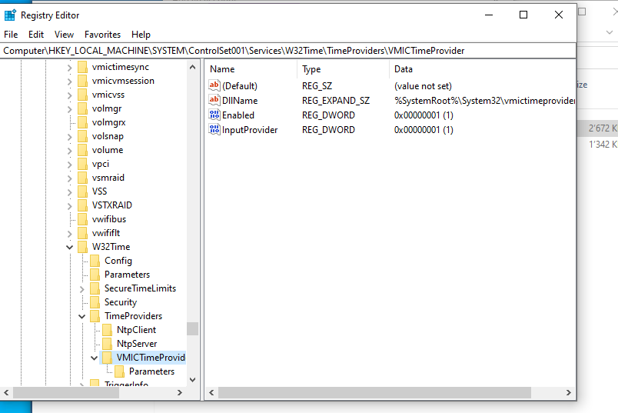
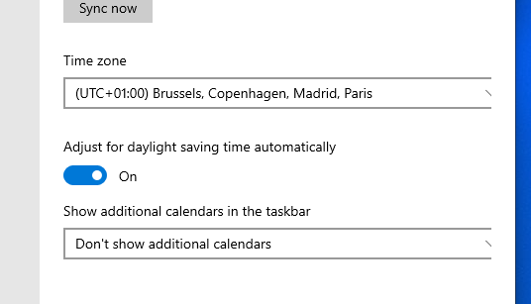
Time | Action | Note
8:57:00 | Installation Windows 10 |  | Windows 10 Pro
 | Changed wifi (HOST) | Not in a domain anymore | IamRaySearcher | Before:
9:15:00 | Changed timezone
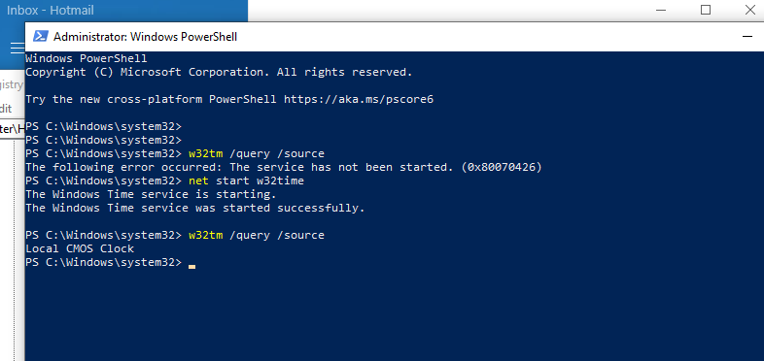
9:28:00 | Install Chrome |  | raysearcher978@gmail.com
9:28:00 | Change Chrome language settings |  | ray_searcher02@hotmail.com
9:32:00 | Install Adobe Reader
9:35:00 | Install Zotero
9:40:00 | Install LibreOffice
 | Install Outlook for Windows? | (or send one or two mails then switch)
9:44:00 | Check time sync in Regedit | 32768
9:49:00 | Check time sync in Powershell
9:50:00 | Connect Gmail Chrome
9:51:00 | Install VM tools
9:52:00 | Restart
9:56:00 | Reponed Chrome with Gmail | Automatically
9:57:00 | Check VM tools
9:59:00 | Shut down + change .vmx file
10:01:00 | Check VM tools
10:02:00 | Creation Research folder
10:02:00 | MeetingNotes
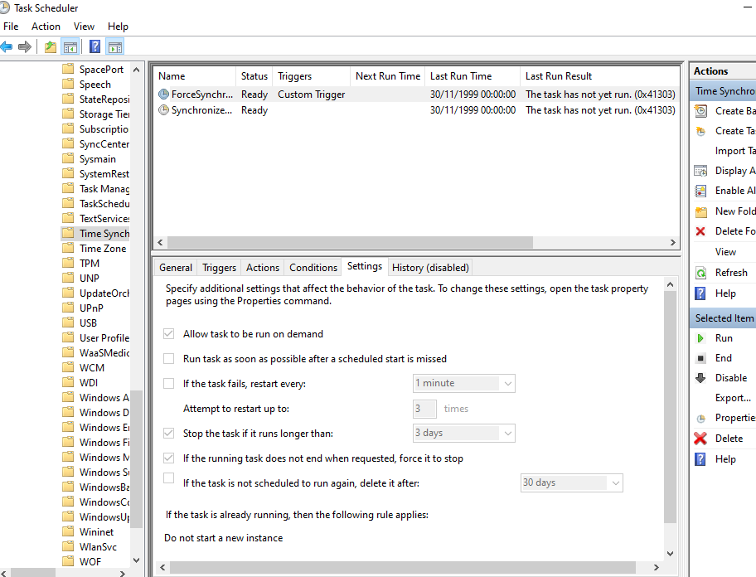
10:03:00 | Register Overleaf | Using google
10:03:00 | Create a template
10:06:00 | OneDrive Chrome
10:06:00 | Send an email
10:10:00 | Download template
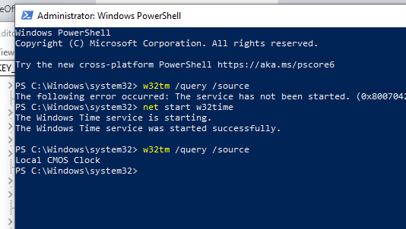
10:11:00 | Download Paper | renamed
10:16:00 | Recompile
10:16:00 | OneDrive create folder Chrome
10:16:00 | Received email with GIF
10:18:00 | Download Paper | Paper (1)
10:20:00 | Finish installing LibreOffice
10:20:00 | Download Zotero
10:21:00 | Create Libre office | Experiments.odt
10:23:00 | Snipping tool | Workflow > Research folder
10:23:00 | Resaved in JPEG
10:25:00 | Send an email | With attachment
10:26:00 | Send an email | JPEG in the body
10:26:00 | ACM CSUR
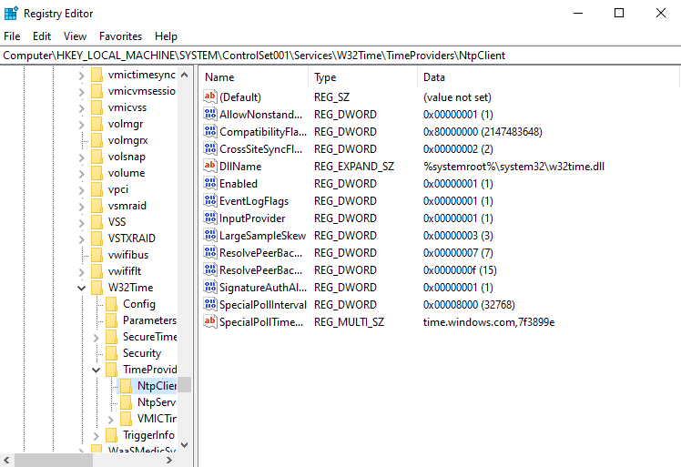
10:27:00 | Link with Zotero | Tackling climate change
10:28:00 | Export as PDF | OneDrive (Paper with Paige)
10:28:00 | Saved Experiments.odt
10:29:00 | Opened Gmail
10:30:00 | Shut down

