Light Bulb Machine Sale
On January​ 1, 2020​, Lincoln Light Bulb Manufacturing purchased a machine for $930,000. The company expected the machine to remain useful for eight years and to have a residual value of $110,000. Lincoln uses the​ straight-line method to depreciate its machinery. Lincoln used the machine for four years and sold it on January​ 1, 2024​,
for $250,000.
1. Compute accumulated depreciation on the machine at January​ 1, 2024
​(same as December​ 31, 2023​).
2. Record the sale of the machine on January​ 1, 2024.
3. Suppose Lincoln sells the machine for $600,000 instead of $250,000. Record the sale.
 |  | Part 1: Show Work Below |  | Part 2
 |  | Annual dep. | 102,500 | Accounts | Debit | Credit
 |  | x Years used | 4 | Cash | 250,000
 |  | Accum. dep. | 410,000 | Accumulated Depreciation - Machine | 410,000
 |  | Book value | 520,000 | Loss on Sale of Machine | 270,000
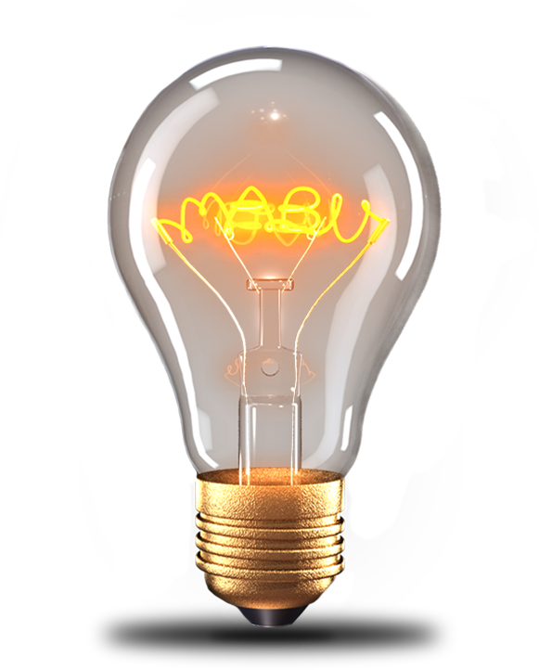
 |  |  |  | Machine |  | 930,000
 |  |  |  | Loss = book value $520,000 - cash $250,000
 |  |  |  | Totals (debits = credits) | 930,000 | 930,000
 |  |  |  | Part 3
 |  |  |  | Accounts | Debit | Credit
 |  |  |  | Cash | 600,000
 |  |  |  | Accumulated Depreciation - Machine | 410,000
 |  |  |  | Machine |  | 930,000
 |  |  |  | Gain on Sale of Machine |  | 80,000
Given (from problem) |  |  |  | Gain = cash $600,000 - book value $520,000
Machine cost | 930,000 |  |  | Totals (debits = credits) | 1,010,000 | 1,010,000
Residual value | 110,000
Useful life (years) | 8
Years used (1/1/2020-12/31/2023) | 4
Sale price - Part 2 | 250,000
Sale price - Part 3 | 600,000

Zipper Machine Sales
On January​ 1, 2020​, Zorro's Zippers purchased a machine for $520,000.
The company expected the machine to remain useful for six years and to have a residual value of $40,000. Zorro's uses the​ unit of production method to depreciate its machinery at a rate of 0.5 per unit of zipper production. The units for each year are shown below. Zorros used the machine for four years and sold it on January​ 1, 2024​, for $200,000.
1.Compute accumulated depreciation on the machine at January 1, 2024.
2. Record the sale of the machine on January​ 1, 2024.
3. Record the sale of the machine on January​ 1, 2024 if the sale is for $300,000 instead of for $200,000.
 |  |  |  |  |  | Part 2
 |  |  |  | Part 1: Show Work Below
 |  |  |  | Units 2020-2023 | 550,000 | Accounts | Debit | Credit
 |  |  |  | x Rate per unit | 0.50 | Cash | 200,000
 |  |  |  | Accum. dep. 1/1/2024 | 275,000 | Accumulated Depreciation - Machine | 275,000
 |  |  |  | Check: sum of yearly dep. | 275,000 | Loss on Sale of Machine | 45,000
 |  |  |  |  |  | Machine |  | 520,000
 |  |  |  | Machine cost | 520,000 | Totals (debits = credits) | 520,000 | 520,000
 |  |  |  | Less accum. dep. | (275,000)
 |  |  |  | Book value | 245,000
 |  |  |  |  |  | Part 3

 |  |  |  |  |  | Accounts | Debit | Credit
 |  |  |  |  |  | Cash | 300,000
Year | Zipper Units | Depreciation |  |  |  | Accumulated Depreciation - Machine | 275,000
2020 | 220000 | 110,000 | <- years used |  |  | Machine |  | 520,000
2021 | 55000 | 27,500 |  |  |  | Gain on Sale of Machine |  | 55,000
2022 | 220000 | 110,000 |  |  |  | Totals (debits = credits) | 575,000 | 575,000
2023 | 55000 | 27,500
2024 | 220000
2025 | 110000

Given (from problem)
Machine cost |  | 520,000
Residual value |  | 40,000
Rate per unit |  | 0.50
Sale price - Part 2 |  | 200,000
Sale price - Part 3 |  | 300,000

Sugar Machine Costs
Sugar Ridge Sugar Manufacturing bought three used machines in a $167,000
​lump-sum purchase. An independent appraiser valued the machines as​ shown:
What is each​ machine's individual​ cost?
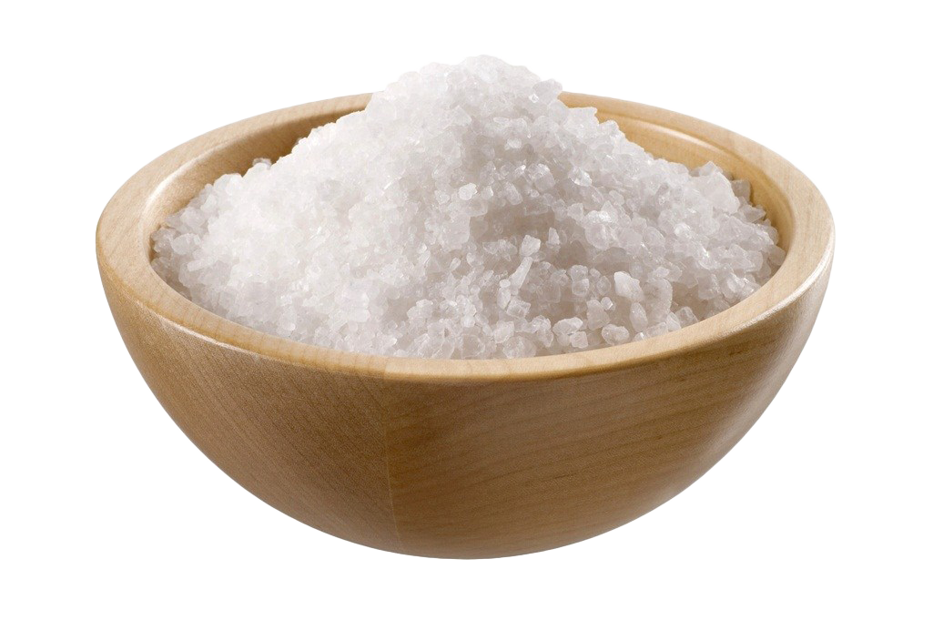

 |  | Machine 1's cost is: | $37,575

 |  | Machine 2's cost is: | $71,810

 |  | Machine 3's cost is: | $57,615

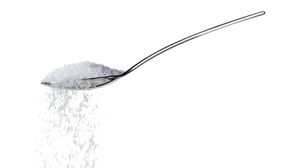
 | Appraised Value | Show Work Below:
Machine No. 1 | $38,250
Machine No. 2 | 73,100 | Lump-sum price | $167,000
Machine No. 3 | 58,650
 |  | Machine | Appraised | % of total | Cost
 |  | Machine No. 1 | 38,250 | 22.5% | 37,575
 |  | Machine No. 2 | 73,100 | 43.0% | 71,810
 |  | Machine No. 3 | 58,650 | 34.5% | 57,615
 |  | Total | 170,000 | 100.0% | 167,000

Plastic Machine Costs
Portland Plastics bought three used machines in a $209,000 ​lump-sum purchase. An independent appraiser valued the machines as​ shown in the table below.
What is each​ machine's individual​ cost?

 |  | Machine 1's cost is | $71,060 | Show Work Below:
 |  |  |  | Machine | Appraised | % of total | Cost
 |  | Machine 2's cost is | $117,040 | Machine No. 1 | 73,100 | 34.0% | 71,060
 |  |  |  | Machine No. 2 | 120,400 | 56.0% | 117,040
 |  | Machine 3's cost is | $20,900 | Machine No. 3 | 21,500 | 10.0% | 20,900
 |  |  |  | Total | 215,000 | 100.0% | 209,000


 | Appraised Value |  |  | Lump-sum price | $209,000
Machine No. 1 | $73,100
Machine No. 2 | 120,400
Machine No. 3 | 21,500

