Population corrected sales by c
Year | 2022 | Country Name | None
Sales, in tonnes of active ingredient, of veterinary antimicrobial agents marketed mainly for food-producing animals (including horses), population correction unit (PCU) and sales in mg/PCU, by country, for 2021 and 2022
Time run: 25/11/2024 12:17:22

Country | Sales (tonnes) for food-producing animals |  | PCU (1,000 tonnes) |  | % change PCU | mg/PCU |  | % change mg/PCU
 | 2021 | 2022 | 2021 | 2022 | 2021-2022 | 2021 | 2022 | 2021-2022
Austria | 39.1 | 34.3 | 945 | 946 | 0.1% | 41.3 | 36.2 | -12.4%
Belgium | 168.6 | 120.2 | 1,770 | 1,635 | -7.6% | 95.3 | 73.5 | -22.8%
Bulgaria | 48.7 | 37.0 | 391 | 358 | -8.5% | 124.5 | 103.2 | -17.1%
Croatia | 20.7 | 17.1 | 331 | 304 | -8.1% | 62.7 | 56.2 | -10.3%
Cyprus | 45.1 | 35.6 | 152 | 140 | -8.1% | 296.5 | 254.7 | -14.1%
Czech Republic | 35.5 | 32.3 | 709 | 697 | -1.7% | 50 | 46.4 | -7.3%
Denmark | 81.9 | 80.2 | 2,452 | 2,356 | -3.9% | 33.4 | 34.1 | 0
Estonia | 5.3 | 5.2 | 114 | 114 | 0.1% | 46.6 | 45.8 | -1.7%
Finland | 8.4 | 7.2 | 492 | 485 | -1.5% | 17 | 14.9 | -12.8%
France | 349.3 | 255.2 | 6,758 | 6,561 | -2.9% | 51.7 | 38.9 | -24.8%
Germany | 590.7 | 531.1 | 8,071 | 7,601 | -5.8% | 73.2 | 69.9 | -4.5%
Greece | 119.7 | 101.7 | 1,100 | 1,142 | 3.8% | 108.8 | 89 | -18.2%
Hungary | 131.6 | 92.6 | 846 | 833 | -1.5% | 155.6 | 111.2 | -28.5%
Iceland | 0.5 | 0.6 | 145 | 140 | -3.2% | 3.6 | 4.4 | 0
Ireland | 93.2 | 75.6 | 2,196 | 2,246 | 2.3% | 42.4 | 33.6 | -20.7%
Italy | 661.7 | 585.4 | 3,813 | 3,716 | -2.5% | 173.5 | 157.5 | -9.2%
Latvia | 3.9 | 3.4 | 153 | 164 | 7.2% | 25.5 | 20.8 | -18.4%
Lithuania | 21.1 | 14.5 | 297 | 300 | 1.2% | 71.2 | 48.2 | -32.3%
Luxembourg | 1.5 | 1.3 | 54 | 51 | -5.8% | 27.1 | 25.1 | -7.3%
Malta | 1.6 | 1.1 | 15 | 15 | 3.2% | 110.5 | 74.4 | -32.7%
Netherlands | 147.2 | 112.0 | 3,092 | 3,025 | -2.2% | 47.6 | 37 | -22.3%
Norway | 5.1 | 4.7 | 2,197 | 2,198 | 0.1% | 2.3 | 2.1 | -8.4%
Poland | 775.1 | 838.3 | 4,417 | 4,278 | -3.2% | 175.5 | 196 | 11.7%
Portugal | 159.4 | 82.0 | 1,063 | 1,062 | -0.1% | 149.9 | 77.1 | -48.5%
Romania | 173.7 | 136.4 | 2,943 | 2,794 | -5.0% | 59 | 48.8 | -17.3%
Slovakia | 9.6 | 9.2 | 230 | 224 | -2.6% | 41.7 | 41.1 | -1.5%
Slovenia | 5.8 | 4.7 | 184 | 182 | -0.7% | 31.8 | 25.7 | -19.2%
Spain | 1,296.5 | 1,027.2 | 8,245 | 8,063 | -2.2% | 157.2 | 127.4 | 0
Sweden | 9.5 | 8.3 | 788 | 788 | 0.1% | 12.1 | 10.6 | -12.4%
Switzerland | 25.9 | 22.6 | 810 | 829 | 2.4% | 32 | 27.3 | -14.6%
Rows 1 - 30
Odbc driver returned an error (SQLExecDirectW). Error Codes: OPR4ONWY:U9IM8TAC:U9IM8TAC:U9IM8TAC:U9IM8TAC:OI2DL65P State: HY000. Code: 10058. [NQODBC] [SQL_STATE: HY000] [nQSError: 10058] A general error has occurred. Please have your System Administrator look at the log for more details on this error. (HY000) State: HY000. Code: 43113. [nQSError: 43113] Message returned from OBIS. Please have your System Administrator look at the log for more details on this error. (HY000) State: HY000. Code: 17001. Please have your System Administrator look at the log for more details on this error. (HY000) State: HY000. Code: 17012. Please have your System Administrator look at the log for more details on this error. (HY000) SQL Issued: SELECT 0 s_0, "ESVAC"."Data Collection Period"."Country Name" s_1, "ESVAC"."Substance"."Substance Class L2" s_2, SORTKEY("ESVAC"."Substance"."Substance Class L2") s_3, "ESVAC"."Sales Measures"."Sales in mg per PCU" s_4, AGGREGATE("ESVAC"."Sales Measures"."Sales in mg per PCU" BY "ESVAC"."Data Collection Period"."Country Name") s_5, CASE WHEN ("ESVAC"."Sales Measures"."Sales in mg per PCU" <1) THEN '< 1%' ELSE TRIM(CAST(100.00*("ESVAC"."Sales Measures"."Sales in mg per PCU"/sum("ESVAC"."Sales Measures"."Sales in mg per PCU" by "ESVAC"."Data Collection Period"."Country Name")) AS CHAR))||'%' END s_6 FROM "ESVAC" WHERE (("Data Collection Period"."Year" = 2022) AND ("Product"."Product Dosage Form Abbreviation" <> 'TABL') AND ("Substance"."Substance Class L2" IN ('Tetracyclines', 'Amphenicols', 'Penicillins', '1-2 gen. cephalosporins', '3-4 gen. cephalosporins', 'Sulfonamides', 'Trimethoprim', 'Macrolides', 'Lincosamides', 'Fluoroquinolones', 'Other quinolones', 'Aminoglycosides', 'Nitrofuran derivatives', 'Polymyxins', 'Pleuromutilins')) AND ("Substance"."Substance Reporting Flag" = 'Y') AND ("Data Collection Period"."Year" IN (2010, 2011, 2012, 2013, 2014, 2015, 2016, 2017, 2018, 2019, 2020, 2021, 2022)) AND ("Sales Dataset"."Dataset Status" = 'PUBLI
Sales for food-producing species, including horses, in mg/PCU, of the various veterinary antimicrobial classes, by country, for 2022 and 2021
Time run: 25/11/2024 12:17:22

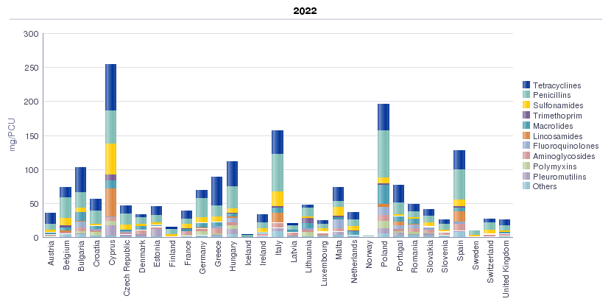

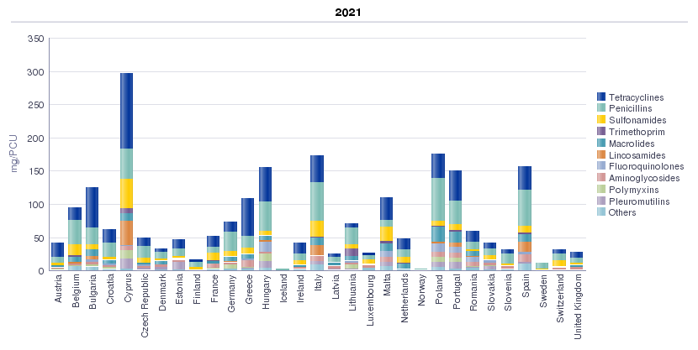
Proportion of the total sales of the different veterinary antimicrobial classes, in mg/PCU, by country, for 2022
Time run: 25/11/2024 12:17:22

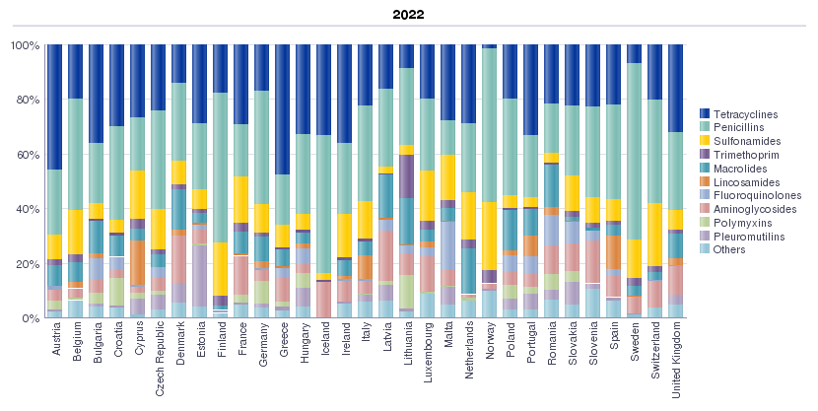
Sales of antimicrobial agents by antimicrobial class as a percentage of the total sales for food-producing species (including horses), in mg/PCU, for 2022
Time run: 25/11/2024 12:17:22

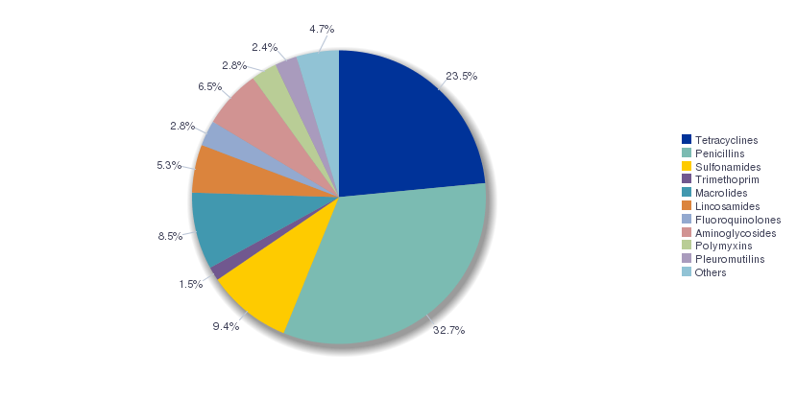
Sales of tetracyclines, penicillins and sulfonamides as a percentage of the total sales for food-producing species (including horses), in mg/PCU, by country, for 2021 and 2022
Time run: 25/11/2024 12:17:22

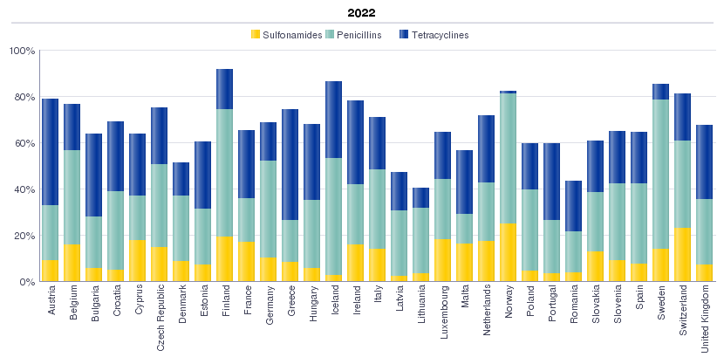

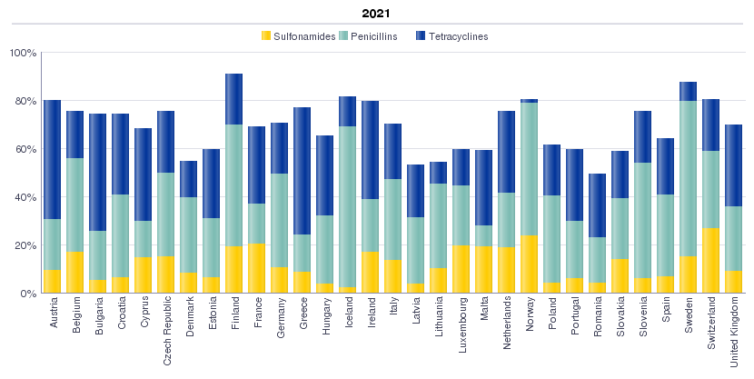
Percentages of the total sales of macrolides, fluoroquinolones, polymyxins and 3rd- and 4th-generation cephalosporins for food-producing species, including horses, in mg/PCU, by country, for 2021 and 2022
Time run: 25/11/2024 12:17:22

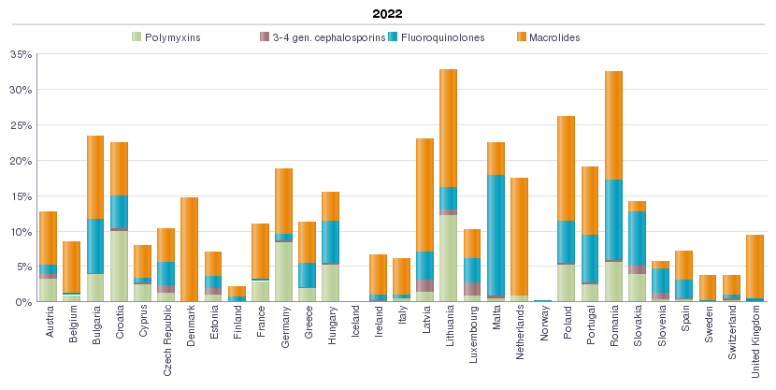

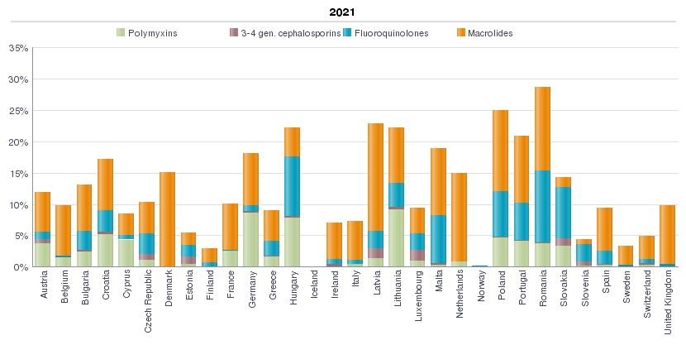
Please note that data published in the interactive database can contain updates, therefore values presented in the database might differ from those in the printed ESVAC reports.

