Rsense
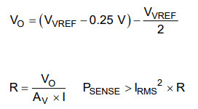
Vref = | 3.3 | V
I = | 10 | A
Psense = | 1 | W | http://www.ti.com/lit/ds/symlink/drv8323.pdf

Vo = | 1.4 | V

R < | 0.01 | Ohm

Av > | 14 | -
Av = | 20 | -

