Blending_fixed_mix
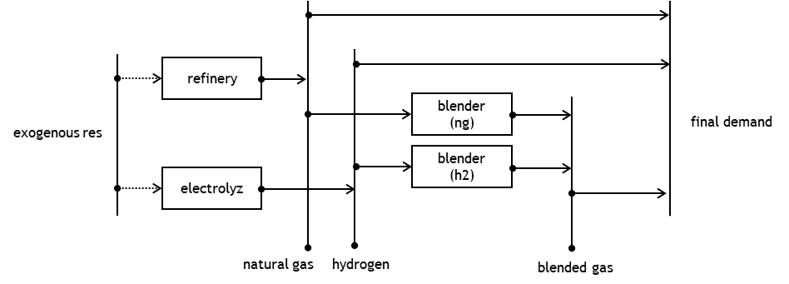
time
 | flows |  |  |  | f.1 | f.2 | f.3 |  |  | NG | H2 |  |  |  |  | f.1 | f.2 | f.3 |  |  |  | NG | H2
 |  | techs |  |  |  |  |  | t.1 | t.2 | t.3.a | t.3.b | FD |  |  |  |  |  |  |  | t.1 | t.2 | t.3.a | t.3.b |  | FD
 |  |  | name |  |  |  |  |  |  |  |  |  |  |  |  |  |  |  |  |  |  |  |  |  |  |  |  | Balances:
 |  |  |  | unit
 |  |  |  |  |  |  |  | u |  |  |  | Y |  |  |  |  |  |  |  | U |  |  |  |  | Y |  |  | Q-uX-Y=0
 | f.1 |  | Natural Gas | kWh |  |  |  | 0.1 | 0 | 1 | 0 | 10 | f.1 | Natural Gas | kWh |  |  |  |  | 1.8888889 | 0 | 7 | 0 |  | 10 |  |  | 9.9999999392E-08
 | f.2 |  | Hydrogen | kWh |  |  |  | 0 | 0 | 0 | 1 | 0 | f.2 | Hydrogen | kWh |  |  |  |  | 0 | 0 | 0 | 3 |  | 0 |  |  | 0
 | f.3 |  | Blended Gas | kWh |  |  |  | 0 | 0 | 0 | 0 | 10 | f.3 | Blended Gas | kWh |  |  |  |  | 0 | 0 | 0 | 0 |  | 10 |  |  | 0
 |  |  |  |  | d |  |  |  |  |  |  |  |  |  |  | D |  |  |  |  |  |  |  |  |  |  |  | I_ff*X-d*Q=0
 |  | t.1 | Refinrey | kWh | 1 | 0 | 0 |  |  |  |  |  | t.1 | Refinrey | kWh | 18.888889 | 0 | 0 |  |  |  |  |  |  |  |  |  | 0
 |  | t.2 | Electrolyzer | kWh | 0 | 1 | 0 |  |  |  |  |  | t.2 | Electrolyzer | kWh | 0 | 3 | 0 |  |  |  |  |  |  |  |  |  | 0
 |  | t.3 | Blender | kWh | 0 | 0 | 1 |  |  |  |  |  | t.3 | Blender | kWh | 0 | 0 | 10 |  |  |  |  |  |  |  |  |  | 0 | Blendend Mix
 |  |  |  |  |  |  |  |  |  |  |  |  |  |  |  |  |  |  |  |  |  |  |  |  | Min_cost |  |  |  | H2
 |  |  | Cost | € |  |  |  | 2 | 2.5 | 0 | 0 |  |  | Cost | € |  |  |  |  | 37.777778 | 7.5 | 0 | 0 |  | 45.277778 |  |  |  | 0.3
 |  |  | Emissions | CO2 | 15 | 0 | 0 |  |  |  |  |  |  | E.1 | CO2 | 283.333335 | 0 | 0 |  |  |  |  |  |  |  |  |  |  | 3 | X_max_H2 blended
 |  |  |  |  |  |  | Deve essere un parametro endogeno quindi non i usa più l'emissione specifica

 |  |  |  |  |  |  |  |  |  |  |  |  |  |  |  |  |  |  |  | CO2_emitted |  |  |  |  | CO2_y |  | CO2_By flow
 | f.1 |  | Natural Gas | Emitted_CO2 |  |  |  | 1 | 0 | 1 | 0 |  |  |  |  |  | f.1 | Natural Gas |  | 28.3333335 | 0 | 105 | 0 |  | 150 |  | 283.3333335
 | f.2 |  | Hydrogen |  |  |  |  | 0 | 0 | 0 | 0 |  |  |  |  |  | f.2 | Hydrogen |  | 0 | 0 | 0 | 0 |  | 0 |  | 0
 | f.3 |  | Blended Gas |  |  |  |  | 0 | 0 | 0 | 0 |  |  |  |  |  | f.3 | Blended Gas |  | 0 | 0 | 0 | 0 |  | 0 |  | 0
 |  |  |  |  |  |  |  |  |  |  |  |  |  |  |  |  |  |  |  |  |  |  |  |  |  |  |  |  | CO2_tot | CO2_cap
 |  |  |  |  | Q |  |  | X |  |  |  |  |  |  |  |  |  | By sect |  | 28.3333335 | 0 | 105 | 0 |  | 150 | check | 1 |  | 283 | 200
 |  |  |  |  | 18.888889 | 3 | 10 | 18.888889 | 3 | 7 | 3

 |  |  |  |  |  |  |  |  |  |  |  |  |  |  |  | reallocation of CO2 from blending
 |  |  |  |  |  |  |  | I_ff |  |  |  |  |  |  |  |  |  |  |  |  |  |  |  |  |  |  | By flow |  | Blended Gas specicif emissions
 |  |  |  |  |  |  |  | 1 | 0 | 0 | 0 |  |  |  |  |  | f.1 | Natural Gas |  | 28.3333335 | 0 | 0 | 0 |  | 150 |  | 178.3333335 |  | 10.5
 |  |  |  |  |  |  |  | 0 | 1 | 0 | 0 |  |  |  |  |  | f.2 | Hydrogen |  | 0 | 0 | 0 | 0 |  | 0 |  | 0
 |  |  |  |  |  |  |  | 0 | 0 | 1 | 1 |  |  |  |  |  | f.3 | Blended Gas |  | 0 | 0 | 0 | 0 |  | 105 |  | 105

 |  |  |  |  |  |  |  |  |  |  |  |  |  |  |  |  |  |  | by sec | 28.3333335 | 0 | 0 | 0 | 0 | 255

