How To Use
CYBERSECURITY MATURITY MODEL CERTIFICATION (CMMC)
The Cybersecurity Maturity Model Certification (CMMC) framework consists of maturity processes and cybersecurity best practices from multiple cybersecurity standards, frameworks, and other references, as well as inputs from the Defense Industrial Base (DIB) and Department of Defense (DoD) stakeholders. (CMMC version 1.02, pg 3.)

The CMMC model measures cybersecurity maturity with five levels. Each of these levels, in turn, consists of a set of processes and practices which are characterized in Figure 2. The processes range from ‘Performed’ at Level 1 to ‘Optimizing’ at Level 5 and the practices range from ‘Basic Cyber Hygiene’ at Level 1 to ‘Advanced/Progressive’ at Level 5. (CMMC version 1.02, pg 3 - 4.)
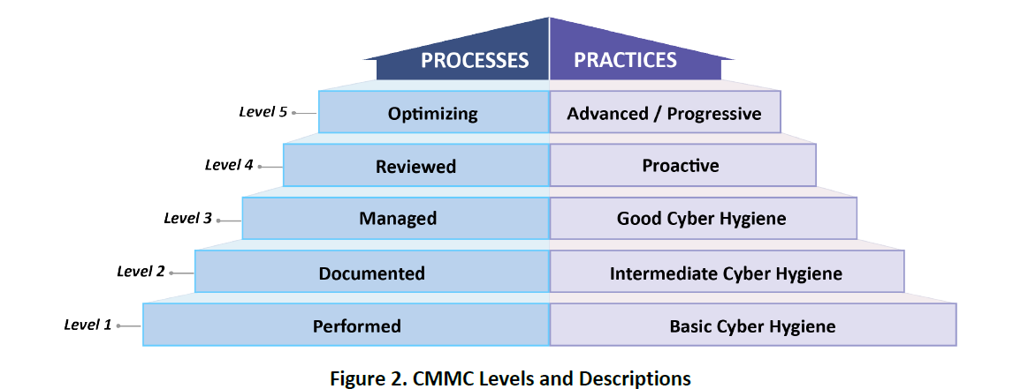

The CMMC model measures not only process maturity or institutionalization, but also the implementation of practices. The model consists of 171 practices that are mapped across the five levels for all capabilities and domains. This mapping and the cumulative nature of the model is shown in Figure 5. (CMMC version 1.02, pg 10.)
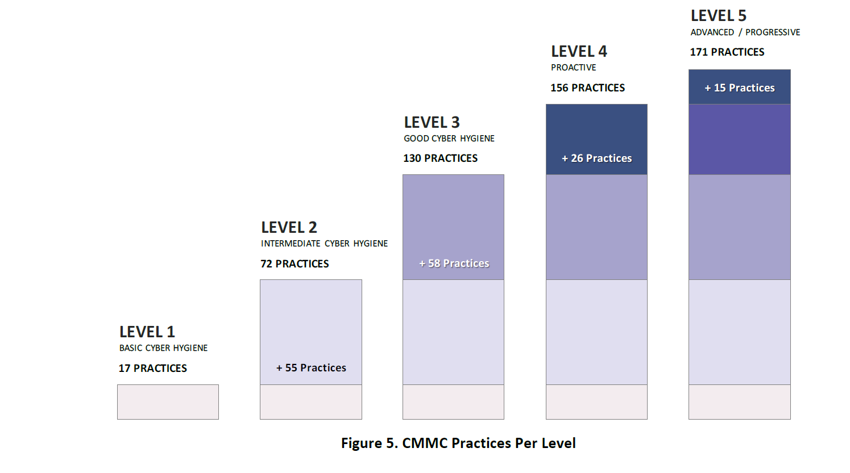

The majority of the practices (110 of 171) originate from the safeguarding requirements and security requirements specified in FAR Clause 52.204-21 [3] and DFARS Clause 252.204- 7012 [5], respectively. Although previously noted, the following is restated for emphasis:
· Level 1 is equivalent to all of the safeguarding requirements from FAR Clause 52.204-21.
· Level 3, building on Levels 1 and 2, includes all of the security requirements in NIST SP 800-171 plus other practices. (CMMC version 1.02, pg 10.)
Each of the following tabs in this document represents a CMMC level, and contains the relevant domains and controls associated with that level. To conduct a CMMC audit for each level, review your policies, procedures, processes, practices, and any other relevant artifacts to determine if your organization meets the following criteria:
1. Sufficient policy and/or procedural DOCUMENTATION exists to show the control exists and is part of your organization's processes and practices
2. INTERVIEWS conducted with personnel from your organization show that your personnel understand and follow these processes and practices in day-to-day operations and/or OBSERVATION of the control practices being can be documented by the auditor
3. TECHNICAL CONTROLS can be TESTED or examined to determine if they meet all of the following: a.) the control is installed correctly b.) the control is operating as intended c.) the control is producing the desired output
Each control on the following tabs must meet at least TWO of the audit criteria in order to be listed as compliant. If one or fewer of the criteria is met for any particular control, the control should be marked non-compliant and placed on the CUI information system Plan of Action and Milestones (POAM) for remediation.
 CMMC audit tool designed by
https://alpinesecurity.com/

