Sheet1
 | Status

Task | Order | Node(s) | Node(s) | Node(s) | Node(s) | Node(s) | Node(s) | Node(s) | Node(s) | Node(s) | Node(s) | Node(s) | Node(s)
Change rate table data storage & assignment scripts to be by utility | 1 | Select_Customer_Rate | Rate_Escalate_byVint | Rate_Start_Dates | Selected_Cust_Rates
Index definition(s) |  | Selected_Utilities
Calibration scripts |  | 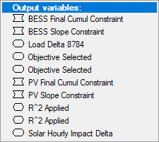 | Look at similar for adding "area_type" to the calibration scripts | Also EV calibration scripts
Dispatch Optimization scripts |  | Storage_Opt_Scenari2 | Storage_Filter_Index
Change data tabs in Excel (and in import) that need All Utilities index added |  | Building_Stock | Load_Profiles | tax_rates | historic_adoption | Electric rates (manual)
Make load profile map similar to solar profile map for ease of data entry
Make Area Type a user defined categorical index
Fix incentive input format and import from data template
Make historical PV/storage adoption new tabs in data template

