Examples
CobraPin - Pinball Makers

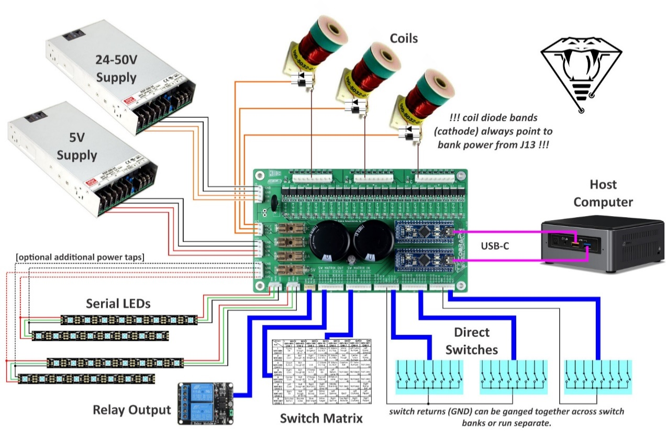

Roll Over Switch on Matrix | Dual Coils | Single Coils
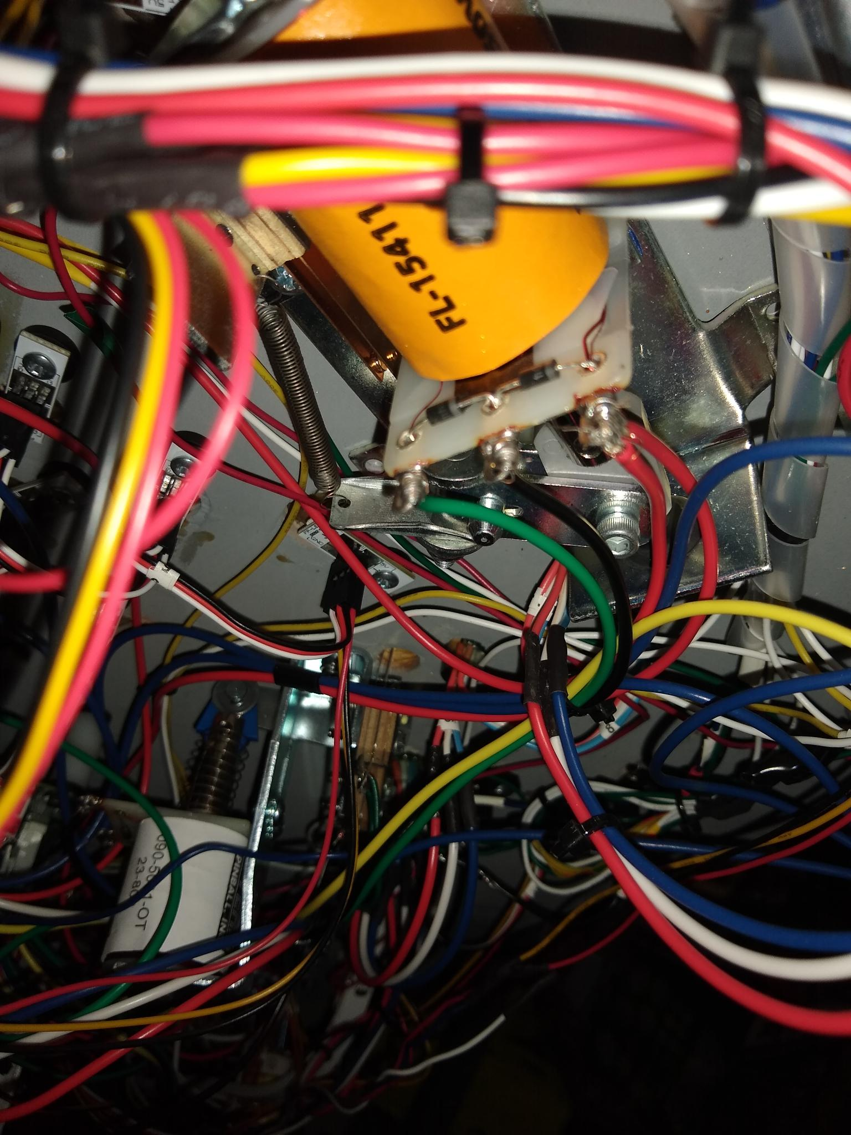
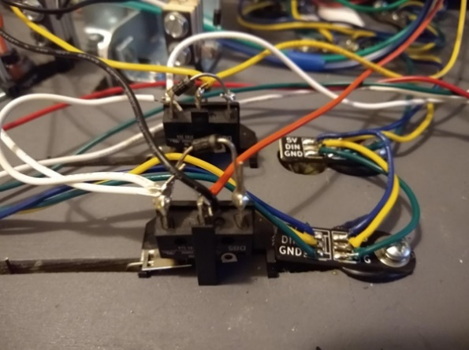
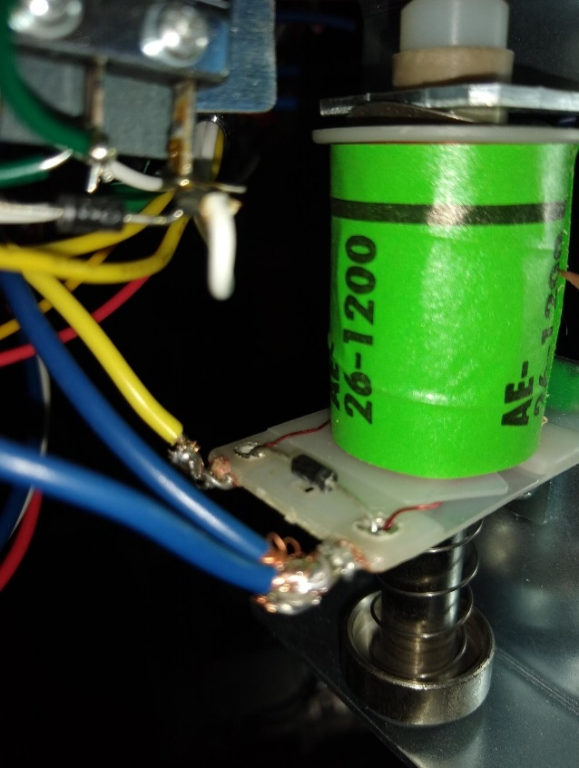

Leaf Switch on Matrix

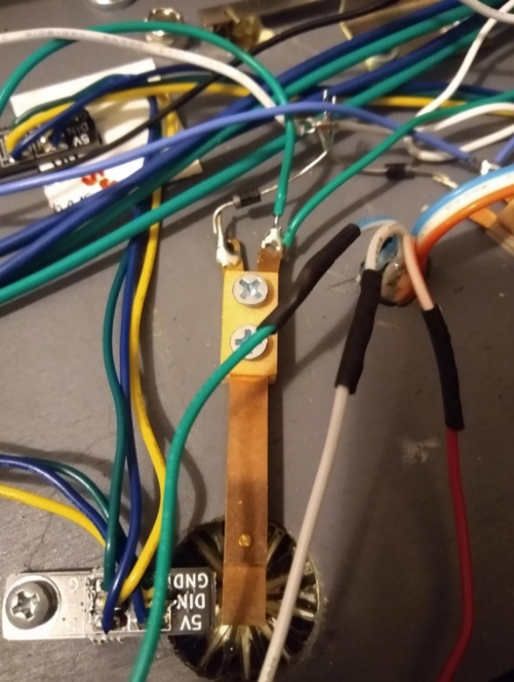

 | Diode points to HV power source on J13.

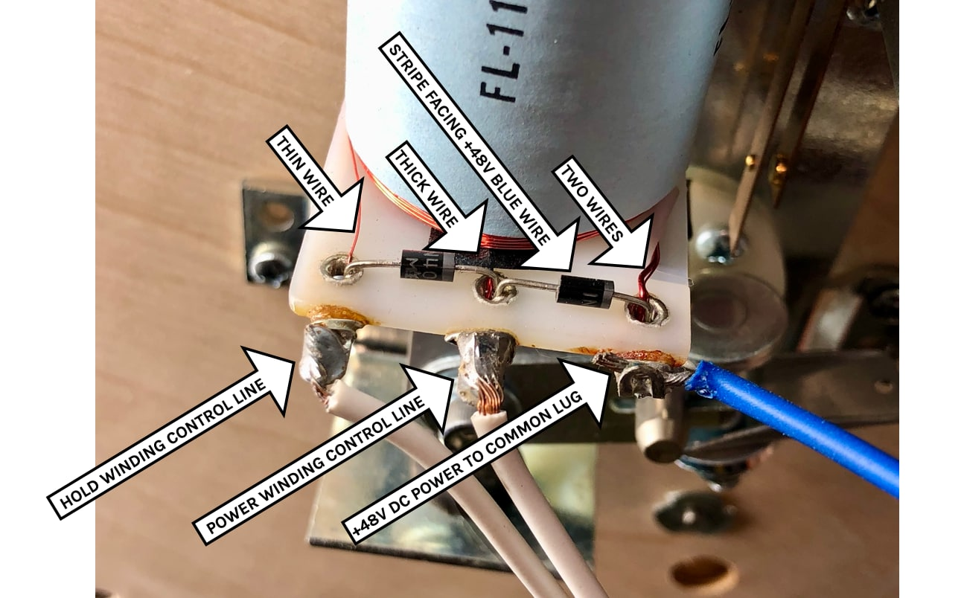

 |  |  | Hold Coil is outside post with small wire.
 |  |  | Main Coil is center post with big coil wire.
 |  |  | Power (+48 VDC from J12) is connected to band side of diode on outside post.
 |  |  | Power lead is daisy chained up to eight coils.

Opto
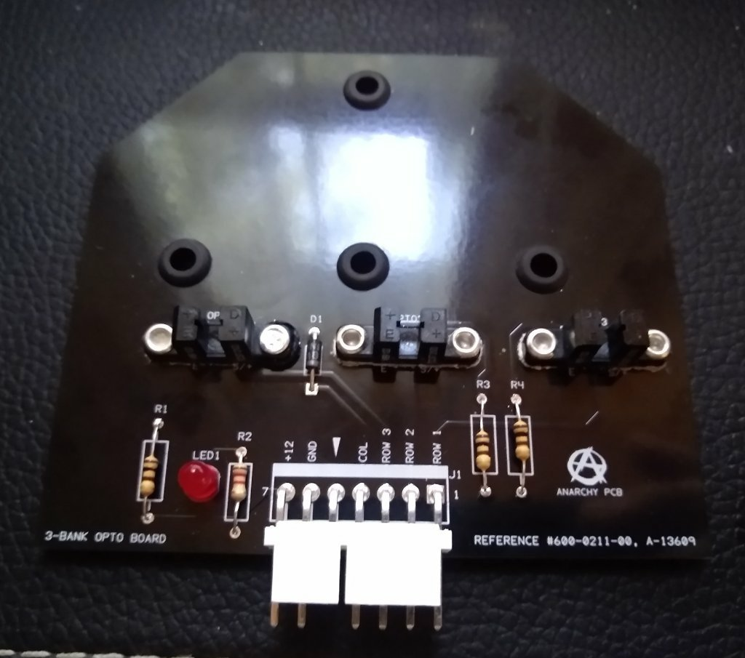
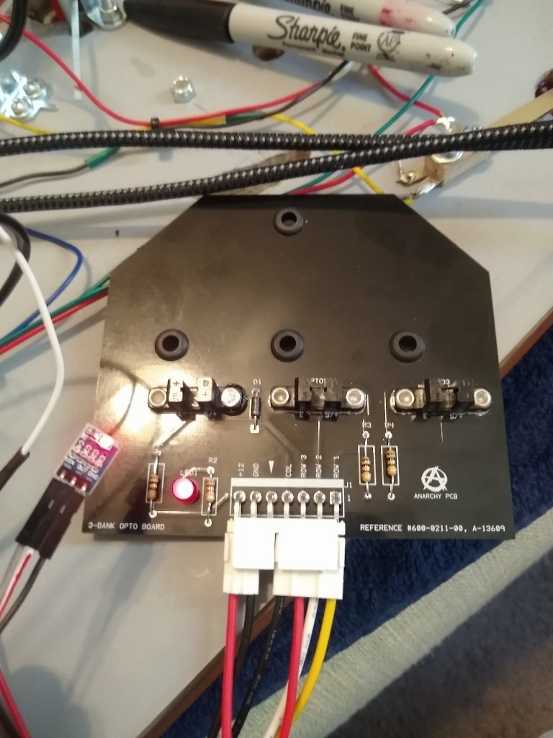
The 4 ball trough part #pbl-100-0015-00 from Pinball Life has ball 1 and jam opto switch.

 |  |  | Step-Down Power Module |  |  | 100 Ohm Resister in series with +3.3VDC input to limit current on optos. | Ball Trough Transmitter Board | Ball Trough Reciever Board | CobraPin Board provides DC voltage. | CobraPin J2 Inputs | MPF Tag
+ 5VDC |  | VIN | 5-3 VDC step down regulator | OUT | + 3.3VDC |  | JAM + | JAM + |  | 0.0.17 | ball jam (NC)

Common |  | GND |  |  | Common |  | JAM GND | JAM GND |  | GND

 |  |  |  |  |  |  | B1 + | B1 + |  | 0.0.16 | trough ball 1 (NC)

 |  |  |  |  |  |  | B1 GND | B1 GND

Amazon.com: AIHJCNELE 10pcs AMS1117-3.3 DC-DC Step-Down Power Module DC Converter AMS1117-3.3V Buck Module LDO 800MA DC 4.5V-7V to 3.3V Voltage Regulator Step Down Power Supply Board AMS1117 with Cable (DC3.3V) : Electronics | Step Down Module

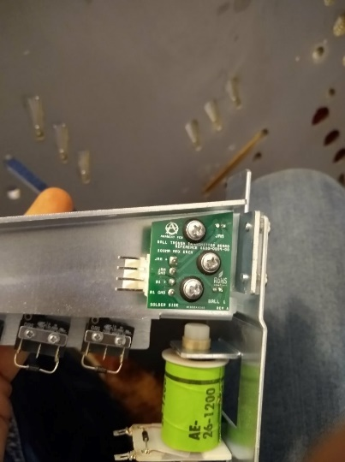

Drop Banks

Please read the CobraPin drop target example carefully. https://pinballmakers.com/wiki/index.php?title=CobraPin Just going to give a brief description of the parts I used to get this running back to MPF software. The drop target is from Pinball Life part# PBL-100-0078-00. It normally runs on 12 VDC. The CobraPin controller inputs run at 3.3 VDC Max. In order to run the whole board at 3.3 VDC first I replaced the 470 Ohm resistors R1, R3, and R4 with 100 Ohm 1/4 watt resistors. Then to power this board at 3.3 VDC from my 5 VDC power supply I purchased a 5-3 step down module/voltage regulator. https://www.amazon.com/AIHJCNELE-AMS1117-3-3-Step-Down-AMS1117-3-3V-AMS1117/dp/B0B79WMNG8 After that I ran my 3 drop target signals and common back to J1 as direct inputs. I adjusted my switch type in MPF to type: NC.

 |  |  | Step-Down Power Module |  |  |  | Drop Bank Board | CobraPin J1 Inputs | MPF Tag
+ 5VDC |  | VIN | 5-3 VDC step down regulator | OUT | + 3.3VDC |  | +12

Common |  | GND |  |  | Common |  | GND

 |  |  |  |  |  |  | COL | GND
 |  |  |  |  |  |  | ROW 3 | 0.0.X | target 1 (NC)
 |  |  |  |  |  |  | ROW 2 | 0.0.X | target 2 (NC)
 |  |  |  |  |  |  | ROW 1 | 0.0.X | target 3 (NC)

