pin function summary
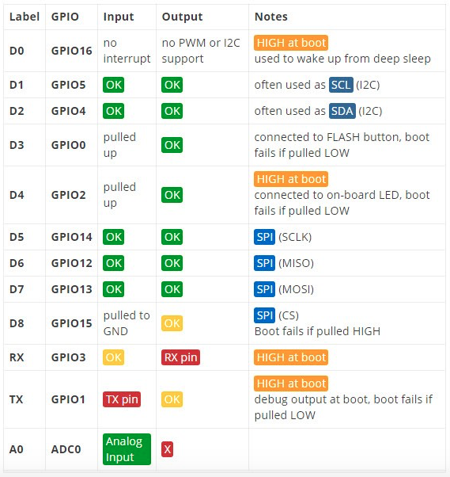
GPIO | function | ESP8266 notes / restrictions | default behaviour on boot | recc. for sensors | for flash | for run
0 | I/O, CS | for normal run, must be HIGH during boot / reset (has built in pull-up) | oscillates, than stabilizes HIGH after ~100ms | Maybe* | LOW | HIGH
1 | TXD | reserved for frimware upload and serial monitor. not reccomended as GPIO pin | LOW for ~50ms, then HIGH | NO
2 | I/O | built-in led (active LOW). must be HIGH during boot / reset / wakeup (has built in pull-up) | oscillates, than stabilizes HIGH after ~100ms | Maybe* | HIGH | HIGH
3 | RXD | reserved for firmware upload and serial monitor. not reccomended as GPIO pin | LOW for ~50ms, then HIGH | NO
4 | I/O, SCL | safe pin (first choice) | LOW | YES
5 | I/O, SDA | safe pin (first choice) | LOW | YES
6 - 11 |  | these pins are reserved for mcu - flash communication, do not use! |  | NO
12 | I/O, MISO (SDO) | quite safe pin | HIGH for ~100ms, then LOW | YES
13 | I/O, MOSI (SDI) | quite safe pin | HIGH for ~100ms, then LOW | YES
14 | I/O, SCK | quite safe pin | HIGH for ~100ms, then LOW | YES
15 | I/O | must be LOW during boot / reset / wakeup (has built in pull-down) | LOW | Maybe* | LOW | LOW
16 | I/O (no interrupt) | for sleep mode, connect to EXT_RSTB, on wakeup will output LOW for reset | HIGH for ~100ms, then falls to ~1V? | NO
 |  |  |  | * can be used for I2C after startup
 | max source current / pin: 12mA
 | max drain current / pin: 20mA
 | GPIO pins total current: 16 x 12mA

Info: | http://rabbithole.wwwdotorg.org/2017/03/28/esp8266-gpio.html
 | http://reflowster.com/blog/2015/05/11/esp8266.html

 | https://www.forward.com.au/pfod/ESP8266/GPIOpins/index.html

 |  |  |  |  |  |  | Pins used during Boot
 |  |  |  |  |  |  | The ESP8266 can be prevented from booting if some pins are pulled LOW or HIGH. The following list shows the state of the following pins on BOOT:

 |  |  |  |  |  |  | GPIO16: pin is high at BOOT

 |  |  |  |  |  |  | GPIO0: boot failure if pulled LOW

 |  |  |  |  |  |  | GPIO2: pin is high on BOOT, boot failure if pulled LOW

 |  |  |  |  |  |  | GPIO15: boot failure if pulled HIGH

 |  |  |  |  |  |  | GPIO3: pin is high at BOOT

 |  |  |  |  |  |  | GPIO1: pin is high at BOOT, boot failure if pulled LOW

 |  |  |  |  |  |  | GPIO10: pin is high at BOOT

 |  |  |  |  |  |  | GPIO9: pin is high at BOOT

