Ref 59
Time | Concentration | Metabolite | Dose | State | Sex | Age | Disease | Drug | Metabolite: | AlbSO
104 | 1.001 | AlbSO | Group 1 | Unclear | Mixture | Adults | Cysticercosis | None | Units: | ug/ml
112 | 0.9813 | AlbSO | Group 1 | Unclear | Mixture | Adults | Cysticercosis | None | Dose: | 1050 | weight not given, assumed 70kg average. Either 5mg/kg 3x daily, or 7.5mg/kg2x daily
120 | 1.272 | AlbSO | Group 1 | Unclear | Mixture | Adults | Cysticercosis | None | n: | 10 | 5 males 5 females
128 | 1.3128 | AlbSO | Group 1 | Unclear | Mixture | Adults | Cysticercosis | None | Sex: | Mixture
136 | 0.7081 | AlbSO | Group 1 | Unclear | Mixture | Adults | Cysticercosis | None | Form: | Pill
152 | 0.9127 | AlbSO | Group 1 | Unclear | Mixture | Adults | Cysticercosis | None | Notes: | 5mg/kg 3x daily AND 7.5mg/kg 2x daily |  | 96
160 | 0.8413 | AlbSO | Group 1 | Unclear | Mixture | Adults | Cysticercosis | None
248 | 0.8226 | AlbSO | Group 1 | Unclear | Mixture | Adults | Cysticercosis | None |  | Group 1: 3x daily for a week and then 2x daily regime for 6 days
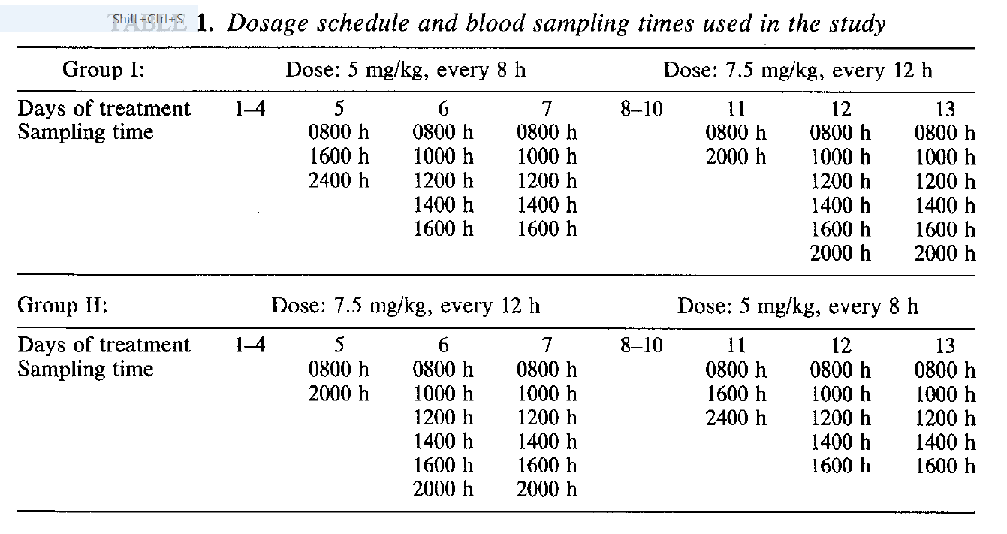
260 | 0.6853 | AlbSO | Group 1 | Unclear | Mixture | Adults | Cysticercosis | None |  | Group 2: 2x daily regime for week and then 3x daily regime for 6 days
272 | 1.2155 | AlbSO | Group 1 | Unclear | Mixture | Adults | Cysticercosis | None | Age: | 18-58 | mean 33
284 | 0.7631 | AlbSO | Group 1 | Unclear | Mixture | Adults | Cysticercosis | None | Disease: | Cysticercosis
296 | 0.8902 | AlbSO | Group 1 | Unclear | Mixture | Adults | Cysticercosis | None | Drug: | None
308 | 0.3977 | AlbSO | Group 1 | Unclear | Mixture | Adults | Cysticercosis | None | Weight | 70kg assumed
104 | 1.3627 | AlbSO | Group 2 | Unclear | Mixture | Adults | Cysticercosis | None
112 | 1.2715 | AlbSO | Group 2 | Unclear | Mixture | Adults | Cysticercosis | None | NONE OF THIS IS QUITE RIGHT - THEIR FIGURE IS CONFUSING. DO NOT INCLUDE THIS.
120 | 1.4394 | AlbSO | Group 2 | Unclear | Mixture | Adults | Cysticercosis | None
128 | 1.0842 | AlbSO | Group 2 | Unclear | Mixture | Adults | Cysticercosis | None
136 | 0.9113 | AlbSO | Group 2 | Unclear | Mixture | Adults | Cysticercosis | None
152 | 1.1869 | AlbSO | Group 2 | Unclear | Mixture | Adults | Cysticercosis | None
160 | 1.0852 | AlbSO | Group 2 | Unclear | Mixture | Adults | Cysticercosis | None
248 | 1.7685 | AlbSO | Group 2 | Unclear | Mixture | Adults | Cysticercosis | None
260 | 1.7075 | AlbSO | Group 2 | Unclear | Mixture | Adults | Cysticercosis | None
272 | 1.4388 | AlbSO | Group 2 | Unclear | Mixture | Adults | Cysticercosis | None
284 | 1.0172 | AlbSO | Group 2 | Unclear | Mixture | Adults | Cysticercosis | None
296 | 1.6994 | AlbSO | Group 2 | Unclear | Mixture | Adults | Cysticercosis | None
308 | 0.6925 | AlbSO | Group 2 | Unclear | Mixture | Adults | Cysticercosis | None

