Sheet1
K=30, Undebates(7507, 6706) | PPL | TC | TD
DCTM | 4205.1370131 | -0.017124918162 | 0.95333333333
DETM | 2797.5 | 0.082634000486 | 0.481
TETM | 2746.3718262 | 0.15243051702 | 0.64266666667
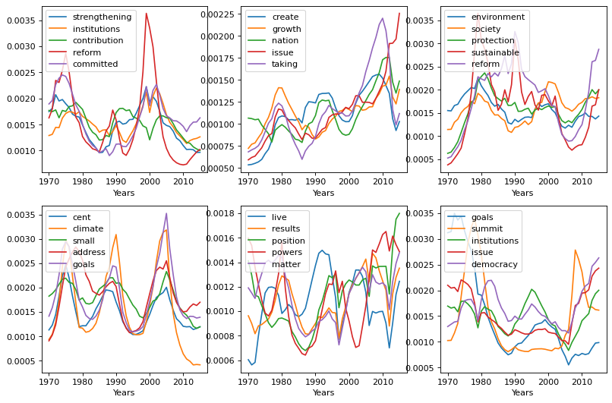
Our model | 4103.8 | 0.092382615074 | 0.42939130435 |  | 3678.1 | 0.126 | 0.233

K=30, NIPS 2019
DCTM | 4898.4 | -0.092 | 0.966
DETM | 2282.3 | 0.12047477071 | 0.51652525253
TETM | 1960.8416748 | 0.20068286549 | 0.73333333333
Our model | 5461 | 0.136 | 0.502 |  | 5332.8833333 | 0.1243790553 | 0.32145454545 | 0.20020138134
 |  |  |  |  |  |  |  | 2781.1484375
k=20 20newsgroup |  |  |  |  |  |  |  | 0.606
LDA | 2442.7 | 0.168 | 0.774 | 2538.2 | 0.154 | 0.713 |  | 0.14628021934
ETM | 1640.5 | 0.191 | 0.592 | 1715.5 | 0.159 | 0.337 |  | 3434.9411621
ProdLDA | 6018.5 | 0.072 | 0.734 | 9057.9 | 0.014 | 0.703 |  | 0.536
TECTM | 1954.4 | 0.200 | 0.630 | 1944.6 | 0.194 | 0.509 |  | prodlda 20newsgroups

k=20 Reuters
LDA | 478.8 | 0.248 | 0.702 | 507.1 | 0.193 | 0.554
ETM | 279.0 | 0.213 | 0.500 | 336.8 | 0.200 | 0.211
prodLDA | 745.7 | 0.223 | 0.818 | 606.0 | 0.160 | 0.621
TECTM | 259.6 | 0.237 | 0.586 | 263.0 | 0.226 | 0.367

