Tables
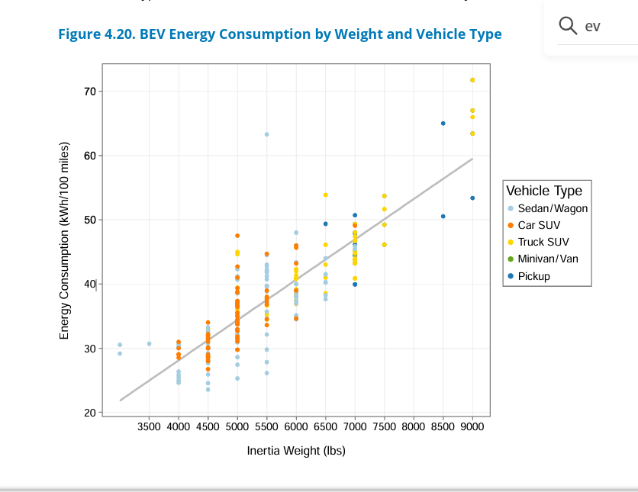
Vehicle Data
 | Type | Fuel Unit | Fuel Efficiency (miles/unit) |  | Notes
Motorcycle | Gasoline | Gallon | 44.0 |  | Source: "Average Fuel Economy by Major Vehicle Cateogory" US Department of Energy
Car | Gasoline | Gallon | 24.4 |  | https://afdc.energy.gov/data/10310
Light Truck/ Pickup | Gasoline | Gallon | 17.8
Transit Van | Diesel | Gallon | 12.6
School Bus | Diesel | Gallon | 7.3
Class 8 Truck | Diesel | Gallon | 6.4
Transit Bus | Diesel | Gallon | 3.8
Refuse Truck | Diesel | Gallon | 2.8

Hybrid Vehicle Efficiency. Assumes an average fuel increase of 35% for hybrids.
Motorcycle | Gasoline | Gallon | 59.4
Car | Gasoline | Gallon | 32.9
Light Truck/Pickup | Gasoline | Gallon | 24.0
Transit Vanpool | Diesel | Gallon | 17.0
School Bus | Diesel | Gallon | 9.9
Class 8 Truck | Diesel | Gallon | 8.6
Transit Bus | Diesel | Gallon | 5.2
Refuse Truck | Diesel | Gallon | 3.8

Electric Vehicle Efficiency
Hybrid Vehicle Efficiency
Motorcycle | Electricity | KWh | 10.0 | Low end efficiency reported by Zero Motorcycles | https://zeromotorcycles.com/model/zero-shttps://zeromotorcycles.com/model-comparison
Car | Electricity | KWh | 3.1 | Car Light Truck/Pickup and Transit Vanpool adapted from Figure 4.20 of the US EPA 2025 fuel Trends Report). Based on Inertia Weight. (4,500 for cars, 7,200 for Light Truck/Pickup, 5,000 for Transit Vanpool) | https://www.epa.gov/system/files/documents/2026-02/420s26001.pdf
Light Truck/Pickup | Electricity | KWh | 2.1
Transit Vanpool | Electricity | KWh | 2.9
School Bus | Electricity | KWh | 1.5 | https://www.epa.gov/greenvehicles/what-if-electric-school-buses-could-be-used-supply-power-when-duty
Class 8 Truck | Electricity | KWh | 1.8 | https://docs.nrel.gov/docs/fy25osti/91369.pdf
Transit Bus | Electricity | KWh | 1.5 | Assumes same efficiency as a school bus
Refuse Truck | Electricity | KWh | N/A

Fuel Costs (From EPA P2 Calculator defaults)
Gasoline | 2.691 | $/gallon
Biodiesel | 3.056 | $/gallon | Assumes simlar to diesel
Diesel | 3.056 | $/gallon

Petroleum Hydrocarbon Density
Gasoline | 6.1
Diesel | 7.1
Biodiesel (Assume 90/10 Split) | 6.39

Inflation Factor to Account for Motor Oil Spills | 4.2105263158 | Based on the raio of petroleum release in the Puget Sound from each of these sources (6,100 vs 1,900) | https://apps.ecology.wa.gov/publications/documents/1103055.pdf

EMISSIONS FACTOR |  | Unit | Source
Gasoline | 8.81 | CO2e emission rate (kg/gal) | EPA Pollution Prevention Tools and Calculators |  | https://www.epa.gov/system/files/other-files/2022-11/P2_GHG_Calculator_29November2022.xlsm
Diesel | 10.24 | CO2e emission rate (kg/gal) | EPA Pollution Prevention Tools and Calculators |  | https://www.epa.gov/system/files/other-files/2022-11/P2_GHG_Calculator_29November2022.xlsm
Biodiesel | 9.46 | CO2e emission rate (kg/gal) | EPA Pollution Prevention Tools and Calculators |  | https://www.epa.gov/system/files/other-files/2022-11/P2_GHG_Calculator_29November2022.xlsm

Table:- Electricty Data (Source:- https://www.epa.gov/egrid/detailed-data)
Data Year | State abbreviation | State annual CO2 equivalent non-baseload output emission rate (lb/MWh)
YEAR | PSTATABB | STNBC2E
2023 | AK | 1153.507
2023 | AL | 1246.882
2023 | AR | 1657.957
2023 | AZ | 1207.674
2023 | CA | 886.04
2023 | CO | 1628.885
2023 | CT | 850.514
2023 | DC | 192.684
2023 | DE | 837.165
2023 | FL | 991.778
2023 | GA | 1667.755
2023 | HI | 1721.987
2023 | IA | 1694.43
2023 | ID | 942.842
2023 | IL | 1411.573
2023 | IN | 2034.814
2023 | KS | 2050.66
2023 | KY | 1939.765
2023 | LA | 1018.054
2023 | MA | 937.805
2023 | MD | 1221.619
2023 | ME | 747.218
2023 | MI | 1469.21
2023 | MN | 1531.409
2023 | MO | 1868.369
2023 | MS | 1044.653
2023 | MT | 1833.476
2023 | NC | 1283.537
2023 | ND | 2051.015
2023 | NE | 2054.567
2023 | NH | 939.871
2023 | NJ | 897.241
2023 | NM | 1495.533
2023 | NV | 1038.894
2023 | NY | 1024.911
2023 | OH | 1551.642
2023 | OK | 1285.612
2023 | OR | 934.474
2023 | PA | 1344.51
2023 | PR | 1642.029
2023 | RI | 943.292
2023 | SC | 1585.256
2023 | SD | 1529.074
2023 | TN | 1743.734
2023 | TX | 1285.699
2023 | UT | 1946.888
2023 | VA | 960.788
2023 | VT | 598.858
2023 | WA | 1052.912
2023 | WI | 1824.162
2023 | WV | 2165.219
2023 | WY | 2373.731

Table 5.6.B. Average Price of Electricity to Ultimate Customers by End-Use Sector,by State, Year-to-Date through February 2026 and 2025 (Cents per Kilowatthour) Always use

 | Transportation |  | All Sectors (Use this if Transportation is Blank)
Census Division and State | February 2026 YTD | February 2025 YTD | February 2026 YTD | February 2025 YTD
New England | 15.75 | 14.69 | 26.33 | 25.42
Connecticut | 20.83 | 20.67 | 26.62 | 28.04
Maine | -- | -- | 26.05 | 22.06
Massachusetts | 12.35 | 11.02 | 27.34 | 25.97
New Hampshire | -- | -- | 24.13 | 21.58
Rhode Island | 23.00 | 23.39 | 26.75 | 28.36
Vermont | -- | -- | 20.27 | 18.98
Middle Atlantic | 18.58 | 13.74 | 20.19 | 17.39
New Jersey | 13.35 | 11.82 | 19.64 | 16.88
New York | 20.45 | 14.54 | 24.26 | 21.45
Pennsylvania | 12.59 | 9.27 | 16.56 | 13.72
East North Central | 8.64 | 9.33 | 14.01 | 12.72
Illinois | 8.22 | 9.20 | 13.50 | 12.93
Indiana | 13.95 | 13.61 | 13.16 | 11.95
Michigan | 13.85 | 12.86 | 15.17 | 14.22
Ohio | 9.85 | 8.56 | 14.36 | 11.95
Wisconsin | 19.55 | 17.29 | 13.88 | 13.17
West North Central | 10.35 | 9.83 | 10.64 | 10.10
Iowa | -- | -- | 9.41 | 9.01
Kansas | -- | -- | 11.77 | 10.96
Minnesota | 11.52 | 11.68 | 12.37 | 12.10
Missouri | 9.67 | 8.70 | 10.58 | 10.08
Nebraska | -- | -- | 9.67 | 8.88
North Dakota | -- | -- | 8.66 | 7.99
South Dakota | -- | -- | 11.85 | 10.69
South Atlantic | 13.90 | 10.18 | 13.69 | 12.29
Delaware | -- | -- | 15.20 | 13.89
District of Columbia | 16.01 | 10.68 | 23.63 | 19.26
Florida | 11.96 | 11.16 | 14.17 | 12.98
Georgia | 8.70 | 7.57 | 12.28 | 11.70
Maryland | 16.45 | 11.66 | 19.34 | 16.23
North Carolina | 10.06 | 10.07 | 12.11 | 11.47
South Carolina | -- | -- | 12.99 | 11.47
Virginia | 11.55 | 8.96 | 13.50 | 11.01
West Virginia | -- | -- | 11.71 | 11.50
East South Central | -- | -- | 12.08 | 11.42
Alabama | -- | -- | 12.94 | 12.48
Kentucky | -- | -- | 11.69 | 10.51
Mississippi | -- | -- | 12.16 | 11.04
Tennessee | -- | -- | 11.64 | 11.38
West South Central | 10.70 | 7.31 | 10.25 | 9.57
Arkansas | 13.24 | 11.84 | 10.01 | 9.32
Louisiana | 10.73 | 10.98 | 9.61 | 8.66
Oklahoma | -- | -- | 9.74 | 8.83
Texas | 7.58 | 3.90 | 10.48 | 9.89
Mountain | 10.94 | 10.12 | 11.25 | 10.78
Arizona | 9.74 | 10.66 | 12.24 | 12.30
Colorado | 10.37 | 9.01 | 13.25 | 11.89
Idaho | -- | -- | 9.97 | 9.31
Montana | -- | -- | 11.26 | 10.09
Nevada | 9.80 | 8.63 | 10.15 | 10.06
New Mexico | -- | -- | 9.10 | 9.19
Utah | 12.16 | 12.33 | 10.52 | 10.03
Wyoming | -- | -- | 9.95 | 9.48
Pacific Contiguous | 15.91 | 15.46 | 19.96 | 19.37
California | 16.37 | 16.18 | 26.02 | 25.84
Oregon | 14.02 | 13.34 | 11.39 | 11.50
Washington | 13.53 | 11.46 | 12.05 | 10.69
Pacific Noncontiguous | -- | -- | 30.69 | 30.82
Alaska | -- | -- | 23.12 | 22.68
Hawaii | -- | -- | 37.05 | 37.21
U.S. Total | 16.22 | 12.81 | 14.26 | 13.13

