Sheet1
btnReload
lblTitle
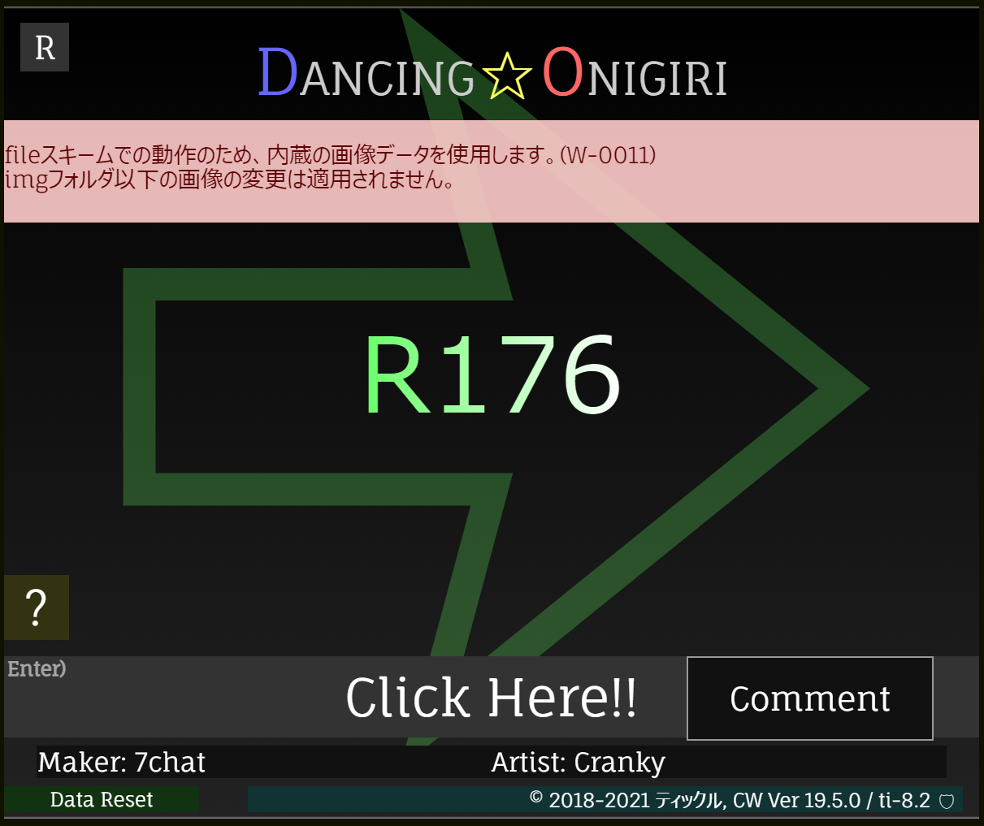
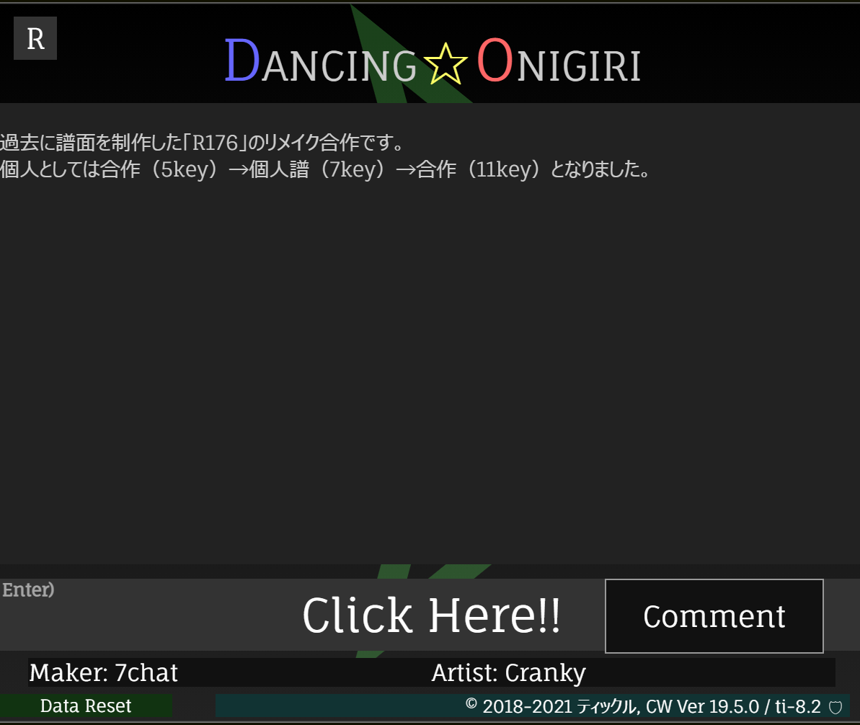

lblWarning

lblArrow
lblComment

maskTitleSprite
btnHelp
lblmusicTitle

btnComment
btnStart
scStart
backTitleSprite

lnkMaker
divBack

btnReset
lnkArtist
lnkVersion
lnkComparison

lnkDifficultyL
lnkDifficultyR
btnSave
lblDifficulty
lnkDifficulty
lblTitle
scDisplay
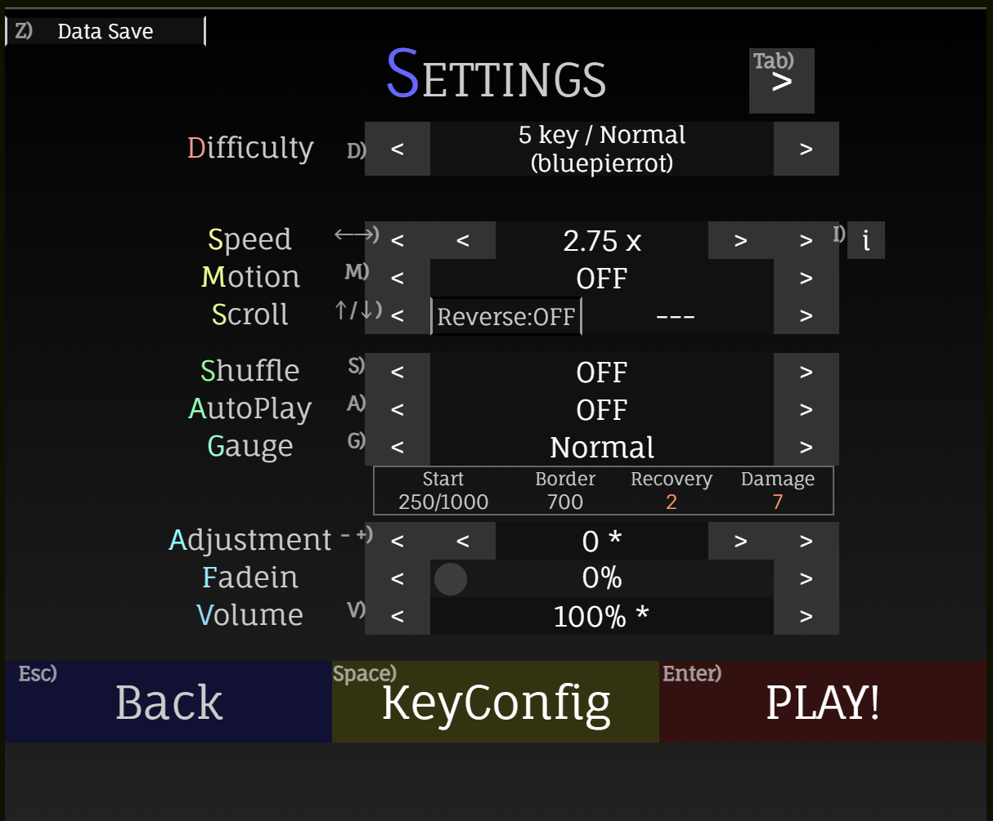
btnDisplay
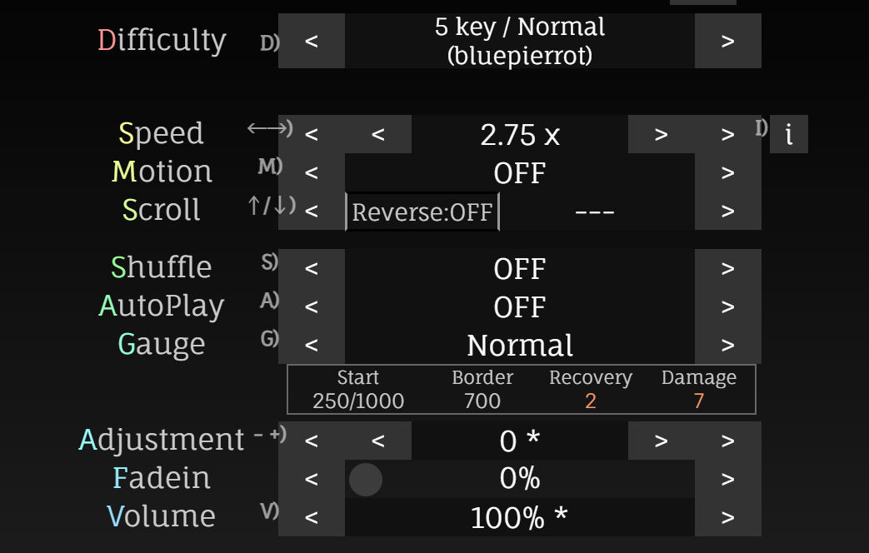
difficultySprite

scSave
scDifficulty
lblSpeed
lnkSpeedL
lnkSpeedLL
lnkSpeedRR
lnkSpeedR
btnGraph

speedSprite
scSpeed
scGraph
motionSprite

scrollSprite
optionsprite
btnReverse
shuffleSprite
autoPlaySprite

gaugeSprite
scBack
scKeyConfig
scPlay
adjustmentSprite
divBack
fadeinSprite
btnBack
btnPlay
volumeSprite
btnKeyConfig
gaugeDivCover
上段: lblGaugeDivTable
下段: dataGaugeDivTable
lblFadeinBar
fadeinSlider

btnDifU
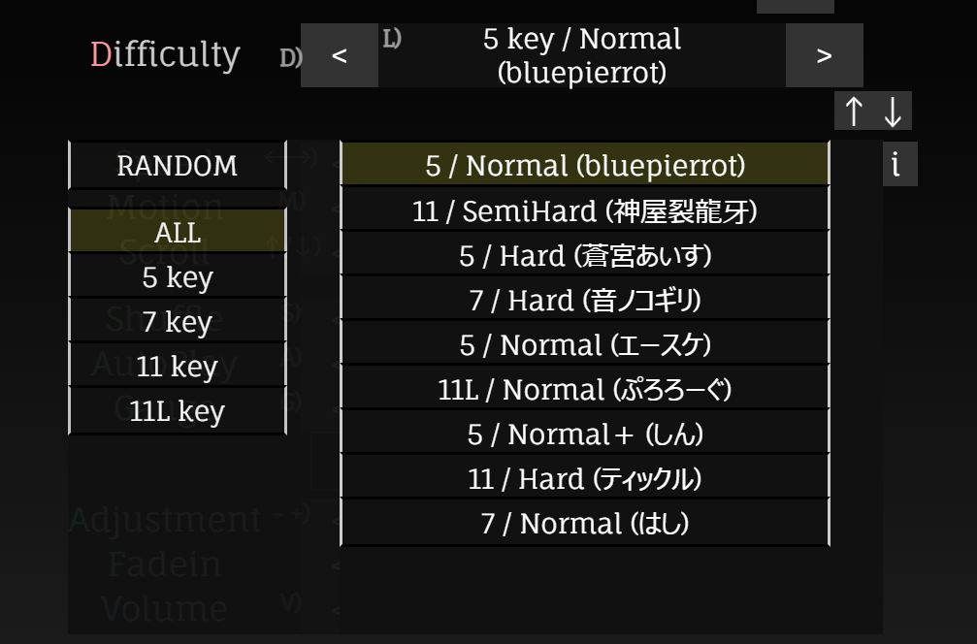
lnkScoreDetail
divCover
divList
btnDifD
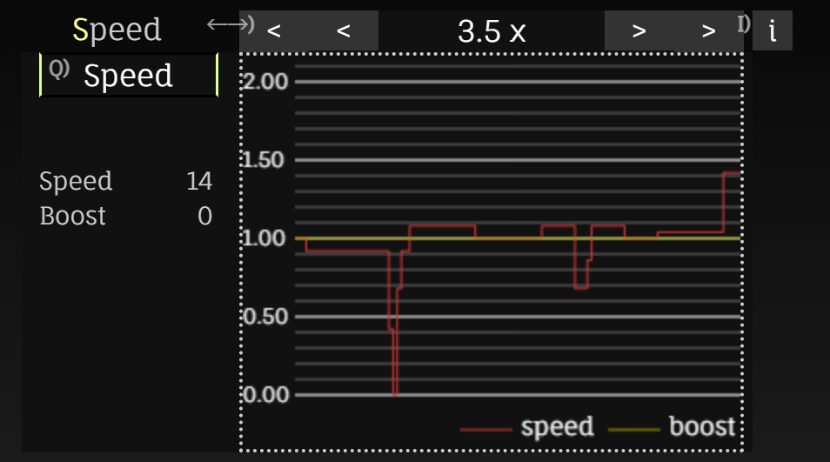
difRandom
scScoreDetail
detailSpeed
dif0
lblSpeed
dataSpeed
keyFilter
scoreDetail
keyFilter0
dif1
dif2
keyFilter1
keyFilter2
graphSpeed

dif8

lnkScoreDetail
lnkScoreDetail
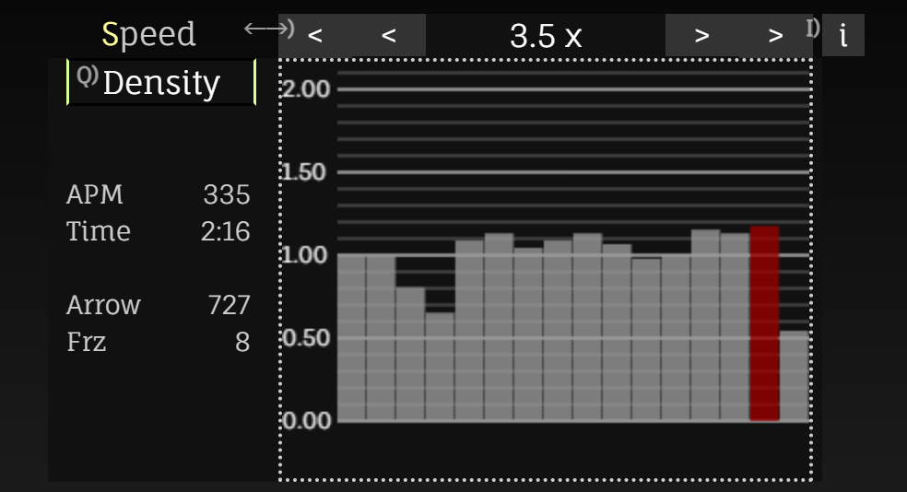
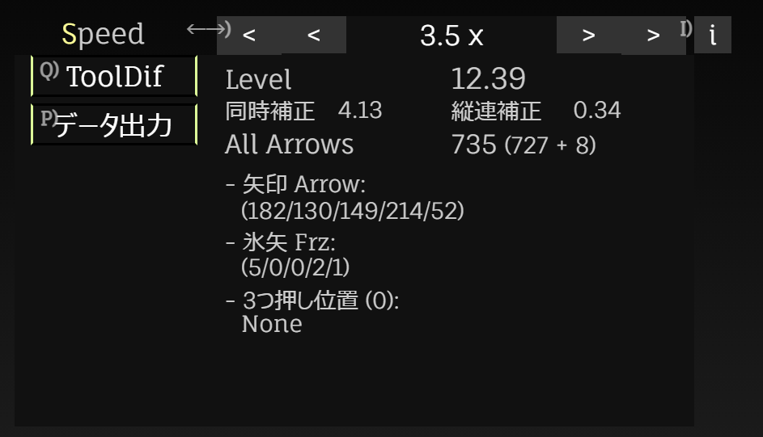
lblToolDif
dataToolDif

scScoreDetail
scScoreDetail
lblAPM
dataAPM
detailDensity
detailToolDif
scDifInfo
scoreDetail
scoreDetail

lnkDifInfo
graphDensity

lblArrowInfo2
lblArrowInfo2
lblArrowInfo2
dataArrowInfo2
dataArrowInfo2
dataArrowInfo2

btnSave
lnkstepZone
lnkspeed
lblTitle
scSettings
scstepZone
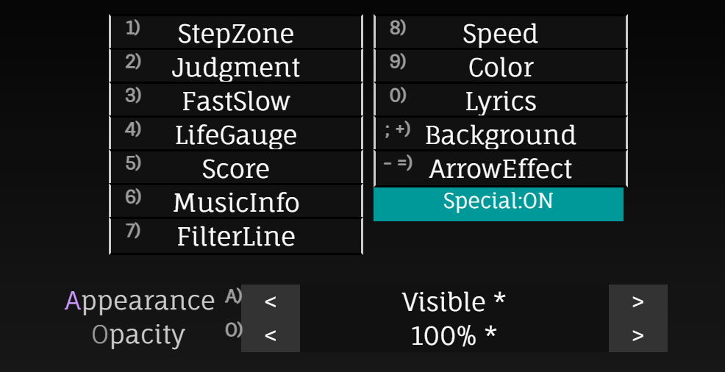
scspeed
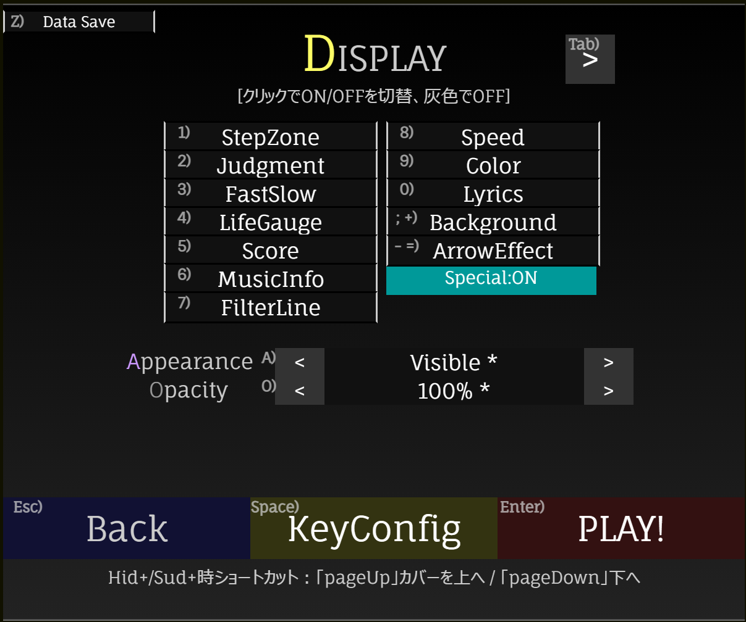
btnSettings
scSave
sdDesc
displaySprite

lnkspecial

optionsprite
scOpacity
appearanceSprite

opacitySprite
scBack
scKeyConfig
scPlay
lblOpacity
lnkOpacityL
lnkOpacity
lnkOpacityR

divBack
btnBack
btnPlay

btnKeyConfig
scMsg

lblKcType
lblcolorType
lblTitle
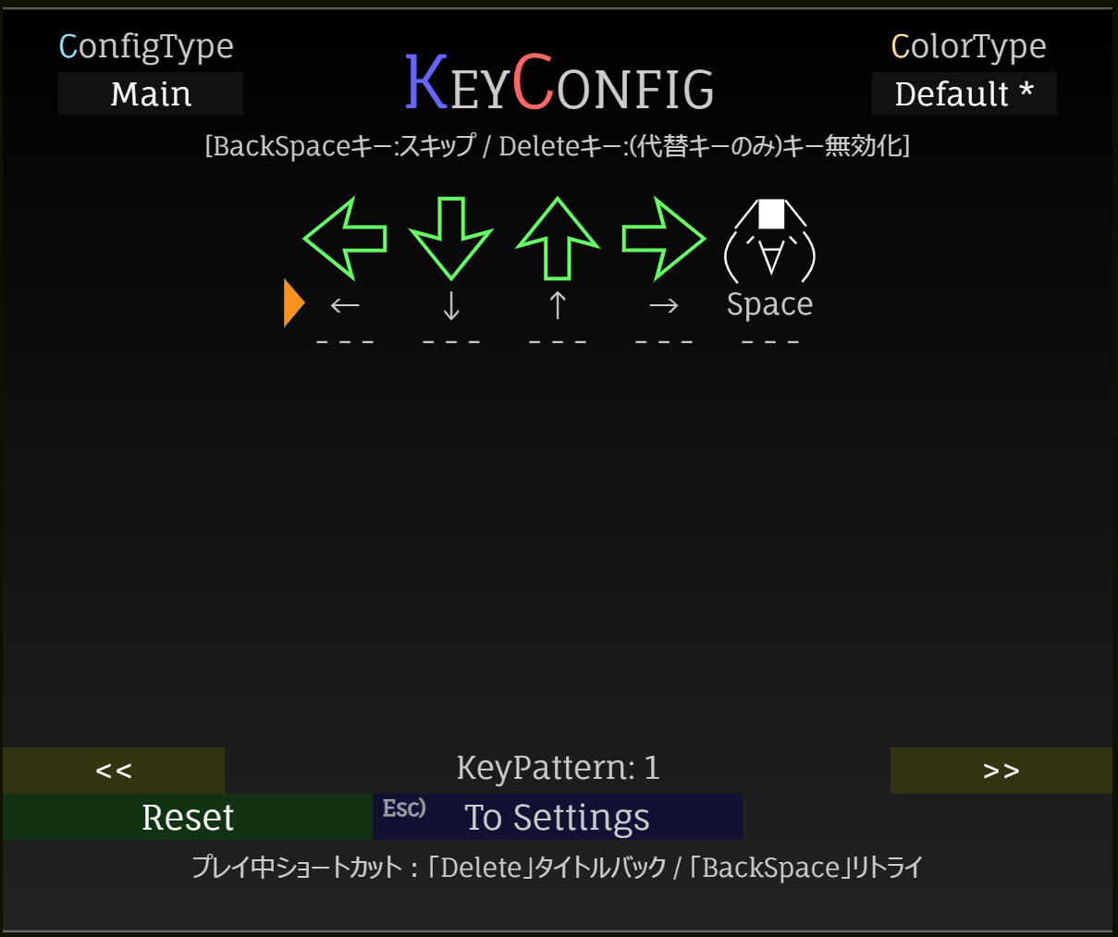
lnkcolorType

lnkKcType
kcDesc

cursor
arrowShadowN
arrowN
keyconN_P
keyconSprite

lblPattern
btnPtnChangeR
btnPtnChangeL
btnBack

btnReset
divBack

scBack
scMsg
kcMsg

lblTitle
lblMusicData
lblResultPre2
lblMusic
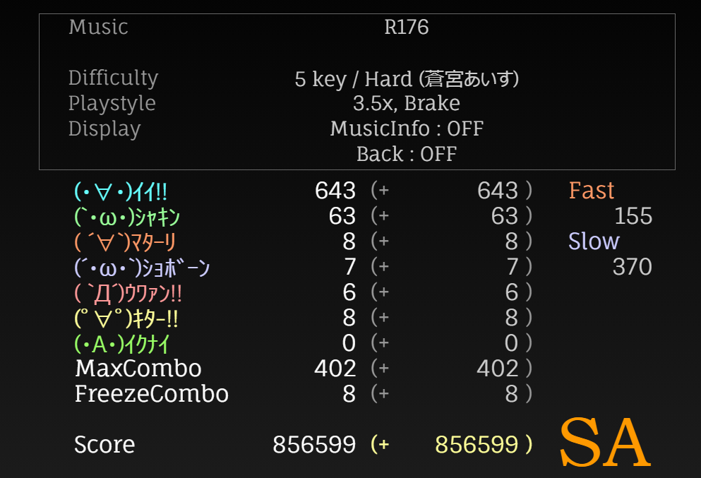
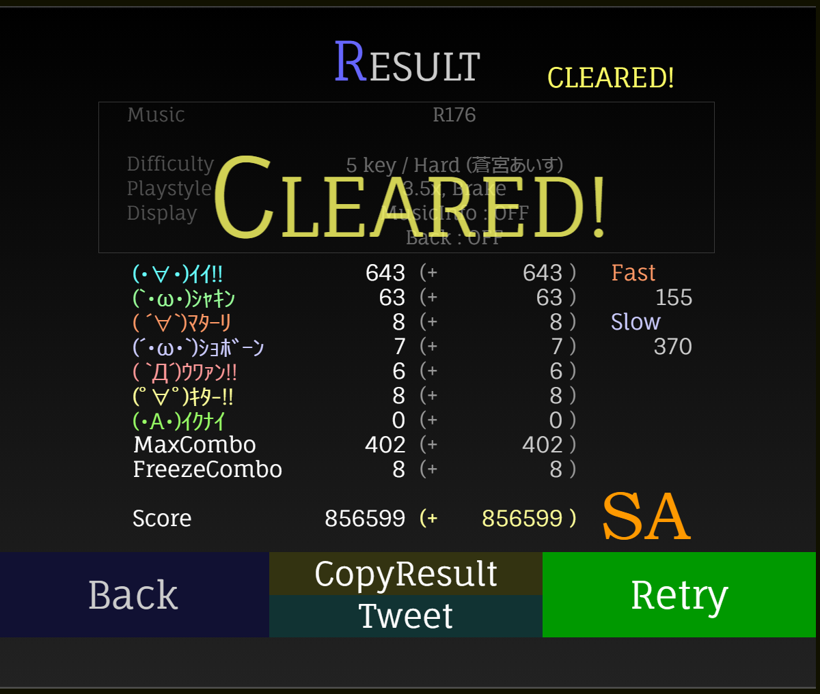
lblMusicData2
maskResultSprite
lblDifficulty
lblDifData
lblStyleData
lblStyle
lblResultPre
playDataWindow
lblDisplay
lblDisplayData
lblDisplay2Data

lblIi
lblIiS
lblFast
lblShakin
lblShakinS
lblFastS
resultWindow
lblMatariS
lblIiL1
lblIiL2
lblSlow
lblMatari
lblSlowS
lblShobon
lblIiLS
scBack
lblUwan
scCopy
backResultSprite
lblKita
lblIknai
scTweet
scRetry
divBack
lblMCombo
btnBack
scGitter
lblFCombo
btnRetry
btnCopy
lblScore
btnTweet
btnGitter
lblAutoView: (No Record)部分
lblRank

