1-0 组网拓扑图
XX项目组网拓扑图

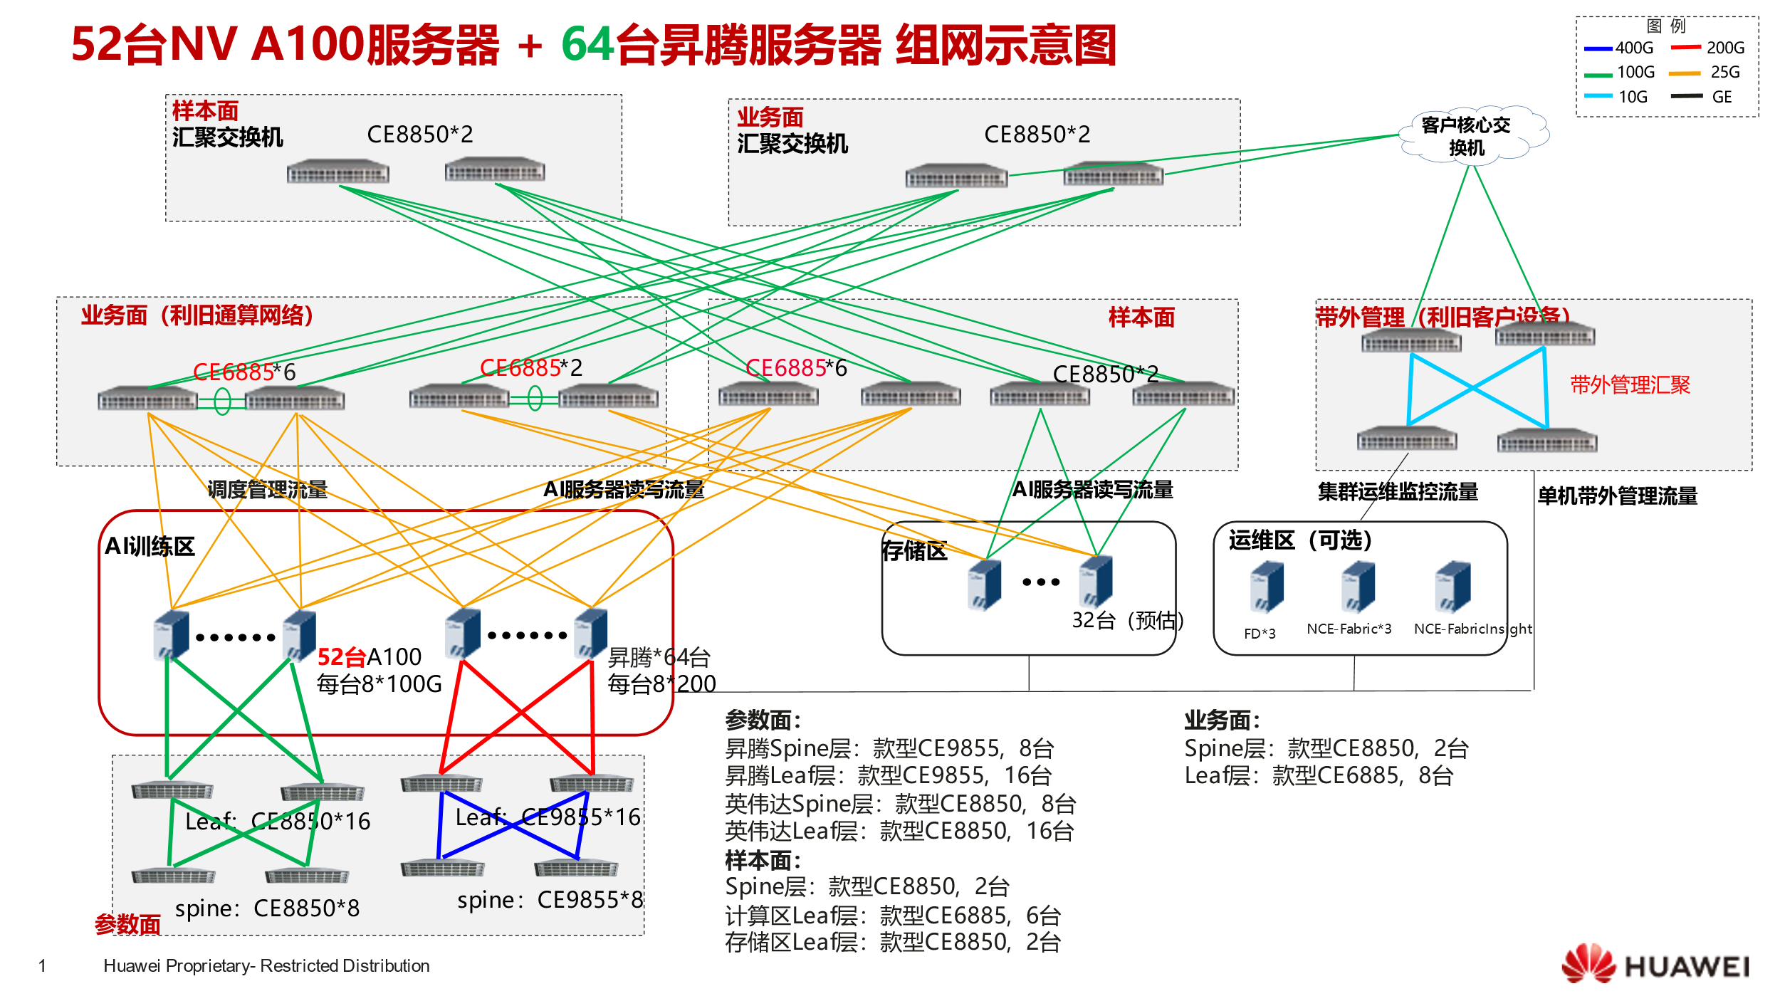
计算节点：
xx台 Atlas800 9000 A2
参数面：200GE，Leaf-Spine组网，1:1无阻塞， leaf交换机CE9860 xx台，Spine交换机 16808 xx台；
Atlas-Leaf采用光模块+1分2光纤；
存储面：Leaf交换机2台CE8850，存储设备，上行38*100GE光口，ROCE网络。
SPINE/BMC/管理交换机
业务面：2*10GE，TCP网络
运维平台：
（1）网络运维平台NCE，分为NCE-Fabric和NCE-FabricInsight，每台出两个万兆口接带外管理交换机。
（2）计算侧运维平台FD，三台服务器组成，接带外管理交换机
备注：xxx

