国债
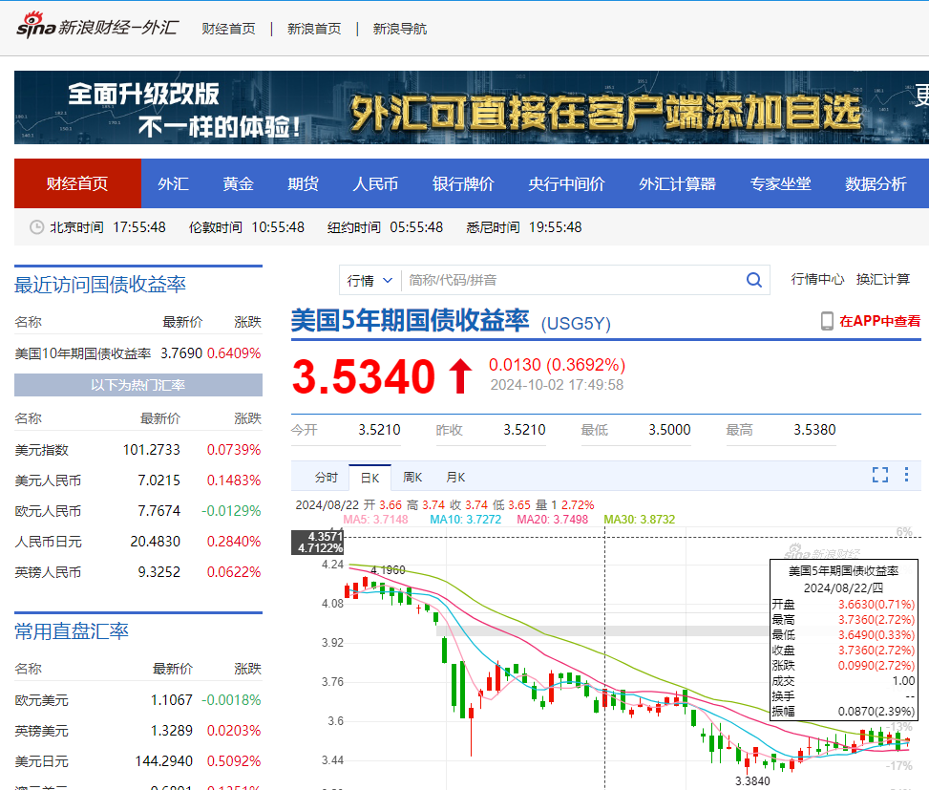
2024/10/2日查询美国5年期国债收益率约为3.53%
对5年期美国国债采用持有至到期策略,使用摊余成本法计算净值

