WSFC CLUSTER
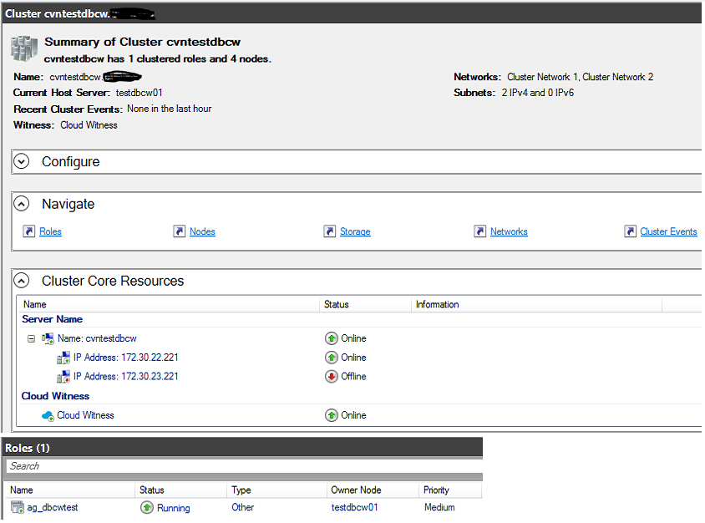
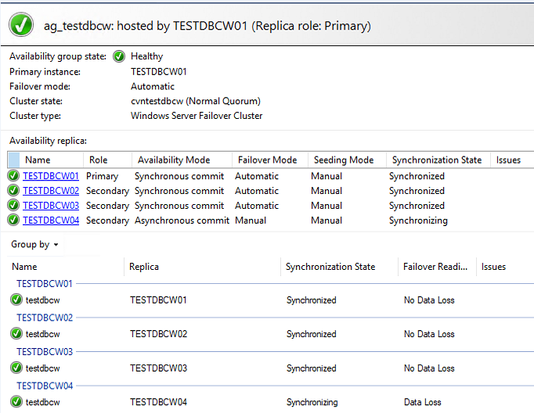
SQL AG (CLUSTERED ROLE) ON A WINDOWS 2019 SERVER FAILOVER CLUSTER

