SQL
 |  |  | Asset Management System

employees
Column Name | Data Type | Constraints | Description
employee_id | INT | PRIMARY KEY, AUTO_INCREMENT | Unique identifier for employees
name | VARCHAR(100) | NOT NULL | Name of the employee | ER DIAGRAM: | https://dbdiagram.io/d/asset_management_db-684dcb7d3cc77757c8e5d339
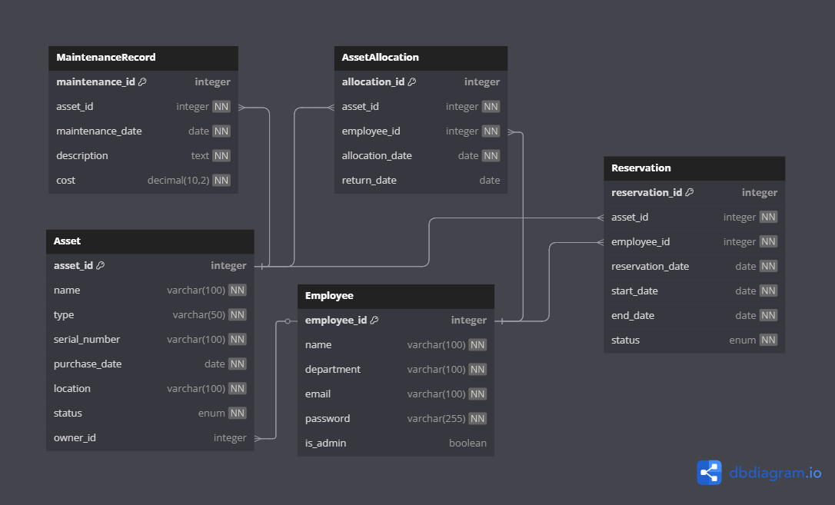
department | VARCHAR(100) | NOT NULL | Department the employee belongs to
email | VARCHAR(100) | NOT NULL, UNIQUE | Employee's email address
password | VARCHAR(255) | NOT NULL | Hashed password
is_admin | BOOLEAN | DEFAULT FALSE | Indicates if the employee is admin

assets
Column Name | Data Type | Constraints | Description
asset_id | INT | PRIMARY KEY, AUTO_INCREMENT | Unique identifier for assets
name | VARCHAR(100) | NOT NULL | Name of the asset
type | VARCHAR(50) | NOT NULL | Type/category of asset
serial_number | VARCHAR(100) | NOT NULL, UNIQUE | Unique serial number
purchase_date | DATE | NOT NULL | Date of purchase
location | VARCHAR(100) | NOT NULL | Physical location of asset
status | ENUM | NOT NULL, VALUES: in_use, decommissioned, under_maintenance | Current status of asset
owner_id | INT | FOREIGN KEY (employees.employee_id) | Current owner (employee) of the asset

maintenance_records
Column Name | Data Type | Constraints | Description
maintenance_id | INT | PRIMARY KEY, AUTO_INCREMENT | Unique maintenance record ID
asset_id | INT | NOT NULL, FOREIGN KEY (assets.asset_id) | Asset being maintained
maintenance_date | DATE | NOT NULL | Date of maintenance
description | TEXT | NOT NULL | Description of the maintenance
cost | DECIMAL(10,2) | NOT NULL | Cost of the maintenance

asset_allocations
Column Name | Data Type | Constraints | Description
allocation_id | INT | PRIMARY KEY, AUTO_INCREMENT | Unique allocation ID
asset_id | INT | NOT NULL, FOREIGN KEY (assets.asset_id) | Allocated asset
employee_id | INT | NOT NULL, FOREIGN KEY (employees.employee_id) | Employee assigned the asset
allocation_date | DATE | NOT NULL | Date asset was allocated
return_date | DATE | NULLABLE | Date asset was returned

reservations
Column Name | Data Type | Constraints | Description
reservation_id | INT | PRIMARY KEY, AUTO_INCREMENT | Unique reservation ID
asset_id | INT | NOT NULL, FOREIGN KEY (assets.asset_id) | Reserved asset
employee_id | INT | NOT NULL, FOREIGN KEY (employees.employee_id) | Employee reserving the asset
reservation_date | DATE | NOT NULL | Date reservation was made
start_date | DATE | NOT NULL | Start date of reservation
end_date | DATE | NOT NULL | End date of reservation
status | ENUM | DEFAULT 'pending', VALUES: pending, approved, canceled | Status of the reservation

Sheet1
