Site Plan
Client : | Luton Borough Council | Site plan for : | Overview | Client : | Luton Borough Council | Site plan for : | Bedford | Client : | Luton Borough Council | Site plan for : | Bedford St John | Client : | Luton Borough Council | Site plan for : | Flitwick | Client : | Luton Borough Council | Site plan for : | Harlington | Client : | Luton Borough Council | Site plan for : | Leagrave | Client : | Luton Borough Council | Site plan for : | Luton Airport Pkwy | Client : | Luton Borough Council | Site plan for : | Luton
Project : | 1335-WTR Luton 7 Stations | Date : | 27-29th Nov 2018 | Project : | 1335-WTR Luton 7 Stations | Date : | 2018-11-27 | Project : | 1335-WTR Luton 7 Stations | Date : | 2018-11-27 | Project : | 1335-WTR Luton 7 Stations | Date : | 2018-11-29 | Project : | 1335-WTR Luton 7 Stations | Date : | 2018-11-29 | Project : | 1335-WTR Luton 7 Stations | Date : | 2018-11-28 | Project : | 1335-WTR Luton 7 Stations | Date : | 2018-11-28 | Project : | 1335-WTR Luton 7 Stations | Date : | 2018-11-28
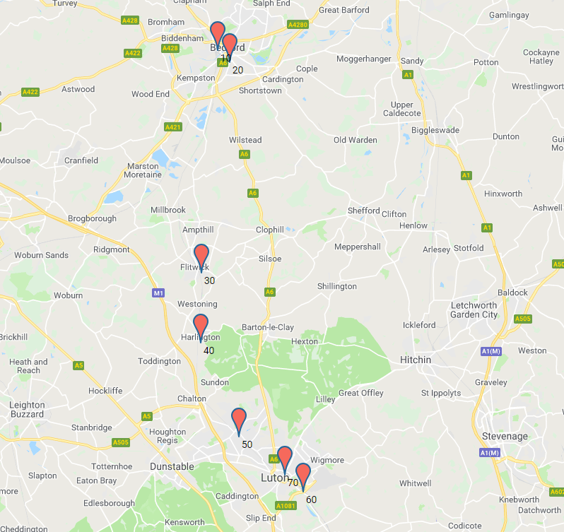
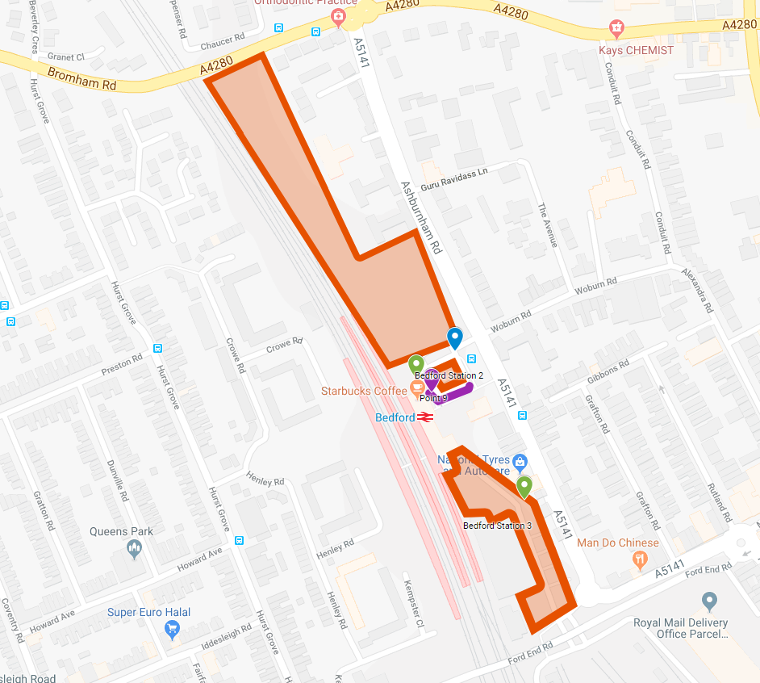
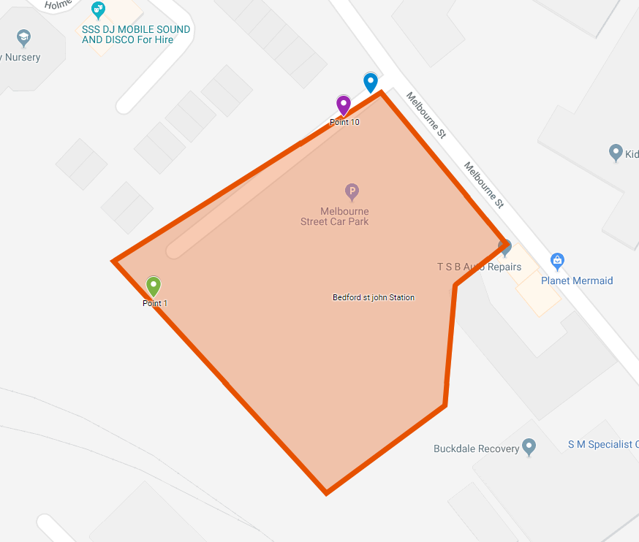
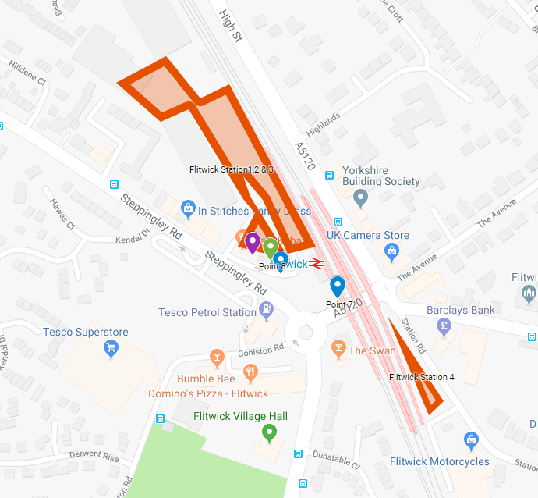
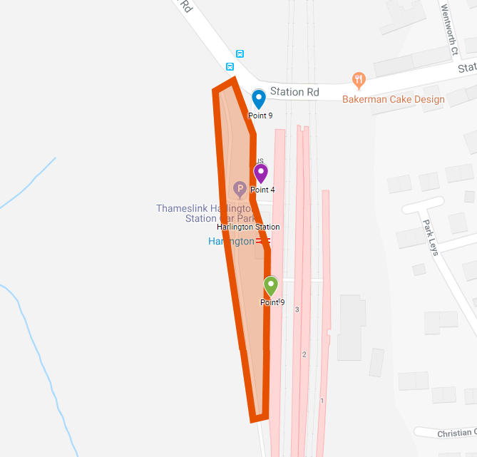
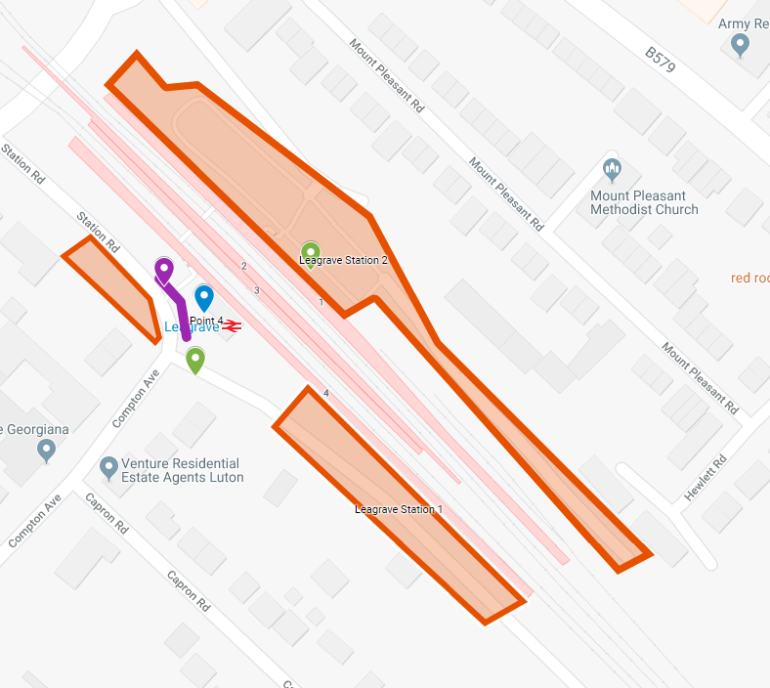
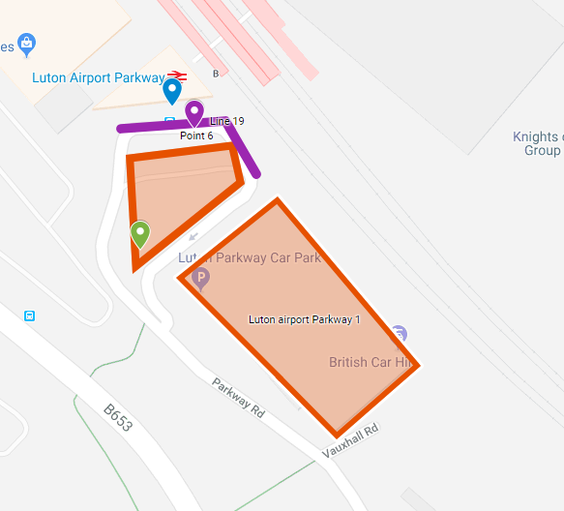
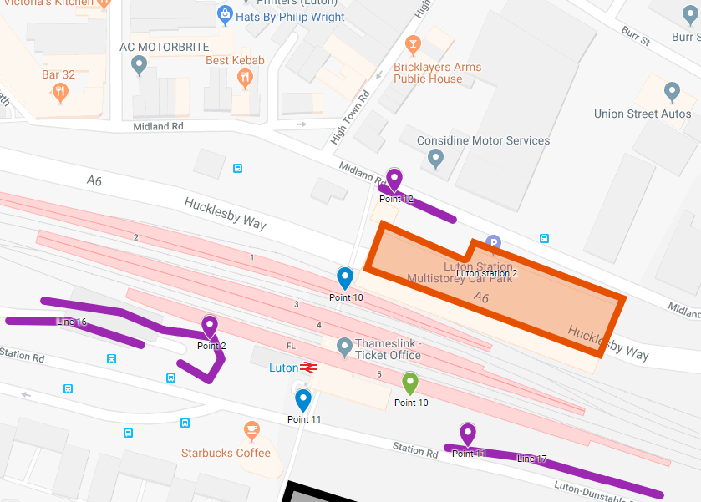

Southbound
Northbound

