Site Plan
Client : | Luton Borough Council | Site plan for : | Overview | Client : | Luton Borough Council | Site plan for : | Bedford Pedestrian | Client : | Luton Borough Council | Site plan for : | Bedford St John | Client : | Luton Borough Council | Site plan for : | Flitwick | Client : | Luton Borough Council | Site plan for : | Harlington | Client : | Luton Borough Council | Site plan for : | Leagrave | Client : | Luton Borough Council | Site plan for : | Luton Airport Pkwy | Client : | Luton Borough Council | Site plan for : | Luton
Project : | 1335-WTR Luton 7 Stations | Date : | 27-29th Nov 2018 | Project : | 1335-WTR Luton 7 Stations | Date : | 2018-11-27 | Project : | 1335-WTR Luton 7 Stations | Date : | 2018-11-27 | Project : |  | Date : | 2018-11-29 | Project : | 1335-WTR Luton 7 Stations | Date : | 2018-11-29 | Project : | 1335-WTR Luton 7 Stations | Date : | 2018-11-28 | Project : | 1335-WTR Luton 7 Stations | Date : | 2018-11-28 | Project : | 1335-WTR Luton 7 Stations | Date : | 2018-11-28
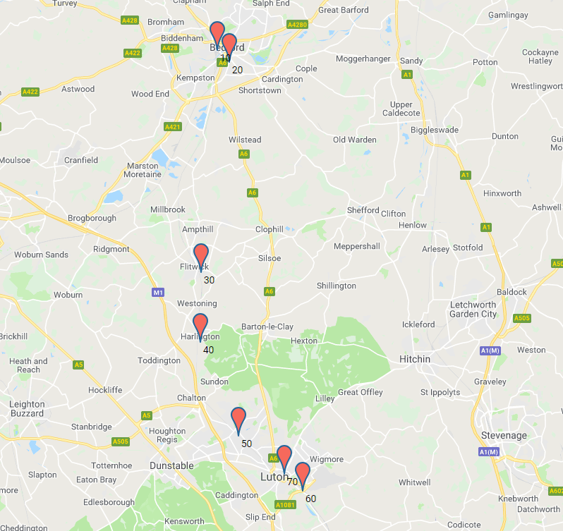
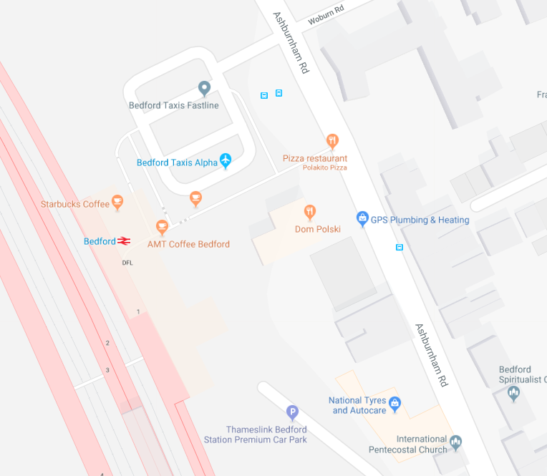
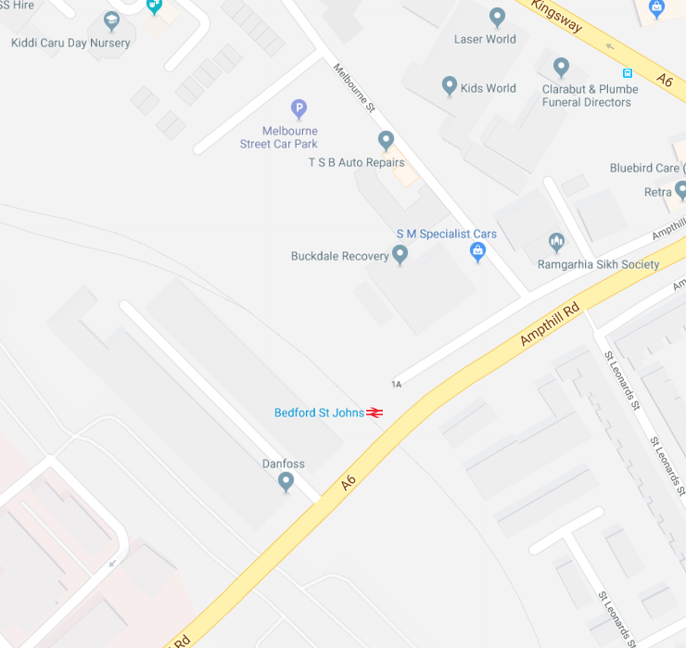
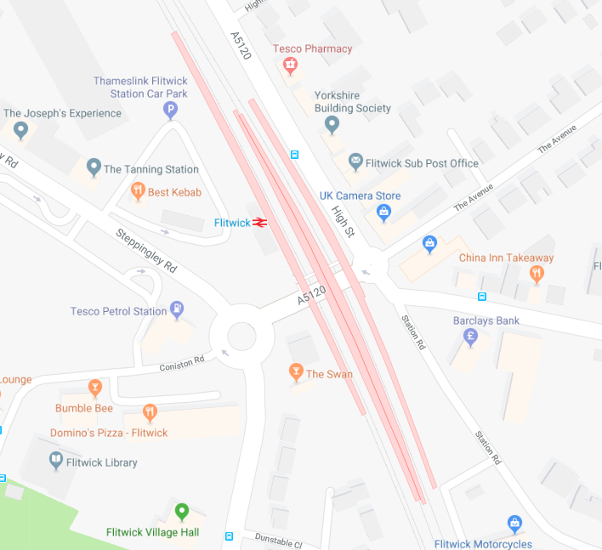
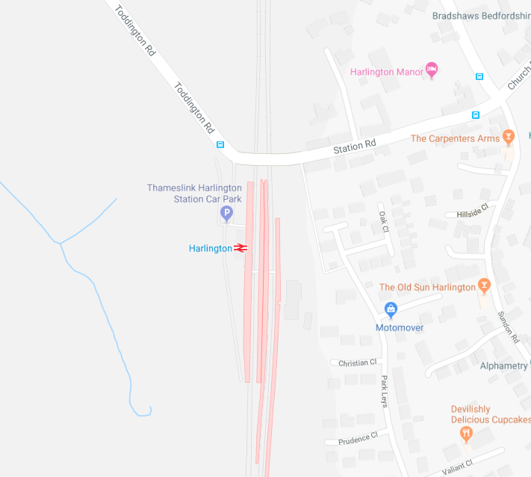
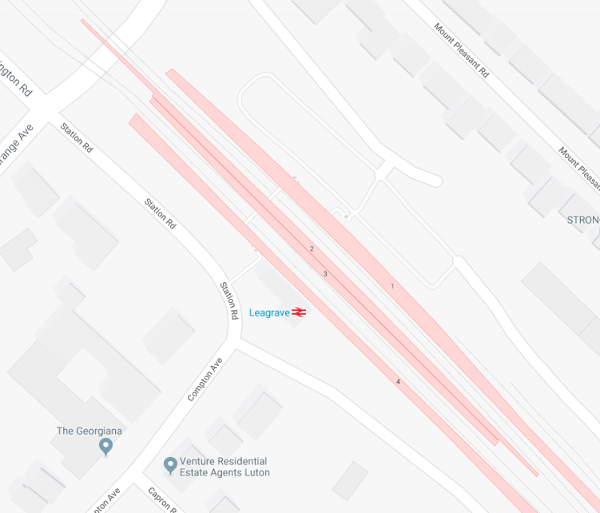
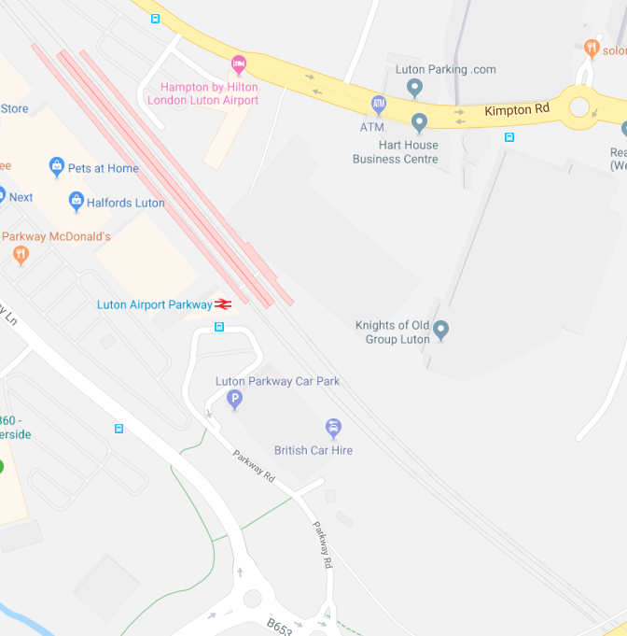
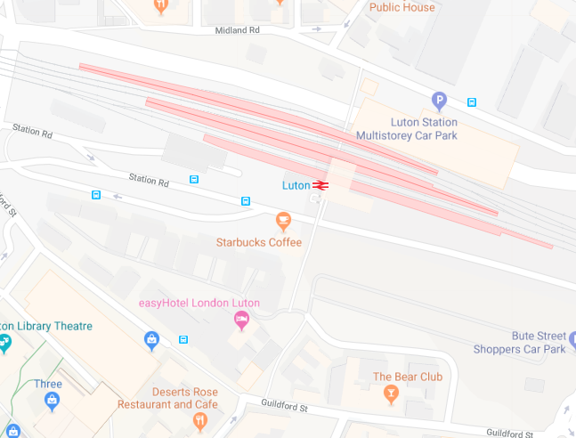
Camera 10

Camera 9
Camera 4
A
Southbound
Camera 3
Camera 3
Camera 7
C
B
Camera 12
Northbound
Camera 5
Camera 13
Camera 4
Camera 3
Camera 1
Camera 2
Camera 2
Camera 4
Camera 2
Camera 1
Camera 7
Camera 5
Camera 4
Camera 3
Camera 3
Camera 4
Camera 5
Camera 2

Camera 2
Camera 6
Camera 6

Camera 6
Camera 7

Camera 7

