Site Plan
Client : | Luton Borough Council | Site plan for : | Overview | Client : | Luton Borough Council | Site plan for : | Bedford | Client : | Luton Borough Council | Site plan for : | Bedford St John | Client : | Luton Borough Council | Site plan for : | Flitwick | Client : | Luton Borough Council | Site plan for : | Harlington | Client : | Luton Borough Council | Site plan for : | Leagrave | Client : | Luton Borough Council | Site plan for : | Luton Airport Pkwy | Client : | Luton Borough Council | Site plan for : | Luton
Project : | 1335-WTR Luton 7 Stations | Date : | 27-29th Nov 2018 | Project : | 1335-WTR Luton 7 Stations | Date : | 2018-11-27 | Project : | 1335-WTR Luton 7 Stations | Date : | 2018-11-27 | Project : | 1335-WTR Luton 7 Stations | Date : | 2018-11-29 | Project : | 1335-WTR Luton 7 Stations | Date : | 2018-11-29 | Project : |  | Date : | 2018-11-28 | Project : |  | Date : | 2018-11-28 | Project : |  | Date : | 2018-11-28
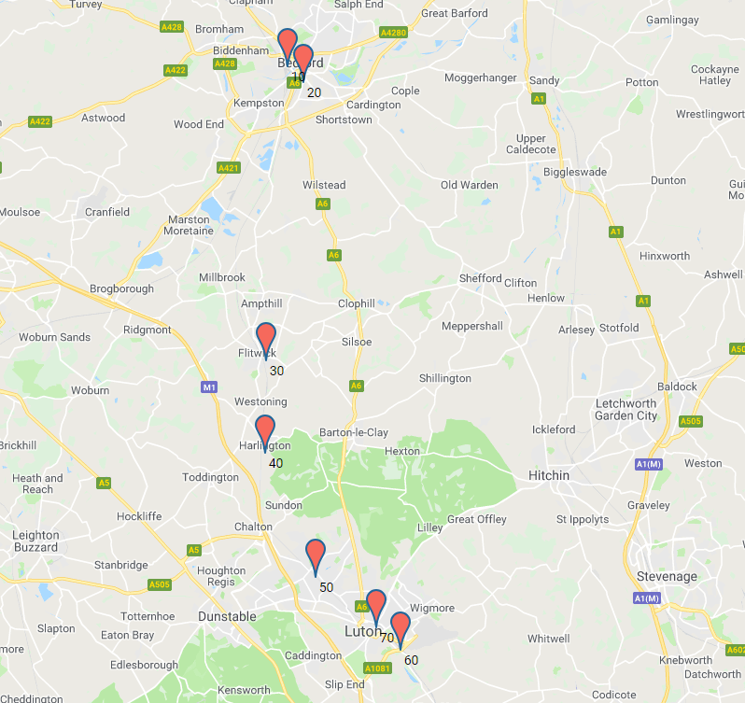
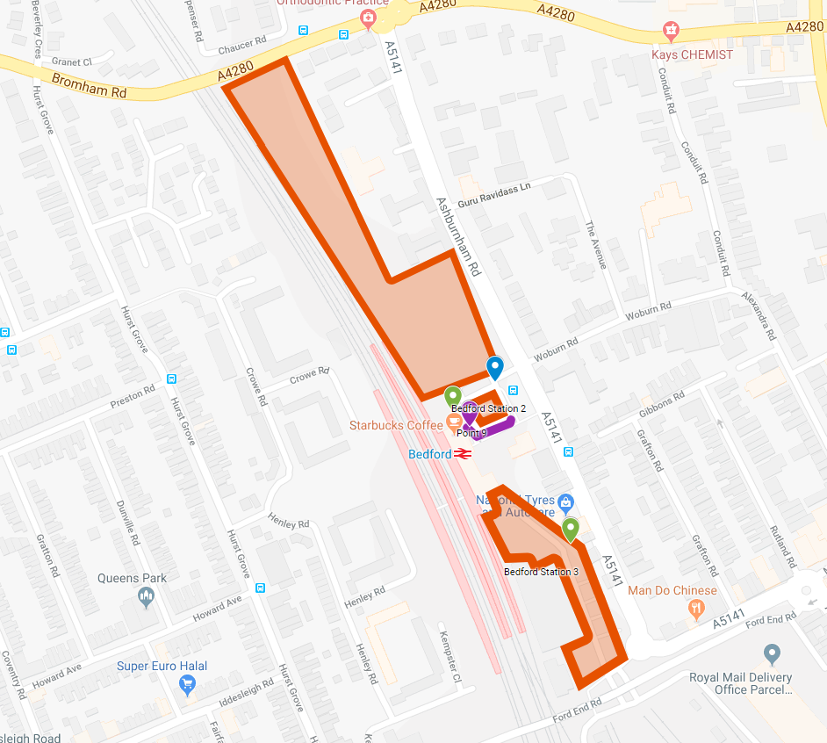
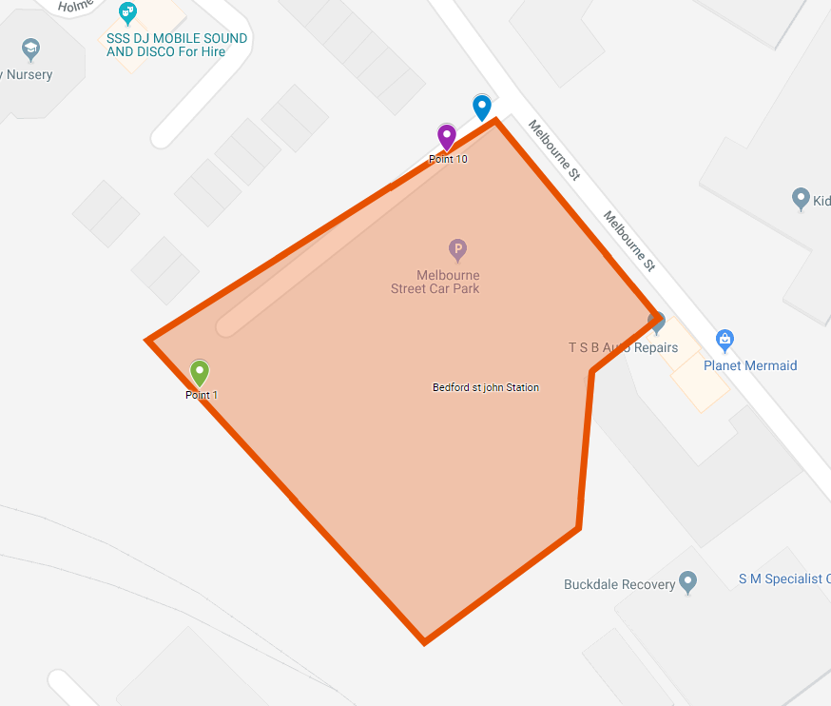
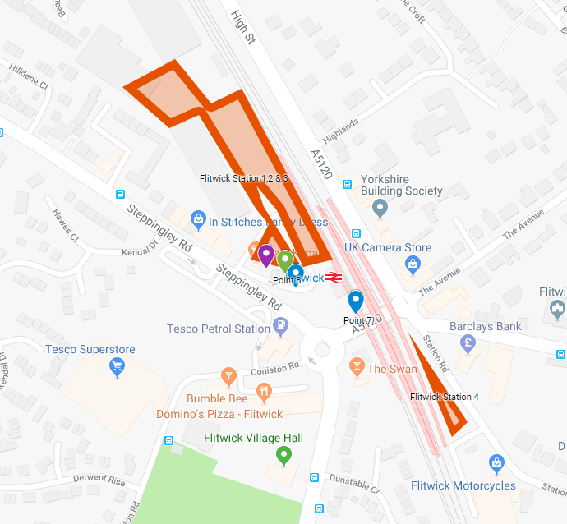
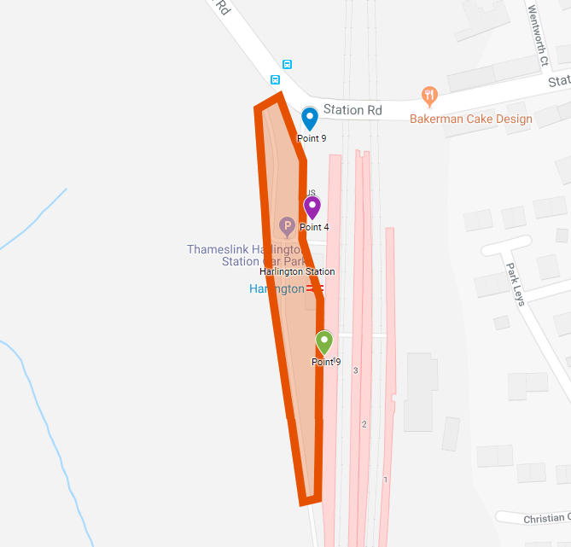
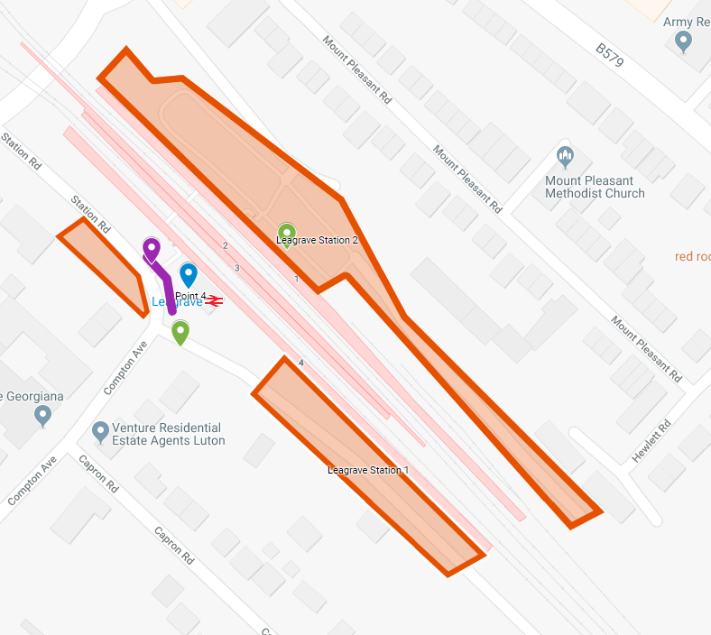
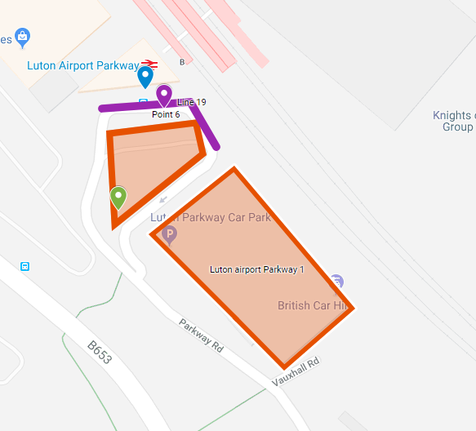
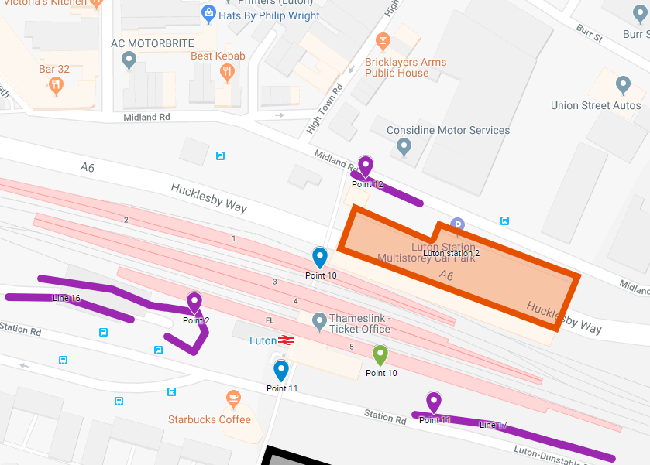

Southbound
Northbound
Site 53
Site 32
Site 41
Site 61
Site 12
Site 21
Site 52
Site 14
Site 31
Site 62
Site 71
Site 11
Site 51

Site 13
Site 33

