Assets
Paleta de Cores

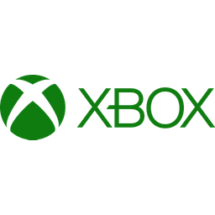

Logos

Dashboard
XBOX GAMEPASS SUBSCRIPTIONS SALE

R$ 71,00
TOTAL SUBSCRIPTIONS EA SEASON PASS
R$ 940,00
TOTAL SUBSCRIPTIONS MINECRAFT

 | Total
No | R$ 217.00
Yes | R$ 1,537.00

