Read me
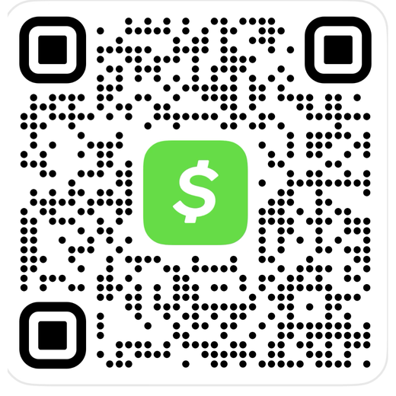
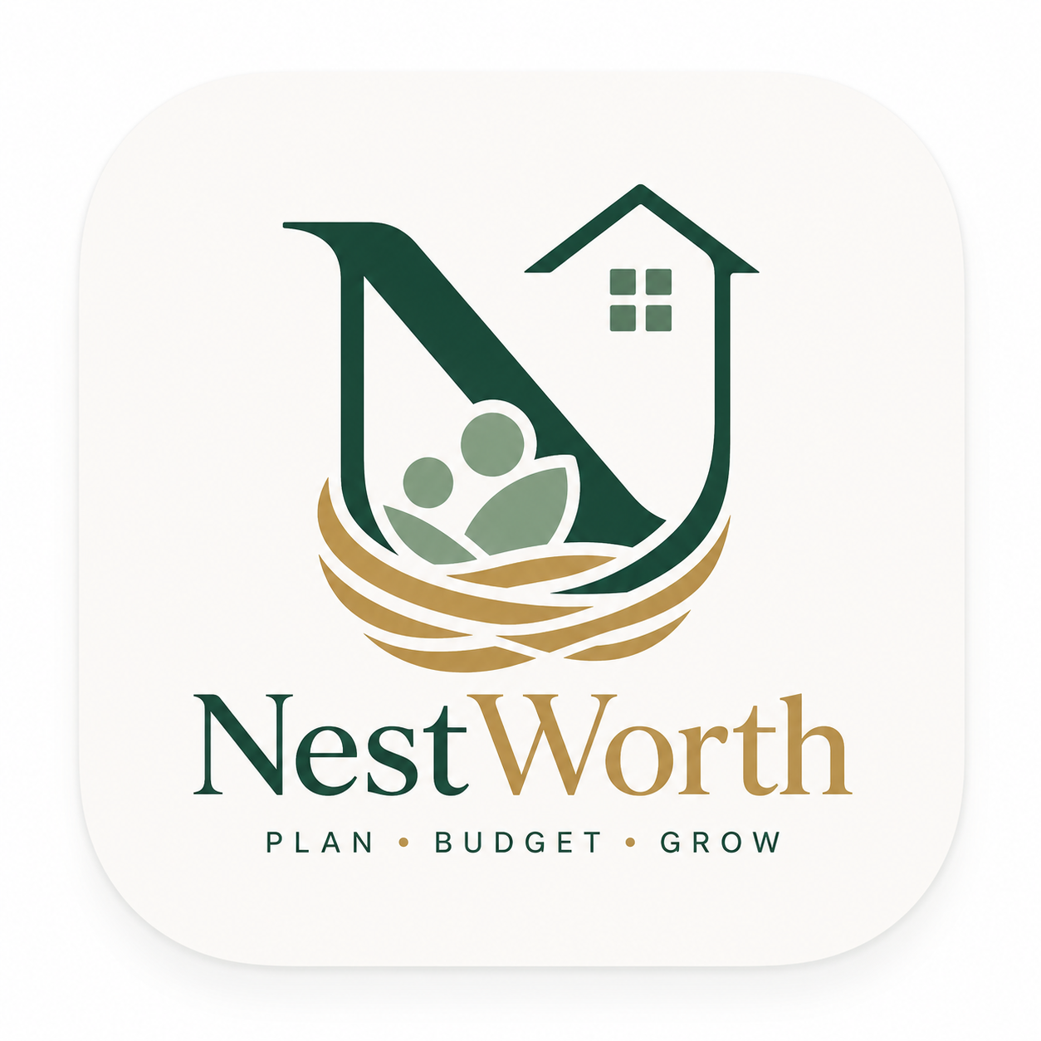

━━━ YOU ARE ALL SET UP — NOTHING TO INSTALL ━━━
This sheet was created for you automatically. There is no code to touch and nothing to deploy. The phone app does all the work — this sheet just quietly stores what you enter.

━━━ HOW TO USE IT ━━━
1. Open NestWorth. Tap “Open NestWorth” on that page, then “Create my budget.” (Sign in with your Google account if it asks.)
2. Add the icon: Right after your budget is created, NestWorth shows an “Add to my home screen” button — tap it and follow the quick step. You’ll get the NestWorth icon, and tapping it opens straight into the app. (iPhone Safari: Share ▸ Add to Home Screen ▸ Add. Android: Chrome ⋮ ▸ Add to Home screen.)
3. Add expenses: Type the Company (the category fills itself in), enter the Amount, tap Add entry. It saves to this sheet automatically.

━━━ WHERE YOUR DATA LIVES ━━━
This sheet — “My Budget”, in your own Google Drive — is your private data. Only you can see it. You never need to open it day to day; the app reads and writes it for you.
Tip: You can keep more than one budget — say, your personal one and a shared family one. In the app, open Settings ▸ Your budgets ▸ + New budget to create one, then tap "Share with others" to invite family. A name pill appears at the top to switch between them.

━━━ TO INVITE SOMEONE ELSE ━━━
Please do NOT use Google’s “Share” button on this sheet — it holds your private numbers, and sharing the sheet would hand someone your data.
Instead, send them the same app link from step 1 above. They open it, tap “Create my budget,” and get their OWN private budget. Everyone stays completely separate.

━━━ YOU DO NOT NEED TO ━━━
• Make a copy of anything • Open Apps Script or paste any code • Deploy anything
That was the old way. The app is now maintained in one place — when it is improved, you get the update automatically, with nothing to do on your end.

━━━ OPTIONAL: SCAN RECEIPTS OR STATEMENTS ━━━
In the app: Settings ▸ Receipt scanning ▸ paste a free Google AI (Gemini) key from aistudio.google.com/app/apikey. It is per person and optional.

━━━ HOW THE NUMBERS WORK (for the curious) ━━━
• Account Ledger — every transaction, one row: Year, Month, Date, Payee, Category, Company, Amount, Description, Reimbursed.
• Account Summary — your categories and monthly budgets; the “Spent” columns fill themselves from the ledger. Any month over budget turns red.
• A deposit is a ledger row with Category = “Deposit” and the contributor’s name in Payee. The balance check at the bottom turns green when deposits cover spending.

━━━ QUESTIONS & FEEDBACK ━━━
Questions or feedback? Email the creator, Dr. Candice Z. Ulmer Holland, Ph.D. — czulmer@gmail.com
NestWorth — a product of Ulmer Consulting, LLC

━━━ ENJOYING THE APP? ━━━
This budget system is free to use. If it saves you time and you would like to support it — thank you!
Cash App: $candiu08 (Candi U) — or scan the code below

