48(24)一年相对值OR
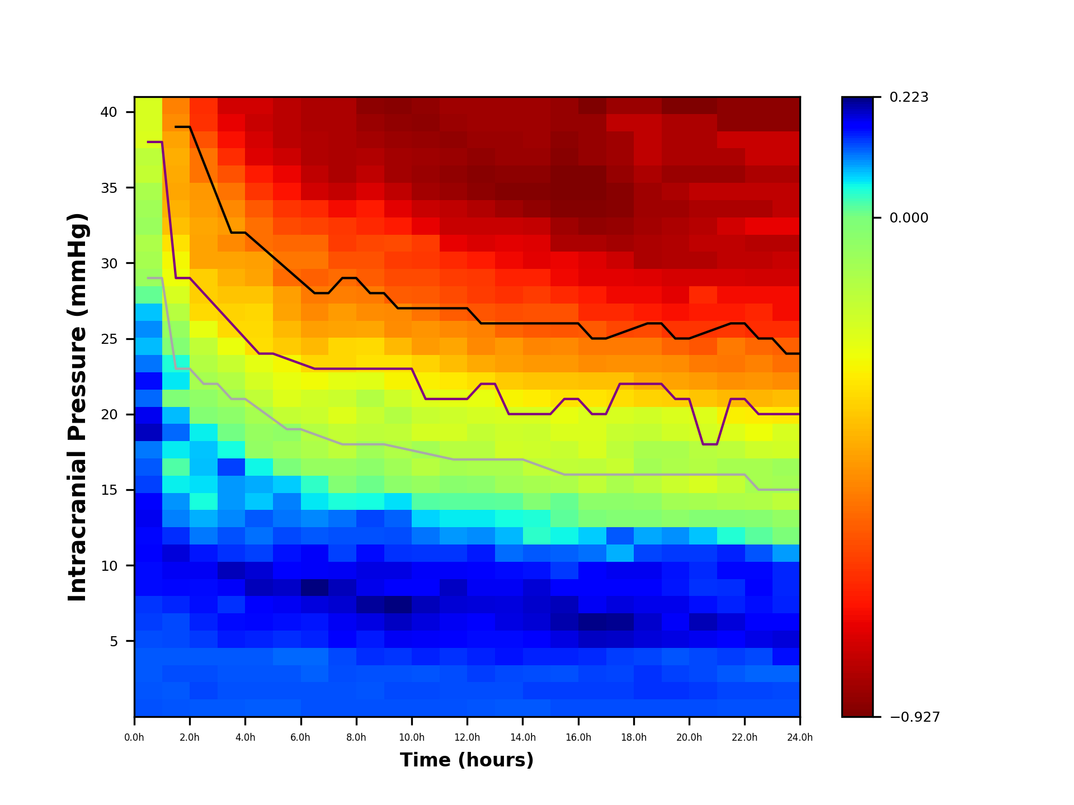
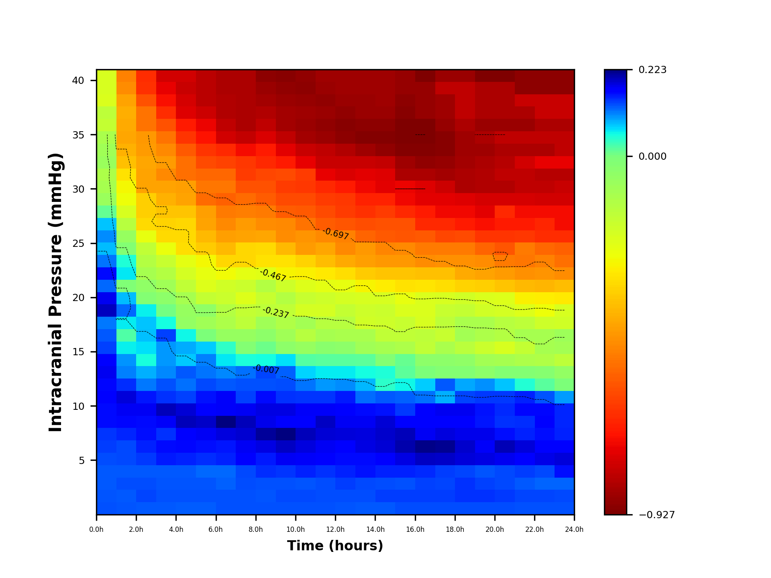
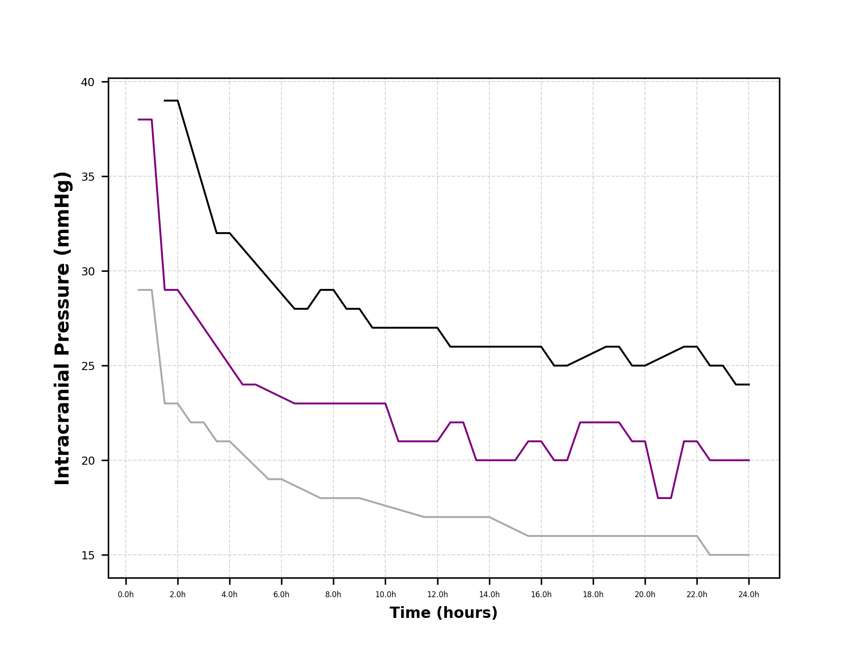
24 | 0.1314943511 | 0.13523351888 | 0.12329511668 | 0.16041269444 | 0.18716139421 | 0.16685415175 | 0.15241062555 | 0.15031239053 | 0.15120306989 | 0.097898879256 | -0.0010221294381 | -0.054067270167 | -0.14482057666 | -0.091596123036 | -0.076500457436 | -0.18927395927 | -0.20772421722 | -0.30122778695 | -0.38951352355 | -0.48370286563 | -0.53731551258 | -0.56906836956 | -0.66789535681 | -0.73138595036 | -0.73626984217 | -0.79487654391 | -0.80464432753 | -0.83720360628 | -0.75580540942 | -0.82417989478 | -0.82417989478 | -0.85348324565 | -0.80464432753 | -0.80464432753 | -0.90232216377 | -0.90232216377
23.5 | 0.1314943511 | 0.13523351888 | 0.12329511668 | 0.16041269444 | 0.18716139421 | 0.16685415175 | 0.15241062555 | 0.15031239053 | 0.15120306989 | 0.097898879256 | -0.0010221294381 | -0.054067270167 | -0.14482057666 | -0.091596123036 | -0.076500457436 | -0.18927395927 | -0.20772421722 | -0.30122778695 | -0.38951352355 | -0.48370286563 | -0.53731551258 | -0.56906836956 | -0.66789535681 | -0.73138595036 | -0.73626984217 | -0.79487654391 | -0.80464432753 | -0.83720360628 | -0.75580540942 | -0.82417989478 | -0.82417989478 | -0.85348324565 | -0.80464432753 | -0.80464432753 | -0.90232216377 | -0.90232216377
23 | 0.1314943511 | 0.13740413747 | 0.12366232659 | 0.13550484621 | 0.18206737407 | 0.17213403479 | 0.16086351523 | 0.16589927929 | 0.16523912871 | 0.12915578685 | 0.019056828756 | -0.024905738297 | -0.12089947391 | -0.099457997659 | -0.095043576079 | -0.18706833071 | -0.25764844463 | -0.29454896054 | -0.40266246304 | -0.46721180237 | -0.50646988009 | -0.55183110434 | -0.66789535681 | -0.68442545217 | -0.73360590118 | -0.79487654391 | -0.82417989478 | -0.83720360628 | -0.75580540942 | -0.85348324565 | -0.82417989478 | -0.85348324565 | -0.80464432753 | -0.80464432753 | -0.90232216377 | -0.90232216377
22.5 | 0.1314943511 | 0.13740413747 | 0.12366232659 | 0.13550484621 | 0.18206737407 | 0.17213403479 | 0.16086351523 | 0.16589927929 | 0.16523912871 | 0.12915578685 | 0.019056828756 | -0.024905738297 | -0.12089947391 | -0.099457997659 | -0.095043576079 | -0.18706833071 | -0.25764844463 | -0.29454896054 | -0.40266246304 | -0.46721180237 | -0.50646988009 | -0.55183110434 | -0.66789535681 | -0.68442545217 | -0.73360590118 | -0.79487654391 | -0.82417989478 | -0.83720360628 | -0.75580540942 | -0.85348324565 | -0.82417989478 | -0.85348324565 | -0.80464432753 | -0.80464432753 | -0.90232216377 | -0.90232216377
22 | 0.1314943511 | 0.13740413747 | 0.12806884551 | 0.14008349478 | 0.17213403479 | 0.18797368391 | 0.15278276535 | 0.14796632274 | 0.16531930203 | 0.15259846755 | 0.047163861966 | -0.016599411487 | -0.10940796376 | -0.1599706084 | -0.095782316017 | -0.14925755539 | -0.21857731014 | -0.28257313388 | -0.39139194347 | -0.47763591928 | -0.52556479544 | -0.51735657391 | -0.64835978956 | -0.7069664913 | -0.73360590118 | -0.78688472095 | -0.82417989478 | -0.82417989478 | -0.79069035093 | -0.85348324565 | -0.82417989478 | -0.88278659652 | -0.85348324565 | -0.80464432753 | -0.90232216377 | -0.90232216377
21.5 | 0.1314943511 | 0.13740413747 | 0.12806884551 | 0.14008349478 | 0.17213403479 | 0.18797368391 | 0.15278276535 | 0.14796632274 | 0.16531930203 | 0.15259846755 | 0.047163861966 | -0.016599411487 | -0.10940796376 | -0.1599706084 | -0.095782316017 | -0.14925755539 | -0.21857731014 | -0.28257313388 | -0.39139194347 | -0.47763591928 | -0.52556479544 | -0.51735657391 | -0.64835978956 | -0.7069664913 | -0.73360590118 | -0.78688472095 | -0.82417989478 | -0.82417989478 | -0.79069035093 | -0.85348324565 | -0.82417989478 | -0.88278659652 | -0.85348324565 | -0.80464432753 | -0.90232216377 | -0.90232216377
21 | 0.13363328183 | 0.14174537463 | 0.13467862391 | 0.1357887934 | 0.17945987251 | 0.20117339151 | 0.16107616654 | 0.14549462491 | 0.14882455115 | 0.14168899493 | 0.081638392401 | -0.018337745861 | -0.098358434775 | -0.20636758061 | -0.12881929846 | -0.13035216773 | -0.19904174289 | -0.22194551139 | -0.37052061094 | -0.45056217119 | -0.52049062213 | -0.58975308782 | -0.65525469565 | -0.7069664913 | -0.68032708142 | -0.78688472095 | -0.84016354071 | -0.82417989478 | -0.83720360628 | -0.85348324565 | -0.82417989478 | -0.88278659652 | -0.85348324565 | -0.85348324565 | -0.85348324565 | -0.92674162283
20.5 | 0.13363328183 | 0.14174537463 | 0.13467862391 | 0.1357887934 | 0.17945987251 | 0.20117339151 | 0.16107616654 | 0.14549462491 | 0.14882455115 | 0.14168899493 | 0.081638392401 | -0.018337745861 | -0.098358434775 | -0.20636758061 | -0.12881929846 | -0.13035216773 | -0.19904174289 | -0.22194551139 | -0.37052061094 | -0.45056217119 | -0.52049062213 | -0.58975308782 | -0.65525469565 | -0.7069664913 | -0.68032708142 | -0.78688472095 | -0.84016354071 | -0.82417989478 | -0.83720360628 | -0.85348324565 | -0.82417989478 | -0.88278659652 | -0.85348324565 | -0.85348324565 | -0.85348324565 | -0.92674162283
20 | 0.13363328183 | 0.1460866118 | 0.13908514283 | 0.12963299155 | 0.18434376432 | 0.17470450417 | 0.18042743598 | 0.15748235936 | 0.15896398946 | 0.14245975543 | 0.10318497392 | -0.037175614277 | -0.088340195161 | -0.17584325679 | -0.11297964935 | -0.10258487961 | -0.18927395927 | -0.21184090764 | -0.34881442512 | -0.4373756633 | -0.48053150731 | -0.56044973695 | -0.65812757319 | -0.72420375652 | -0.76191027418 | -0.78688472095 | -0.84016354071 | -0.84016354071 | -0.85348324565 | -0.87441421056 | -0.85348324565 | -0.88278659652 | -0.85348324565 | -0.85348324565 | -0.85348324565 | -0.92674162283
19.5 | 0.13363328183 | 0.1460866118 | 0.13908514283 | 0.12963299155 | 0.18434376432 | 0.17470450417 | 0.18042743598 | 0.15748235936 | 0.15896398946 | 0.14245975543 | 0.10318497392 | -0.037175614277 | -0.088340195161 | -0.17584325679 | -0.11297964935 | -0.10258487961 | -0.18927395927 | -0.21184090764 | -0.34881442512 | -0.4373756633 | -0.48053150731 | -0.56044973695 | -0.65812757319 | -0.72420375652 | -0.76191027418 | -0.78688472095 | -0.84016354071 | -0.84016354071 | -0.85348324565 | -0.87441421056 | -0.85348324565 | -0.88278659652 | -0.85348324565 | -0.85348324565 | -0.85348324565 | -0.92674162283
19 | 0.13363328183 | 0.1460866118 | 0.14569492123 | 0.13634368259 | 0.18678571023 | 0.19269778979 | 0.18034992756 | 0.16920369971 | 0.17871905746 | 0.13595705841 | 0.093716616972 | -0.015590556717 | -0.05035436996 | -0.1392140682 | -0.089220175668 | -0.10313986732 | -0.1599706084 | -0.19163170014 | -0.34067460543 | -0.42565432295 | -0.47763591928 | -0.51649471065 | -0.61442959382 | -0.7069664913 | -0.74359567989 | -0.77458960869 | -0.85348324565 | -0.85348324565 | -0.86680295059 | -0.86976288502 | -0.87441421056 | -0.85348324565 | -0.82417989478 | -0.82417989478 | -0.82417989478 | -0.88278659652
18.5 | 0.13363328183 | 0.1460866118 | 0.14569492123 | 0.13634368259 | 0.18678571023 | 0.19269778979 | 0.18034992756 | 0.16920369971 | 0.17871905746 | 0.13595705841 | 0.093716616972 | -0.015590556717 | -0.05035436996 | -0.1392140682 | -0.089220175668 | -0.10313986732 | -0.1599706084 | -0.19163170014 | -0.34067460543 | -0.42565432295 | -0.47763591928 | -0.51649471065 | -0.61442959382 | -0.7069664913 | -0.74359567989 | -0.77458960869 | -0.85348324565 | -0.85348324565 | -0.86680295059 | -0.86976288502 | -0.87441421056 | -0.85348324565 | -0.82417989478 | -0.82417989478 | -0.82417989478 | -0.88278659652
18 | 0.13363328183 | 0.13981416251 | 0.13714495913 | 0.14081747661 | 0.19411154795 | 0.21583201416 | 0.1858271894 | 0.17213403479 | 0.17864589054 | 0.090357241668 | 0.12736502652 | -0.018781736026 | -0.037175614277 | -0.10295864684 | -0.16973839202 | -0.14531893296 | -0.16816294305 | -0.20597371837 | -0.32299154887 | -0.38012142391 | -0.47498163025 | -0.52049062213 | -0.61905643869 | -0.67612085881 | -0.74144102174 | -0.76557319304 | -0.79713064782 | -0.86475376522 | -0.88729480435 | -0.90983584348 | -0.91208994739 | -0.89011243424 | -0.87441421056 | -0.87441421056 | -0.82417989478 | -0.88278659652
17.5 | 0.13363328183 | 0.13981416251 | 0.13714495913 | 0.14081747661 | 0.19411154795 | 0.21583201416 | 0.1858271894 | 0.17213403479 | 0.17864589054 | 0.090357241668 | 0.12736502652 | -0.018781736026 | -0.037175614277 | -0.10295864684 | -0.16973839202 | -0.14531893296 | -0.16816294305 | -0.20597371837 | -0.32299154887 | -0.38012142391 | -0.47498163025 | -0.52049062213 | -0.61905643869 | -0.67612085881 | -0.74144102174 | -0.76557319304 | -0.79713064782 | -0.86475376522 | -0.88729480435 | -0.90983584348 | -0.91208994739 | -0.89011243424 | -0.87441421056 | -0.87441421056 | -0.82417989478 | -0.88278659652
17 | 0.13363328183 | 0.13981416251 | 0.13933177636 | 0.14976506466 | 0.19635168014 | 0.2180001492 | 0.17751079642 | 0.17213403479 | 0.16576374113 | 0.11761617271 | 0.076993285215 | -0.0071849779928 | -0.03864445392 | -0.15888529911 | -0.14815840495 | -0.20354995072 | -0.2157044326 | -0.21247244537 | -0.30995335048 | -0.38137370386 | -0.4815561 | -0.51585768128 | -0.58138070186 | -0.67612085881 | -0.7069664913 | -0.76191027418 | -0.76975938602 | -0.85348324565 | -0.89534517546 | -0.91627614037 | -0.92674162283 | -0.92008177036 | -0.89011243424 | -0.89011243424 | -0.89011243424 | -0.92674162283
16.5 | 0.13363328183 | 0.13981416251 | 0.13933177636 | 0.14976506466 | 0.19635168014 | 0.2180001492 | 0.17751079642 | 0.17213403479 | 0.16576374113 | 0.11761617271 | 0.076993285215 | -0.0071849779928 | -0.03864445392 | -0.15888529911 | -0.14815840495 | -0.20354995072 | -0.2157044326 | -0.21247244537 | -0.30995335048 | -0.38137370386 | -0.4815561 | -0.51585768128 | -0.58138070186 | -0.67612085881 | -0.7069664913 | -0.76191027418 | -0.76975938602 | -0.85348324565 | -0.89534517546 | -0.91627614037 | -0.92674162283 | -0.92008177036 | -0.89011243424 | -0.89011243424 | -0.89011243424 | -0.92674162283
16 | 0.13363328183 | 0.13981416251 | 0.13089228172 | 0.15200196168 | 0.18404596604 | 0.20469331354 | 0.19901784293 | 0.17213403479 | 0.1412884023 | 0.1249792173 | 0.058583550172 | 0.016998647835 | 0.010460374821 | -0.11004638099 | -0.15345875265 | -0.17218033793 | -0.2129957195 | -0.24156033043 | -0.31320271399 | -0.37351456761 | -0.45734535426 | -0.48719135978 | -0.58708914683 | -0.59900677757 | -0.67440721256 | -0.74144102174 | -0.74882842112 | -0.85348324565 | -0.87441421056 | -0.91627614037 | -0.92674162283 | -0.92008177036 | -0.91208994739 | -0.90232216377 | -0.89011243424 | -0.89011243424
15.5 | 0.13363328183 | 0.13981416251 | 0.13089228172 | 0.15200196168 | 0.18404596604 | 0.20469331354 | 0.19901784293 | 0.17213403479 | 0.1412884023 | 0.1249792173 | 0.058583550172 | 0.016998647835 | 0.010460374821 | -0.11004638099 | -0.15345875265 | -0.17218033793 | -0.2129957195 | -0.24156033043 | -0.31320271399 | -0.37351456761 | -0.45734535426 | -0.48719135978 | -0.58708914683 | -0.59900677757 | -0.67440721256 | -0.74144102174 | -0.74882842112 | -0.85348324565 | -0.87441421056 | -0.91627614037 | -0.92674162283 | -0.92008177036 | -0.91208994739 | -0.90232216377 | -0.89011243424 | -0.89011243424
15 | 0.12754197912 | 0.13981416251 | 0.1330629003 | 0.15200196168 | 0.16978976672 | 0.18937130001 | 0.19325356695 | 0.18903981414 | 0.15992430526 | 0.12884499374 | 0.043485177315 | 0.048975023891 | -0.021646188701 | -0.099968508998 | -0.15207325143 | -0.18369236863 | -0.17950617565 | -0.20708579999 | -0.28961573649 | -0.37612220729 | -0.46277190072 | -0.49282661956 | -0.58486919601 | -0.59533467846 | -0.64184793381 | -0.69068685193 | -0.76191027418 | -0.76975938602 | -0.81162131584 | -0.89534517546 | -0.91627614037 | -0.90232216377 | -0.88278659652 | -0.86976288502 | -0.86976288502 | -0.86976288502
14.5 | 0.12754197912 | 0.13981416251 | 0.1330629003 | 0.15200196168 | 0.16978976672 | 0.18937130001 | 0.19325356695 | 0.18903981414 | 0.15992430526 | 0.12884499374 | 0.043485177315 | 0.048975023891 | -0.021646188701 | -0.099968508998 | -0.15207325143 | -0.18369236863 | -0.17950617565 | -0.20708579999 | -0.28961573649 | -0.37612220729 | -0.46277190072 | -0.49282661956 | -0.58486919601 | -0.59533467846 | -0.64184793381 | -0.69068685193 | -0.76191027418 | -0.76975938602 | -0.81162131584 | -0.89534517546 | -0.91627614037 | -0.90232216377 | -0.88278659652 | -0.86976288502 | -0.86976288502 | -0.86976288502
14 | 0.12754197912 | 0.13363328183 | 0.13523351888 | 0.15871265271 | 0.16290463294 | 0.18434376432 | 0.18510011925 | 0.17766296892 | 0.16316362126 | 0.1200391888 | 0.086368129808 | 0.054920631313 | 0.016164586615 | -0.079771963913 | -0.10219520739 | -0.18904680151 | -0.18425807038 | -0.20462333353 | -0.27603486086 | -0.35898919972 | -0.44229106409 | -0.45901506086 | -0.56044973695 | -0.60504179262 | -0.66510456149 | -0.69154367505 | -0.74144102174 | -0.76557319304 | -0.80464432753 | -0.87441421056 | -0.91627614037 | -0.90232216377 | -0.88278659652 | -0.88278659652 | -0.86976288502 | -0.86976288502
13.5 | 0.12754197912 | 0.13363328183 | 0.13523351888 | 0.15871265271 | 0.16290463294 | 0.18434376432 | 0.18510011925 | 0.17766296892 | 0.16316362126 | 0.1200391888 | 0.086368129808 | 0.054920631313 | 0.016164586615 | -0.079771963913 | -0.10219520739 | -0.18904680151 | -0.18425807038 | -0.20462333353 | -0.27603486086 | -0.35898919972 | -0.44229106409 | -0.45901506086 | -0.56044973695 | -0.60504179262 | -0.66510456149 | -0.69154367505 | -0.74144102174 | -0.76557319304 | -0.80464432753 | -0.87441421056 | -0.91627614037 | -0.90232216377 | -0.88278659652 | -0.88278659652 | -0.86976288502 | -0.86976288502
13 | 0.12966541034 | 0.13363328183 | 0.13957475605 | 0.15215447738 | 0.16297673765 | 0.16973212079 | 0.18755685104 | 0.17761129664 | 0.16621416593 | 0.15585439542 | 0.10585264592 | 0.063751778151 | 0.018640292141 | -0.03864445392 | -0.10331746338 | -0.13421917885 | -0.16598155217 | -0.20229767077 | -0.24156033043 | -0.32236001114 | -0.42338567643 | -0.48719135978 | -0.50409713913 | -0.59230120529 | -0.63719660828 | -0.64527522631 | -0.7069664913 | -0.77591555217 | -0.80464432753 | -0.84371546203 | -0.90232216377 | -0.90983584348 | -0.89344236047 | -0.88278659652 | -0.86976288502 | -0.86976288502
12.5 | 0.12966541034 | 0.13363328183 | 0.13957475605 | 0.15215447738 | 0.16297673765 | 0.16973212079 | 0.18755685104 | 0.17761129664 | 0.16621416593 | 0.15585439542 | 0.10585264592 | 0.063751778151 | 0.018640292141 | -0.03864445392 | -0.10331746338 | -0.13421917885 | -0.16598155217 | -0.20229767077 | -0.24156033043 | -0.32236001114 | -0.42338567643 | -0.48719135978 | -0.50409713913 | -0.59230120529 | -0.63719660828 | -0.64527522631 | -0.7069664913 | -0.77591555217 | -0.80464432753 | -0.84371546203 | -0.90232216377 | -0.90983584348 | -0.89344236047 | -0.88278659652 | -0.86976288502 | -0.86976288502
12 | 0.13178884157 | 0.13363328183 | 0.13335018805 | 0.14569492123 | 0.16755538622 | 0.17689880729 | 0.18997085706 | 0.19678171309 | 0.17506436988 | 0.14377595331 | 0.10057934081 | 0.064174321062 | 0.018854968704 | -0.031499420404 | -0.0987837374 | -0.13364006124 | -0.19586153427 | -0.18425807038 | -0.23485694951 | -0.30189075869 | -0.38646109116 | -0.4341421901 | -0.48990463301 | -0.57803174747 | -0.61372855672 | -0.63719660828 | -0.67440721256 | -0.75867828695 | -0.80464432753 | -0.82417989478 | -0.88278659652 | -0.89534517546 | -0.87790270471 | -0.89344236047 | -0.88278659652 | -0.86976288502
11.5 | 0.13178884157 | 0.13363328183 | 0.13335018805 | 0.14569492123 | 0.16755538622 | 0.17689880729 | 0.18997085706 | 0.19678171309 | 0.17506436988 | 0.14377595331 | 0.10057934081 | 0.064174321062 | 0.018854968704 | -0.031499420404 | -0.0987837374 | -0.13364006124 | -0.19586153427 | -0.18425807038 | -0.23485694951 | -0.30189075869 | -0.38646109116 | -0.4341421901 | -0.48990463301 | -0.57803174747 | -0.61372855672 | -0.63719660828 | -0.67440721256 | -0.75867828695 | -0.80464432753 | -0.82417989478 | -0.88278659652 | -0.89534517546 | -0.87790270471 | -0.89344236047 | -0.88278659652 | -0.86976288502
11 | 0.13178884157 | 0.13577221255 | 0.12935542038 | 0.15230469962 | 0.17442335908 | 0.18642835229 | 0.1999216951 | 0.16949409327 | 0.17497902031 | 0.14466214335 | 0.11552528879 | 0.07445619856 | 0.021307964139 | -0.064183310932 | -0.13100407765 | -0.089048005569 | -0.19904174289 | -0.16716792265 | -0.21857731014 | -0.28834719316 | -0.34067460543 | -0.45174375792 | -0.46819844718 | -0.53114638608 | -0.58486919601 | -0.61372855672 | -0.64527522631 | -0.63801743043 | -0.75867828695 | -0.80464432753 | -0.86325102927 | -0.88278659652 | -0.87441421056 | -0.88729480435 | -0.90232216377 | -0.89344236047
10.5 | 0.13178884157 | 0.13577221255 | 0.12935542038 | 0.15230469962 | 0.17442335908 | 0.18642835229 | 0.1999216951 | 0.16949409327 | 0.17497902031 | 0.14466214335 | 0.11552528879 | 0.07445619856 | 0.021307964139 | -0.064183310932 | -0.13100407765 | -0.089048005569 | -0.19904174289 | -0.16716792265 | -0.21857731014 | -0.28834719316 | -0.34067460543 | -0.45174375792 | -0.46819844718 | -0.53114638608 | -0.58486919601 | -0.61372855672 | -0.64527522631 | -0.63801743043 | -0.75867828695 | -0.80464432753 | -0.86325102927 | -0.88278659652 | -0.87441421056 | -0.88729480435 | -0.90232216377 | -0.89344236047
10 | 0.13178884157 | 0.13577221255 | 0.1314943511 | 0.14370541081 | 0.17671268337 | 0.19595789729 | 0.22265705353 | 0.17213403479 | 0.18329721608 | 0.14549462491 | 0.1330629003 | 0.12391333083 | 0.068710443487 | -0.041826939812 | -0.085533360787 | -0.12089947391 | -0.15275094224 | -0.12841315362 | -0.18601803139 | -0.27555604794 | -0.31625514637 | -0.39561838831 | -0.48230746797 | -0.48990463301 | -0.57803174747 | -0.61372855672 | -0.63719660828 | -0.61442959382 | -0.7069664913 | -0.76191027418 | -0.82417989478 | -0.86325102927 | -0.86325102927 | -0.88278659652 | -0.89534517546 | -0.90983584348
9.5 | 0.13178884157 | 0.13577221255 | 0.1314943511 | 0.14370541081 | 0.17671268337 | 0.19595789729 | 0.22265705353 | 0.17213403479 | 0.18329721608 | 0.14549462491 | 0.1330629003 | 0.12391333083 | 0.068710443487 | -0.041826939812 | -0.085533360787 | -0.12089947391 | -0.15275094224 | -0.12841315362 | -0.18601803139 | -0.27555604794 | -0.31625514637 | -0.39561838831 | -0.48230746797 | -0.48990463301 | -0.57803174747 | -0.61372855672 | -0.63719660828 | -0.61442959382 | -0.7069664913 | -0.76191027418 | -0.82417989478 | -0.86325102927 | -0.86325102927 | -0.88278659652 | -0.89534517546 | -0.90983584348
9 | 0.13178884157 | 0.12966541034 | 0.1314943511 | 0.14807904527 | 0.1564757557 | 0.18385537514 | 0.2118673919 | 0.17977838719 | 0.18308855848 | 0.16343006919 | 0.13117236153 | 0.13639824105 | 0.055723462844 | 0.00730268615 | -0.036466090043 | -0.082196935021 | -0.15080085234 | -0.1675184412 | -0.12881929846 | -0.22671712982 | -0.31625514637 | -0.33151730828 | -0.43346854985 | -0.48466520884 | -0.51942504573 | -0.57265946648 | -0.59533467846 | -0.61905643869 | -0.67612085881 | -0.7069664913 | -0.78022486848 | -0.82417989478 | -0.84371546203 | -0.86325102927 | -0.88278659652 | -0.90232216377
8.5 | 0.13178884157 | 0.12966541034 | 0.1314943511 | 0.14807904527 | 0.1564757557 | 0.18385537514 | 0.2118673919 | 0.17977838719 | 0.18308855848 | 0.16343006919 | 0.13117236153 | 0.13639824105 | 0.055723462844 | 0.00730268615 | -0.036466090043 | -0.082196935021 | -0.15080085234 | -0.1675184412 | -0.12881929846 | -0.22671712982 | -0.31625514637 | -0.33151730828 | -0.43346854985 | -0.48466520884 | -0.51942504573 | -0.57265946648 | -0.59533467846 | -0.61905643869 | -0.67612085881 | -0.7069664913 | -0.78022486848 | -0.82417989478 | -0.84371546203 | -0.86325102927 | -0.88278659652 | -0.90232216377
8 | 0.13178884157 | 0.13178884157 | 0.13363328183 | 0.13550484621 | 0.16989713778 | 0.17678536033 | 0.19150815107 | 0.20016332693 | 0.17751079642 | 0.13864449094 | 0.13203471255 | 0.1182428148 | 0.051915159429 | -0.018974775228 | -0.061377042451 | -0.15069949174 | -0.16034629238 | -0.22053086686 | -0.17950617565 | -0.23360466956 | -0.33681890137 | -0.33636528912 | -0.44057239249 | -0.4530041171 | -0.51161081884 | -0.54917921739 | -0.59707892554 | -0.6403679666 | -0.64835978956 | -0.73626984217 | -0.81492620503 | -0.85348324565 | -0.85348324565 | -0.85348324565 | -0.85348324565 | -0.85348324565
7.5 | 0.13178884157 | 0.13178884157 | 0.13363328183 | 0.13550484621 | 0.16989713778 | 0.17678536033 | 0.19150815107 | 0.20016332693 | 0.17751079642 | 0.13864449094 | 0.13203471255 | 0.1182428148 | 0.051915159429 | -0.018974775228 | -0.061377042451 | -0.15069949174 | -0.16034629238 | -0.22053086686 | -0.17950617565 | -0.23360466956 | -0.33681890137 | -0.33636528912 | -0.44057239249 | -0.4530041171 | -0.51161081884 | -0.54917921739 | -0.59707892554 | -0.6403679666 | -0.64835978956 | -0.73626984217 | -0.81492620503 | -0.85348324565 | -0.85348324565 | -0.85348324565 | -0.85348324565 | -0.85348324565
7 | 0.13178884157 | 0.13178884157 | 0.1254185479 | 0.12117168545 | 0.15230469962 | 0.15850456927 | 0.18642835229 | 0.22309638413 | 0.17475040541 | 0.17492483011 | 0.12773501832 | 0.10773106585 | 0.066218308757 | 0.041456929562 | -0.060569045644 | -0.11159682284 | -0.12642840803 | -0.17835702463 | -0.19415785108 | -0.26400886187 | -0.33531423637 | -0.39195546945 | -0.44561228084 | -0.48928445627 | -0.51791261472 | -0.56550203883 | -0.52382054837 | -0.55407944329 | -0.62704826166 | -0.67905853809 | -0.79069035093 | -0.82092396691 | -0.84486461304 | -0.84486461304 | -0.85348324565 | -0.85348324565
6.5 | 0.13178884157 | 0.13178884157 | 0.1254185479 | 0.12117168545 | 0.15230469962 | 0.15850456927 | 0.18642835229 | 0.22309638413 | 0.17475040541 | 0.17492483011 | 0.12773501832 | 0.10773106585 | 0.066218308757 | 0.041456929562 | -0.060569045644 | -0.11159682284 | -0.12642840803 | -0.17835702463 | -0.19415785108 | -0.26400886187 | -0.33531423637 | -0.39195546945 | -0.44561228084 | -0.48928445627 | -0.51791261472 | -0.56550203883 | -0.52382054837 | -0.55407944329 | -0.62704826166 | -0.67905853809 | -0.79069035093 | -0.82092396691 | -0.84486461304 | -0.84486461304 | -0.85348324565 | -0.85348324565
6 | 0.12575463054 | 0.13178884157 | 0.12966541034 | 0.12117168545 | 0.14807904527 | 0.16086351523 | 0.17682257093 | 0.19429623293 | 0.17213403479 | 0.15869213072 | 0.13478662682 | 0.11602123525 | 0.11007988001 | 0.078213038415 | -0.005336963433 | -0.08591039824 | -0.047641096731 | -0.16352252972 | -0.22432306521 | -0.24559458399 | -0.27082359463 | -0.35675571261 | -0.39139194347 | -0.43769245628 | -0.44840751304 | -0.54713003201 | -0.52246391175 | -0.55458906678 | -0.61319576852 | -0.65812757319 | -0.71970707864 | -0.74882842112 | -0.79950338879 | -0.83034902128 | -0.82762734782 | -0.82762734782
5.5 | 0.12575463054 | 0.13178884157 | 0.12966541034 | 0.12117168545 | 0.14807904527 | 0.16086351523 | 0.17682257093 | 0.19429623293 | 0.17213403479 | 0.15869213072 | 0.13478662682 | 0.11602123525 | 0.11007988001 | 0.078213038415 | -0.005336963433 | -0.08591039824 | -0.047641096731 | -0.16352252972 | -0.22432306521 | -0.24559458399 | -0.27082359463 | -0.35675571261 | -0.39139194347 | -0.43769245628 | -0.44840751304 | -0.54713003201 | -0.52246391175 | -0.55458906678 | -0.61319576852 | -0.65812757319 | -0.71970707864 | -0.74882842112 | -0.79950338879 | -0.83034902128 | -0.82762734782 | -0.82762734782
5 | 0.12575463054 | 0.13178884157 | 0.12966541034 | 0.12754197912 | 0.15245267973 | 0.16542334375 | 0.16751933387 | 0.19877344467 | 0.18981709135 | 0.13900850772 | 0.11786857022 | 0.12773501832 | 0.079764776616 | 0.090931978165 | 0.058827744763 | -0.050736521119 | -0.065083567487 | -0.10033571891 | -0.15888529911 | -0.19559428985 | -0.23312507298 | -0.32276700212 | -0.33128250579 | -0.33473473701 | -0.37207105279 | -0.44057239249 | -0.44532942996 | -0.53951877205 | -0.53790869782 | -0.58486919601 | -0.65600414196 | -0.7069664913 | -0.77356501601 | -0.78688472095 | -0.80464432753 | -0.79487654391
4.5 | 0.12575463054 | 0.13178884157 | 0.12966541034 | 0.12754197912 | 0.15245267973 | 0.16542334375 | 0.16751933387 | 0.19877344467 | 0.18981709135 | 0.13900850772 | 0.11786857022 | 0.12773501832 | 0.079764776616 | 0.090931978165 | 0.058827744763 | -0.050736521119 | -0.065083567487 | -0.10033571891 | -0.15888529911 | -0.19559428985 | -0.23312507298 | -0.32276700212 | -0.33128250579 | -0.33473473701 | -0.37207105279 | -0.44057239249 | -0.44532942996 | -0.53951877205 | -0.53790869782 | -0.58486919601 | -0.65600414196 | -0.7069664913 | -0.77356501601 | -0.78688472095 | -0.80464432753 | -0.79487654391
4 | 0.12786278528 | 0.13178884157 | 0.12966541034 | 0.12754197912 | 0.15682631419 | 0.1632542315 | 0.14549462491 | 0.17447830286 | 0.19945071781 | 0.14481735178 | 0.1310065248 | 0.10640689265 | 0.10037072654 | 0.10050362156 | 0.13875047051 | 0.055723462844 | 0.0040706989217 | -0.040551576359 | -0.086132786433 | -0.12613221513 | -0.17065988104 | -0.25305184057 | -0.33020912298 | -0.34385975226 | -0.37105003011 | -0.40601315804 | -0.44140487404 | -0.48955453324 | -0.45579491242 | -0.48719135978 | -0.53331700467 | -0.59426129565 | -0.67315493261 | -0.730409172 | -0.75580540942 | -0.79243459801
3.5 | 0.12786278528 | 0.13178884157 | 0.12966541034 | 0.12754197912 | 0.15682631419 | 0.1632542315 | 0.14549462491 | 0.17447830286 | 0.19945071781 | 0.14481735178 | 0.1310065248 | 0.10640689265 | 0.10037072654 | 0.10050362156 | 0.13875047051 | 0.055723462844 | 0.0040706989217 | -0.040551576359 | -0.086132786433 | -0.12613221513 | -0.17065988104 | -0.25305184057 | -0.33020912298 | -0.34385975226 | -0.37105003011 | -0.40601315804 | -0.44140487404 | -0.48955453324 | -0.45579491242 | -0.48719135978 | -0.53331700467 | -0.59426129565 | -0.67315493261 | -0.730409172 | -0.75580540942 | -0.79243459801
3 | 0.12786278528 | 0.13603570401 | 0.13391227279 | 0.12754197912 | 0.14196882066 | 0.15245267973 | 0.16103428068 | 0.16304772445 | 0.17686038171 | 0.15760344758 | 0.11352733305 | 0.090594275851 | 0.053845278988 | 0.069572306748 | 0.08196987827 | 0.081691593836 | 0.061256490961 | -0.017718660984 | -0.048768148687 | -0.096880333848 | -0.12595177578 | -0.15819464774 | -0.24487518912 | -0.32774665652 | -0.35413022573 | -0.35260038776 | -0.43591049576 | -0.43769245628 | -0.4322475769 | -0.45174375792 | -0.46277190072 | -0.53518822758 | -0.53331700467 | -0.59426129565 | -0.66188441304 | -0.67180247026
2.5 | 0.12786278528 | 0.13603570401 | 0.13391227279 | 0.12754197912 | 0.14196882066 | 0.15245267973 | 0.16103428068 | 0.16304772445 | 0.17686038171 | 0.15760344758 | 0.11352733305 | 0.090594275851 | 0.053845278988 | 0.069572306748 | 0.08196987827 | 0.081691593836 | 0.061256490961 | -0.017718660984 | -0.048768148687 | -0.096880333848 | -0.12595177578 | -0.15819464774 | -0.24487518912 | -0.32774665652 | -0.35413022573 | -0.35260038776 | -0.43591049576 | -0.43769245628 | -0.4322475769 | -0.45174375792 | -0.46277190072 | -0.53518822758 | -0.53331700467 | -0.59426129565 | -0.66188441304 | -0.67180247026
2 | 0.12997094002 | 0.12786278528 | 0.13391227279 | 0.12754197912 | 0.13577221255 | 0.13550484621 | 0.1502658625 | 0.16537172305 | 0.17674873572 | 0.18654551883 | 0.14811489474 | 0.11108538715 | 0.10273136168 | 0.062246469031 | 0.022904007215 | 0.063379330534 | 0.12042223914 | 0.085309291475 | -0.011011908144 | 0.064825989354 | 0.050412423487 | -0.016919841787 | -0.061299438238 | -0.13632229015 | -0.20772421722 | -0.25879759565 | -0.27067215613 | -0.31403519555 | -0.37904804109 | -0.40641930289 | -0.42935579885 | -0.42207280229 | -0.4139329826 | -0.44140487404 | -0.48010183941 | -0.50184303521
1.5 | 0.12997094002 | 0.12786278528 | 0.13391227279 | 0.12754197912 | 0.13577221255 | 0.13550484621 | 0.1502658625 | 0.16537172305 | 0.17674873572 | 0.18654551883 | 0.14811489474 | 0.11108538715 | 0.10273136168 | 0.062246469031 | 0.022904007215 | 0.063379330534 | 0.12042223914 | 0.085309291475 | -0.011011908144 | 0.064825989354 | 0.050412423487 | -0.016919841787 | -0.061299438238 | -0.13632229015 | -0.20772421722 | -0.25879759565 | -0.27067215613 | -0.31403519555 | -0.37904804109 | -0.40641930289 | -0.42935579885 | -0.42207280229 | -0.4139329826 | -0.44140487404 | -0.48010183941 | -0.50184303521
1 | 0.13207909475 | 0.12997094002 | 0.12786278528 | 0.12786278528 | 0.13391227279 | 0.14005007399 | 0.14412347881 | 0.16332099694 | 0.1632542315 | 0.16986245721 | 0.16521198341 | 0.17928119354 | 0.16973212079 | 0.13822933131 | 0.12780963852 | 0.11352733305 | 0.19798993262 | 0.17811431048 | 0.12077764667 | 0.16247358945 | 0.11616134212 | 0.084921681013 | 0.10536690623 | 0.081056052359 | 0.013407550915 | -0.067245451186 | -0.094657667156 | -0.11201967061 | -0.067176663977 | -0.079771963913 | -0.10491582798 | -0.16513094692 | -0.15020282478 | -0.21060360922 | -0.20371329158 | -0.20949099979
0.5 | 0.13207909475 | 0.12997094002 | 0.12786278528 | 0.12786278528 | 0.13391227279 | 0.14005007399 | 0.14412347881 | 0.16332099694 | 0.1632542315 | 0.16986245721 | 0.16521198341 | 0.17928119354 | 0.16973212079 | 0.13822933131 | 0.12780963852 | 0.11352733305 | 0.19798993262 | 0.17811431048 | 0.12077764667 | 0.16247358945 | 0.11616134212 | 0.084921681013 | 0.10536690623 | 0.081056052359 | 0.013407550915 | -0.067245451186 | -0.094657667156 | -0.11201967061 | -0.067176663977 | -0.079771963913 | -0.10491582798 | -0.16513094692 | -0.15020282478 | -0.21060360922 | -0.20371329158 | -0.20949099979
 | 5 | 6 | 7 | 8 | 9 | 10 | 11 | 12 | 13 | 14 | 15 | 16 | 17 | 18 | 19 | 20 | 21 | 22 | 23 | 24 | 25 | 26 | 27 | 28 | 29 | 30 | 31 | 32 | 33 | 34 | 35 | 36 | 37 | 38 | 39 | 40

Non-survivor
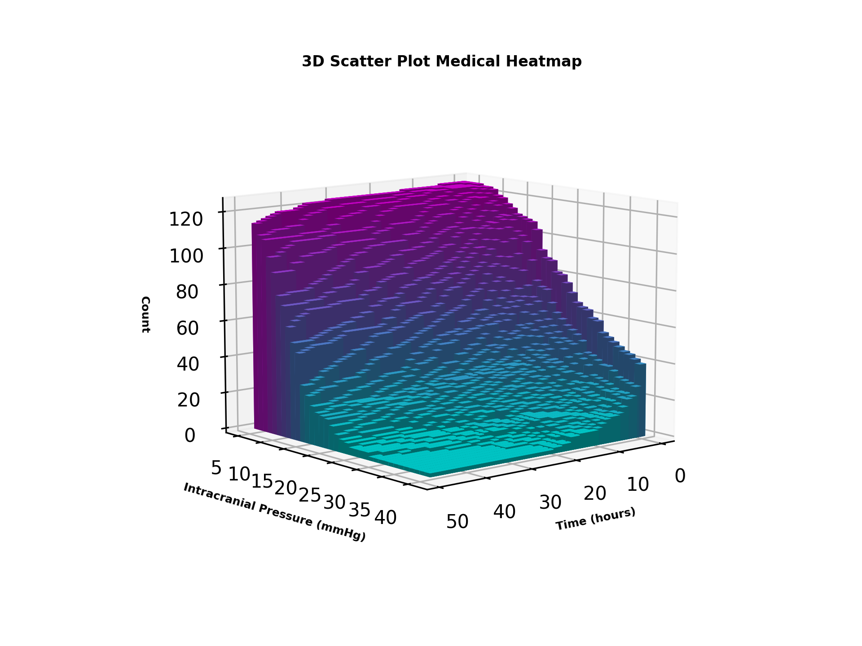
ICP/time | 5 | 6 | 7 | 8 | 9 | 10 | 11 | 12 | 13 | 14 | 15 | 16 | 17 | 18 | 19 | 20 | 21 | 22 | 23 | 24 | 25 | 26 | 27 | 28 | 29 | 30 | 31 | 32 | 33 | 34 | 35 | 36 | 37 | 38 | 39 | 40
0.5 | 125 | 125 | 125 | 125 | 124 | 124 | 123 | 120 | 119 | 116 | 114 | 111 | 110 | 109 | 108 | 104 | 93 | 89 | 88 | 82 | 81 | 77 | 72 | 67 | 65 | 64 | 60 | 59 | 53 | 51 | 49 | 47 | 45 | 44 | 42 | 40
1 | 125 | 125 | 125 | 125 | 124 | 124 | 123 | 120 | 119 | 116 | 114 | 111 | 110 | 109 | 108 | 104 | 93 | 89 | 88 | 82 | 81 | 77 | 72 | 67 | 65 | 64 | 60 | 59 | 53 | 51 | 49 | 47 | 45 | 44 | 42 | 40
1.5 | 125 | 125 | 124 | 124 | 124 | 123 | 121 | 117 | 115 | 110 | 110 | 108 | 102 | 100 | 97 | 87 | 76 | 73 | 72 | 65 | 60 | 57 | 54 | 52 | 50 | 47 | 41 | 40 | 38 | 36 | 36 | 34 | 31 | 30 | 29 | 28
2 | 125 | 125 | 124 | 124 | 124 | 123 | 121 | 117 | 115 | 110 | 110 | 108 | 102 | 100 | 97 | 87 | 76 | 73 | 72 | 65 | 60 | 57 | 54 | 52 | 50 | 47 | 41 | 40 | 38 | 36 | 36 | 34 | 31 | 30 | 29 | 28
2.5 | 125 | 124 | 124 | 124 | 123 | 121 | 119 | 116 | 112 | 109 | 108 | 104 | 98 | 90 | 81 | 73 | 67 | 65 | 60 | 56 | 53 | 50 | 47 | 46 | 45 | 40 | 38 | 35 | 30 | 29 | 28 | 27 | 25 | 24 | 24 | 23
3 | 125 | 124 | 124 | 124 | 123 | 121 | 119 | 116 | 112 | 109 | 108 | 104 | 98 | 90 | 81 | 73 | 67 | 65 | 60 | 56 | 53 | 50 | 47 | 46 | 45 | 40 | 38 | 35 | 30 | 29 | 28 | 27 | 25 | 24 | 24 | 23
3.5 | 125 | 124 | 124 | 124 | 121 | 119 | 119 | 112 | 106 | 106 | 103 | 96 | 88 | 82 | 71 | 67 | 63 | 58 | 55 | 52 | 49 | 47 | 45 | 42 | 38 | 35 | 30 | 29 | 26 | 26 | 25 | 24 | 24 | 23 | 22 | 22
4 | 125 | 124 | 124 | 124 | 121 | 119 | 119 | 112 | 106 | 106 | 103 | 96 | 88 | 82 | 71 | 67 | 63 | 58 | 55 | 52 | 49 | 47 | 45 | 42 | 38 | 35 | 30 | 29 | 26 | 26 | 25 | 24 | 24 | 23 | 22 | 22
4.5 | 125 | 124 | 124 | 124 | 121 | 119 | 115 | 109 | 104 | 103 | 97 | 88 | 83 | 75 | 67 | 65 | 59 | 53 | 50 | 47 | 43 | 41 | 36 | 35 | 33 | 31 | 26 | 26 | 24 | 22 | 21 | 20 | 20 | 20 | 19 | 18
5 | 125 | 124 | 124 | 124 | 121 | 119 | 115 | 109 | 104 | 103 | 97 | 88 | 83 | 75 | 67 | 65 | 59 | 53 | 50 | 47 | 43 | 41 | 36 | 35 | 33 | 31 | 26 | 26 | 24 | 22 | 21 | 20 | 20 | 20 | 19 | 18
5.5 | 125 | 124 | 124 | 124 | 121 | 118 | 113 | 107 | 103 | 97 | 92 | 84 | 77 | 70 | 64 | 62 | 52 | 51 | 47 | 43 | 40 | 38 | 36 | 35 | 32 | 31 | 25 | 23 | 23 | 22 | 21 | 19 | 17 | 17 | 15 | 15
6 | 125 | 124 | 124 | 124 | 121 | 118 | 113 | 107 | 103 | 97 | 92 | 84 | 77 | 70 | 64 | 62 | 52 | 51 | 47 | 43 | 40 | 38 | 36 | 35 | 32 | 31 | 25 | 23 | 23 | 22 | 21 | 19 | 17 | 17 | 15 | 15
6.5 | 124 | 124 | 124 | 124 | 120 | 117 | 111 | 103 | 100 | 93 | 89 | 83 | 75 | 66 | 61 | 58 | 49 | 47 | 41 | 40 | 38 | 37 | 35 | 33 | 29 | 27 | 22 | 21 | 20 | 19 | 19 | 16 | 15 | 15 | 14 | 14
7 | 124 | 124 | 124 | 124 | 120 | 117 | 111 | 103 | 100 | 93 | 89 | 83 | 75 | 66 | 61 | 58 | 49 | 47 | 41 | 40 | 38 | 37 | 35 | 33 | 29 | 27 | 22 | 21 | 20 | 19 | 19 | 16 | 15 | 15 | 14 | 14
7.5 | 124 | 124 | 123 | 122 | 118 | 114 | 109 | 103 | 97 | 93 | 85 | 79 | 70 | 62 | 58 | 55 | 48 | 46 | 37 | 36 | 35 | 32 | 31 | 28 | 25 | 24 | 22 | 20 | 18 | 18 | 17 | 16 | 14 | 14 | 14 | 14
8 | 124 | 124 | 123 | 122 | 118 | 114 | 109 | 103 | 97 | 93 | 85 | 79 | 70 | 62 | 58 | 55 | 48 | 46 | 37 | 36 | 35 | 32 | 31 | 28 | 25 | 24 | 22 | 20 | 18 | 18 | 17 | 16 | 14 | 14 | 14 | 14
8.5 | 124 | 124 | 123 | 120 | 118 | 113 | 106 | 103 | 95 | 90 | 83 | 74 | 65 | 57 | 54 | 49 | 45 | 40 | 34 | 33 | 33 | 30 | 28 | 27 | 23 | 22 | 19 | 18 | 17 | 15 | 14 | 13 | 13 | 13 | 13 | 13
9 | 124 | 124 | 123 | 120 | 118 | 113 | 106 | 103 | 95 | 90 | 83 | 74 | 65 | 57 | 54 | 49 | 45 | 40 | 34 | 33 | 33 | 30 | 28 | 27 | 23 | 22 | 19 | 18 | 17 | 15 | 14 | 13 | 13 | 13 | 13 | 13
9.5 | 124 | 123 | 123 | 120 | 116 | 111 | 104 | 101 | 93 | 88 | 81 | 71 | 60 | 56 | 53 | 46 | 42 | 36 | 33 | 33 | 31 | 30 | 28 | 25 | 23 | 20 | 19 | 17 | 16 | 14 | 13 | 13 | 13 | 13 | 12 | 11
10 | 124 | 123 | 123 | 120 | 116 | 111 | 104 | 101 | 93 | 88 | 81 | 71 | 60 | 56 | 53 | 46 | 42 | 36 | 33 | 33 | 31 | 30 | 28 | 25 | 23 | 20 | 19 | 17 | 16 | 14 | 13 | 13 | 13 | 13 | 12 | 11
10.5 | 124 | 123 | 123 | 119 | 116 | 111 | 104 | 99 | 91 | 86 | 79 | 70 | 60 | 55 | 53 | 42 | 41 | 35 | 33 | 33 | 30 | 29 | 25 | 23 | 22 | 20 | 17 | 15 | 15 | 13 | 13 | 13 | 12 | 11 | 10 | 9
11 | 124 | 123 | 123 | 119 | 116 | 111 | 104 | 99 | 91 | 86 | 79 | 70 | 60 | 55 | 53 | 42 | 41 | 35 | 33 | 33 | 30 | 29 | 25 | 23 | 22 | 20 | 17 | 15 | 15 | 13 | 13 | 13 | 12 | 11 | 10 | 9
11.5 | 124 | 123 | 122 | 119 | 116 | 111 | 103 | 95 | 88 | 83 | 77 | 68 | 58 | 52 | 48 | 42 | 39 | 34 | 33 | 32 | 30 | 27 | 25 | 23 | 20 | 19 | 16 | 15 | 13 | 13 | 13 | 12 | 10 | 10 | 9 | 8
12 | 124 | 123 | 122 | 119 | 116 | 111 | 103 | 95 | 88 | 83 | 77 | 68 | 58 | 52 | 48 | 42 | 39 | 34 | 33 | 32 | 30 | 27 | 25 | 23 | 20 | 19 | 16 | 15 | 13 | 13 | 13 | 12 | 10 | 10 | 9 | 8
12.5 | 124 | 123 | 121 | 118 | 116 | 110 | 102 | 95 | 87 | 80 | 75 | 66 | 56 | 51 | 46 | 40 | 35 | 33 | 31 | 30 | 29 | 26 | 24 | 21 | 19 | 17 | 16 | 15 | 13 | 13 | 13 | 12 | 10 | 9 | 8 | 8
13 | 124 | 123 | 121 | 118 | 116 | 110 | 102 | 95 | 87 | 80 | 75 | 66 | 56 | 51 | 46 | 40 | 35 | 33 | 31 | 30 | 29 | 26 | 24 | 21 | 19 | 17 | 16 | 15 | 13 | 13 | 13 | 12 | 10 | 9 | 8 | 8
13.5 | 124 | 123 | 121 | 117 | 115 | 108 | 101 | 94 | 86 | 80 | 73 | 63 | 55 | 51 | 43 | 39 | 34 | 32 | 31 | 30 | 29 | 24 | 24 | 21 | 19 | 17 | 15 | 13 | 13 | 13 | 13 | 11 | 9 | 9 | 8 | 8
14 | 124 | 123 | 121 | 117 | 115 | 108 | 101 | 94 | 86 | 80 | 73 | 63 | 55 | 51 | 43 | 39 | 34 | 32 | 31 | 30 | 29 | 24 | 24 | 21 | 19 | 17 | 15 | 13 | 13 | 13 | 13 | 11 | 9 | 9 | 8 | 8
14.5 | 124 | 122 | 121 | 117 | 113 | 107 | 99 | 92 | 84 | 78 | 73 | 62 | 55 | 50 | 43 | 38 | 32 | 31 | 30 | 29 | 28 | 24 | 23 | 20 | 17 | 17 | 15 | 13 | 13 | 13 | 13 | 11 | 9 | 8 | 8 | 8
15 | 124 | 122 | 121 | 117 | 113 | 107 | 99 | 92 | 84 | 78 | 73 | 62 | 55 | 50 | 43 | 38 | 32 | 31 | 30 | 29 | 28 | 24 | 23 | 20 | 17 | 17 | 15 | 13 | 13 | 13 | 13 | 11 | 9 | 8 | 8 | 8
15.5 | 123 | 122 | 121 | 117 | 111 | 105 | 97 | 91 | 83 | 77 | 72 | 61 | 51 | 49 | 41 | 36 | 32 | 31 | 30 | 28 | 26 | 23 | 21 | 18 | 17 | 16 | 13 | 13 | 13 | 13 | 11 | 10 | 9 | 8 | 7 | 7
16 | 123 | 122 | 121 | 117 | 111 | 105 | 97 | 91 | 83 | 77 | 72 | 61 | 51 | 49 | 41 | 36 | 32 | 31 | 30 | 28 | 26 | 23 | 21 | 18 | 17 | 16 | 13 | 13 | 13 | 13 | 11 | 10 | 9 | 8 | 7 | 7
16.5 | 123 | 122 | 120 | 117 | 109 | 103 | 97 | 90 | 81 | 76 | 69 | 60 | 50 | 49 | 39 | 35 | 31 | 30 | 30 | 26 | 25 | 22 | 20 | 18 | 17 | 15 | 13 | 13 | 13 | 13 | 11 | 10 | 7 | 7 | 7 | 7
17 | 123 | 122 | 120 | 117 | 109 | 103 | 97 | 90 | 81 | 76 | 69 | 60 | 50 | 49 | 39 | 35 | 31 | 30 | 30 | 26 | 25 | 22 | 20 | 18 | 17 | 15 | 13 | 13 | 13 | 13 | 11 | 10 | 7 | 7 | 7 | 7
17.5 | 123 | 122 | 120 | 117 | 108 | 102 | 95 | 89 | 80 | 76 | 65 | 59 | 50 | 46 | 39 | 34 | 29 | 29 | 28 | 25 | 23 | 21 | 19 | 18 | 16 | 14 | 12 | 12 | 12 | 12 | 9 | 7 | 6 | 6 | 4 | 4
18 | 123 | 122 | 120 | 117 | 108 | 102 | 95 | 89 | 80 | 76 | 65 | 59 | 50 | 46 | 39 | 34 | 29 | 29 | 28 | 25 | 23 | 21 | 19 | 18 | 16 | 14 | 12 | 12 | 12 | 12 | 9 | 7 | 6 | 6 | 4 | 4
18.5 | 123 | 121 | 119 | 117 | 108 | 102 | 95 | 88 | 79 | 73 | 64 | 57 | 49 | 45 | 35 | 31 | 28 | 28 | 27 | 24 | 22 | 19 | 18 | 16 | 15 | 12 | 11 | 11 | 10 | 8 | 6 | 5 | 4 | 4 | 4 | 4
19 | 123 | 121 | 119 | 117 | 108 | 102 | 95 | 88 | 79 | 73 | 64 | 57 | 49 | 45 | 35 | 31 | 28 | 28 | 27 | 24 | 22 | 19 | 18 | 16 | 15 | 12 | 11 | 11 | 10 | 8 | 6 | 5 | 4 | 4 | 4 | 4
19.5 | 123 | 121 | 119 | 117 | 108 | 102 | 94 | 88 | 79 | 71 | 61 | 56 | 49 | 45 | 35 | 30 | 28 | 28 | 26 | 24 | 21 | 19 | 17 | 16 | 15 | 10 | 10 | 10 | 9 | 6 | 5 | 4 | 3 | 3 | 3 | 3
20 | 123 | 121 | 119 | 117 | 108 | 102 | 94 | 88 | 79 | 71 | 61 | 56 | 49 | 45 | 35 | 30 | 28 | 28 | 26 | 24 | 21 | 19 | 17 | 16 | 15 | 10 | 10 | 10 | 9 | 6 | 5 | 4 | 3 | 3 | 3 | 3
20.5 | 123 | 121 | 119 | 116 | 108 | 99 | 94 | 87 | 78 | 69 | 61 | 54 | 47 | 45 | 35 | 29 | 28 | 28 | 26 | 23 | 21 | 19 | 16 | 14 | 10 | 10 | 10 | 9 | 8 | 5 | 4 | 4 | 3 | 3 | 3 | 3
21 | 123 | 121 | 119 | 116 | 108 | 99 | 94 | 87 | 78 | 69 | 61 | 54 | 47 | 45 | 35 | 29 | 28 | 28 | 26 | 23 | 21 | 19 | 16 | 14 | 10 | 10 | 10 | 9 | 8 | 5 | 4 | 4 | 3 | 3 | 3 | 3
21.5 | 123 | 121 | 119 | 115 | 108 | 99 | 94 | 85 | 76 | 67 | 61 | 53 | 46 | 42 | 33 | 29 | 28 | 28 | 25 | 22 | 20 | 16 | 14 | 14 | 10 | 10 | 9 | 9 | 6 | 5 | 4 | 4 | 3 | 2 | 2 | 2
22 | 123 | 121 | 119 | 115 | 108 | 99 | 94 | 85 | 76 | 67 | 61 | 53 | 46 | 42 | 33 | 29 | 28 | 28 | 25 | 22 | 20 | 16 | 14 | 14 | 10 | 10 | 9 | 9 | 6 | 5 | 4 | 4 | 3 | 2 | 2 | 2
22.5 | 123 | 121 | 119 | 115 | 106 | 99 | 92 | 82 | 76 | 67 | 60 | 52 | 45 | 38 | 32 | 29 | 28 | 26 | 25 | 21 | 18 | 16 | 14 | 12 | 10 | 9 | 9 | 8 | 5 | 5 | 4 | 3 | 2 | 2 | 2 | 2
23 | 123 | 121 | 119 | 115 | 106 | 99 | 92 | 82 | 76 | 67 | 60 | 52 | 45 | 38 | 32 | 29 | 28 | 26 | 25 | 21 | 18 | 16 | 14 | 12 | 10 | 9 | 9 | 8 | 5 | 5 | 4 | 3 | 2 | 2 | 2 | 2
23.5 | 123 | 121 | 118 | 113 | 105 | 99 | 92 | 82 | 75 | 67 | 59 | 51 | 44 | 37 | 31 | 28 | 26 | 25 | 23 | 20 | 18 | 16 | 14 | 11 | 9 | 9 | 8 | 8 | 5 | 4 | 4 | 3 | 2 | 2 | 2 | 2
24 | 123 | 121 | 118 | 113 | 105 | 99 | 92 | 82 | 75 | 67 | 59 | 51 | 44 | 37 | 31 | 28 | 26 | 25 | 23 | 20 | 18 | 16 | 14 | 11 | 9 | 9 | 8 | 8 | 5 | 4 | 4 | 3 | 2 | 2 | 2 | 2
24.5 | 123 | 121 | 118 | 110 | 105 | 99 | 90 | 82 | 72 | 67 | 58 | 49 | 41 | 36 | 30 | 27 | 26 | 25 | 23 | 19 | 16 | 15 | 13 | 9 | 9 | 9 | 8 | 8 | 5 | 3 | 3 | 3 | 2 | 2 | 2 | 2
25 | 123 | 121 | 118 | 110 | 105 | 99 | 90 | 82 | 72 | 67 | 58 | 49 | 41 | 36 | 30 | 27 | 26 | 25 | 23 | 19 | 16 | 15 | 13 | 9 | 9 | 9 | 8 | 8 | 5 | 3 | 3 | 3 | 2 | 2 | 2 | 2
25.5 | 123 | 120 | 118 | 107 | 104 | 98 | 89 | 81 | 70 | 66 | 57 | 48 | 41 | 36 | 29 | 26 | 26 | 25 | 21 | 18 | 15 | 14 | 10 | 9 | 8 | 7 | 7 | 5 | 4 | 3 | 3 | 3 | 2 | 2 | 2 | 2
26 | 123 | 120 | 118 | 107 | 104 | 98 | 89 | 81 | 70 | 66 | 57 | 48 | 41 | 36 | 29 | 26 | 26 | 25 | 21 | 18 | 15 | 14 | 10 | 9 | 8 | 7 | 7 | 5 | 4 | 3 | 3 | 3 | 2 | 2 | 2 | 2
26.5 | 123 | 120 | 116 | 107 | 101 | 98 | 88 | 80 | 70 | 64 | 55 | 47 | 38 | 33 | 27 | 24 | 23 | 22 | 20 | 18 | 15 | 13 | 10 | 8 | 6 | 6 | 6 | 5 | 3 | 3 | 3 | 3 | 2 | 2 | 2 | 2
27 | 123 | 120 | 116 | 107 | 101 | 98 | 88 | 80 | 70 | 64 | 55 | 47 | 38 | 33 | 27 | 24 | 23 | 22 | 20 | 18 | 15 | 13 | 10 | 8 | 6 | 6 | 6 | 5 | 3 | 3 | 3 | 3 | 2 | 2 | 2 | 2
27.5 | 123 | 120 | 115 | 106 | 101 | 98 | 87 | 79 | 70 | 60 | 55 | 46 | 34 | 30 | 25 | 24 | 22 | 22 | 19 | 16 | 13 | 11 | 7 | 7 | 6 | 6 | 5 | 5 | 3 | 2 | 2 | 2 | 2 | 2 | 2 | 2
28 | 123 | 120 | 115 | 106 | 101 | 98 | 87 | 79 | 70 | 60 | 55 | 46 | 34 | 30 | 25 | 24 | 22 | 22 | 19 | 16 | 13 | 11 | 7 | 7 | 6 | 6 | 5 | 5 | 3 | 2 | 2 | 2 | 2 | 2 | 2 | 2
28.5 | 123 | 120 | 115 | 106 | 101 | 97 | 87 | 76 | 69 | 60 | 54 | 45 | 32 | 30 | 24 | 24 | 22 | 21 | 17 | 16 | 13 | 10 | 7 | 7 | 6 | 6 | 5 | 4 | 3 | 2 | 2 | 2 | 2 | 2 | 2 | 2
29 | 123 | 120 | 115 | 106 | 101 | 97 | 87 | 76 | 69 | 60 | 54 | 45 | 32 | 30 | 24 | 24 | 22 | 21 | 17 | 16 | 13 | 10 | 7 | 7 | 6 | 6 | 5 | 4 | 3 | 2 | 2 | 2 | 2 | 2 | 2 | 2
29.5 | 123 | 120 | 114 | 106 | 101 | 95 | 87 | 75 | 67 | 57 | 53 | 45 | 32 | 28 | 24 | 23 | 21 | 19 | 16 | 15 | 13 | 8 | 7 | 7 | 6 | 5 | 5 | 4 | 2 | 2 | 2 | 2 | 2 | 2 | 2 | 2
30 | 123 | 120 | 114 | 106 | 101 | 95 | 87 | 75 | 67 | 57 | 53 | 45 | 32 | 28 | 24 | 23 | 21 | 19 | 16 | 15 | 13 | 8 | 7 | 7 | 6 | 5 | 5 | 4 | 2 | 2 | 2 | 2 | 2 | 2 | 2 | 2
30.5 | 123 | 119 | 114 | 106 | 101 | 95 | 85 | 75 | 67 | 56 | 53 | 42 | 32 | 27 | 23 | 21 | 21 | 19 | 16 | 14 | 10 | 6 | 6 | 6 | 5 | 5 | 5 | 3 | 2 | 2 | 2 | 2 | 2 | 2 | 2 | 2
31 | 123 | 119 | 114 | 106 | 101 | 95 | 85 | 75 | 67 | 56 | 53 | 42 | 32 | 27 | 23 | 21 | 21 | 19 | 16 | 14 | 10 | 6 | 6 | 6 | 5 | 5 | 5 | 3 | 2 | 2 | 2 | 2 | 2 | 2 | 2 | 2
31.5 | 123 | 119 | 113 | 106 | 101 | 94 | 85 | 73 | 64 | 56 | 53 | 41 | 32 | 26 | 23 | 21 | 20 | 19 | 16 | 14 | 9 | 6 | 6 | 6 | 5 | 5 | 4 | 3 | 2 | 2 | 2 | 2 | 2 | 2 | 2 | 2
32 | 123 | 119 | 113 | 106 | 101 | 94 | 85 | 73 | 64 | 56 | 53 | 41 | 32 | 26 | 23 | 21 | 20 | 19 | 16 | 14 | 9 | 6 | 6 | 6 | 5 | 5 | 4 | 3 | 2 | 2 | 2 | 2 | 2 | 2 | 2 | 2
32.5 | 122 | 119 | 110 | 106 | 101 | 92 | 81 | 71 | 64 | 56 | 52 | 41 | 31 | 26 | 22 | 21 | 19 | 19 | 16 | 13 | 7 | 6 | 6 | 6 | 5 | 4 | 4 | 3 | 2 | 2 | 2 | 2 | 2 | 2 | 2 | 2
33 | 122 | 119 | 110 | 106 | 101 | 92 | 81 | 71 | 64 | 56 | 52 | 41 | 31 | 26 | 22 | 21 | 19 | 19 | 16 | 13 | 7 | 6 | 6 | 6 | 5 | 4 | 4 | 3 | 2 | 2 | 2 | 2 | 2 | 2 | 2 | 2
33.5 | 122 | 119 | 110 | 106 | 100 | 91 | 79 | 71 | 62 | 56 | 49 | 40 | 29 | 25 | 21 | 21 | 19 | 19 | 15 | 11 | 7 | 6 | 6 | 6 | 5 | 4 | 4 | 3 | 2 | 2 | 2 | 2 | 2 | 2 | 2 | 2
34 | 122 | 119 | 110 | 106 | 100 | 91 | 79 | 71 | 62 | 56 | 49 | 40 | 29 | 25 | 21 | 21 | 19 | 19 | 15 | 11 | 7 | 6 | 6 | 6 | 5 | 4 | 4 | 3 | 2 | 2 | 2 | 2 | 2 | 2 | 2 | 2
34.5 | 122 | 118 | 108 | 105 | 100 | 89 | 78 | 71 | 62 | 56 | 48 | 38 | 29 | 24 | 21 | 21 | 19 | 18 | 13 | 8 | 7 | 6 | 6 | 5 | 5 | 4 | 4 | 3 | 2 | 2 | 2 | 2 | 2 | 2 | 2 | 2
35 | 122 | 118 | 108 | 105 | 100 | 89 | 78 | 71 | 62 | 56 | 48 | 38 | 29 | 24 | 21 | 21 | 19 | 18 | 13 | 8 | 7 | 6 | 6 | 5 | 5 | 4 | 4 | 3 | 2 | 2 | 2 | 2 | 2 | 2 | 2 | 2
35.5 | 122 | 117 | 107 | 105 | 99 | 88 | 78 | 71 | 60 | 56 | 46 | 35 | 28 | 22 | 21 | 20 | 19 | 17 | 13 | 8 | 7 | 6 | 6 | 5 | 5 | 4 | 4 | 2 | 2 | 2 | 2 | 2 | 2 | 2 | 2 | 2
36 | 122 | 117 | 107 | 105 | 99 | 88 | 78 | 71 | 60 | 56 | 46 | 35 | 28 | 22 | 21 | 20 | 19 | 17 | 13 | 8 | 7 | 6 | 6 | 5 | 5 | 4 | 4 | 2 | 2 | 2 | 2 | 2 | 2 | 2 | 2 | 2
36.5 | 122 | 117 | 107 | 105 | 98 | 87 | 78 | 71 | 60 | 56 | 46 | 34 | 27 | 21 | 21 | 20 | 18 | 15 | 12 | 8 | 7 | 6 | 6 | 5 | 4 | 4 | 4 | 2 | 2 | 2 | 2 | 2 | 2 | 2 | 2 | 2
37 | 122 | 117 | 107 | 105 | 98 | 87 | 78 | 71 | 60 | 56 | 46 | 34 | 27 | 21 | 21 | 20 | 18 | 15 | 12 | 8 | 7 | 6 | 6 | 5 | 4 | 4 | 4 | 2 | 2 | 2 | 2 | 2 | 2 | 2 | 2 | 2
37.5 | 121 | 116 | 107 | 104 | 97 | 85 | 76 | 70 | 59 | 56 | 44 | 32 | 27 | 21 | 21 | 20 | 18 | 14 | 9 | 7 | 6 | 6 | 5 | 5 | 4 | 4 | 4 | 2 | 2 | 2 | 2 | 2 | 2 | 2 | 2 | 2
38 | 121 | 116 | 107 | 104 | 97 | 85 | 76 | 70 | 59 | 56 | 44 | 32 | 27 | 21 | 21 | 20 | 18 | 14 | 9 | 7 | 6 | 6 | 5 | 5 | 4 | 4 | 4 | 2 | 2 | 2 | 2 | 2 | 2 | 2 | 2 | 2
38.5 | 120 | 114 | 107 | 104 | 97 | 83 | 76 | 70 | 58 | 54 | 43 | 32 | 26 | 21 | 21 | 20 | 17 | 13 | 9 | 7 | 6 | 5 | 5 | 4 | 4 | 4 | 2 | 2 | 2 | 2 | 2 | 2 | 2 | 2 | 2 | 2
39 | 120 | 114 | 107 | 104 | 97 | 83 | 76 | 70 | 58 | 54 | 43 | 32 | 26 | 21 | 21 | 20 | 17 | 13 | 9 | 7 | 6 | 5 | 5 | 4 | 4 | 4 | 2 | 2 | 2 | 2 | 2 | 2 | 2 | 2 | 2 | 2
39.5 | 119 | 111 | 107 | 104 | 97 | 82 | 74 | 69 | 58 | 53 | 42 | 32 | 26 | 21 | 21 | 19 | 16 | 13 | 9 | 7 | 6 | 5 | 5 | 4 | 4 | 4 | 2 | 2 | 2 | 2 | 2 | 2 | 2 | 2 | 2 | 2
40 | 119 | 111 | 107 | 104 | 97 | 82 | 74 | 69 | 58 | 53 | 42 | 32 | 26 | 21 | 21 | 19 | 16 | 13 | 9 | 7 | 6 | 5 | 5 | 4 | 4 | 4 | 2 | 2 | 2 | 2 | 2 | 2 | 2 | 2 | 2 | 2
40.5 | 119 | 111 | 106 | 104 | 96 | 81 | 73 | 69 | 57 | 52 | 41 | 31 | 24 | 21 | 20 | 17 | 16 | 12 | 9 | 7 | 6 | 5 | 4 | 4 | 4 | 4 | 2 | 2 | 2 | 2 | 2 | 2 | 2 | 2 | 2 | 2
41 | 119 | 111 | 106 | 104 | 96 | 81 | 73 | 69 | 57 | 52 | 41 | 31 | 24 | 21 | 20 | 17 | 16 | 12 | 9 | 7 | 6 | 5 | 4 | 4 | 4 | 4 | 2 | 2 | 2 | 2 | 2 | 2 | 2 | 2 | 2 | 2
41.5 | 119 | 111 | 106 | 104 | 96 | 79 | 73 | 69 | 56 | 51 | 39 | 31 | 23 | 21 | 20 | 16 | 15 | 12 | 9 | 7 | 5 | 5 | 4 | 4 | 4 | 3 | 2 | 2 | 2 | 2 | 2 | 2 | 2 | 2 | 2 | 2
42 | 119 | 111 | 106 | 104 | 96 | 79 | 73 | 69 | 56 | 51 | 39 | 31 | 23 | 21 | 20 | 16 | 15 | 12 | 9 | 7 | 5 | 5 | 4 | 4 | 4 | 3 | 2 | 2 | 2 | 2 | 2 | 2 | 2 | 2 | 2 | 2
42.5 | 119 | 110 | 106 | 104 | 93 | 78 | 73 | 69 | 55 | 51 | 38 | 29 | 23 | 20 | 18 | 16 | 14 | 12 | 9 | 6 | 5 | 5 | 4 | 4 | 4 | 3 | 2 | 2 | 2 | 2 | 2 | 2 | 2 | 2 | 2 | 2
43 | 119 | 110 | 106 | 104 | 93 | 78 | 73 | 69 | 55 | 51 | 38 | 29 | 23 | 20 | 18 | 16 | 14 | 12 | 9 | 6 | 5 | 5 | 4 | 4 | 4 | 3 | 2 | 2 | 2 | 2 | 2 | 2 | 2 | 2 | 2 | 2
43.5 | 118 | 110 | 106 | 102 | 93 | 78 | 72 | 69 | 54 | 51 | 37 | 29 | 22 | 20 | 17 | 16 | 14 | 11 | 9 | 6 | 5 | 4 | 4 | 4 | 4 | 2 | 2 | 2 | 2 | 2 | 2 | 2 | 2 | 2 | 2 | 2
44 | 118 | 110 | 106 | 102 | 93 | 78 | 72 | 69 | 54 | 51 | 37 | 29 | 22 | 20 | 17 | 16 | 14 | 11 | 9 | 6 | 5 | 4 | 4 | 4 | 4 | 2 | 2 | 2 | 2 | 2 | 2 | 2 | 2 | 2 | 2 | 2
44.5 | 117 | 110 | 106 | 101 | 89 | 78 | 72 | 67 | 53 | 51 | 34 | 29 | 21 | 20 | 17 | 16 | 13 | 10 | 7 | 6 | 5 | 4 | 4 | 4 | 4 | 2 | 2 | 2 | 2 | 2 | 2 | 2 | 2 | 2 | 2 | 2
45 | 117 | 110 | 106 | 101 | 89 | 78 | 72 | 67 | 53 | 51 | 34 | 29 | 21 | 20 | 17 | 16 | 13 | 10 | 7 | 6 | 5 | 4 | 4 | 4 | 4 | 2 | 2 | 2 | 2 | 2 | 2 | 2 | 2 | 2 | 2 | 2
45.5 | 116 | 109 | 106 | 99 | 89 | 78 | 72 | 66 | 53 | 50 | 33 | 28 | 21 | 19 | 17 | 16 | 13 | 10 | 7 | 6 | 5 | 4 | 4 | 4 | 4 | 2 | 2 | 2 | 2 | 2 | 2 | 2 | 2 | 2 | 2 | 2
46 | 116 | 109 | 106 | 99 | 89 | 78 | 72 | 66 | 53 | 50 | 33 | 28 | 21 | 19 | 17 | 16 | 13 | 10 | 7 | 6 | 5 | 4 | 4 | 4 | 4 | 2 | 2 | 2 | 2 | 2 | 2 | 2 | 2 | 2 | 2 | 2
46.5 | 115 | 108 | 106 | 97 | 89 | 77 | 72 | 64 | 53 | 49 | 31 | 27 | 21 | 18 | 17 | 16 | 13 | 9 | 7 | 6 | 4 | 4 | 4 | 4 | 2 | 2 | 2 | 2 | 2 | 2 | 2 | 2 | 2 | 2 | 2 | 2
47 | 115 | 108 | 106 | 97 | 89 | 77 | 72 | 64 | 53 | 49 | 31 | 27 | 21 | 18 | 17 | 16 | 13 | 9 | 7 | 6 | 4 | 4 | 4 | 4 | 2 | 2 | 2 | 2 | 2 | 2 | 2 | 2 | 2 | 2 | 2 | 2
47.5 | 114 | 108 | 106 | 97 | 89 | 77 | 72 | 61 | 53 | 48 | 31 | 26 | 21 | 18 | 17 | 16 | 13 | 9 | 7 | 6 | 4 | 4 | 4 | 4 | 2 | 2 | 2 | 2 | 2 | 2 | 2 | 2 | 2 | 2 | 2 | 2
48 | 114 | 108 | 106 | 97 | 89 | 77 | 72 | 61 | 53 | 48 | 31 | 26 | 21 | 18 | 17 | 16 | 13 | 9 | 7 | 6 | 4 | 4 | 4 | 4 | 2 | 2 | 2 | 2 | 2 | 2 | 2 | 2 | 2 | 2 | 2 | 2

Survivor
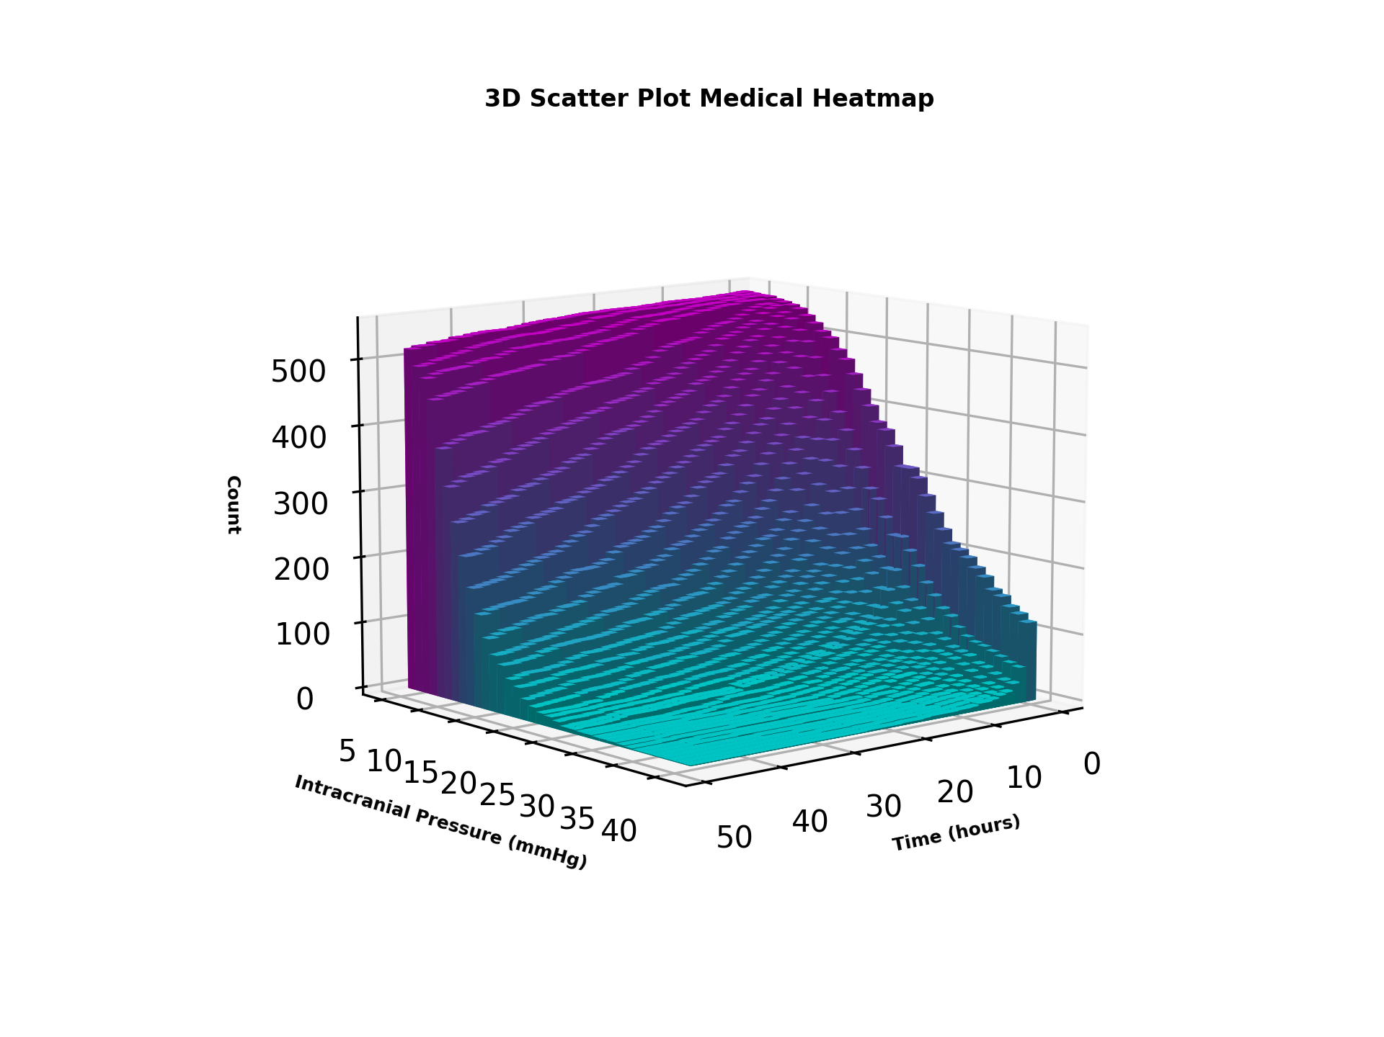
ICP/time | 5 | 6 | 7 | 8 | 9 | 10 | 11 | 12 | 13 | 14 | 15 | 16 | 17 | 18 | 19 | 20 | 21 | 22 | 23 | 24 | 25 | 26 | 27 | 28 | 29 | 30 | 31 | 32 | 33 | 34 | 35 | 36 | 37 | 38 | 39 | 40
0.5 | 551 | 550 | 549 | 549 | 546 | 544 | 541 | 537 | 528 | 518 | 507 | 499 | 482 | 469 | 448 | 426 | 403 | 380 | 370 | 347 | 318 | 318 | 305 | 280 | 256 | 233 | 214 | 207 | 198 | 185 | 174 | 157 | 150 | 137 | 129 | 119
1 | 551 | 550 | 549 | 549 | 546 | 544 | 541 | 537 | 528 | 518 | 507 | 499 | 482 | 469 | 448 | 426 | 403 | 380 | 370 | 347 | 318 | 318 | 305 | 280 | 256 | 233 | 214 | 207 | 198 | 185 | 174 | 157 | 150 | 137 | 129 | 119
1.5 | 550 | 549 | 548 | 545 | 540 | 539 | 530 | 522 | 506 | 490 | 467 | 441 | 418 | 388 | 362 | 334 | 308 | 278 | 264 | 238 | 213 | 213 | 194 | 173 | 150 | 133 | 116 | 107 | 93 | 82 | 76 | 73 | 68 | 63 | 57 | 53
2 | 550 | 549 | 548 | 545 | 540 | 539 | 530 | 522 | 506 | 490 | 467 | 441 | 418 | 388 | 362 | 334 | 308 | 278 | 264 | 238 | 213 | 213 | 194 | 173 | 150 | 133 | 116 | 107 | 93 | 82 | 76 | 73 | 68 | 63 | 57 | 53
2.5 | 549 | 549 | 548 | 545 | 540 | 536 | 525 | 510 | 490 | 468 | 439 | 403 | 375 | 346 | 307 | 275 | 244 | 216 | 193 | 178 | 163 | 163 | 139 | 122 | 112 | 98 | 79 | 73 | 64 | 60 | 57 | 48 | 45 | 38 | 32 | 30
3 | 549 | 549 | 548 | 545 | 540 | 536 | 525 | 510 | 490 | 468 | 439 | 403 | 375 | 346 | 307 | 275 | 244 | 216 | 193 | 178 | 163 | 163 | 139 | 122 | 112 | 98 | 79 | 73 | 64 | 60 | 57 | 48 | 45 | 38 | 32 | 30
3.5 | 549 | 547 | 546 | 545 | 537 | 529 | 514 | 495 | 473 | 451 | 415 | 378 | 346 | 315 | 269 | 238 | 207 | 188 | 171 | 154 | 134 | 134 | 116 | 107 | 91 | 77 | 63 | 56 | 54 | 51 | 45 | 38 | 31 | 25 | 22 | 19
4 | 549 | 547 | 546 | 545 | 537 | 529 | 514 | 495 | 473 | 451 | 415 | 378 | 346 | 315 | 269 | 238 | 207 | 188 | 171 | 154 | 134 | 134 | 116 | 107 | 91 | 77 | 63 | 56 | 54 | 51 | 45 | 38 | 31 | 25 | 22 | 19
4.5 | 548 | 547 | 546 | 545 | 533 | 518 | 507 | 483 | 459 | 423 | 392 | 348 | 317 | 279 | 236 | 205 | 179 | 159 | 144 | 127 | 108 | 108 | 92 | 86 | 77 | 65 | 55 | 46 | 43 | 36 | 29 | 24 | 19 | 18 | 16 | 16
5 | 548 | 547 | 546 | 545 | 533 | 518 | 507 | 483 | 459 | 423 | 392 | 348 | 317 | 279 | 236 | 205 | 179 | 159 | 144 | 127 | 108 | 108 | 92 | 86 | 77 | 65 | 55 | 46 | 43 | 36 | 29 | 24 | 19 | 18 | 16 | 16
5.5 | 548 | 547 | 546 | 542 | 527 | 514 | 497 | 472 | 443 | 405 | 368 | 330 | 295 | 248 | 214 | 186 | 161 | 139 | 125 | 110 | 93 | 93 | 84 | 73 | 66 | 53 | 46 | 40 | 35 | 30 | 24 | 20 | 15 | 13 | 12 | 12
6 | 548 | 547 | 546 | 542 | 527 | 514 | 497 | 472 | 443 | 405 | 368 | 330 | 295 | 248 | 214 | 186 | 161 | 139 | 125 | 110 | 93 | 93 | 84 | 73 | 66 | 53 | 46 | 40 | 35 | 30 | 24 | 20 | 15 | 13 | 12 | 12
6.5 | 547 | 547 | 544 | 542 | 522 | 510 | 492 | 461 | 433 | 391 | 352 | 310 | 271 | 225 | 196 | 162 | 147 | 124 | 111 | 96 | 86 | 86 | 72 | 63 | 53 | 45 | 41 | 37 | 30 | 25 | 17 | 13 | 11 | 11 | 10 | 10
7 | 547 | 547 | 544 | 542 | 522 | 510 | 492 | 461 | 433 | 391 | 352 | 310 | 271 | 225 | 196 | 162 | 147 | 124 | 111 | 96 | 86 | 86 | 72 | 63 | 53 | 45 | 41 | 37 | 30 | 25 | 17 | 13 | 11 | 11 | 10 | 10
7.5 | 547 | 547 | 544 | 541 | 518 | 504 | 483 | 450 | 420 | 377 | 340 | 288 | 238 | 211 | 175 | 153 | 137 | 115 | 105 | 89 | 79 | 79 | 65 | 58 | 47 | 42 | 35 | 29 | 26 | 20 | 14 | 11 | 10 | 10 | 10 | 10
8 | 547 | 547 | 544 | 541 | 518 | 504 | 483 | 450 | 420 | 377 | 340 | 288 | 238 | 211 | 175 | 153 | 137 | 115 | 105 | 89 | 79 | 79 | 65 | 58 | 47 | 42 | 35 | 29 | 26 | 20 | 14 | 11 | 10 | 10 | 10 | 10
8.5 | 547 | 546 | 543 | 539 | 517 | 500 | 475 | 444 | 412 | 369 | 326 | 271 | 227 | 199 | 170 | 146 | 129 | 113 | 98 | 87 | 75 | 75 | 60 | 53 | 43 | 37 | 31 | 28 | 23 | 19 | 14 | 11 | 10 | 9 | 8 | 7
9 | 547 | 546 | 543 | 539 | 517 | 500 | 475 | 444 | 412 | 369 | 326 | 271 | 227 | 199 | 170 | 146 | 129 | 113 | 98 | 87 | 75 | 75 | 60 | 53 | 43 | 37 | 31 | 28 | 23 | 19 | 14 | 11 | 10 | 9 | 8 | 7
9.5 | 547 | 545 | 543 | 537 | 514 | 496 | 464 | 436 | 398 | 357 | 311 | 256 | 213 | 186 | 154 | 137 | 119 | 103 | 92 | 79 | 68 | 68 | 55 | 49 | 38 | 31 | 28 | 27 | 20 | 15 | 11 | 9 | 9 | 8 | 7 | 6
10 | 547 | 545 | 543 | 537 | 514 | 496 | 464 | 436 | 398 | 357 | 311 | 256 | 213 | 186 | 154 | 137 | 119 | 103 | 92 | 79 | 68 | 68 | 55 | 49 | 38 | 31 | 28 | 27 | 20 | 15 | 11 | 9 | 9 | 8 | 7 | 6
10.5 | 547 | 545 | 542 | 537 | 510 | 487 | 455 | 425 | 385 | 344 | 294 | 245 | 205 | 177 | 147 | 127 | 111 | 99 | 87 | 74 | 60 | 60 | 51 | 42 | 36 | 31 | 25 | 23 | 16 | 12 | 9 | 8 | 8 | 7 | 6 | 6
11 | 547 | 545 | 542 | 537 | 510 | 487 | 455 | 425 | 385 | 344 | 294 | 245 | 205 | 177 | 147 | 127 | 111 | 99 | 87 | 74 | 60 | 60 | 51 | 42 | 36 | 31 | 25 | 23 | 16 | 12 | 9 | 8 | 8 | 7 | 6 | 6
11.5 | 547 | 544 | 540 | 534 | 506 | 479 | 449 | 413 | 373 | 332 | 284 | 233 | 202 | 168 | 140 | 122 | 106 | 97 | 83 | 69 | 58 | 58 | 49 | 38 | 31 | 28 | 22 | 16 | 12 | 11 | 8 | 7 | 7 | 5 | 5 | 5
12 | 547 | 544 | 540 | 534 | 506 | 479 | 449 | 413 | 373 | 332 | 284 | 233 | 202 | 168 | 140 | 122 | 106 | 97 | 83 | 69 | 58 | 58 | 49 | 38 | 31 | 28 | 22 | 16 | 12 | 11 | 8 | 7 | 7 | 5 | 5 | 5
12.5 | 546 | 544 | 539 | 533 | 499 | 474 | 442 | 406 | 365 | 326 | 272 | 226 | 193 | 157 | 134 | 115 | 101 | 91 | 76 | 63 | 51 | 51 | 46 | 34 | 28 | 25 | 20 | 15 | 12 | 10 | 7 | 5 | 5 | 5 | 5 | 5
13 | 546 | 544 | 539 | 533 | 499 | 474 | 442 | 406 | 365 | 326 | 272 | 226 | 193 | 157 | 134 | 115 | 101 | 91 | 76 | 63 | 51 | 51 | 46 | 34 | 28 | 25 | 20 | 15 | 12 | 10 | 7 | 5 | 5 | 5 | 5 | 5
13.5 | 545 | 544 | 537 | 532 | 497 | 469 | 438 | 401 | 354 | 313 | 259 | 222 | 185 | 148 | 123 | 106 | 98 | 87 | 72 | 61 | 50 | 50 | 41 | 33 | 26 | 22 | 17 | 14 | 12 | 7 | 5 | 5 | 5 | 5 | 5 | 5
14 | 545 | 544 | 537 | 532 | 497 | 469 | 438 | 401 | 354 | 313 | 259 | 222 | 185 | 148 | 123 | 106 | 98 | 87 | 72 | 61 | 50 | 50 | 41 | 33 | 26 | 22 | 17 | 14 | 12 | 7 | 5 | 5 | 5 | 5 | 5 | 5
14.5 | 545 | 543 | 536 | 529 | 495 | 464 | 434 | 392 | 349 | 301 | 254 | 214 | 178 | 140 | 121 | 101 | 95 | 83 | 68 | 57 | 47 | 47 | 35 | 30 | 23 | 20 | 14 | 12 | 10 | 6 | 5 | 5 | 5 | 5 | 5 | 5
15 | 545 | 543 | 536 | 529 | 495 | 464 | 434 | 392 | 349 | 301 | 254 | 214 | 178 | 140 | 121 | 101 | 95 | 83 | 68 | 57 | 47 | 47 | 35 | 30 | 23 | 20 | 14 | 12 | 10 | 6 | 5 | 5 | 5 | 5 | 5 | 5
15.5 | 544 | 543 | 535 | 529 | 493 | 458 | 424 | 382 | 344 | 297 | 243 | 207 | 169 | 134 | 117 | 97 | 91 | 77 | 63 | 51 | 43 | 43 | 32 | 27 | 21 | 16 | 13 | 8 | 7 | 5 | 4 | 4 | 4 | 4 | 4 | 4
16 | 544 | 543 | 535 | 529 | 493 | 458 | 424 | 382 | 344 | 297 | 243 | 207 | 169 | 134 | 117 | 97 | 91 | 77 | 63 | 51 | 43 | 43 | 32 | 27 | 21 | 16 | 13 | 8 | 7 | 5 | 4 | 4 | 4 | 4 | 4 | 4
16.5 | 544 | 543 | 535 | 528 | 490 | 450 | 420 | 377 | 338 | 291 | 234 | 194 | 160 | 129 | 110 | 94 | 88 | 74 | 58 | 47 | 39 | 39 | 31 | 22 | 19 | 14 | 12 | 8 | 6 | 5 | 4 | 4 | 4 | 4 | 4 | 3
17 | 544 | 543 | 535 | 528 | 490 | 450 | 420 | 377 | 338 | 291 | 234 | 194 | 160 | 129 | 110 | 94 | 88 | 74 | 58 | 47 | 39 | 39 | 31 | 22 | 19 | 14 | 12 | 8 | 6 | 5 | 4 | 4 | 4 | 4 | 4 | 3
17.5 | 544 | 543 | 534 | 524 | 485 | 445 | 416 | 372 | 330 | 284 | 228 | 190 | 153 | 122 | 107 | 90 | 86 | 68 | 56 | 44 | 37 | 37 | 27 | 22 | 16 | 13 | 10 | 7 | 6 | 5 | 4 | 4 | 4 | 4 | 4 | 3
18 | 544 | 543 | 534 | 524 | 485 | 445 | 416 | 372 | 330 | 284 | 228 | 190 | 153 | 122 | 107 | 90 | 86 | 68 | 56 | 44 | 37 | 37 | 27 | 22 | 16 | 13 | 10 | 7 | 6 | 5 | 4 | 4 | 4 | 4 | 4 | 3
18.5 | 544 | 542 | 534 | 522 | 476 | 443 | 411 | 368 | 322 | 272 | 222 | 180 | 144 | 117 | 103 | 88 | 81 | 64 | 50 | 42 | 34 | 34 | 26 | 18 | 15 | 11 | 7 | 7 | 6 | 5 | 4 | 4 | 4 | 4 | 4 | 3
19 | 544 | 542 | 534 | 522 | 476 | 443 | 411 | 368 | 322 | 272 | 222 | 180 | 144 | 117 | 103 | 88 | 81 | 64 | 50 | 42 | 34 | 34 | 26 | 18 | 15 | 11 | 7 | 7 | 6 | 5 | 4 | 4 | 4 | 4 | 4 | 3
19.5 | 544 | 542 | 531 | 519 | 469 | 439 | 407 | 362 | 316 | 263 | 214 | 173 | 138 | 114 | 100 | 85 | 79 | 61 | 49 | 40 | 31 | 31 | 22 | 17 | 14 | 9 | 7 | 7 | 6 | 4 | 4 | 3 | 3 | 3 | 3 | 2
20 | 544 | 542 | 531 | 519 | 469 | 439 | 407 | 362 | 316 | 263 | 214 | 173 | 138 | 114 | 100 | 85 | 79 | 61 | 49 | 40 | 31 | 31 | 22 | 17 | 14 | 9 | 7 | 7 | 6 | 4 | 4 | 3 | 3 | 3 | 3 | 2
20.5 | 544 | 540 | 529 | 513 | 467 | 432 | 399 | 355 | 308 | 258 | 207 | 165 | 133 | 112 | 94 | 84 | 78 | 59 | 46 | 37 | 29 | 29 | 21 | 16 | 13 | 9 | 7 | 7 | 6 | 4 | 4 | 3 | 3 | 3 | 3 | 2
21 | 544 | 540 | 529 | 513 | 467 | 432 | 399 | 355 | 308 | 258 | 207 | 165 | 133 | 112 | 94 | 84 | 78 | 59 | 46 | 37 | 29 | 29 | 21 | 16 | 13 | 9 | 7 | 7 | 6 | 4 | 4 | 3 | 3 | 3 | 3 | 2
21.5 | 543 | 538 | 526 | 511 | 462 | 429 | 392 | 352 | 303 | 250 | 204 | 160 | 132 | 110 | 92 | 82 | 72 | 55 | 42 | 35 | 29 | 29 | 19 | 16 | 11 | 9 | 7 | 7 | 6 | 4 | 4 | 3 | 3 | 3 | 2 | 2
22 | 543 | 538 | 526 | 511 | 462 | 429 | 392 | 352 | 303 | 250 | 204 | 160 | 132 | 110 | 92 | 82 | 72 | 55 | 42 | 35 | 29 | 29 | 19 | 16 | 11 | 9 | 7 | 7 | 6 | 4 | 4 | 3 | 3 | 3 | 2 | 2
22.5 | 543 | 538 | 524 | 509 | 456 | 424 | 386 | 347 | 297 | 240 | 199 | 155 | 129 | 107 | 88 | 78 | 66 | 54 | 41 | 33 | 27 | 27 | 18 | 15 | 11 | 8 | 7 | 6 | 6 | 4 | 4 | 3 | 3 | 3 | 2 | 2
23 | 543 | 538 | 524 | 509 | 456 | 424 | 386 | 347 | 297 | 240 | 199 | 155 | 129 | 107 | 88 | 78 | 66 | 54 | 41 | 33 | 27 | 27 | 18 | 15 | 11 | 8 | 7 | 6 | 6 | 4 | 4 | 3 | 3 | 3 | 2 | 2
23.5 | 543 | 537 | 520 | 507 | 454 | 421 | 381 | 339 | 289 | 232 | 190 | 148 | 127 | 106 | 85 | 74 | 63 | 51 | 38 | 31 | 26 | 26 | 18 | 12 | 10 | 8 | 7 | 6 | 6 | 4 | 4 | 3 | 3 | 3 | 2 | 2
24 | 543 | 537 | 520 | 507 | 454 | 421 | 381 | 339 | 289 | 232 | 190 | 148 | 127 | 106 | 85 | 74 | 63 | 51 | 38 | 31 | 26 | 26 | 18 | 12 | 10 | 8 | 7 | 6 | 6 | 4 | 4 | 3 | 3 | 3 | 2 | 2
24.5 | 542 | 533 | 518 | 506 | 452 | 419 | 377 | 329 | 284 | 227 | 185 | 148 | 121 | 103 | 84 | 71 | 61 | 48 | 37 | 29 | 24 | 24 | 18 | 11 | 10 | 8 | 7 | 6 | 6 | 4 | 4 | 2 | 2 | 2 | 1 | 1
25 | 542 | 533 | 518 | 506 | 452 | 419 | 377 | 329 | 284 | 227 | 185 | 148 | 121 | 103 | 84 | 71 | 61 | 48 | 37 | 29 | 24 | 24 | 18 | 11 | 10 | 8 | 7 | 6 | 6 | 4 | 4 | 2 | 2 | 2 | 1 | 1
25.5 | 541 | 531 | 517 | 503 | 449 | 417 | 375 | 323 | 276 | 220 | 179 | 146 | 117 | 98 | 80 | 70 | 60 | 46 | 37 | 29 | 19 | 19 | 18 | 11 | 9 | 8 | 7 | 6 | 6 | 4 | 4 | 2 | 2 | 2 | 1 | 1
26 | 541 | 531 | 517 | 503 | 449 | 417 | 375 | 323 | 276 | 220 | 179 | 146 | 117 | 98 | 80 | 70 | 60 | 46 | 37 | 29 | 19 | 19 | 18 | 11 | 9 | 8 | 7 | 6 | 6 | 4 | 4 | 2 | 2 | 2 | 1 | 1
26.5 | 540 | 530 | 515 | 501 | 448 | 410 | 372 | 316 | 273 | 216 | 177 | 143 | 114 | 93 | 79 | 67 | 57 | 44 | 36 | 28 | 18 | 18 | 17 | 11 | 9 | 8 | 7 | 6 | 6 | 4 | 4 | 2 | 2 | 2 | 1 | 1
27 | 540 | 530 | 515 | 501 | 448 | 410 | 372 | 316 | 273 | 216 | 177 | 143 | 114 | 93 | 79 | 67 | 57 | 44 | 36 | 28 | 18 | 18 | 17 | 11 | 9 | 8 | 7 | 6 | 6 | 4 | 4 | 2 | 2 | 2 | 1 | 1
27.5 | 539 | 530 | 513 | 496 | 447 | 407 | 367 | 310 | 268 | 213 | 173 | 139 | 112 | 88 | 77 | 65 | 57 | 43 | 35 | 27 | 18 | 18 | 17 | 11 | 9 | 7 | 6 | 6 | 6 | 3 | 3 | 2 | 2 | 2 | 1 | 1
28 | 539 | 530 | 513 | 496 | 447 | 407 | 367 | 310 | 268 | 213 | 173 | 139 | 112 | 88 | 77 | 65 | 57 | 43 | 35 | 27 | 18 | 18 | 17 | 11 | 9 | 7 | 6 | 6 | 6 | 3 | 3 | 2 | 2 | 2 | 1 | 1
28.5 | 539 | 527 | 512 | 493 | 443 | 405 | 360 | 307 | 262 | 210 | 169 | 135 | 107 | 87 | 76 | 62 | 54 | 41 | 33 | 26 | 18 | 18 | 15 | 10 | 8 | 7 | 6 | 6 | 5 | 3 | 3 | 2 | 2 | 1 | 1 | 1
29 | 539 | 527 | 512 | 493 | 443 | 405 | 360 | 307 | 262 | 210 | 169 | 135 | 107 | 87 | 76 | 62 | 54 | 41 | 33 | 26 | 18 | 18 | 15 | 10 | 8 | 7 | 6 | 6 | 5 | 3 | 3 | 2 | 2 | 1 | 1 | 1
29.5 | 538 | 526 | 512 | 490 | 441 | 399 | 354 | 300 | 257 | 203 | 168 | 129 | 106 | 85 | 76 | 61 | 52 | 39 | 30 | 24 | 18 | 18 | 12 | 10 | 7 | 7 | 5 | 5 | 5 | 3 | 3 | 2 | 2 | 1 | 1 | 1
30 | 538 | 526 | 512 | 490 | 441 | 399 | 354 | 300 | 257 | 203 | 168 | 129 | 106 | 85 | 76 | 61 | 52 | 39 | 30 | 24 | 18 | 18 | 12 | 10 | 7 | 7 | 5 | 5 | 5 | 3 | 3 | 2 | 2 | 1 | 1 | 1
30.5 | 537 | 524 | 511 | 490 | 439 | 396 | 346 | 297 | 253 | 193 | 158 | 126 | 105 | 84 | 73 | 60 | 51 | 38 | 29 | 21 | 17 | 17 | 11 | 10 | 6 | 6 | 5 | 5 | 5 | 3 | 3 | 2 | 1 | 1 | 1 | 1
31 | 537 | 524 | 511 | 490 | 439 | 396 | 346 | 297 | 253 | 193 | 158 | 126 | 105 | 84 | 73 | 60 | 51 | 38 | 29 | 21 | 17 | 17 | 11 | 10 | 6 | 6 | 5 | 5 | 5 | 3 | 3 | 2 | 1 | 1 | 1 | 1
31.5 | 536 | 523 | 509 | 487 | 436 | 393 | 342 | 293 | 244 | 189 | 156 | 124 | 101 | 83 | 71 | 59 | 50 | 38 | 28 | 19 | 17 | 17 | 9 | 8 | 6 | 5 | 5 | 5 | 5 | 3 | 3 | 2 | 1 | 1 | 1 | 1
32 | 536 | 523 | 509 | 487 | 436 | 393 | 342 | 293 | 244 | 189 | 156 | 124 | 101 | 83 | 71 | 59 | 50 | 38 | 28 | 19 | 17 | 17 | 9 | 8 | 6 | 5 | 5 | 5 | 5 | 3 | 3 | 2 | 1 | 1 | 1 | 1
32.5 | 534 | 523 | 509 | 487 | 432 | 388 | 338 | 287 | 236 | 185 | 155 | 123 | 98 | 81 | 67 | 58 | 46 | 36 | 27 | 19 | 17 | 17 | 9 | 7 | 6 | 5 | 5 | 5 | 5 | 3 | 3 | 2 | 1 | 1 | 1 | 1
33 | 534 | 523 | 509 | 487 | 432 | 388 | 338 | 287 | 236 | 185 | 155 | 123 | 98 | 81 | 67 | 58 | 46 | 36 | 27 | 19 | 17 | 17 | 9 | 7 | 6 | 5 | 5 | 5 | 5 | 3 | 3 | 2 | 1 | 1 | 1 | 1
33.5 | 533 | 523 | 508 | 481 | 427 | 386 | 330 | 284 | 232 | 184 | 151 | 119 | 95 | 79 | 67 | 57 | 45 | 34 | 24 | 18 | 16 | 16 | 9 | 6 | 6 | 5 | 5 | 5 | 5 | 3 | 3 | 2 | 1 | 1 | 1 | 1
34 | 533 | 523 | 508 | 481 | 427 | 386 | 330 | 284 | 232 | 184 | 151 | 119 | 95 | 79 | 67 | 57 | 45 | 34 | 24 | 18 | 16 | 16 | 9 | 6 | 6 | 5 | 5 | 5 | 5 | 3 | 3 | 2 | 1 | 1 | 1 | 1
34.5 | 531 | 522 | 507 | 480 | 426 | 382 | 326 | 282 | 225 | 184 | 147 | 116 | 93 | 78 | 64 | 53 | 43 | 33 | 22 | 18 | 15 | 15 | 8 | 6 | 6 | 5 | 5 | 5 | 4 | 3 | 3 | 1 | 1 | 1 | 1 | 1
35 | 531 | 522 | 507 | 480 | 426 | 382 | 326 | 282 | 225 | 184 | 147 | 116 | 93 | 78 | 64 | 53 | 43 | 33 | 22 | 18 | 15 | 15 | 8 | 6 | 6 | 5 | 5 | 5 | 4 | 3 | 3 | 1 | 1 | 1 | 1 | 1
...
ICP/time | 5 | 6 | 7 | 8 | 9 | 10 | 11 | 12 | 13 | 14 | 15 | 16 | 17 | 18 | 19 | 20 | 21 | 22 | 23 | 24 | 25 | 26 | 27 | 28 | 29 | 30 | 31 | 32 | 33 | 34 | 35 | 36 | 37 | 38 | 39 | 40
46 | 520 | 499 | 485 | 453 | 386 | 333 | 278 | 228 | 181 | 147 | 115 | 88 | 75 | 60 | 48 | 35 | 25 | 17 | 16 | 12 | 7 | 7 | 5 | 5 | 4 | 4 | 4 | 3 | 2 | 1 | 1 | 1 | 1 | 1 | 1 | 1
46.5 | 520 | 495 | 482 | 451 | 382 | 327 | 273 | 223 | 179 | 145 | 111 | 86 | 73 | 58 | 46 | 33 | 24 | 17 | 15 | 12 | 7 | 7 | 5 | 5 | 4 | 4 | 4 | 3 | 2 | 1 | 1 | 1 | 1 | 1 | 1 | 1
47 | 520 | 495 | 482 | 451 | 382 | 327 | 273 | 223 | 179 | 145 | 111 | 86 | 73 | 58 | 46 | 33 | 24 | 17 | 15 | 12 | 7 | 7 | 5 | 5 | 4 | 4 | 4 | 3 | 2 | 1 | 1 | 1 | 1 | 1 | 1 | 1
47.5 | 517 | 493 | 477 | 447 | 376 | 321 | 270 | 222 | 177 | 140 | 107 | 85 | 73 | 55 | 46 | 31 | 23 | 17 | 15 | 11 | 6 | 6 | 5 | 5 | 4 | 4 | 4 | 3 | 2 | 1 | 1 | 1 | 1 | 1 | 1 | 1
48 | 517 | 493 | 477 | 447 | 376 | 321 | 270 | 222 | 177 | 140 | 107 | 85 | 73 | 55 | 46 | 31 | 23 | 17 | 15 | 11 | 6 | 6 | 5 | 5 | 4 | 4 | 4 | 3 | 2 | 1 | 1 | 1 | 1 | 1 | 1 | 1

