Survivor
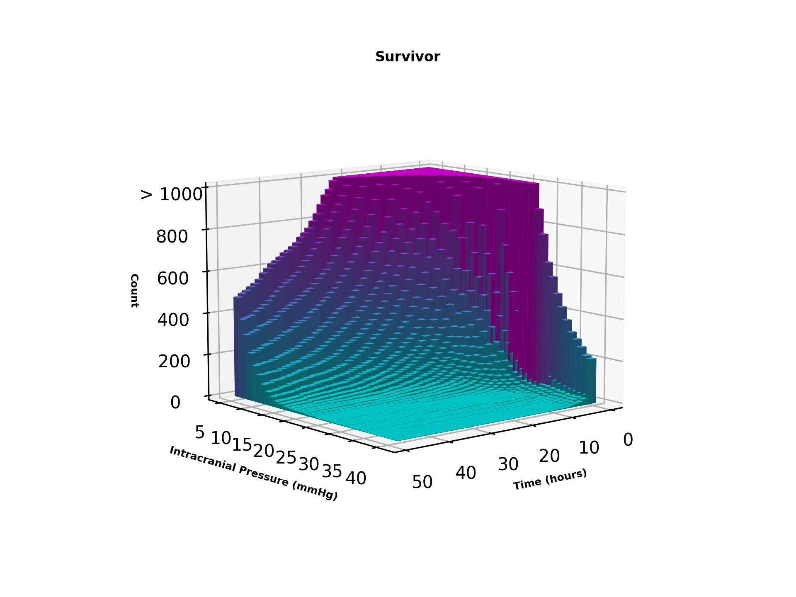
Time/ICP | 5 | 6 | 7 | 8 | 9 | 10 | 11 | 12 | 13 | 14 | 15 | 16 | 17 | 18 | 19 | 20 | 21 | 22 | 23 | 24 | 25 | 26 | 27 | 28 | 29 | 30 | 31 | 32 | 33 | 34 | 35 | 36 | 37 | 38 | 39 | 40
0.5 | 8866 | 10376 | 11650 | 12441 | 12724 | 12350 | 11580 | 10495 | 9295 | 8143 | 6891 | 5860 | 4997 | 4298 | 3687 | 3196 | 2821 | 2535 | 2199 | 1934 | 1692 | 1450 | 1212 | 1050 | 880 | 763 | 632 | 566 | 491 | 431 | 373 | 320 | 291 | 259 | 223 | 213
1 | 8866 | 10376 | 11650 | 12441 | 12724 | 12350 | 11580 | 10495 | 9295 | 8143 | 6891 | 5860 | 4997 | 4298 | 3687 | 3196 | 2821 | 2535 | 2199 | 1934 | 1692 | 1450 | 1212 | 1050 | 880 | 763 | 632 | 566 | 491 | 431 | 373 | 320 | 291 | 259 | 223 | 213
1.5 | 6462 | 7107 | 7631 | 7645 | 7327 | 6692 | 5932 | 5154 | 4334 | 3591 | 2964 | 2429 | 1992 | 1662 | 1366 | 1147 | 975 | 853 | 685 | 555 | 466 | 379 | 294 | 246 | 196 | 151 | 121 | 106 | 93 | 80 | 69 | 62 | 55 | 50 | 46 | 45
2 | 6462 | 7107 | 7631 | 7645 | 7327 | 6692 | 5932 | 5154 | 4334 | 3591 | 2964 | 2429 | 1992 | 1662 | 1366 | 1147 | 975 | 853 | 685 | 555 | 466 | 379 | 294 | 246 | 196 | 151 | 121 | 106 | 93 | 80 | 69 | 62 | 55 | 50 | 46 | 45
2.5 | 5166 | 5525 | 5695 | 5583 | 5111 | 4535 | 3846 | 3291 | 2684 | 2201 | 1769 | 1420 | 1161 | 948 | 769 | 634 | 539 | 452 | 341 | 274 | 220 | 172 | 140 | 108 | 86 | 69 | 61 | 52 | 50 | 45 | 40 | 38 | 33 | 31 | 31 | 28
3 | 5166 | 5525 | 5695 | 5583 | 5111 | 4535 | 3846 | 3291 | 2684 | 2201 | 1769 | 1420 | 1161 | 948 | 769 | 634 | 539 | 452 | 341 | 274 | 220 | 172 | 140 | 108 | 86 | 69 | 61 | 52 | 50 | 45 | 40 | 38 | 33 | 31 | 31 | 28
3.5 | 4287 | 4555 | 4590 | 4345 | 3953 | 3390 | 2800 | 2299 | 1883 | 1524 | 1230 | 973 | 777 | 632 | 517 | 433 | 361 | 285 | 216 | 173 | 134 | 112 | 88 | 72 | 57 | 51 | 43 | 38 | 36 | 32 | 27 | 28 | 26 | 23 | 23 | 18
4 | 4287 | 4555 | 4590 | 4345 | 3953 | 3390 | 2800 | 2299 | 1883 | 1524 | 1230 | 973 | 777 | 632 | 517 | 433 | 361 | 285 | 216 | 173 | 134 | 112 | 88 | 72 | 57 | 51 | 43 | 38 | 36 | 32 | 27 | 28 | 26 | 23 | 23 | 18
4.5 | 3742 | 3873 | 3807 | 3531 | 3145 | 2696 | 2188 | 1773 | 1431 | 1129 | 905 | 702 | 542 | 447 | 372 | 315 | 260 | 202 | 152 | 127 | 93 | 72 | 56 | 47 | 37 | 36 | 31 | 28 | 25 | 22 | 18 | 19 | 17 | 16 | 16 | 14
5 | 3742 | 3873 | 3807 | 3531 | 3145 | 2696 | 2188 | 1773 | 1431 | 1129 | 905 | 702 | 542 | 447 | 372 | 315 | 260 | 202 | 152 | 127 | 93 | 72 | 56 | 47 | 37 | 36 | 31 | 28 | 25 | 22 | 18 | 19 | 17 | 16 | 16 | 14
5.5 | 3307 | 3367 | 3223 | 2950 | 2556 | 2170 | 1715 | 1435 | 1167 | 940 | 736 | 550 | 428 | 347 | 286 | 232 | 184 | 144 | 115 | 91 | 67 | 51 | 41 | 30 | 26 | 24 | 21 | 18 | 16 | 13 | 13 | 13 | 13 | 11 | 10 | 9
6 | 3307 | 3367 | 3223 | 2950 | 2556 | 2170 | 1715 | 1435 | 1167 | 940 | 736 | 550 | 428 | 347 | 286 | 232 | 184 | 144 | 115 | 91 | 67 | 51 | 41 | 30 | 26 | 24 | 21 | 18 | 16 | 13 | 13 | 13 | 13 | 11 | 10 | 9
6.5 | 2952 | 2967 | 2804 | 2550 | 2166 | 1819 | 1428 | 1169 | 969 | 768 | 601 | 448 | 337 | 273 | 228 | 187 | 150 | 112 | 91 | 68 | 46 | 38 | 28 | 22 | 18 | 17 | 16 | 15 | 14 | 10 | 9 | 8 | 8 | 6 | 6 | 5
7 | 2952 | 2967 | 2804 | 2550 | 2166 | 1819 | 1428 | 1169 | 969 | 768 | 601 | 448 | 337 | 273 | 228 | 187 | 150 | 112 | 91 | 68 | 46 | 38 | 28 | 22 | 18 | 17 | 16 | 15 | 14 | 10 | 9 | 8 | 8 | 6 | 6 | 5
7.5 | 2700 | 2676 | 2481 | 2215 | 1889 | 1549 | 1215 | 1009 | 823 | 642 | 499 | 379 | 275 | 229 | 188 | 145 | 118 | 87 | 68 | 49 | 36 | 27 | 19 | 13 | 12 | 12 | 12 | 12 | 10 | 7 | 7 | 6 | 5 | 5 | 5 | 4
8 | 2700 | 2676 | 2481 | 2215 | 1889 | 1549 | 1215 | 1009 | 823 | 642 | 499 | 379 | 275 | 229 | 188 | 145 | 118 | 87 | 68 | 49 | 36 | 27 | 19 | 13 | 12 | 12 | 12 | 12 | 10 | 7 | 7 | 6 | 5 | 5 | 5 | 4
8.5 | 2483 | 2451 | 2252 | 1979 | 1629 | 1330 | 1037 | 870 | 692 | 548 | 417 | 309 | 227 | 185 | 153 | 121 | 97 | 74 | 55 | 38 | 27 | 19 | 14 | 12 | 11 | 12 | 11 | 11 | 9 | 7 | 5 | 4 | 4 | 4 | 4 | 3
9 | 2483 | 2451 | 2252 | 1979 | 1629 | 1330 | 1037 | 870 | 692 | 548 | 417 | 309 | 227 | 185 | 153 | 121 | 97 | 74 | 55 | 38 | 27 | 19 | 14 | 12 | 11 | 12 | 11 | 11 | 9 | 7 | 5 | 4 | 4 | 4 | 4 | 3
9.5 | 2288 | 2221 | 2038 | 1760 | 1445 | 1169 | 918 | 768 | 605 | 458 | 352 | 269 | 201 | 158 | 128 | 98 | 76 | 58 | 42 | 29 | 21 | 15 | 13 | 12 | 11 | 12 | 11 | 11 | 9 | 7 | 5 | 4 | 4 | 4 | 4 | 3
10 | 2288 | 2221 | 2038 | 1760 | 1445 | 1169 | 918 | 768 | 605 | 458 | 352 | 269 | 201 | 158 | 128 | 98 | 76 | 58 | 42 | 29 | 21 | 15 | 13 | 12 | 11 | 12 | 11 | 11 | 9 | 7 | 5 | 4 | 4 | 4 | 4 | 3
10.5 | 2113 | 2033 | 1845 | 1571 | 1287 | 1040 | 821 | 694 | 532 | 403 | 308 | 238 | 177 | 134 | 106 | 82 | 55 | 45 | 35 | 24 | 18 | 13 | 10 | 10 | 9 | 9 | 8 | 8 | 6 | 4 | 4 | 3 | 3 | 3 | 3 | 2
11 | 2113 | 2033 | 1845 | 1571 | 1287 | 1040 | 821 | 694 | 532 | 403 | 308 | 238 | 177 | 134 | 106 | 82 | 55 | 45 | 35 | 24 | 18 | 13 | 10 | 10 | 9 | 9 | 8 | 8 | 6 | 4 | 4 | 3 | 3 | 3 | 3 | 2
11.5 | 1959 | 1855 | 1676 | 1439 | 1163 | 937 | 740 | 622 | 475 | 362 | 272 | 216 | 156 | 122 | 94 | 72 | 49 | 39 | 29 | 21 | 13 | 11 | 9 | 8 | 8 | 8 | 8 | 8 | 6 | 4 | 4 | 3 | 3 | 3 | 2 | 2
12 | 1959 | 1855 | 1676 | 1439 | 1163 | 937 | 740 | 622 | 475 | 362 | 272 | 216 | 156 | 122 | 94 | 72 | 49 | 39 | 29 | 21 | 13 | 11 | 9 | 8 | 8 | 8 | 8 | 8 | 6 | 4 | 4 | 3 | 3 | 3 | 2 | 2
12.5 | 1828 | 1733 | 1557 | 1327 | 1053 | 839 | 677 | 559 | 414 | 310 | 234 | 187 | 132 | 100 | 79 | 62 | 41 | 34 | 28 | 19 | 12 | 9 | 7 | 7 | 7 | 7 | 7 | 7 | 5 | 3 | 3 | 2 | 2 | 2 | 1 | 1
13 | 1828 | 1733 | 1557 | 1327 | 1053 | 839 | 677 | 559 | 414 | 310 | 234 | 187 | 132 | 100 | 79 | 62 | 41 | 34 | 28 | 19 | 12 | 9 | 7 | 7 | 7 | 7 | 7 | 7 | 5 | 3 | 3 | 2 | 2 | 2 | 1 | 1
13.5 | 1715 | 1624 | 1439 | 1217 | 956 | 766 | 625 | 501 | 372 | 272 | 212 | 170 | 115 | 88 | 69 | 52 | 36 | 31 | 24 | 16 | 10 | 8 | 7 | 7 | 7 | 7 | 7 | 7 | 5 | 3 | 3 | 2 | 2 | 2 | 1 | 1
14 | 1715 | 1624 | 1439 | 1217 | 956 | 766 | 625 | 501 | 372 | 272 | 212 | 170 | 115 | 88 | 69 | 52 | 36 | 31 | 24 | 16 | 10 | 8 | 7 | 7 | 7 | 7 | 7 | 7 | 5 | 3 | 3 | 2 | 2 | 2 | 1 | 1
14.5 | 1597 | 1523 | 1349 | 1131 | 886 | 698 | 566 | 448 | 329 | 244 | 187 | 156 | 107 | 79 | 60 | 45 | 32 | 26 | 22 | 15 | 10 | 7 | 7 | 7 | 7 | 7 | 7 | 7 | 5 | 3 | 2 | 1 | 1 | 1 | 1 | 1
15 | 1597 | 1523 | 1349 | 1131 | 886 | 698 | 566 | 448 | 329 | 244 | 187 | 156 | 107 | 79 | 60 | 45 | 32 | 26 | 22 | 15 | 10 | 7 | 7 | 7 | 7 | 7 | 7 | 7 | 5 | 3 | 2 | 1 | 1 | 1 | 1 | 1
15.5 | 1506 | 1437 | 1255 | 1040 | 802 | 638 | 523 | 409 | 302 | 225 | 172 | 140 | 100 | 72 | 52 | 39 | 29 | 25 | 20 | 13 | 9 | 7 | 7 | 7 | 7 | 7 | 7 | 7 | 5 | 3 | 2 | 1 | 1 | 1 | 1 | 1
16 | 1506 | 1437 | 1255 | 1040 | 802 | 638 | 523 | 409 | 302 | 225 | 172 | 140 | 100 | 72 | 52 | 39 | 29 | 25 | 20 | 13 | 9 | 7 | 7 | 7 | 7 | 7 | 7 | 7 | 5 | 3 | 2 | 1 | 1 | 1 | 1 | 1
16.5 | 1429 | 1352 | 1170 | 960 | 730 | 570 | 474 | 379 | 279 | 207 | 152 | 126 | 93 | 67 | 49 | 36 | 28 | 24 | 19 | 13 | 9 | 7 | 7 | 7 | 7 | 7 | 7 | 6 | 5 | 3 | 2 | 1 | 1 | 1 | 1 | 1
17 | 1429 | 1352 | 1170 | 960 | 730 | 570 | 474 | 379 | 279 | 207 | 152 | 126 | 93 | 67 | 49 | 36 | 28 | 24 | 19 | 13 | 9 | 7 | 7 | 7 | 7 | 7 | 7 | 6 | 5 | 3 | 2 | 1 | 1 | 1 | 1 | 1
17.5 | 1371 | 1272 | 1093 | 888 | 680 | 534 | 438 | 345 | 252 | 189 | 140 | 112 | 82 | 59 | 46 | 33 | 26 | 21 | 18 | 13 | 9 | 6 | 6 | 6 | 6 | 6 | 6 | 5 | 4 | 3 | 2 | 1 | 1 | 1 | 1 | 1
18 | 1371 | 1272 | 1093 | 888 | 680 | 534 | 438 | 345 | 252 | 189 | 140 | 112 | 82 | 59 | 46 | 33 | 26 | 21 | 18 | 13 | 9 | 6 | 6 | 6 | 6 | 6 | 6 | 5 | 4 | 3 | 2 | 1 | 1 | 1 | 1 | 1
18.5 | 1308 | 1195 | 1022 | 817 | 640 | 497 | 403 | 316 | 228 | 167 | 132 | 103 | 76 | 55 | 40 | 29 | 23 | 18 | 15 | 11 | 8 | 6 | 6 | 6 | 6 | 6 | 6 | 4 | 4 | 3 | 2 | 1 | 1 | 1 | 1 | 1
19 | 1308 | 1195 | 1022 | 817 | 640 | 497 | 403 | 316 | 228 | 167 | 132 | 103 | 76 | 55 | 40 | 29 | 23 | 18 | 15 | 11 | 8 | 6 | 6 | 6 | 6 | 6 | 6 | 4 | 4 | 3 | 2 | 1 | 1 | 1 | 1 | 1
19.5 | 1240 | 1144 | 953 | 759 | 587 | 466 | 373 | 294 | 210 | 153 | 123 | 95 | 70 | 48 | 34 | 28 | 23 | 17 | 14 | 10 | 7 | 5 | 6 | 6 | 6 | 6 | 6 | 4 | 4 | 3 | 2 | 1 | 1 | 1 | 1 | 1
20 | 1240 | 1144 | 953 | 759 | 587 | 466 | 373 | 294 | 210 | 153 | 123 | 95 | 70 | 48 | 34 | 28 | 23 | 17 | 14 | 10 | 7 | 5 | 6 | 6 | 6 | 6 | 6 | 4 | 4 | 3 | 2 | 1 | 1 | 1 | 1 | 1
20.5 | 1175 | 1083 | 900 | 709 | 551 | 438 | 347 | 273 | 195 | 144 | 110 | 87 | 64 | 46 | 33 | 28 | 22 | 16 | 14 | 10 | 7 | 5 | 6 | 6 | 6 | 6 | 6 | 4 | 4 | 3 | 2 | 1 | 1 | 1 | 1 | 1
21 | 1175 | 1083 | 900 | 709 | 551 | 438 | 347 | 273 | 195 | 144 | 110 | 87 | 64 | 46 | 33 | 28 | 22 | 16 | 14 | 10 | 7 | 5 | 6 | 6 | 6 | 6 | 6 | 4 | 4 | 3 | 2 | 1 | 1 | 1 | 1 | 1
21.5 | 1115 | 1023 | 846 | 668 | 516 | 409 | 321 | 253 | 182 | 133 | 98 | 78 | 57 | 41 | 29 | 27 | 19 | 13 | 11 | 9 | 7 | 5 | 6 | 6 | 6 | 6 | 6 | 4 | 3 | 2 | 2 | 1 | 1 | 1 | 1 | 1
22 | 1115 | 1023 | 846 | 668 | 516 | 409 | 321 | 253 | 182 | 133 | 98 | 78 | 57 | 41 | 29 | 27 | 19 | 13 | 11 | 9 | 7 | 5 | 6 | 6 | 6 | 6 | 6 | 4 | 3 | 2 | 2 | 1 | 1 | 1 | 1 | 1
22.5 | 1062 | 961 | 790 | 633 | 483 | 384 | 302 | 238 | 170 | 121 | 90 | 74 | 52 | 34 | 27 | 25 | 18 | 12 | 11 | 8 | 7 | 5 | 6 | 6 | 6 | 6 | 6 | 3 | 3 | 2 | 2 | 1 | 1 | 1 | 1 | 1
23 | 1062 | 961 | 790 | 633 | 483 | 384 | 302 | 238 | 170 | 121 | 90 | 74 | 52 | 34 | 27 | 25 | 18 | 12 | 11 | 8 | 7 | 5 | 6 | 6 | 6 | 6 | 6 | 3 | 3 | 2 | 2 | 1 | 1 | 1 | 1 | 1
23.5 | 1022 | 913 | 750 | 597 | 462 | 367 | 282 | 215 | 150 | 111 | 85 | 70 | 48 | 33 | 26 | 22 | 17 | 12 | 10 | 7 | 7 | 5 | 6 | 5 | 5 | 5 | 4 | 3 | 3 | 2 | 2 | 1 | 1 | 1 | 1 | 1
24 | 1022 | 913 | 750 | 597 | 462 | 367 | 282 | 215 | 150 | 111 | 85 | 70 | 48 | 33 | 26 | 22 | 17 | 12 | 10 | 7 | 7 | 5 | 6 | 5 | 5 | 5 | 4 | 3 | 3 | 2 | 2 | 1 | 1 | 1 | 1 | 1
24.5 | 986 | 873 | 714 | 565 | 431 | 336 | 261 | 198 | 137 | 103 | 78 | 63 | 45 | 32 | 24 | 21 | 17 | 12 | 10 | 7 | 7 | 5 | 6 | 5 | 5 | 5 | 4 | 3 | 3 | 2 | 2 | 1 | 1 | 1 | 1 | 1
25 | 986 | 873 | 714 | 565 | 431 | 336 | 261 | 198 | 137 | 103 | 78 | 63 | 45 | 32 | 24 | 21 | 17 | 12 | 10 | 7 | 7 | 5 | 6 | 5 | 5 | 5 | 4 | 3 | 3 | 2 | 2 | 1 | 1 | 1 | 1 | 1
25.5 | 946 | 838 | 666 | 534 | 407 | 319 | 245 | 185 | 131 | 101 | 73 | 58 | 42 | 27 | 21 | 18 | 15 | 12 | 10 | 7 | 5 | 5 | 6 | 5 | 5 | 5 | 4 | 3 | 3 | 2 | 2 | 1 | 1 | 1 | 1 | 1
26 | 946 | 838 | 666 | 534 | 407 | 319 | 245 | 185 | 131 | 101 | 73 | 58 | 42 | 27 | 21 | 18 | 15 | 12 | 10 | 7 | 5 | 5 | 6 | 5 | 5 | 5 | 4 | 3 | 3 | 2 | 2 | 1 | 1 | 1 | 1 | 1
26.5 | 920 | 797 | 632 | 505 | 392 | 310 | 235 | 168 | 121 | 96 | 70 | 53 | 40 | 23 | 19 | 16 | 14 | 11 | 9 | 7 | 5 | 5 | 6 | 5 | 5 | 5 | 4 | 3 | 3 | 2 | 2 | 1 | 1 | 1 | 1 | 1
27 | 920 | 797 | 632 | 505 | 392 | 310 | 235 | 168 | 121 | 96 | 70 | 53 | 40 | 23 | 19 | 16 | 14 | 11 | 9 | 7 | 5 | 5 | 6 | 5 | 5 | 5 | 4 | 3 | 3 | 2 | 2 | 1 | 1 | 1 | 1 | 1
27.5 | 876 | 760 | 598 | 480 | 383 | 293 | 227 | 160 | 115 | 91 | 65 | 49 | 36 | 23 | 17 | 14 | 12 | 11 | 9 | 7 | 5 | 5 | 6 | 5 | 5 | 5 | 3 | 3 | 3 | 2 | 2 | 1 | 1 | 1 | 1 | 1
28 | 876 | 760 | 598 | 480 | 383 | 293 | 227 | 160 | 115 | 91 | 65 | 49 | 36 | 23 | 17 | 14 | 12 | 11 | 9 | 7 | 5 | 5 | 6 | 5 | 5 | 5 | 3 | 3 | 3 | 2 | 2 | 1 | 1 | 1 | 1 | 1
28.5 | 833 | 721 | 568 | 461 | 365 | 278 | 213 | 148 | 108 | 82 | 58 | 43 | 33 | 22 | 15 | 14 | 12 | 11 | 8 | 6 | 5 | 5 | 6 | 5 | 5 | 5 | 3 | 3 | 3 | 2 | 2 | 1 | 1 | 1 | 1 | 1
29 | 833 | 721 | 568 | 461 | 365 | 278 | 213 | 148 | 108 | 82 | 58 | 43 | 33 | 22 | 15 | 14 | 12 | 11 | 8 | 6 | 5 | 5 | 6 | 5 | 5 | 5 | 3 | 3 | 3 | 2 | 2 | 1 | 1 | 1 | 1 | 1
29.5 | 800 | 698 | 550 | 440 | 345 | 262 | 196 | 133 | 101 | 77 | 55 | 40 | 31 | 22 | 15 | 14 | 12 | 10 | 7 | 6 | 5 | 5 | 6 | 5 | 5 | 4 | 3 | 3 | 3 | 2 | 2 | 1 | 1 | 1 | 1 | 1
30 | 800 | 698 | 550 | 440 | 345 | 262 | 196 | 133 | 101 | 77 | 55 | 40 | 31 | 22 | 15 | 14 | 12 | 10 | 7 | 6 | 5 | 5 | 6 | 5 | 5 | 4 | 3 | 3 | 3 | 2 | 2 | 1 | 1 | 1 | 1 | 1
30.5 | 768 | 670 | 531 | 425 | 325 | 249 | 181 | 129 | 96 | 71 | 51 | 37 | 28 | 20 | 14 | 14 | 11 | 9 | 7 | 6 | 5 | 5 | 5 | 4 | 4 | 4 | 3 | 3 | 3 | 2 | 2 | 1 | 1 | 1 | 1 | 1
31 | 768 | 670 | 531 | 425 | 325 | 249 | 181 | 129 | 96 | 71 | 51 | 37 | 28 | 20 | 14 | 14 | 11 | 9 | 7 | 6 | 5 | 5 | 5 | 4 | 4 | 4 | 3 | 3 | 3 | 2 | 2 | 1 | 1 | 1 | 1 | 1
31.5 | 747 | 641 | 508 | 408 | 308 | 237 | 171 | 122 | 91 | 64 | 48 | 36 | 28 | 20 | 14 | 14 | 10 | 9 | 7 | 6 | 5 | 5 | 5 | 4 | 4 | 4 | 3 | 3 | 3 | 2 | 2 | 1 | 1 | 1 | 1 | 1
32 | 747 | 641 | 508 | 408 | 308 | 237 | 171 | 122 | 91 | 64 | 48 | 36 | 28 | 20 | 14 | 14 | 10 | 9 | 7 | 6 | 5 | 5 | 5 | 4 | 4 | 4 | 3 | 3 | 3 | 2 | 2 | 1 | 1 | 1 | 1 | 1
32.5 | 729 | 618 | 488 | 390 | 294 | 222 | 164 | 116 | 90 | 63 | 47 | 35 | 26 | 19 | 14 | 14 | 10 | 8 | 6 | 6 | 5 | 5 | 5 | 4 | 4 | 4 | 3 | 3 | 3 | 2 | 2 | 1 | 1 | 1 | 1 | 1
33 | 729 | 618 | 488 | 390 | 294 | 222 | 164 | 116 | 90 | 63 | 47 | 35 | 26 | 19 | 14 | 14 | 10 | 8 | 6 | 6 | 5 | 5 | 5 | 4 | 4 | 4 | 3 | 3 | 3 | 2 | 2 | 1 | 1 | 1 | 1 | 1
33.5 | 704 | 593 | 476 | 379 | 283 | 210 | 155 | 112 | 85 | 61 | 47 | 34 | 25 | 19 | 14 | 14 | 10 | 7 | 5 | 5 | 5 | 5 | 5 | 4 | 4 | 4 | 3 | 3 | 3 | 2 | 2 | 1 | 1 | 1 | 1 | 1
34 | 704 | 593 | 476 | 379 | 283 | 210 | 155 | 112 | 85 | 61 | 47 | 34 | 25 | 19 | 14 | 14 | 10 | 7 | 5 | 5 | 5 | 5 | 5 | 4 | 4 | 4 | 3 | 3 | 3 | 2 | 2 | 1 | 1 | 1 | 1 | 1
34.5 | 688 | 567 | 458 | 355 | 264 | 201 | 149 | 107 | 80 | 58 | 44 | 33 | 25 | 18 | 13 | 12 | 10 | 7 | 5 | 5 | 5 | 5 | 5 | 4 | 4 | 4 | 3 | 3 | 3 | 2 | 2 | 1 | 1 | 1 | 1 | 1
35 | 688 | 567 | 458 | 355 | 264 | 201 | 149 | 107 | 80 | 58 | 44 | 33 | 25 | 18 | 13 | 12 | 10 | 7 | 5 | 5 | 5 | 5 | 5 | 4 | 4 | 4 | 3 | 3 | 3 | 2 | 2 | 1 | 1 | 1 | 1 | 1
35.5 | 673 | 552 | 443 | 344 | 257 | 188 | 145 | 106 | 79 | 58 | 42 | 32 | 23 | 17 | 13 | 12 | 10 | 7 | 5 | 5 | 5 | 5 | 4 | 4 | 4 | 4 | 3 | 3 | 3 | 2 | 2 | 1 | 1 | 1 | 1 | 1
36 | 673 | 552 | 443 | 344 | 257 | 188 | 145 | 106 | 79 | 58 | 42 | 32 | 23 | 17 | 13 | 12 | 10 | 7 | 5 | 5 | 5 | 5 | 4 | 4 | 4 | 4 | 3 | 3 | 3 | 2 | 2 | 1 | 1 | 1 | 1 | 1
36.5 | 663 | 535 | 429 | 337 | 246 | 183 | 137 | 104 | 76 | 54 | 39 | 30 | 22 | 17 | 13 | 12 | 8 | 6 | 5 | 5 | 5 | 5 | 4 | 4 | 4 | 4 | 3 | 3 | 3 | 2 | 2 | 1 | 1 | 1 | 1 | 1
37 | 663 | 535 | 429 | 337 | 246 | 183 | 137 | 104 | 76 | 54 | 39 | 30 | 22 | 17 | 13 | 12 | 8 | 6 | 5 | 5 | 5 | 5 | 4 | 4 | 4 | 4 | 3 | 3 | 3 | 2 | 2 | 1 | 1 | 1 | 1 | 1
37.5 | 645 | 524 | 420 | 320 | 231 | 177 | 136 | 101 | 73 | 51 | 39 | 30 | 21 | 17 | 13 | 12 | 8 | 6 | 5 | 5 | 5 | 5 | 4 | 4 | 4 | 4 | 3 | 3 | 3 | 2 | 2 | 1 | 1 | 1 | 1 | 1
38 | 645 | 524 | 420 | 320 | 231 | 177 | 136 | 101 | 73 | 51 | 39 | 30 | 21 | 17 | 13 | 12 | 8 | 6 | 5 | 5 | 5 | 5 | 4 | 4 | 4 | 4 | 3 | 3 | 3 | 2 | 2 | 1 | 1 | 1 | 1 | 1
38.5 | 629 | 507 | 407 | 308 | 222 | 167 | 131 | 97 | 67 | 48 | 38 | 28 | 19 | 16 | 13 | 12 | 8 | 6 | 5 | 5 | 5 | 5 | 4 | 4 | 4 | 4 | 3 | 3 | 3 | 2 | 2 | 1 | 1 | 1 | 1 | 1
39 | 629 | 507 | 407 | 308 | 222 | 167 | 131 | 97 | 67 | 48 | 38 | 28 | 19 | 16 | 13 | 12 | 8 | 6 | 5 | 5 | 5 | 5 | 4 | 4 | 4 | 4 | 3 | 3 | 3 | 2 | 2 | 1 | 1 | 1 | 1 | 1
39.5 | 617 | 489 | 395 | 302 | 215 | 163 | 127 | 92 | 66 | 46 | 37 | 27 | 19 | 16 | 13 | 12 | 8 | 6 | 5 | 5 | 5 | 5 | 4 | 4 | 4 | 4 | 3 | 3 | 3 | 2 | 2 | 1 | 1 | 1 | 1 | 1
40 | 617 | 489 | 395 | 302 | 215 | 163 | 127 | 92 | 66 | 46 | 37 | 27 | 19 | 16 | 13 | 12 | 8 | 6 | 5 | 5 | 5 | 5 | 4 | 4 | 4 | 4 | 3 | 3 | 3 | 2 | 2 | 1 | 1 | 1 | 1 | 1
40.5 | 598 | 468 | 376 | 288 | 207 | 156 | 121 | 89 | 64 | 43 | 35 | 25 | 19 | 16 | 13 | 11 | 8 | 6 | 5 | 5 | 5 | 5 | 4 | 4 | 4 | 4 | 3 | 3 | 3 | 2 | 2 | 1 | 1 | 1 | 1 | 1
41 | 598 | 468 | 376 | 288 | 207 | 156 | 121 | 89 | 64 | 43 | 35 | 25 | 19 | 16 | 13 | 11 | 8 | 6 | 5 | 5 | 5 | 5 | 4 | 4 | 4 | 4 | 3 | 3 | 3 | 2 | 2 | 1 | 1 | 1 | 1 | 1
41.5 | 578 | 450 | 362 | 277 | 200 | 151 | 115 | 86 | 59 | 41 | 33 | 24 | 18 | 14 | 12 | 11 | 8 | 6 | 5 | 5 | 5 | 5 | 4 | 4 | 4 | 4 | 3 | 3 | 3 | 2 | 2 | 1 | 1 | 1 | 1 | 1
42 | 578 | 450 | 362 | 277 | 200 | 151 | 115 | 86 | 59 | 41 | 33 | 24 | 18 | 14 | 12 | 11 | 8 | 6 | 5 | 5 | 5 | 5 | 4 | 4 | 4 | 4 | 3 | 3 | 3 | 2 | 2 | 1 | 1 | 1 | 1 | 1
42.5 | 551 | 432 | 353 | 269 | 194 | 144 | 111 | 81 | 54 | 36 | 28 | 20 | 15 | 13 | 11 | 10 | 7 | 5 | 4 | 4 | 4 | 4 | 3 | 3 | 3 | 2 | 2 | 2 | 2 | 1 | 1 | 1 | 1 | 1 | 1 | 1
43 | 551 | 432 | 353 | 269 | 194 | 144 | 111 | 81 | 54 | 36 | 28 | 20 | 15 | 13 | 11 | 10 | 7 | 5 | 4 | 4 | 4 | 4 | 3 | 3 | 3 | 2 | 2 | 2 | 2 | 1 | 1 | 1 | 1 | 1 | 1 | 1
43.5 | 533 | 418 | 345 | 257 | 185 | 138 | 106 | 75 | 51 | 33 | 25 | 19 | 14 | 13 | 11 | 10 | 7 | 5 | 4 | 4 | 4 | 4 | 3 | 3 | 3 | 2 | 2 | 2 | 2 | 1 | 1 | 1 | 1 | 1 | 1 | 1
44 | 533 | 418 | 345 | 257 | 185 | 138 | 106 | 75 | 51 | 33 | 25 | 19 | 14 | 13 | 11 | 10 | 7 | 5 | 4 | 4 | 4 | 4 | 3 | 3 | 3 | 2 | 2 | 2 | 2 | 1 | 1 | 1 | 1 | 1 | 1 | 1
44.5 | 520 | 407 | 340 | 253 | 180 | 136 | 103 | 73 | 50 | 32 | 25 | 19 | 14 | 13 | 11 | 10 | 7 | 5 | 4 | 4 | 4 | 4 | 3 | 3 | 3 | 2 | 2 | 2 | 2 | 1 | 1 | 1 | 1 | 1 | 1 | 1
45 | 520 | 407 | 340 | 253 | 180 | 136 | 103 | 73 | 50 | 32 | 25 | 19 | 14 | 13 | 11 | 10 | 7 | 5 | 4 | 4 | 4 | 4 | 3 | 3 | 3 | 2 | 2 | 2 | 2 | 1 | 1 | 1 | 1 | 1 | 1 | 1
45.5 | 506 | 390 | 324 | 242 | 179 | 136 | 101 | 67 | 47 | 30 | 24 | 18 | 14 | 13 | 11 | 10 | 7 | 5 | 4 | 4 | 4 | 4 | 3 | 3 | 3 | 2 | 2 | 2 | 2 | 1 | 1 | 1 | 1 | 1 | 1 | 1
46 | 506 | 390 | 324 | 242 | 179 | 136 | 101 | 67 | 47 | 30 | 24 | 18 | 14 | 13 | 11 | 10 | 7 | 5 | 4 | 4 | 4 | 4 | 3 | 3 | 3 | 2 | 2 | 2 | 2 | 1 | 1 | 1 | 1 | 1 | 1 | 1
46.5 | 495 | 384 | 317 | 234 | 175 | 133 | 95 | 64 | 47 | 30 | 23 | 17 | 14 | 12 | 10 | 9 | 7 | 5 | 4 | 4 | 4 | 4 | 3 | 3 | 3 | 2 | 2 | 2 | 2 | 1 | 1 | 1 | 1 | 1 | 1 | 1
47 | 495 | 384 | 317 | 234 | 175 | 133 | 95 | 64 | 47 | 30 | 23 | 17 | 14 | 12 | 10 | 9 | 7 | 5 | 4 | 4 | 4 | 4 | 3 | 3 | 3 | 2 | 2 | 2 | 2 | 1 | 1 | 1 | 1 | 1 | 1 | 1
47.5 | 479 | 378 | 309 | 226 | 171 | 132 | 92 | 63 | 44 | 28 | 22 | 15 | 12 | 11 | 10 | 9 | 7 | 5 | 4 | 4 | 4 | 4 | 3 | 3 | 3 | 2 | 2 | 2 | 2 | 1 | 1 | 1 | 1 | 1 | 1 | 1
48 | 479 | 378 | 309 | 226 | 171 | 132 | 92 | 63 | 44 | 28 | 22 | 15 | 12 | 11 | 10 | 9 | 7 | 5 | 4 | 4 | 4 | 4 | 3 | 3 | 3 | 2 | 2 | 2 | 2 | 1 | 1 | 1 | 1 | 1 | 1 | 1
ICP | 5 | 6 | 7 | 8 | 9 | 10 | 11 | 12 | 13 | 14 | 15 | 16 | 17 | 18 | 19 | 20 | 21 | 22 | 23 | 24 | 25 | 26 | 27 | 28 | 29 | 30 | 31 | 32 | 33 | 34 | 35 | 36 | 37 | 38 | 39 | 40

Non-Survivor
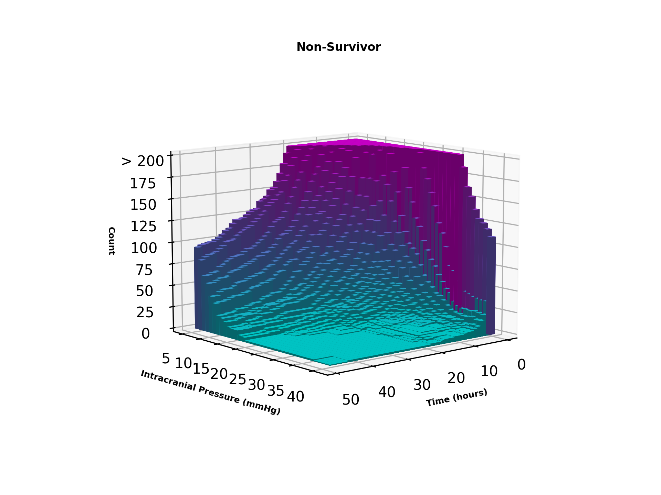
time/ICP | 5 | 6 | 7 | 8 | 9 | 10 | 11 | 12 | 13 | 14 | 15 | 16 | 17 | 18 | 19 | 20 | 21 | 22 | 23 | 24 | 25 | 26 | 27 | 28 | 29 | 30 | 31 | 32 | 33 | 34 | 35 | 36 | 37 | 38 | 39 | 40
0.5 | 1206 | 1477 | 1638 | 1758 | 1742 | 1626 | 1520 | 1418 | 1347 | 1224 | 1095 | 911 | 811 | 768 | 708 | 642 | 581 | 553 | 506 | 447 | 396 | 363 | 342 | 323 | 286 | 261 | 226 | 205 | 186 | 164 | 154 | 140 | 130 | 126 | 120 | 112
1 | 1206 | 1477 | 1638 | 1758 | 1742 | 1626 | 1520 | 1418 | 1347 | 1224 | 1095 | 911 | 811 | 768 | 708 | 642 | 581 | 553 | 506 | 447 | 396 | 363 | 342 | 323 | 286 | 261 | 226 | 205 | 186 | 164 | 154 | 140 | 130 | 126 | 120 | 112
1.5 | 909 | 1033 | 1099 | 1088 | 992 | 902 | 845 | 787 | 719 | 599 | 538 | 433 | 394 | 370 | 329 | 283 | 250 | 218 | 196 | 179 | 167 | 152 | 137 | 118 | 107 | 92 | 71 | 66 | 55 | 50 | 45 | 43 | 41 | 40 | 39 | 39
...
46 | 98 | 86 | 66 | 58 | 46 | 36 | 23 | 20 | 17 | 12 | 11 | 11 | 6 | 5 | 2 | 2 | 2 | 2 | 2
46.5 | 97 | 84 | 64 | 56 | 42 | 36 | 22 | 20 | 17 | 12 | 11 | 11 | 6 | 5 | 2 | 2 | 2 | 2 | 2
47 | 97 | 84 | 64 | 56 | 42 | 36 | 22 | 20 | 17 | 12 | 11 | 11 | 6 | 5 | 2 | 2 | 2 | 2 | 2
47.5 | 95 | 81 | 64 | 56 | 42 | 35 | 22 | 20 | 17 | 12 | 11 | 11 | 6 | 5 | 2 | 2 | 2 | 2 | 2
48 | 95 | 81 | 64 | 56 | 42 | 35 | 22 | 20 | 17 | 12 | 11 | 11 | 6 | 5 | 2 | 2 | 2 | 2 | 2

