Q6
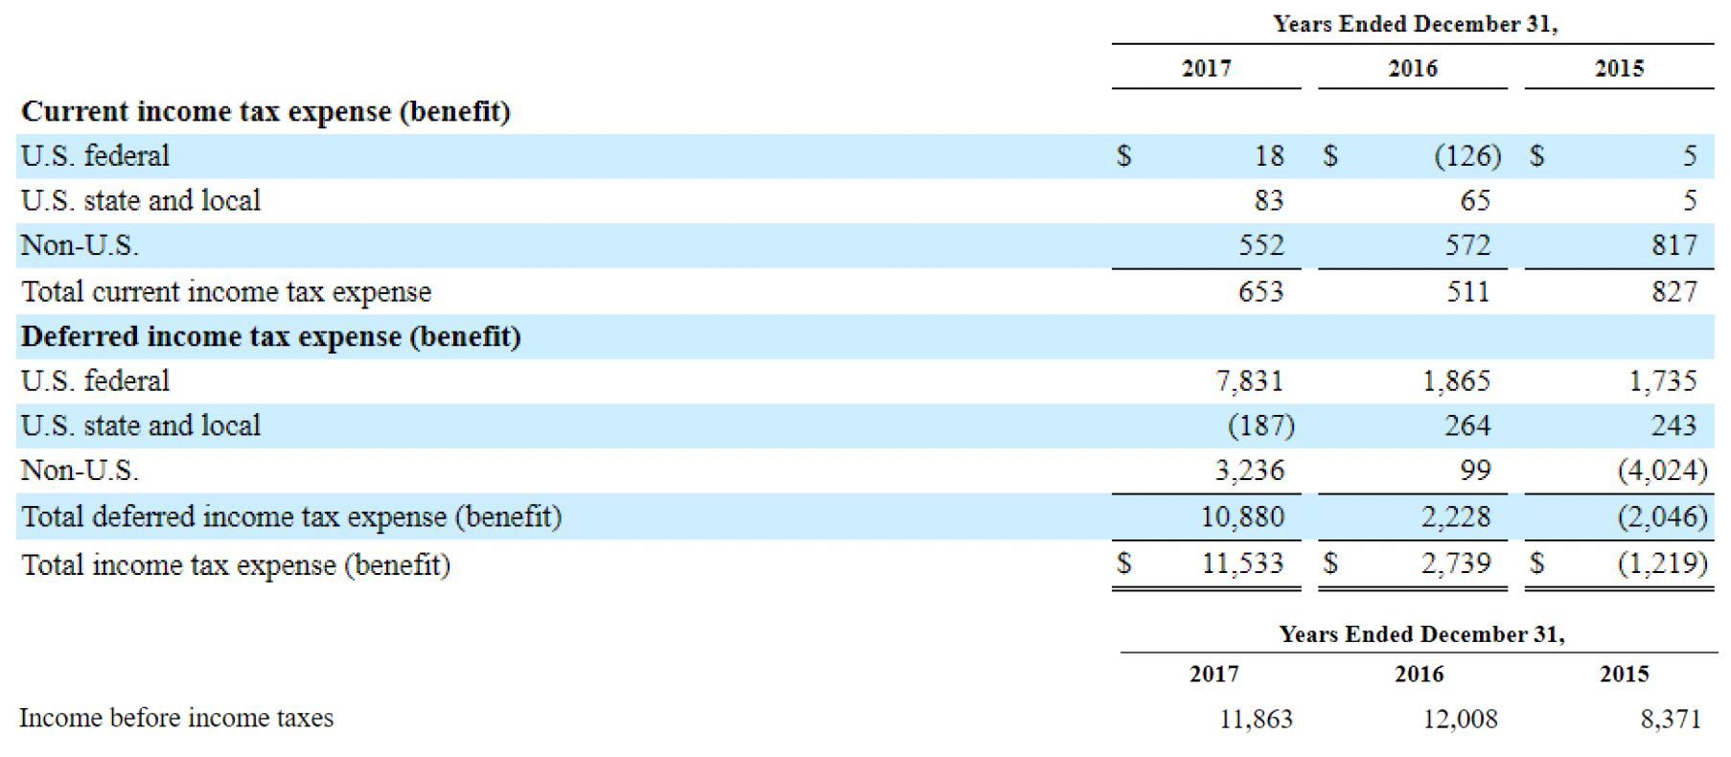

The Tax Cuts and Jobs Act 2017 reduced the statutory tax rate applicable to corporations in the US from 35% to 21%, effective in January 2018.
We recognized the tax effects of the Tax Act in the year ended December 31, 2017 and recorded $7.3 billion in tax expense which relates almost entirely to the remeasurement of deferred tax assets to the 21% tax rate

a | Record the income tax expense (using a journal entry or the accounting equation) for GM in 2016 and 2017.
2016 | dr. tax exp |  | 2739
 |  | cr. Tax payable |  | 511 | DTL: tax expense > tax payable. You're underpaying the IRS compared to what the accountant thinks
 |  | cr. DTL |  | 2228 | DTA: tax expense < tax payable. You're overpaying the IRS compared to what the accountant thinks
2017 | dr. tax exp |  | 11533
 |  | cr. Tax payable |  | 653
 |  | cr. DTL |  | 10880

b
In 2016, is taxable income higher or lower than pretax income? |  |  |  |  | taxable income -> for tax purposes -> tax payable
 | lower |  |  |  | pretax income -> for accounting purposes -> tax expense
How did GM’s net deferred tax position (= DTA – DTL) change in 2016?
 | decrease in net | (increase in DTL)

c | effective tax rates for 2016 and 2017.
2016 | 0.22809793471
2017 | 0.97218241592

d
skip

e
skip

f
skip

