prices
COMMOM TO ALL THE CLUBS
Oct No of Days: | 31 | Select Access | 100% | Former Member | 100% | Bloomfield Hills | Presale
Remaining Days in Oct: | 2 | Pre sale Select | 100% |  |  | ORCHARD ST | Presale
Taxes | 8.25% | AAF | 100% |  |  | SAN RAMON | Presale
Initiation Actual Fees | 300 | Dest | 100% |  |  | CULVER CITY | Presale
Promo | 100% | Dest Exce | 50%
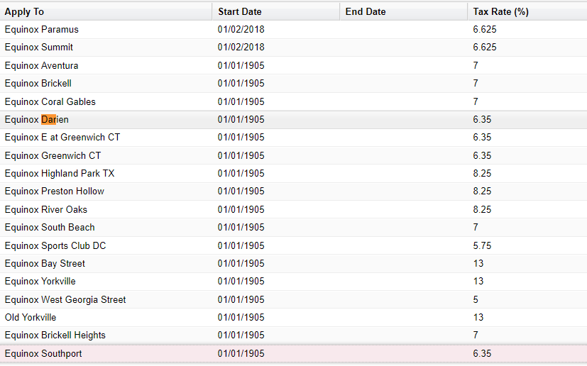
Boston All Clubs: Promotion is wrongly applied
REGULAR |  |  |  |  |  | NY>Dumbo | No promotion
Select Access (Dartmouth, Franklin, Seaport) | 295 |  |  |  |  | NY>Brooklyn Heights | No promotion
PRORATED
Select Access (Dartmouth, Franklin, Seaport) | 19.032258065
Initiation Actual Fees
Select Access | 0
Taxes
Select Access (Dartmouth, Franklin, Seaport) | 25.90766129
Total Due:
Total Due- Select | $339.94

