Sheet1
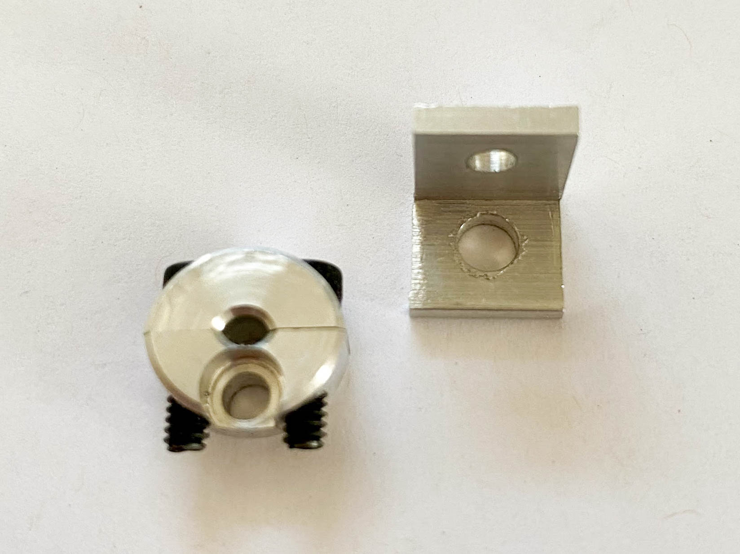
part | description | link | quantity | price | total | notes
Winglet Assembly (each) |  |  |  |  | 35.5
Winglet Body
3D-printed body & lid | files available at https://github.com/d008/ActiveGrid -- winglet.sldprt and winglet_lid.sldprt |  | 1 | 2 | 2
tube fitting | Plastic Barbed Tube Fitting for Air and Water Easy-View Adapter for 1/8" Tube x 1/8 NPT Male* |  | 1 | 1 | 1
screws | 18-8 Stainless Steel, Number 2 Size, 3/8" Long |  | 4
Winglet Electronics
custom PCB | files available at https://github.com/d008/ActiveGrid --winglet.brd/winglet.sch |  | 1 | 2 | 2
stepper motor | NW 3PCS NMB Dia 15mm 5V Deceleration Micro Motor 2 phase 4 wire Stepper Motor Step Angle 15 Degree |  | 1 | 5 | 5
stepper motor driver | BIQU A4988 Compatible StepStick Stepper Motor Diver Module with Heat Sink for 3D Printer Controller Ramps |  | 1 | 3 | 3
ESP8266 | IZOKEE Development Board for ESP8266 Compatible with Arduino |  | 1 | 4 | 4
capacitor | CAP ALUM 100UF 20% 6.3V SMD |  | 1 | 1 | 1
capsule slip ring | Senring M065-06 |  | 1 | 8 | 8 | bulk pricing available
hall effect sensor |  |  | 1 | 1 | 1
tiny magnets |  |  | 1
pin connectors & housings
Winglet frame attachments
slip ring side | Corner Bracket for Single Rail Miniature T-Slotted Framing* |  | 1 | 3.5 | 3.5
stepper-motor side | Clamping Two-Piece Shaft Collar for 1/8" Diameter, 2024 Aluminum* |  | 1 | 5 | 5
screws | Socket Head Screw M3 x 0.5 mm Thread, length as needed (~4mm) |  | 1
Active Grid Frame |  |  |  |  | 1029.44
T-slotted framing | Single Four Slot Rail, Silver, 20 mm Square, Solid, 2 ft (one of which is cut into four 6" sections) |  | 5 | 8.28 | 41.4
 | Single Four Slot Rail, Silver, 20 mm Square, Solid, 4 ft |  | 4 | 13.93 | 55.72
 | Gusset Bracket for 20mm High Rail, 1-5/8" Long, Silver |  | 4 | 9.24 | 36.96
 | Silver Open Gusset Bracket for 20mm High Rail, 3/4" Long |  | 4 | 5.04 | 20.16
 | Silver 90 Degree Surface Bracket for 20 mm High Rail |  | 4 | 10.99 | 43.96
 | Black Plastic Pull Handle for 20 mm High Rail, 5-3/16" Long |  | 2 | 8.34 | 16.68
Miniature T-slotted framing | Single Rail, 10 mm High x 10 mm Wide, 24" |  | 8 | 9.93 | 79.44
 | Single Rail, 10 mm High x 10 mm Wide, 12" |  | 20 | 4.95 | 99
 | Single Rail, 10 mm High x 10 mm Wide, 6" |  | 44 | 2.47 | 108.68
 | Corner Bracket for Single Rail Miniature T-Slotted Framing |  | 128 | 3.5 | 448
 | Corner Surface Bracket for Single Rail Miniature T-Slotted Framing |  | 8 | 4.68 | 37.44
 | Truss Surface Bracket for Single Rail Miniature T-Slotted Framing |  | 8 | 5.25 | 42
Power Supplies |  |  |  |  | 280
custom PCB | files available at https://github.com/d008/ActiveGrid -- power.brd/power.sch |  | 8 | 1 | 8
5V power supply | 5v 7A Dc Universal Switching Power Supply |  | 8 | 13 | 104
12V power supply | 12v 30a Dc Universal Regulated Switching Power Supply 360w |  | 8 | 21 | 168
pin connectors & housings
screw terminals
 |  |  | total (60 winglets) |  | 3439.44

* requires modifications (see image below)

