8. Appendix
APPENDIX
 | CHART 1: Variables based on Terrain |  |  | CHART 2: LBL Factors Based on Location and number of stories | CHART 3: NIST researched statistics of infiltration of HOUSES |  |  |  |  |  | References

 | Terrain Characteristics | α | δ |  |  |  |  |  |  |  | CONVERSION REFERENCES
 | Category 1 |  |  |  |  | House Air Changes Per Hour |  |  |  |  | m3/s/m2 | = | cfm/f2 | 0
 | Large city centres, in which at least 50% of buildings are higher than 21 m, over a distance of at least 2000 meters upwind | 0.33 | 460 |  |  |  | ACH50 | Construction Type |  |  | cfm/f2 |  | m3/s/m2 | 0.000000
 |  |  |  |  |  |  | 2 | Tight
 |  |  |  |  |  |  | 5 | Moderately Tight |  |  | m2 | = | ft2 | 0
 |  |  |  |  |  |  | 10 | Typical |  |  | ft2 | = | m2 | 0.00
 | Category 2 |  |  |  |  |  | >20 | Very Leaky
 | Urban, suburban, wooded areas, and other areas with closely spaced obstructions compared to or larger than single-family dwellings (over a distance of at least 2000 meters upwind) | 0.22 | 370 |  |  |  | Based on US data from ASHRAE 1997 |  |  |  | m3 | = | ft3 | 0.00
 |  |  |  |  |  |  |  |  |  |  | ft3 | = | m3 | 0.00

 |  |  |  |  | Source: Persily, A.K. (1998). Airtightness of Commercial and Institutional Buildings: Blowing Holes in the Myth of TightBuildings. Preceedings of Thermal Performance of the Exterior Envelopes of Buildings VII, pp. 829-837.

 | Category 3
 | Open terrain with scattered obstacles generally less than 10 meters height | 0.14 | 270 |  | CHART 4: NIST researched statistics of infiltration of COMMERCIAL/INSTITUTIONAL BUILDINGS

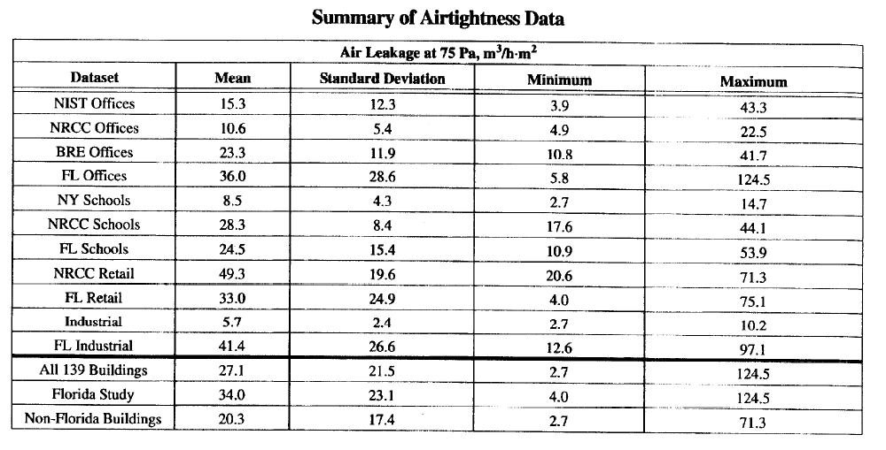
 | Category 4
 | Flat, unobstructed areas exposed to wind flowing over a large water body (no more than 500 meters inland) | 0.1 | 210

 |  |  |  |  |  |  |  | m3/hr-m2 | 0 | cfm/f2

 |  |  |  |  | Source: Persily, A.K. (1998). Airtightness of Commercial and Institutional Buildings: Blowing Holes in the Myth of TightBuildings. Preceedings of Thermal Performance of the Exterior Envelopes of Buildings VII, pp. 829-837.

 |  |  |  | Source: Department of Energy (2001). Energy Star Home Sealing Specification
 |  |  |  | https://www.energystar.gov/ia/home_improvement/home_sealing/ES_HS_Spec_v1_0b.pdf

