addProperty
//addProperty
describe('addProperty adds a new property to "obj". The new property should have a value of null.', function(){
let objDD = {
brand : "Fender",
stringCount : 4,
color : "Blue"
};
it('addProperty adds a new property to "obj" therefore, after invocation, "obj" should have a length equal to original length + 1', function(){
/* model > var o = {a:5, b:9, c:2}; > var objLength = Object.keys(o); > objLength .. ["a", "b", "c"] > objLength.length .. 3 */

// let objLength = Object.keys(objDD).length; // store length of input array for later comparison. Originally put this statement in functions.js which was misguided. | This doesn't work because objects do not have a length. An easy way to count the number of properties (or 'keys') in an object are to use the built-in function 'Object.keys()'. Object.keys() returns an array consisting of the key/value pairs of the object. An object with 4 properties returns an array with 4 elements. Each element consists of one key/value pair. When let obj = {brand : "Fender", stringCount : 4, color : "Blue"}; then Object.keys(obj) evaluates to [ 'brand', 'stringCount', 'color' ] therefore Object.keys(obj).length evalutes to 3 | 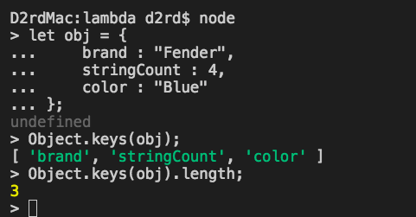
// expect(app.addProperty(objDD, 'dollarValue')).to.have.lengthOf(objLength + 1); | The statement expect(app.addProperty(objDD, 'dollarValue')).to.have.lengthOf(objLength + 1); will never work because the return value of the expression 'app.addProperty(objDD, 'dollarValue')' is 'obj' with the property 'dollarValue' appended. invoking console.log() returns the updated object: Original 'obj' { brand: 'Fender', stringCount: 4, color: 'Blue' } after invoking 'addProperty()' { brand: 'Fender', stringCount: 4, color: 'Blue', dollarValue: null } app.addProperty(obj, 'dollarValue') is an array
app.addProperty(objDD, 'dollarValue'); | //1. invokes the function app.addProperty() using 'objDD' as the first argument and 'dollarValue' as the second argument.
let objLength = Object.keys(objDD).length; | //declares the varible objLength and sets it to the length of the result produced by the built-in function 'Object.keys()'. 'Object.keys()' returns an array containing the properties of 'objDD'. The length of this array is returned when '.length' property is chained to the core method.
expect(objLength).to.equal(4); | // the expected result is 4 because the updated object has 1 additional property.
});

it('addProperty should contain a new property that has a value of null.', function(){
//model expect(null).to.be.a('null');
// expect(app.addProperty(objDD,'dollarValue'))[3].to.be.a.null; | // this statement says "expect the 4th array element of the function app.addProperty() to be a null. THIS IS NONSENSICAL.
expect(objDD.dollarValue).to.be.null; | // the correct statement says expect the 'dollarValue' property of objDD to be null. THIS MAKES SENSE.
});
});
/*-----*/

