Model
 | Mean | VAR | STDEV | SHARPE | VOO | BLV | Mean | VAR | STDEV | Sharpe
VOO | 1.09% | 0.00118 | 0.03439 | 0.2621 | 0% | 100% | 0.63% | 0.00068720121741 | 0.026214523025 | 0.1663
BLV | 0.63% | 0.00069 | 0.02621 | 0.1663 | 10% | 90% | 0.67% | 0.00054087684957 | 0.023256759223 | 0.2072
 |  |  |  |  | 20% | 80% | 0.72% | 0.00043807969221 | 0.02093035337 | 0.2526
Covariance | -0.00015323864797 |  |  |  | 30% | 70% | 0.77% | 0.00037880974533 | 0.019463035358 | 0.2955
Correlation | -0.16997785951 |  |  |  | 40% | 60% | 0.81% | 0.00036306700893 | 0.01905431733 | 0.3262
 |  |  |  |  | 50% | 50% | 0.86% | 0.000390851483 | 0.019769964163 | 0.3379
 |  |  |  |  | 60% | 40% | 0.91% | 0.00046216316755 | 0.021497980546 | 0.3324
 |  |  |  |  | 70% | 30% | 0.95% | 0.00057700206258 | 0.024020867232 | 0.3170
 |  |  |  |  | 80% | 20% | 1.00% | 0.00073536816809 | 0.027117672616 | 0.2980
 |  |  |  |  | 90% | 10% | 1.04% | 0.00093726148407 | 0.030614726588 | 0.2792
 |  |  |  |  | 100% | 0% | 1.09% | 0.0011826820105 | 0.03439014409 | 0.2621

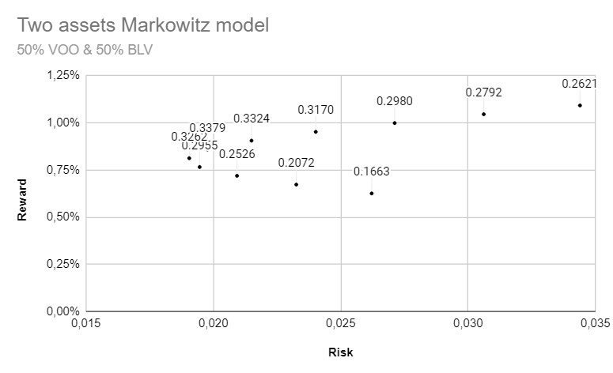
Two assets Markowitz model
Results : |  |  |  |  |  |  |  | Google Sheets :

