Simple Gantt Chart
Daily Roadmap: 5-week feature sprint
 | Simple Gantt Chart |  |  |  | Gantt Start Date |  |  |  |  |  |  | 🎯 |  |  | Project Objective: Accelerate the deployment of core infrastructure while simultaneously executing a high-impact marketing and beta-testing sequence to ensure a 100% stable production release. |  |  |  |  |  |  |  |  |  |  |  |  |  |  |  |  |  |  |  |  | 34%
 | Project Zenith: Next-Gen Platform Launch |  |  |  | 1-Jan-26

Task Table |  |  |  |  | WEEK 1 |  |  |  |  |  |  | WEEK 2 |  |  |  |  |  |  | WEEK 3 |  |  |  |  |  |  | WEEK 4 |  |  |  |  |  |  | WEEK 5
 |  |  |  |  | M | T | W | T | F | S | S | M | T | W | T | F | S | S | M | T | W | T | F | S | S | M | T | W | T | F | S | S | M | T | W | T | F | S | S
ID | Task Name | Start Date | Duration | Progress | 2025-12-29 | 2025-12-30 | 2025-12-31 | 2026-01-01 | 2026-01-02 | 2026-01-03 | 2026-01-04 | 2026-01-05 | 2026-01-06 | 2026-01-07 | 2026-01-08 | 2026-01-09 | 2026-01-10 | 2026-01-11 | 2026-01-12 | 2026-01-13 | 2026-01-14 | 2026-01-15 | 2026-01-16 | 2026-01-17 | 2026-01-18 | 2026-01-19 | 2026-01-20 | 2026-01-21 | 2026-01-22 | 2026-01-23 | 2026-01-24 | 2026-01-25 | 2026-01-26 | 2026-01-27 | 2026-01-28 | 2026-01-29 | 2026-01-30 | 2026-01-31 | 2026-02-01
TS-01 | Backend Infrastructure Setup | 2026-01-01 | 6 | 100%
TS-02 | Database Schema Migration | 2026-01-01 | 4 | 100%
TS-03 | API Security Protocols | 2026-01-02 | 5 | 90%
M-01 | Milestone: Core Architecture Ready | 2026-01-06 | 0 | 100%
TS-04 | UI Component Library Build | 2026-01-05 | 8 | 80%
TS-05 | Dashboard Layout Design | 2026-01-06 | 7 | 70%
TS-06 | Responsive Mobile Styling | 2026-01-06 | 10 | 50%
TS-07 | User Authentication Flow | 2026-01-08 | 5 | 30%
TS-08 | Dark Mode Toggle Integration | 2026-01-09 | 4 | 20%
M-02 | Milestone: UI/UX Phase Complete | 2026-01-15 | 0 | 100%
TS-09 | Payment Gateway Integration | 2026-01-06 | 8 | 40%
TS-10 | Subscription Tier Logic | 2026-01-13 | 7 | 30%
TS-11 | Shopping Cart Functional Audit | 2026-01-10 | 6 | 20%
TS-12 | Beta Tester Onboarding | 2026-01-12 | 10 | 10%
TS-13 | Community Feedback Loop | 2026-01-15 | 12 | 5%
M-03 | Milestone: Feature Freeze | 2026-01-22 | 0 | 0%
TS-14 | End-to-End Stress Testing | 2026-01-20 | 7 | 0%
TS-15 | Cross-Browser Compatibility | 2026-01-21 | 6 | 0%
TS-16 | Bug Resolution - Sprint 1 | 2026-01-22 | 8 | 0%
TS-17 | SEO Meta Tag Optimization | 2026-01-24 | 5 | 0%
TS-18 | Analytics & Tracking Setup | 2026-01-25 | 4 | 0%
M-04 | Milestone: Gold Master Build | 2026-01-28 | 0 | 0%
TS-19 | Server Load Balancing | 2026-01-26 | 5 | 0%
TS-20 | Final Documentation & Guides | 2026-01-27 | 4 | 0%
M-05 | Milestone: Production Go-Live | 2026-01-31 | 0 | 0%

Note: This is a free version of the template that allows you to manage up to 25 tasks and customize the project title and start date.
For full access, unlimited task rows, and a fully unlocked file with complete customization capabilities, please get our Premium Template at Analysistabs.org.
Analysistabs ® Premium Templates

Free vs Premium
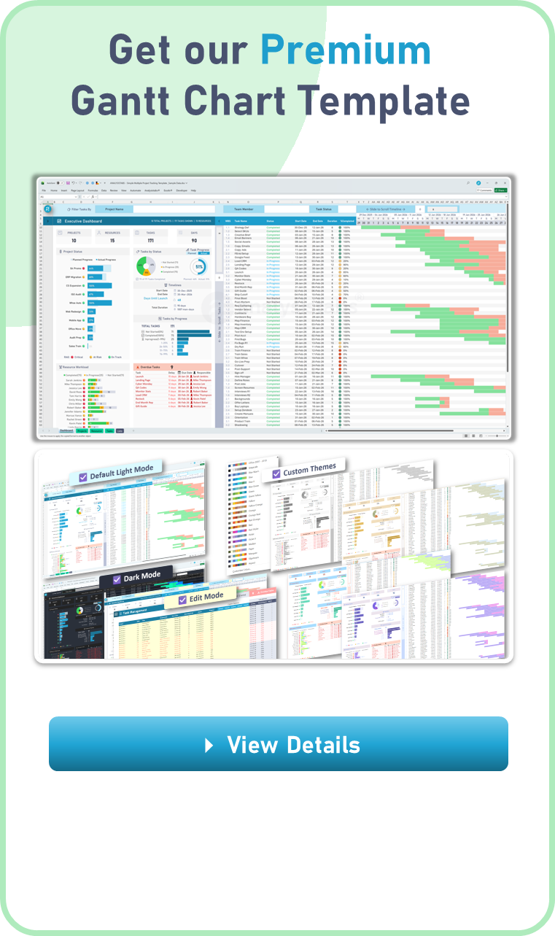
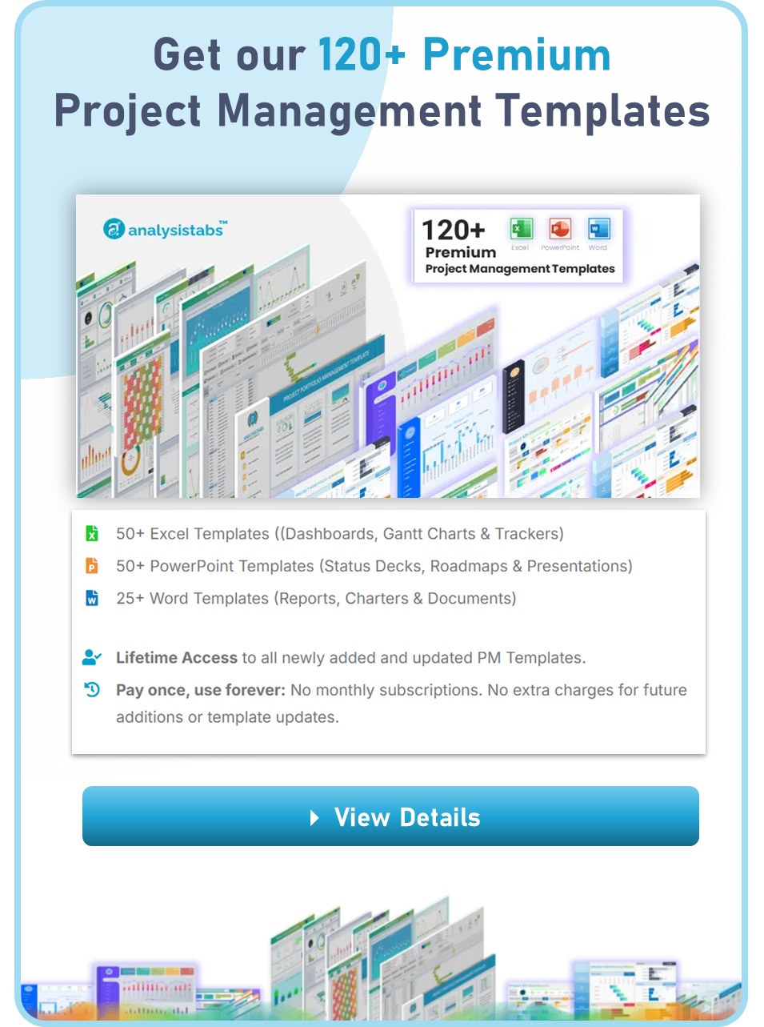
FREE vs PREMIUM COMPARISON

Feature | Free Template | Premium Templates
Project Scope | Single Project Only | Multiple & Unlimited Projects
Visual Themes | Standard Light Mode | Light & Dark Mode
Timeline View | 5-Week Static Sprint | 9-Week Dynamic View with Zoom In/Out
Smart Filtering | No Filtering | Filter by Project, Team Member, or Status
Edit Mode | Standard Input | One-Click Highlight for all Editable Cells
Custom Schedules | Standard Calendar | Advanced Weekend & Official Holiday Logic
Resource Tracking | Not Included | Resource Active Workload Heatmap
Timeline Tools | Basic View | Highlight Today, Weekends, Holidays, & Overdue
Capacity | 25 Task Records | Unlimited Tasks (Portfolio Scale)
Dashboard | 1 Simple Gauge | Full Executive Portfolio Dashboard
Formula Access | Locked & Protected | 100% Unlocked & Fully Customizable
Price | FREE | $49 (One-Time Payment)

License-Disclaimer
 | License Terms

4 | Analysistabs® License Agreement
 | This Template/Excel File and sample data is created by Excelx.com Powered by Analysistabs®

4 | Single User License: Allows 1 (Personal Use Only).

4 | You are Allowed

4 | Individual users are permitted to use this file/template for their personal use only
4 | You can share the web page link:(https://excelx.com/)
4 | You can make copies for your own use

4 | You are NOT Allowed

4 | Reproducing of this template is not permitted for reselling, rebranding, team usage, company usage, training and any other business purpose.
4 | You are not allowed to share this template, or the screenshots/ images produced using this template with sample data provided in the template.
4 | You are not allowed to share our template via Emails, Shared drives, Common Folders, Websites, and Social media
4 | You must not remove our copyright notices and Licence sheets from the template
4 | Excel Files/ templates (.xlsx,.xlsm, .docx, .pptx) files should not be shared with others. Instead, you can share following web page link of this template.
Excel Blog

Disclaimer: The information on Excelx.com, including articles, examples, and templates, is for your reference only. We try our best to keep it accurate, but we can't guarantee it's always perfect. If you use this information, you take full responsibility for any risks.

