Sheet1
Direct request |  |  |  |  |  |  |  | Direct request
1 configured Tomcat |  |  |  |  |  |  |  | 1 configured Tomcat
TPS | average (ms) | min (ms) | max (ms) | error% | cpu% | memory | deviation | TPS | average (ms) | min (ms) | max (ms) | error% | cpu% | memory | deviation
1 | 213 | 211 | 215 | 0.00 | - | - | 1 | 1 | 284 | 259 | 368 | 0.00 | - | - | 42
5 | 210 | 208 | 214 | 0.00 | - | - | 1 | 5 | 262 | 257 | 272 | 0.00 | - | - | 3
10 | 210 | 207 | 215 | 0.00 | - | - | 2 | 10 | 262 | 257 | 270 | 0.00 | - | - | 3
20 | 210 | 206 | 214 | 0.00 | - | - | 1 | 20 | 268 | 256 | 380 | 0.00 | - | - | 18
50 | 208 | 206 | 213 | 0.00 | - | - | 1 | 50 | 327 | 255 | 845 | 0.00 | - | - | 125
100 | 208 | 205 | 218 | 0.00 | - | - | 1 | 100 | 937 | 266 | 1761 | 0.00 | - | - | 318
250 | 208 | 205 | 230 | 0.00 |  |  | 1 | 250 | 2043 | 294 | 3818 | 0.00 |  |  | 796
500 | 209 | 204 | 277 | 0.00 | - | - | 6 | 500 | 3985 | 572 | 8185 | 0.00 | - | - | 2031
1000 | 217 | 204 | 529 | 0.00 | - | - | 48 | 1000 | 10476 | 681 | 32991 | 0.58 | - | - | 7005
2000 | 239 | 204 | 1242 | 0.00 |  |  | 139 | 2000 | 15758 | 303 | 85150 | 2.77 |  |  | 11553
3500 | 224 | 204 | 2872 | 0.00 |  |  | 87 | 3500 | 26897 | 512 | 165713 | 3.29 |  |  | 20551
5000 | 232 | 204 | 4083 | 0.08 | - | - | 212 | 5000 | 46351 | 520 | 172493 | 11.60 | - | - | 38492
10000 | 228 | 204 | 1627 | 0.00 |  |  | 69
50000 | 227 | 204 | 1508 | 0.00 |  |  | 73
100000 | 269 | 204 | 7701 | 0.00 |  |  | 445
ERROR(%)
Average response time(ms)

2 configured Tomcat |  |  |  |  |  |  |  | 2 configurated Tomcat with nginx(least connected)
TPS | average (ms) | min (ms) | max (ms) | error% | cpu% | memory | deviation | TPS | average (ms) | min (ms) | max (ms) | error% | cpu% | memory | deviation
1 | 312 | 307 | 327 | 0.00 | - | - | 7 | 1 | 371 | 359 | 399 | 0.00 | - | - | 14
5 | 308 | 300 | 337 | 0.00 | - | - | 8 | 5 | 365 | 356 | 387 | 0.00 | - | - | 6
10 | 308 | 301 | 332 | 0.00 | - | - | 5 | 10 | 364 | 356 | 388 | 0.00 | - | - | 6
20 | 306 | 300 | 329 | 0.00 | - | - | 4 | 20 | 366 | 355 | 430 | 0.00 | - | - | 10
50 | 306 | 299 | 332 | 0.00 | - | - | 4 | 50 | 420 | 357 | 1423 | 0.00 | - | - | 158
100 | 305 | 299 | 337 | 0.00 | - | - | 3 | 100 | 994 | 379 | 2136 | 0.00 | - | - | 358
250 | 305 | 299 | 333 | 0.00 |  |  | 3 | 250 | 2587 | 499 | 3792 | 0.00 |  |  | 618
500 | 305 | 299 | 329 | 0.00 | - | - | 3 | 500 | 4548 | 731 | 7789 | 0.00 | - | - | 1763
1000 | 310 | 299 | 620 | 0.00 | - | - | 34 | 1000 | 8588 | 448 | 17433 | 0.00 | - | - | 4508
2000 | 326 | 298 | 1068 | 0.00 |  |  | 98 | 2000 | 21562 | 372 | 66176 | 0.06 |  |  | 18038
3500 | 317 | 298 | 669 | 0.00 |  |  | 42 | 3500 | 13996 | 251 | 69293 | 34.80 |  |  | 16597
5000 | 351 | 303 | 1789 | 0.00 | - | - | 130 | 5000 | 12035 | 251 | 76357 | 51.48 | - | - | 18601
10000 | 354 | 299 | 1504 | 0.00 |  |  | 144
50000 | 323 | 298 | 752 | 0.00 |  |  | 64
100000 | 322 | 299 | 1339 | 0.00 |  |  | 60
ERROR(%)
Average response time(ms)

3 configured Tomcat |  |  |  |  |  |  |  | 3 configurated Tomcat with nginx(least connected)
TPS | average (ms) | min (ms) | max (ms) | error% | cpu% | memory | deviation | TPS | average (ms) | min (ms) | max (ms) | error% | cpu% | memory | deviation
1 | 340 | 311 | 447 | 0.00 | - | - | 53 | 1 | 400 | 367 | 526 | 0.00 | - | - | 62
5 | 311 | 305 | 320 | 0.00 | - | - | 4 | 5 | 384 | 357 | 444 | 0.00 | - | - | 26
10 | 310 | 305 | 320 | 0.00 | - | - | 3 | 10 | 383 | 356 | 464 | 0.00 | - | - | 27
20 | 310 | 304 | 318 | 0.00 | - | - | 3 | 20 | 376 | 355 | 423 | 0.00 | - | - | 14
50 | 310 | 303 | 319 | 0.00 | - | - | 3 | 50 | 482 | 365 | 797 | 0.00 | - | - | 85
100 | 309 | 303 | 327 | 0.00 | - | - | 3 | 100 | 1240 | 401 | 1961 | 0.00 | - | - | 335
250 | 310 | 303 | 329 | 0.00 |  |  | 3 | 250 | 3226 | 863 | 6187 | 0.00 |  |  | 1142
500 | 309 | 303 | 368 | 0.00 | - | - | 4 | 500 | 5277 | 603 | 9993 | 0.00 | - | - | 2663
1000 | 309 | 303 | 416 | 0.00 | - | - | 7 | 1000 | 14136 | 799 | 34088 | 0.00 | - | - | 7590
2000 | 320 | 303 | 485 | 0.00 |  |  | 27 | 2000 | 24470 | 814 | 69856 | 0.05 |  |  | 16588
3500 | 324 | 303 | 550 | 0.00 |  |  | 42 | 3500 | 15211 | 251 | 69171 | 36.68 |  |  | 17326
5000 | 325 | 303 | 701 | 0.00 | - | - | 55 | 5000 | 11734 | 252 | 68695 | 52.55 | - | - | 16799
10000 | 328 | 303 | 1327 | 0.00 |  |  | 53
50000 | 326 | 303 | 741 | 0.00 |  |  | 59
100000 | 331 | 302 | 1351 | 0.00 |  |  | 63
ERROR(%)
Average response time(ms)

Average response time(ms)

Max response time(ms)

Sheet2
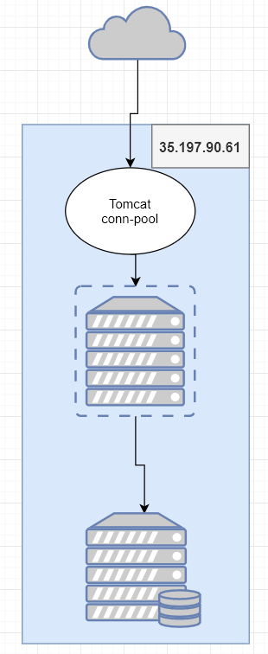
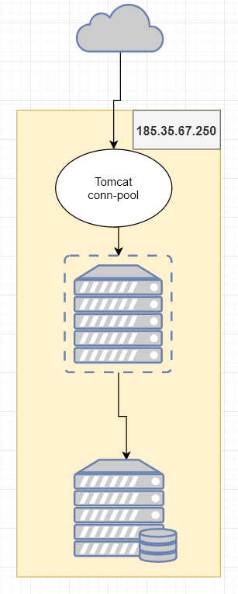
Direct request |  |  |  |  |  |  |  | Direct request |  |  |  |  |  |  |  |  | Direct request
1 configured Tomcat (gg 8vCPU, 30GB ram) |  |  |  |  |  |  |  | 1 configured Tomcat (aruba 4vCPU, 8GBram) |  |  |  |  |  |  |  |  | 1 configured Tomcat (gg 4vCPU, 15GB ram)
TPS | average (ms) | min (ms) | max (ms) | error% | cpu% | memory | deviation | TPS | average (ms) | min (ms) | max (ms) | error% | cpu% | memory | deviation |  | TPS | average (ms) | min (ms) | max (ms) | error% | cpu% | memory | deviation
1 | 145 | 143 | 151 | 0.00 | - | - | 2 | 1 | 290 | 267 | 352 | 0.00 | - | - | 31 |  | 1 | 185 | 161 | 231 | 0.00 | - | - | 25
5 | 135 | 121 | 191 | 0.00 | - | - | 12 | 5 | 272 | 261 | 294 | 0.00 | - | - | 7 |  | 5 | 151 | 129 | 174 | 0.00 | - | - | 9
10 | 130 | 118 | 182 | 0.00 | - | - | 9 | 10 | 271 | 259 | 366 | 0.00 | - | - | 16 |  | 10 | 137 | 123 | 187 | 0.00 | - | - | 11
20 | 124 | 114 | 177 | 0.00 | - | - | 8 | 20 | 276 | 260 | 329 | 0.00 | - | - | 11 |  | 20 | 136 | 119 | 235 | 0.00 | - | - | 16
50 | 145 | 112 | 474 | 0.00 | - | - | 58 | 50 | 323 | 262 | 705 | 0.00 | - | - | 65 |  | 50 | 414 | 124 | 1098 | 0.00 | - | - | 230
100 | 260 | 114 | 707 | 0.00 | - | - | 107 | 100 | 1040 | 292 | 1703 | 0.00 | - | - | 280 |  | 100 | 930 | 165 | 1701 | 0.00 | - | - | 276
250 | 1067 | 146 | 2043 | 0.00 |  |  | 507 | 250 | 2382 | 334 | 3797 | 0.00 |  |  | 861 |  | 250 | 2413 | 454 | 4236 | 0.00 |  |  | 1042
500 | 2179 | 154 | 4883 | 0.00 | - | - | 1224 | 500 | 4538 | 519 | 9438 | 0.00 | - | - | 2337 |  | 500 | 4391 | 517 | 9028 | 0.00 | - | - | 2456
1000 | 3511 | 241 | 9134 | 0.00 | - | - | 2422 | 1000 | 9041 | 597 | 23005 | 0.88 | - | - | 5511 |  | 1000 | 9214 | 273 | 32282 | 0.36 | - | - | 5891
2000 | 8364 | 179 | 32304 | 0.00 |  |  | 6681 | 2000 | 18545 | 591 | 86382 | 4.19 |  |  | 14906 |  | 2000 | 18665 | 119 | 129640 | 2.22 |  |  | 17405
3500 | 17972 | 178 | 66581 | 0.55 |  |  | 17030 | 3500 | 32185 | 555 | 92916 | 7.44 |  |  | 24186 |  | 3500 | 36525 | 292 | 131227 | 5.17 |  |  | 32814
5000 | 23246 | 358 | 68817 | 0.72 | - | - | 21319 | 5000 | 46643 | 396 | 170882 | 14.42 | - | - | 39025 |  | 5000 | 53922 | 633 | 131258 | 24.28 | - | - | 46249
10000 | 52215 | 294 | 139709 | 24.37 |  |  | 46407 | 10000 | 83325 | 880 | 228847 | 30.01 |  |  | 57692 |  | 10000 | 77436 | 635 | 138901 | 47.02 |  |  | 50936

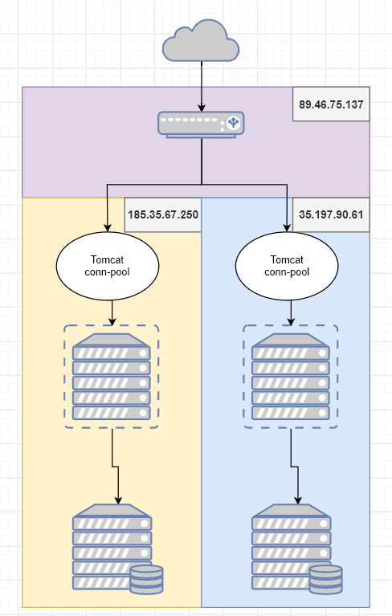
nginx load-balance (weight:500, 150) |  |  |  |  |  |  |  |  | nginx load-balance (weight:750, 300) |  |  |  |  |  |  |  | nginx load-balance (weight:10, 8)
2 configured Tomcat |  |  |  |  |  |  |  |  | 2 configured Tomcat (8vCPU, 30GB ram and 4vCPU, 8GB ram) |  |  |  |  |  |  |  | 2 configured Tomcat (4vCPU, 15GB ram and 4vCPU, 8GB ram)
TPS | average (ms) | min (ms) | max (ms) | error% | cpu% | memory | deviation |  | TPS | average (ms) | min (ms) | max (ms) | error% | cpu% | memory | deviation | TPS | average (ms) | min (ms) | max (ms) | error% | cpu% | memory | deviation
1 | 577 | 379 | 627 | 0.00 | - | - | 99 |  | 1 | 636 | 620 | 676 | 0.00 | - | - | 20 | 1 | 476 | 361 | 637 | 0.00 | - | - | 131
5 | 571 | 368 | 681 | 0.00 | - | - | 110 |  | 5 | 622 | 613 | 630 | 0.00 | - | - | 4 | 5 | 511 | 353 | 634 | 0.00 | - | - | 130
10 | 569 | 359 | 644 | 0.00 | - | - | 107 |  | 10 | 514 | 356 | 632 | 0.00 | - | - | 127 | 10 | 511 | 357 | 666 | 0.00 | - | - | 130
20 | 596 | 358 | 1083 | 0.00 | - | - | 145 |  | 20 | 504 | 356 | 762 | 0.00 | - | - | 131 | 20 | 541 | 355 | 1071 | 0.00 | - | - | 154
50 | 572 | 354 | 687 | 0.00 | - | - | 111 |  | 50 | 502 | 355 | 656 | 0.00 | - | - | 126 | 50 | 511 | 355 | 699 | 0.00 | - | - | 130
100 | 591 | 353 | 971 | 0.00 | - | - | 132 |  | 100 | 546 | 354 | 872 | 0.00 | - | - | 124 | 100 | 527 | 355 | 817 | 0.00 | - | - | 136
250 | 899 | 366 | 1670 | 0.00 |  |  | 292 |  | 250 | 842 | 365 | 1585 | 0.00 |  |  | 255 | 250 | 1322 | 374 | 2179 | 0.00 |  |  | 343
500 | 2236 | 391 | 8872 | 0.00 | - | - | 1734 |  | 500 | 1854 | 400 | 4945 | 0.00 | - | - | 929 | 500 | 2357 | 567 | 5083 | 0.00 | - | - | 921
1000 | 3251 | 390 | 8951 | 0.00 | - | - | 1812 |  | 1000 | 3054 | 396 | 9203 | 0.00 | - | - | 1703 | 1000 | 4581 | 432 | 16613 | 0.00 | - | - | 2407
2000 | 5899 | 621 | 18247 | 0.00 |  |  | 4167 |  | 2000 | 5924 | 371 | 18916 | 0.00 |  |  | 4390 | 2000 | 7833 | 580 | 19699 | 0.04 |  |  | 5080
3500 | 6262 | 251 | 33587 | 16.36 |  |  | 5655 |  | 3500 | 6265 | 251 | 30708 | 22.57 |  |  | 5960 | 3500 | 7547 | 251 | 34523 | 26.12 |  |  | 7969
5000 | 5551 | 252 | 35912 | 36.76 | - | - | 6985 |  | 5000 | 5256 | 252 | 35004 | 36.66 | - | - | 6671 | 5000 | 6276 | 252 | 35788 | 43.75 | - | - | 8112
10000 | 4542 | 251 | 59272 | 53.50 |  |  | 7439 |  | 10000 | 4289 | 251 | 33868 | 55.24 |  |  | 7102 | 10000 | 5947 | 251 | 62709 | 60.67 |  |  | 12184

ERROR(%)

Average response time(ms)

Max response time(ms)

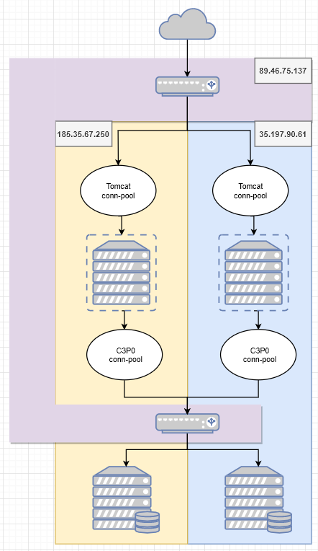
nginx load-balance (weight:750, 300) |  |  |  |  |  |  |  |  | 1vCPU, 2GB ram
2 configured Tomcat |  |  |  |  |  |  |  |  | 4vCPU, 8GB ram
TPS | average (ms) | min (ms) | max (ms) | error% | cpu% | memory | deviation |  | 4vCPU, 15GB ram
1 | 1566 | 1354 | 2381 | 0.00 | - | - | 407
5 | 1430 | 1284 | 2320 | 0.00 | - | - | 262
10 | 1377 | 1269 | 2394 | 0.00 | - | - | 200
20 | 1365 | 1267 | 2341 | 0.00 | - | - | 141
50 | 1473 | 1294 | 2376 | 0.00 | - | - | 191
100 | 2134 | 1324 | 3580 | 0.00 | - | - | 459
250 | 3991 | 1332 | 6757 | 0.00 |  |  | 1676
500 | 7242 | 1333 | 14980 | 0.36 | - | - | 3671
1000 | 13945 | 1319 | 46890 | 2.90 | - | - | 8239
2000 | 30107 | 1453 | 165667 | 9.82 |  |  | 22787
3500 | 52845 | 1503 | 169374 | 18.89 |  |  | 44663
5000 | 70973 | 2544 | 173423 | 23.36 | - | - | 52605
10000 | 91526 | 1445 | 235785 | 48.68 |  |  | 56093

Sheet3
Tomcat configuration

Hibernate and C3P0 conn-pool configuration
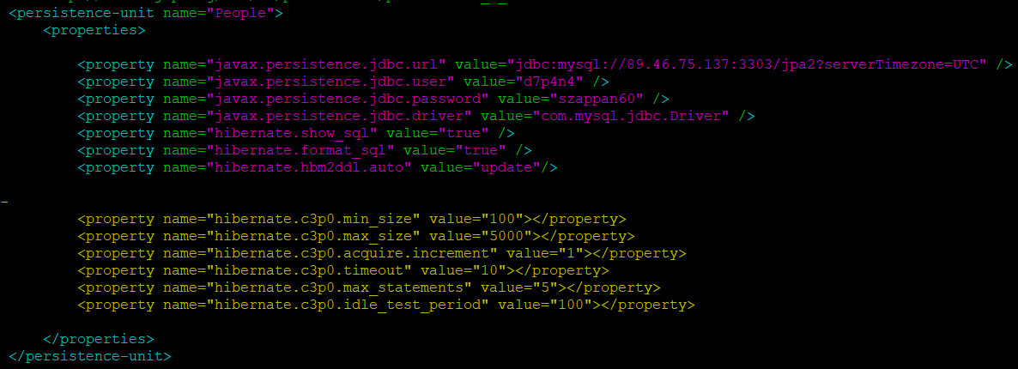

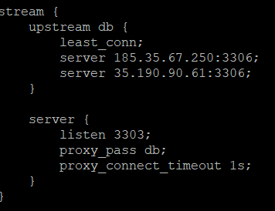
Nginx configuration and load balance
worker_rlimit_nofile | 100000
worker_connections | 4000
multi_accept | on
use | epoll
open_file_cache max=20000 inactive=2s
open_file_cache_valid | 30s
open_file_cache_min_uses | 2
open_cache_file_errors | on
access_log | off
reset_timedout_connection | on
client_body_timeout | 2
send_timeout | 2
keepalive_requests | 10000
mysql.cnf configuration
innodb_buffer_pool_size | 90% of ram
max_connections | 151 or more
query_cache_limit | 0
query_cache_size | 0

