Ark2
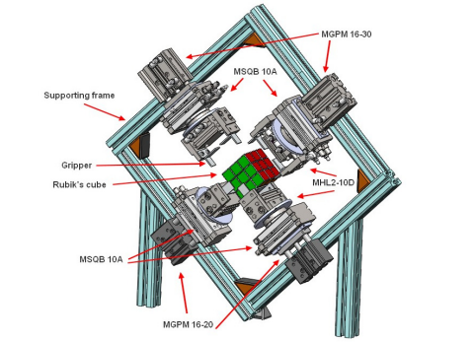
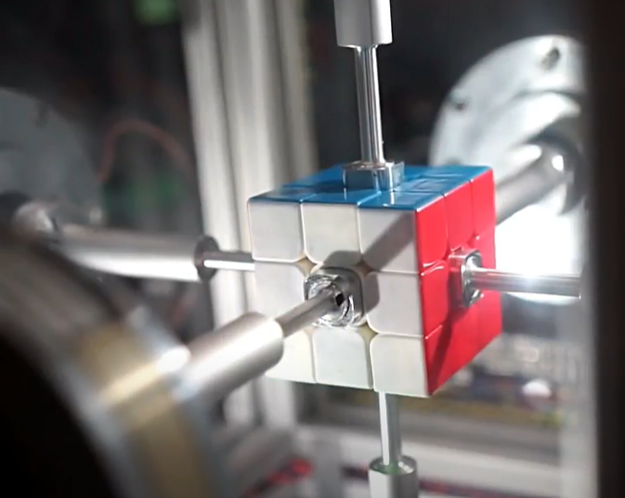
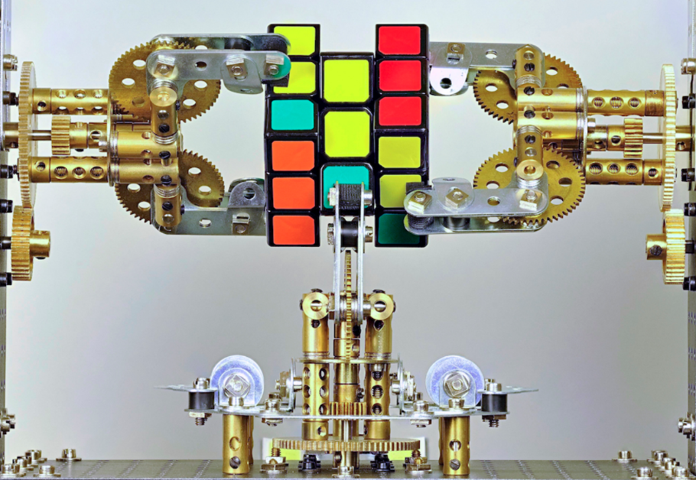
Datum showpiece | World record | Meccano | PDLC
Supporting frame in a single flat plane | supporting box around cube w/LED lights within | U-shape supporting frame holding actuators | Supporting box around cube smart film and lights
4 rotary actuators + 4 linear actuators | 6 DC actuators | 3 rotating actuators, 3 grip actuators, 1 additional linear actuator | 6 stepper actuators
Thistlethwait45 algorithm | unknown algorithm | Kociemba algorithm | Korf algorithm
1 camera - webcam non fixed position | 2 camera - semi-fixed position | 1 camera - fixed position | 2 raspberry pi camera modules
Host PC - Power board | nucleo for control | Raspberry Pi/Teensy | Raspberry/Teensy

