assign1_part2
Assignment 1 - Prolog and Search; Part 2 (T1, 2020)
Completed by Dheeraj Satya Sushant Viswanadham (z5204820)
Note: Have used the lecture notes for gathering information regarding time and space complexities of given algorithms.
Started: 07/03/2020 | Last edited: 15/03/2020
Question 1: Search Algorithms for the 15-Puzzle
A)
 | start10 | start12 | start20 | start30 | start40
UCS | 2565 | Mem | Mem | Mem | Mem
IDS | 2407 | 13812 | 5297410 | Time | Time
A* | 33 | 26 | 915 | Mem | Mem
IDA* | 29.00 | 21.00 | 952.00 | 17,297.00 | 112,571.00

Note: "Mem" refers to the algorithm running out of memory
Note: "Time" refers to the algorithm taking more than 5 mins to compute

B)
As seen from the computations shown in the above table:
1) UCS can be seen to be the least efficient of the four as it runs out of memory for start12 to start40 positions. UCS minimises the cost of path from start to node n, and is optimal and complete, however is not efficient.

 |  |  |  | Time complexity:

 |  |  |  | Space complexity:

2) IDS can be seen to be slightly better than UCS, however, it is still not great as it takes too long to compute the calculations once the starting positions get bigger. It attempts to combine the benefits of depth-first (low memory) and breadth-first (optimal and complete).

3) A* can be seen to be slightly better as it did not take too long to compute the calculations, however, it still has its own memory limitations. It uses both the cost of the generated path and an estimate to the goal to order the nodes on the frontier, and combines UCS and greedy search to accomplish this where UCS minimises the cost of path whilst greedy search minimises the estimate to the goal from 'n'. However, it maintains a priority queue which can get quite big, hence introducing memory limitations.

Time complexity: | O(b^ἑd) | Space complexity: | O(b^d)

4) IDA* can be seen to be the most efficient both in terms of memory usage and time taken to compute the differing positions. This is due to it requiring lower memory usage than the A* algorithm where both perform depth-first search but differ in the fact that IDA* stops the search when it reaches its current threshold [from the sum of -> f(n) = g(n) + h(n)].

Time complexity: | O(b^ἑd) | Space complexity: | O(bd)

Question 2: Heuristic Path Search for 15-Puzzle
(A) + (C)
 | start50 |  | start60 |  | start64
IDA* | 50 | 14642512 | 60 | 321252368 | 64 | 1209086782
1.2 | 52 | 191438 | 62 | 230861 | 66 | 431033
1.4 | 66 | 116342 | 82 | 4432 | 94 | 190278
1.6 | 100 | 33504 | 148 | 55626 | 162 | 235848
Greedy | 164 | 5447 | 166 | 1617 | 184 | 2174

B)

Hence, we should adjust the code as shown below where w = 1.2, meaning F(1) = (2 - 1.2) * G1 + 1.2 * H1 => 0.8 * G1 + 1.2 * H1

Before:
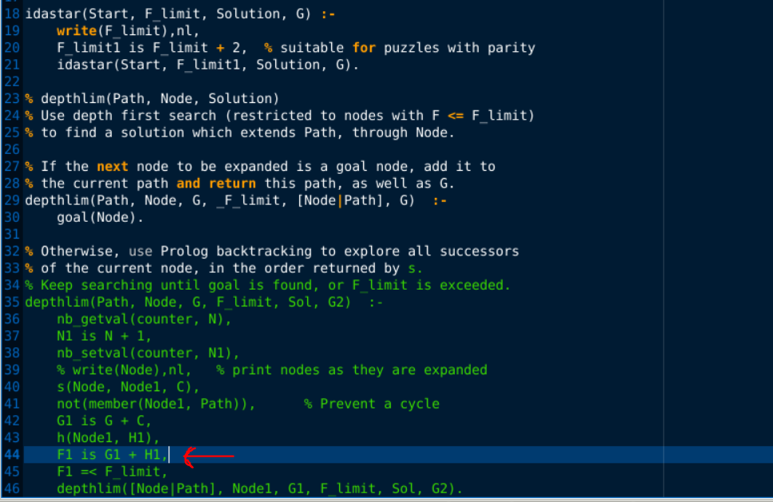

After:
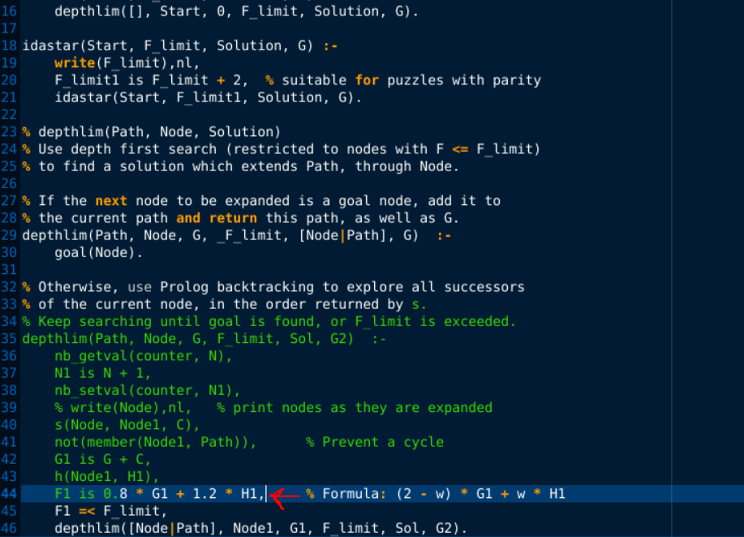

D) Basically, as seen from the above table in (A), it is essentailly a tradeoff between speed and quality. If w = 1, then that means the quality of the solution will be better as the path length is shorter meaning we will get a more optimal path, whilst if we incrementally increase w by 0.2 from 1 to 2, this means that the quality of the solution is being sacrificed for speed i.e. as w approaches 2, we have: f(n) = (2 - 2) * g(n) + 2 * h(n) = 2 * h(n) where the greedy algorithm is f(n) = h(n) in its simplest form, whereas if we have w = 1, then we have the IDA* algorithm: f(n) = (2 - 1) * g(n) + 1 * h(n) = g(n) + h(n) in its simplest form.

