pitest
Pitest
sample:97
 | mutant |  | author1 | remark | author2 | remark
num | source code |  | 2 |  | 1
6 |  |  | 0 |  | 0
6 | 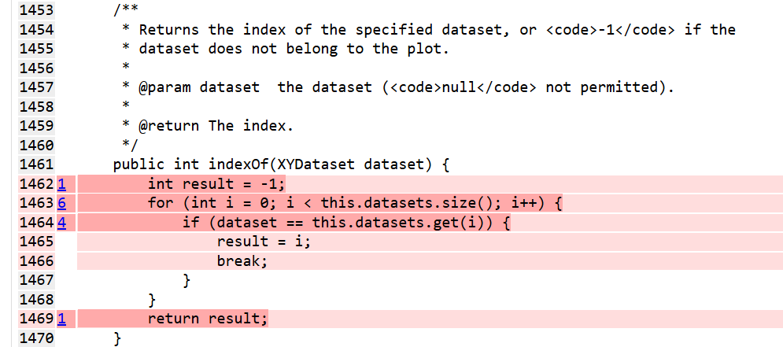 |  | 1 |  | 0
10 | 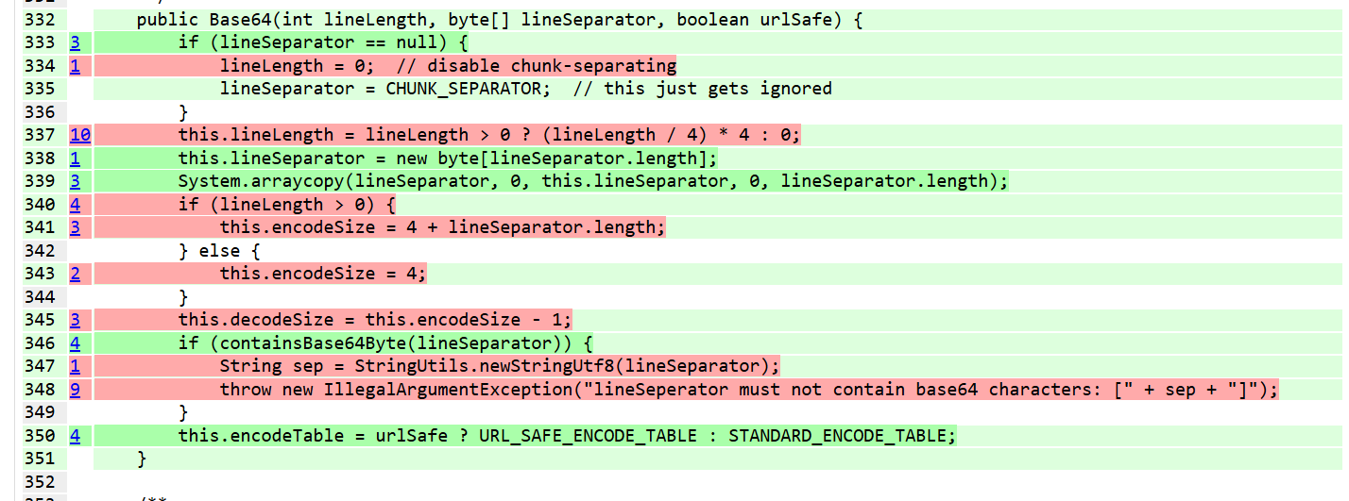 |  | 0 |  | 0
3 |  |  | 0 |  | 0
7 | 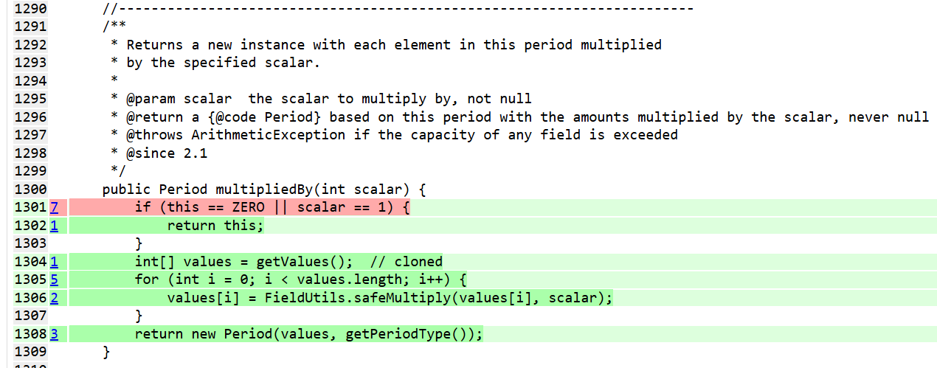 |  | 0 |  | 0
3 | 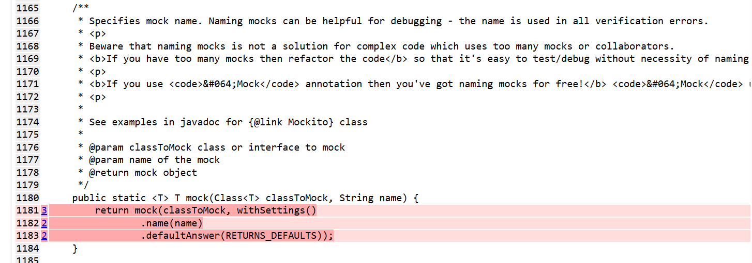 |  | 0 |  | 0
6 |  |  | 0 |  | 0
1 | 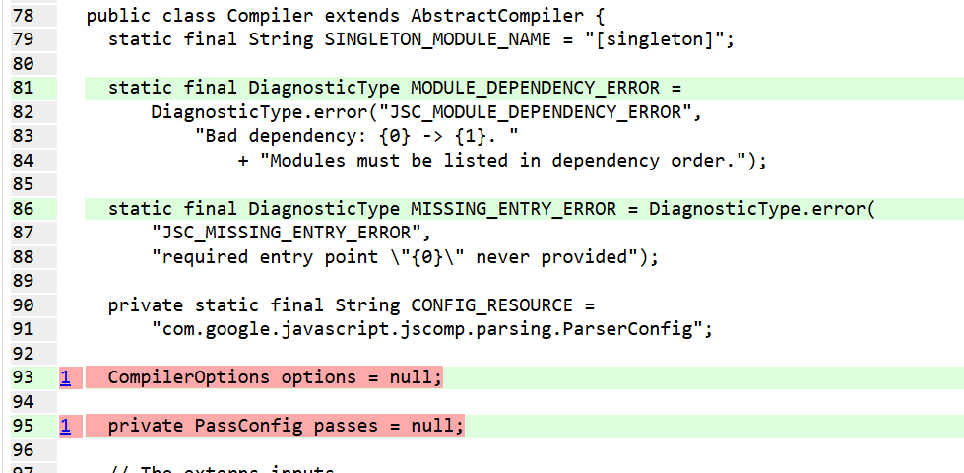 |  | 1 |  | 1 | 1：Remove the assignment, no effect.
3 |  |  | 0 |  | 0
3 | 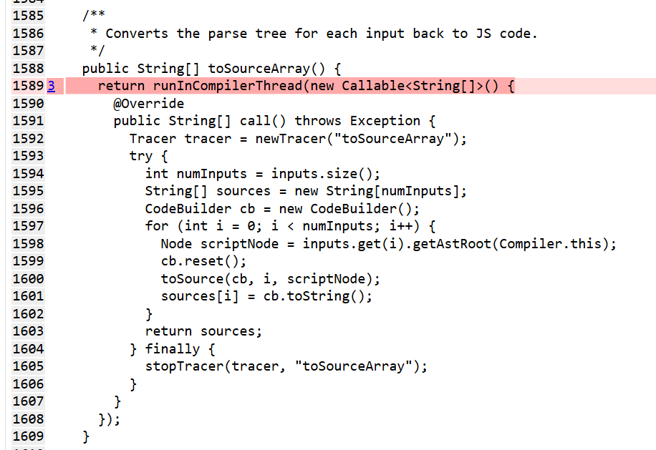 |  | 0 |  | 0
3 | 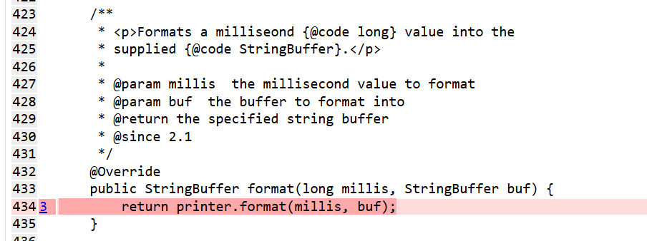 |  | 0 |  | 0
4 | 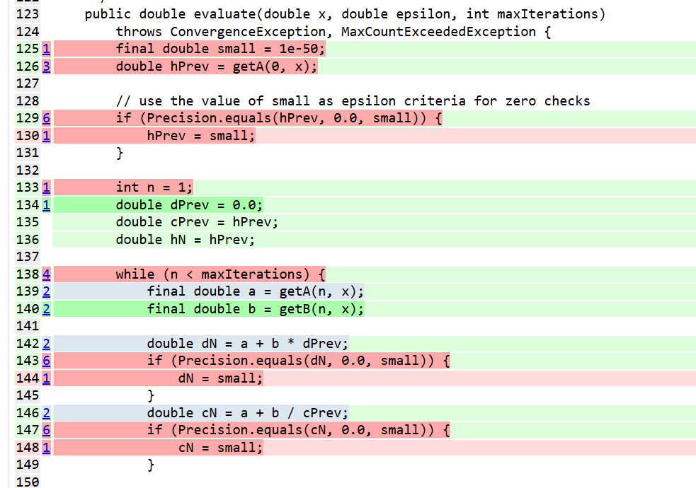 while这里 |  | 0 |  | 0
 5 |  |  | 0 |  | 0
12 | 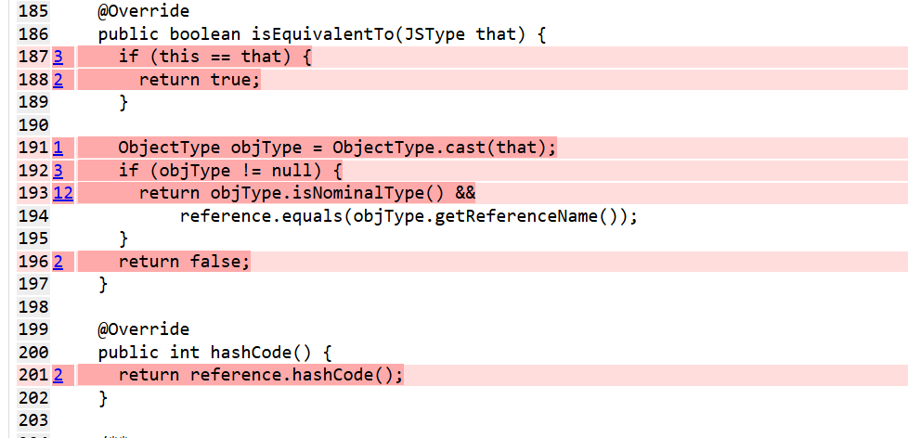 |  | 0 |  | 0
6 | 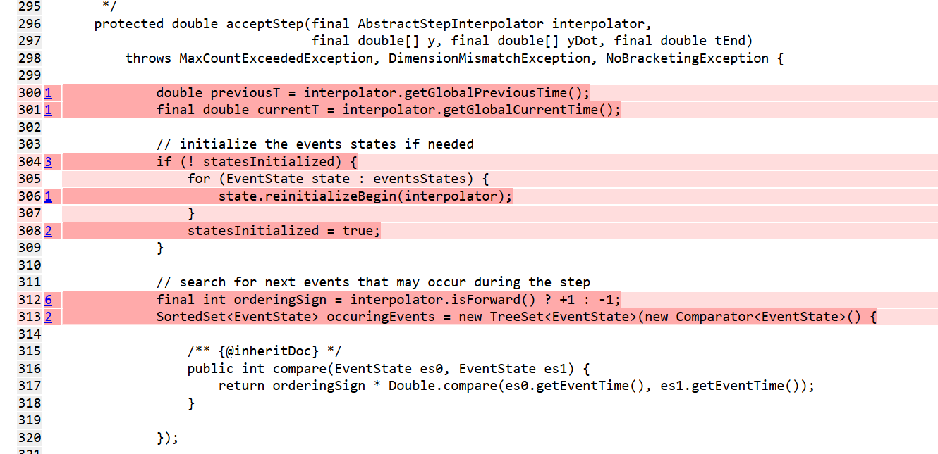 |  | 0 |  | 0
 | 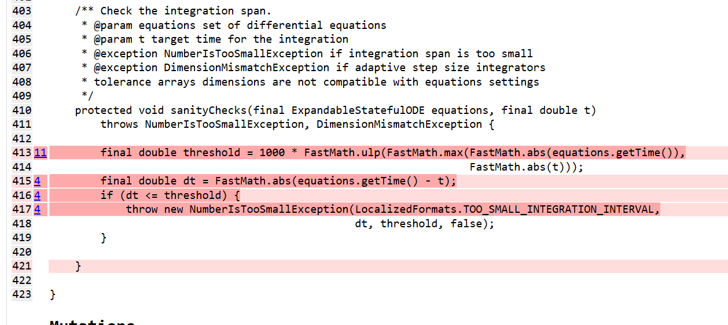 | 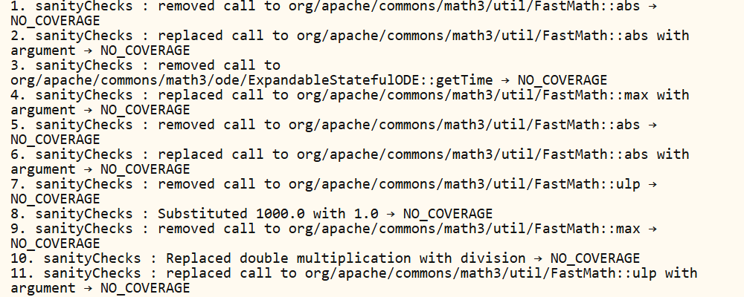 | 0 |  | 0
6 |  |  | 0 |  | 0
 5 |  |  | 0 |  | 0
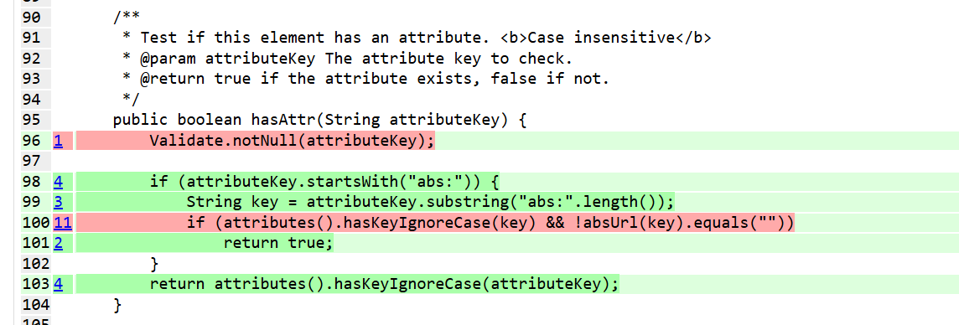 8 |  |  | 0 |  | 0
97

