old_ROIs
 |  |  |  |  |  |  |  |  |  |  |  |  |  | SRCD ANALYSES
 |  | Reading |  |  | Created? | SST | (unepected event) |  | Created? | Control Network | (both analyses) |  | Created? |  | MNI Coordinate |  | Anatomical Region | Source |  |  |  | level 3
 |  | -49 -57 28 | L angular gyrus (AG) | Vogel et al. 2013 (K vs. A) | x | 48 16 18 | R IFC | Levy & Wagner 2011 | x | -36 18 2 | L ant insula/fO | Dosenbach et al. 2007 | x | Control Network: | 0 15 45 |  | dACC/msFC | Dosenbach et al |  | L/R |  | rename zstats
41 -65 -11 (R fusiform) | x | -53 27 16 | L inferior frontal gyrus (IFG) | Vogel et al. 2013 (freq.) | x | 57 -43 27 | R TPJ | Church nemo unpublished | x | -32 -57 46 | L IPS | Dosenbach et al. 2007 | x |  | 38 21 -1 |  | R insula | " |  | x |  | change thresh zstat 2 to neg
45 -71 -1 (R MT) | x | -45 -54 -11 | L VWFA | Cohen et al. 2004 | x | 8 -16 -6 | R STN | Aron et al. 2007 | x | 38 21 -1 | R ant insula/fO | Dosenbach et al. 2007 | x |  | -36 18 2 |  | L insula | " |  | x |  | run roi stats
45 -54 -11 (R VWFA) | x | -41 -65 -11 | L fusiform/VWFA | Church et al. 2008 | x | 54 -26 -4 | R STS | Richardson et al. 2011 | x | 32 -60 41 | R IPS | Dosenbach et al. 2007 | x |  | 32 -60 41 |  | R IPS | " |  | x |  | create caret images
36 -23 57 (finger) | x | -54 -41 26 | L SMG | Church et al. 2008 | x | 54 -32 4 | R pSTS | Richardson et al. 2011 | x | 0 15 45 | dACC/msFC | Dosenbach et al. 2007, Vogel at el. 2013 (Freq.) | x |  | -32 -58 46 |  | L IPS | " |  | x
-36 -23 57 (finger) | x | -51 -62 33 | L AG | Church et al. 2008 | x | 58 10 -12 | R aSTS | Richardson et al. 2011 | x | 44 7 36 | R frontal | Dosenbach et al. 2007 | x |  | 44 7 36 |  | R frontal | " |  | x
-53 -4 36 (mouth?) | x | -52 -26 -4 | L STS | Richardson et al. 2011 | x |  |  |  |  | -42 7 36 | L frontal | Dosenbach et al. 2007, Vogel et al. 2013 (lex.) | x
53 -4 36 (mouth?) | x | -52 -42 6 | L pSTS | Richardson et al. 2011 | x | 50 24 15 | R IFC |  |  | -45, -71, -1 | L MT | Vogel et al 2011 & Carter et al 2010 | x |  | -42 7 36 |  | L frontal | " |  | x
54 -44 43 (R IPL) | x | -54 10 -14 | L aSTS | Richardson et al. 2011 | x | 50 10 20 | R IFC (near motor)
-53 -50 39 (L IPL) | x | -51 -40 3 | L STS | Emmorey et al. 2013 |  | 58 20 0 | R IFG | lenartowicz et al 2011 |  |  |  |  |  | Reading: | -51 -62 33 |  | L angular | Church et al. 2008 |  | x
-44 27 33 (L DLPFC) | x | -56 -39 13 | L vent SMG | Vogel et al. 2013 (A) | x | 32 20 -12 | R IFG | lenartowicz et al 2011 |  | -32 -58 46 | L IPS | coordinate was off from Dosenbach 2007 | x |  | -54 -41 26 |  | L SMG | " |  | x
46 28 31 (R DLPFC) | x | -43 -37 17 | L ant supramarginal gyrus (SMG) | Vogel et al. 2013 (A) | x | 35 33 8 | R IFG | Vogel et al. 2013 (lexicality) |  |  |  |  |  |  | -45 -54 -11 |  | L VWFA | " | revisit area | x
29 57 18 (R APFC) | x | –45, –62, –8 | L VWFA | Vogel et al 2011; Vogel 2013 (lexicality) |  | 57 12 14 | R IFG | Vogel et al. 2013 (K vs. A) |  |  |  |  |  |  | -42 17 11 |  | L IFG | " |  | x
-29 57 11 (L APFC) | x | –56, –43, 31 | L AG | Vogel et al 2011 |  | 46 39 -15 | R IFG | Vogel et al. 2013 (K vs. A)
11 -68 42 (R precun) | x | 44, -68, -6 | Right MT | Vogel et al 2011 |  | 57 -5 14 | R IFG | Vogel et al. 2013 (A) |  |  |  |  |  | STS: | 60 -47 14 |  | R IFG | Aron et al. 2007 |  | x
-9 -72 41 (L precun) | x |  |  |  |  |  |  |  |  |  |  |  |  |  | 57 -43 27 |  | R STS | Church et al. 2008 |  | x
0 -26 31 (mid Cing) | x |  |  |  |  |  |  |  |  |  |  |  |  |  | 8 -16 -6 |  | R Inf Parietal | Church et al. 2008 |  | x
 |  |  |  |  |  |  |  |  |  |  |  |  |  |  | 50 16 10 |  | STN | Aron et al. 2007 |  | x

 |  |  |  |  |  |  |  |  |  |  |  |  |  |  | 0_+26_+22 |  | l/r acc | Predictions.xlsx
 |  |  | KEY: |  |  |  |  |  |  |  |  |  |  |  | 0_+46_+26 |  | l/r acc | "
 |  |  | coordinates didn't look right |  |  |  |  |  |  |  |  |  |  |  | -34_+18_+02 |  | a insula | "
 |  |  | not created yet |  |  |  |  |  |  |  |  |  |  |  | 42_+10_-06 |  | insula | "
 |  |  | keep |  |  |  |  |  |  |  |  |  |  |  | 50_+18_+-0 |  | R IFG | "
 |  |  | not using

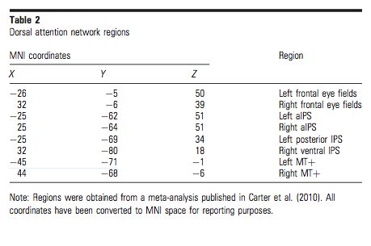
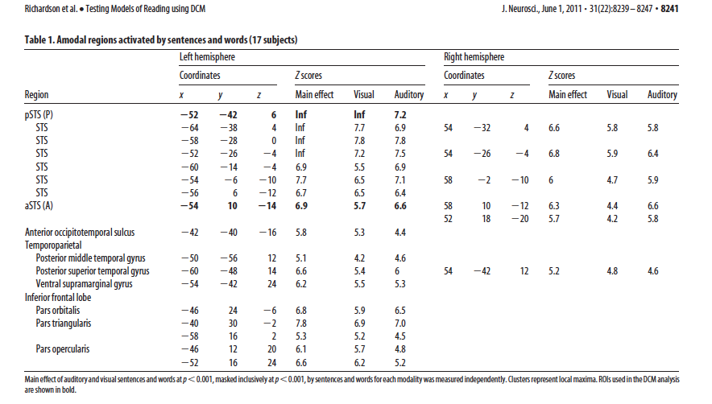
 |  |  |  |  |  |  |  |  |  |  |  |  |  |  |  |  | bilateral insula
 |  |  | Vogel et al. 2011 (pulled from Carter et al. 2010) |  |  | Richardson et al. 2011

 |  |  |  |  |  |  |  |  |  |  |  |  |  | SST: | 48 16 18 |  | R IFC/IFG | Levy & Wagner 2011 | SST stopping typical behav | x
 |  |  |  |  |  |  |  |  |  |  |  |  |  |  | 57 -43 27 |  | R TPJ | Church nemo unpublished | SST stopping typical behav | x
 |  |  |  |  |  |  |  |  |  |  |  |  |  |  | 8 -16 -6 |  | R STN | Aron et al. 2007 | SST stopping typical behav | x
 |  |  |  |  |  |  |  |  |  |  |  |  |  |  | 54 -26 -4 |  | R STS | Richardson et al. 2011 | SST stopping typical behav | x
 |  |  |  |  |  |  |  |  |  |  |  |  |  |  | 54 -32 4 |  | R pSTS | Richardson et al. 2011 | SST stopping typical behav | x

 |  |  |  |  |  |  |  |  |  |  |  |  |  | Control: | -36 18 2 | -36 18 2 | L ant insula/fO | Supp. Dosenbach 2010, Vogel 2013 | cinguloopercular control | x | Dosenbach - not in MNI
 |  |  |  |  |  |  |  |  |  |  |  |  |  | CO = purple | -32 -57 46 | -36 -69 40 | L IPS | Supp. Dosenbach 2010, | frontoparietal control | x
 |  |  |  |  |  |  |  |  |  |  |  |  |  | FP = yellow | 38 21 -1 | 38 21 -1 | R ant insula/fO | Supp. Dosenbach 2010, | cinguloopercular control | x
 |  |  |  |  |  |  |  |  |  |  |  |  |  |  | 32 -60 41 | 32 -59 41 | R IPS | Supp. Dosenbach 2010, | frontoparietal control | x
 |  |  |  |  |  |  |  |  |  |  |  |  |  |  | 0 15 45 | 9 20 34 | dACC/msFC | Supp. Dosenbach 2010, Vogel 2013 | cinguloopercular control | x
 |  |  |  |  |  |  |  |  |  |  |  |  |  |  | 44 7 36 | 44 8 34 | R frontal | Supp. Dosenbach 2010, | cinguloopercular control | x
 |  |  |  |  |  |  |  |  |  |  |  |  |  |  | -42 7 36 | -42 7 36 | L frontal | Supp. Dosenbach 2010, Vogel 2013 | cinguloopercular control | x
 |  |  |  |  |  |  |  |  |  |  |  |  |  |  | 54 -44 43 | 54 -44 43 | R IPL | Supp. Dosenbach 2010, | frontoparietal control | x
 |  |  |  |  |  |  |  |  |  |  |  |  |  |  | -53 -50 39 | -48 -47 49, -41 -40 42 | L IPL | Supp. Dosenbach 2010, | frontoparietal control | x
 |  |  |  |  |  |  |  |  |  |  |  |  |  |  | -44 27 33 | -44 27 33 | L dlPFC | Supp. Dosenbach 2010, Vogel 2013 | frontoparietal control | x
 |  |  |  |  |  |  |  |  |  |  |  |  |  |  | 46 28 31 | 46 28 31 | R dlPFC | Supp. Dosenbach 2010, | frontoparietal control | x
 |  |  |  |  |  |  |  |  |  |  |  |  |  |  | 29 57 18 | 29 57 18 | R aPFC | Supp. Dosenbach 2010, | cinguloopercular control | x
 |  |  |  |  |  |  |  |  |  |  |  |  |  |  | -29 57 11 | -29 57 10 | L aPFC | Supp. Dosenbach 2010, | cinguloopercular control | x

 |  |  |  |  |  |  |  |  |  |  |  |  |  | Motor: | 36 -23 57 |  | R finger |  | sensorimotor | x
 |  |  |  |  |  |  |  |  |  |  |  |  |  |  | -36 -23 57 |  | L finger |  | sensorimotor | x |  | developmental reading study in Vogel is probably Jess's study
 |  |  |  |  |  |  |  |  |  |  |  |  |  |  | -53 -4 36 |  | L mouth |  | sensorimotor | x | -52 -2 38 (Rao & Singh 2015)
 |  |  |  |  |  |  |  |  |  |  |  |  |  |  | 53 -4 36 |  | R mouth |  | sensorimotor | x | -58 -6 35 (Ripamonti 2014)
 |  |  |  |  |  |  |  |  |  |  |  |  |  |  |  |  |  |  |  |  | Peeva 2010
 |  |  |  |  |  |  |  |  |  |  |  |  |  | Reading: | -53 27 16 |  | L inferior frontal gyrus (IFG) | Vogel et al. 2013 (freq.) | reading symbols and letters | x
 |  |  |  |  |  |  |  |  |  |  |  |  |  |  | -45 -54 -11 |  | L anterior extrastriate/VWFA | Cohen et al. 2004 |  | x
 |  |  | more bilateral activation in dyslexics |  |  |  |  |  |  |  |  |  |  |  | -41 -65 -11 | -45 -62 -8 (vogel) | L fusiform/VWFA | Church et al. 2008 | single word reading | x
 |  |  |  |  |  |  |  |  |  |  |  |  |  |  | -54 -41 26 | -56 -43 31 (vogel) | L SMG | Church et al. 2008 |  | x
 |  |  | reading-related bilateral and how attention regions relate |  |  |  |  |  |  |  |  |  |  |  | -51 -62 33 |  | L AG | Church et al. 2008 |  | x | Church et al. 2008
 |  |  |  |  |  |  |  |  |  |  |  |  |  |  | -52 -26 -4 |  | L STS | Richardson et al. 2011 |  | x
 |  |  |  |  |  |  |  |  |  |  |  |  |  |  | -52 -42 6 |  | L pSTS | Richardson et al. 2011 |  | x
 |  |  |  |  |  |  |  |  |  |  |  |  |  |  | -45, -71, -1 |  | L MT | Vogel et al 2011 & Carter et al 2010 | pulled from reading literature | x
-29 57 11 | L aPFC |  |  |  |  |  |  |  |  |  |  |  |  |  | 41 -65 -11 |  | R fusiform | homologues from the L papers |  | x
-32 -57 46 | L IPS |  |  |  |  |  |  |  |  |  |  |  |  |  | 45 -71 -1 |  | R MT |  |  | x
-36 -23 57 | L finger |  |  |  |  |  |  |  |  |  |  |  |  |  | 45 -54 -11 |  | R VWFA | homologues from the L papers |  | x
-36 18 2 | L ant insula/fO
-41 -65 -11 | L fusiform/VWFA
-42 7 36 | L frontal
-44 27 33 | L dlPFC
-45 -54 -11 | L anterior extrastriate/VWFA
-45, -71, -1 | L MT
-51 -62 33 | L AG |  |  |  |  |  |  |  |  |  |  |  |  |  | gocorr vs. baseline, S1 vs. S2 |  | corrected
-52 -26 -4 | L STS |  |  |  |  |  |  |  |  |  |  |  |  | x | 34 -50 46
-52 -42 6 | L pSTS |  |  |  |  |  |  |  |  |  |  |  |  | x | -8 -58 52
-53 -4 36 | L mouth
-53 -50 39 | L IPL |  |  |  |  |  |  |  |  |  |  |  |  |  | stopfail vs. base, S1 vs. S2 |  | corrected
-53 27 16 | L inferior frontal gyrus (IFG) |  |  |  |  |  |  |  |  |  |  |  |  | x | 44 16 42
-54 -41 26 | L SMG |  |  |  |  |  |  |  |  |  |  |  |  | x | 46 -46 48
 |  |  |  |  |  |  |  |  |  |  |  |  |  | x | 06, 26, 30
0 15 45 | dACC/msFC |  |  |  |  |  |  |  |  |  |  |  |  | x | 6 34 12
29 57 18 | R aPFC
32 -60 41 | R IPS |  |  |  |  |  |  |  |  |  |  |  |  |  | stopcorr vs. stopfail, s1 vs. s2 |  | uncorrected
36 -23 57 | R finger |  |  |  |  |  |  |  |  |  |  |  |  |  | stopcorr vs. gocorr, s1 vs. s2 |  | uncorrected
38 21 -1 | R ant insula/fO |  |  |  |  |  |  |  |  |  |  |  |  | x | 46 42 8
41 -65 -11 | R fusiform
44 7 36 | R frontal |  |  |  |  |  |  |  |  |  |  |  |  |  | correct vs. baseline, s1 vs. c, s2 vs. c |  | uncorrected
45 -54 -11 | R VWFA |  |  |  |  |  |  |  |  |  |  |  |  | x | -54 -2 36
45 -71 -1 | R MT |  |  |  |  |  |  |  |  |  |  |  |  | x | -48 -68 -8
46 28 31 | R dlPFC
48 16 18 | R IFC/IFG
53 -4 36 | R mouth
54 -26 -4 | R STS
54 -32 4 | R pSTS
54 -44 43 | R IPL
57 -43 27 | R TPJ
8 -16 -6 | R STN

