Quickblog Website – Defect R
Quickblog Website – Defect Report
Bug ID | Title | Description | Severity | Priority | Steps to Reproduce | Expected Result | Actual Resalt | Attachments | Environment | Comment
 | Customer Side
BUG001 | Social media share icons do not redirect to respective platforms | The social media share buttons (Facebook, Twitter, LinkedIn, etc.) on the blog post page are not functional. Clicking them does not open the respective share dialog or redirect. | Medium | Medium | 1. Open the QuickBlog website 2. Navigate to any blog post 3. Scroll to the bottom where social media share icons are displayed 4. Click on any social media icon (e.g., Facebook, Twitter) | The user should be redirected to the corresponding platform’s share page with blog link pre-filled. | Clicking the icons does nothing — no redirect or popup appears. | 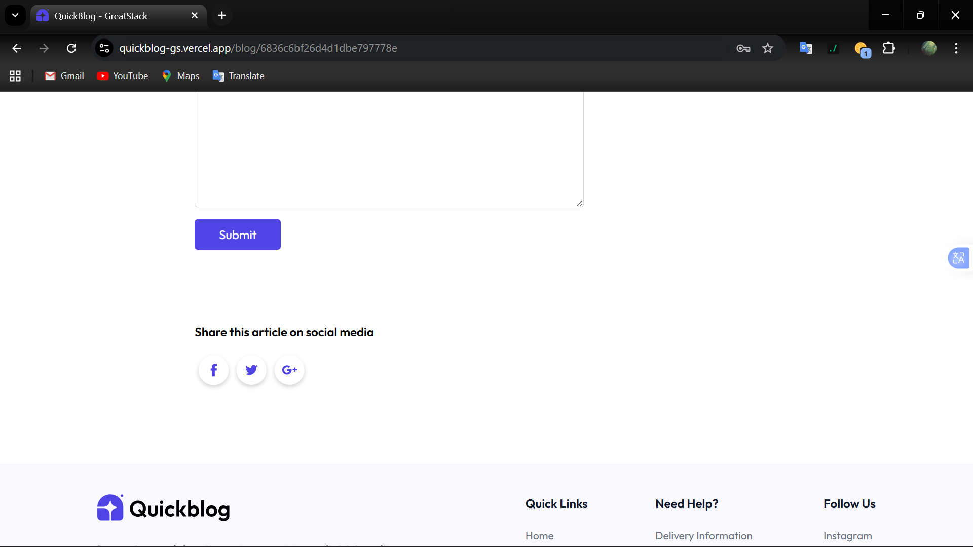 | Chrome, Windows 11
BUG002 | Footer Quick Links are not clickable | The quick links section in the footer does not navigate the user to the respective pages. Clicking on any link has no effect. | Medium | Medium | 1. Open QuickBlog website 2. Scroll down to the footer section 3. Click on any Quick Link (e.g., About, Contact, Home) | User should be redirected to the respective page of the selected quick link. | Nothing happens, links are unresponsive. | 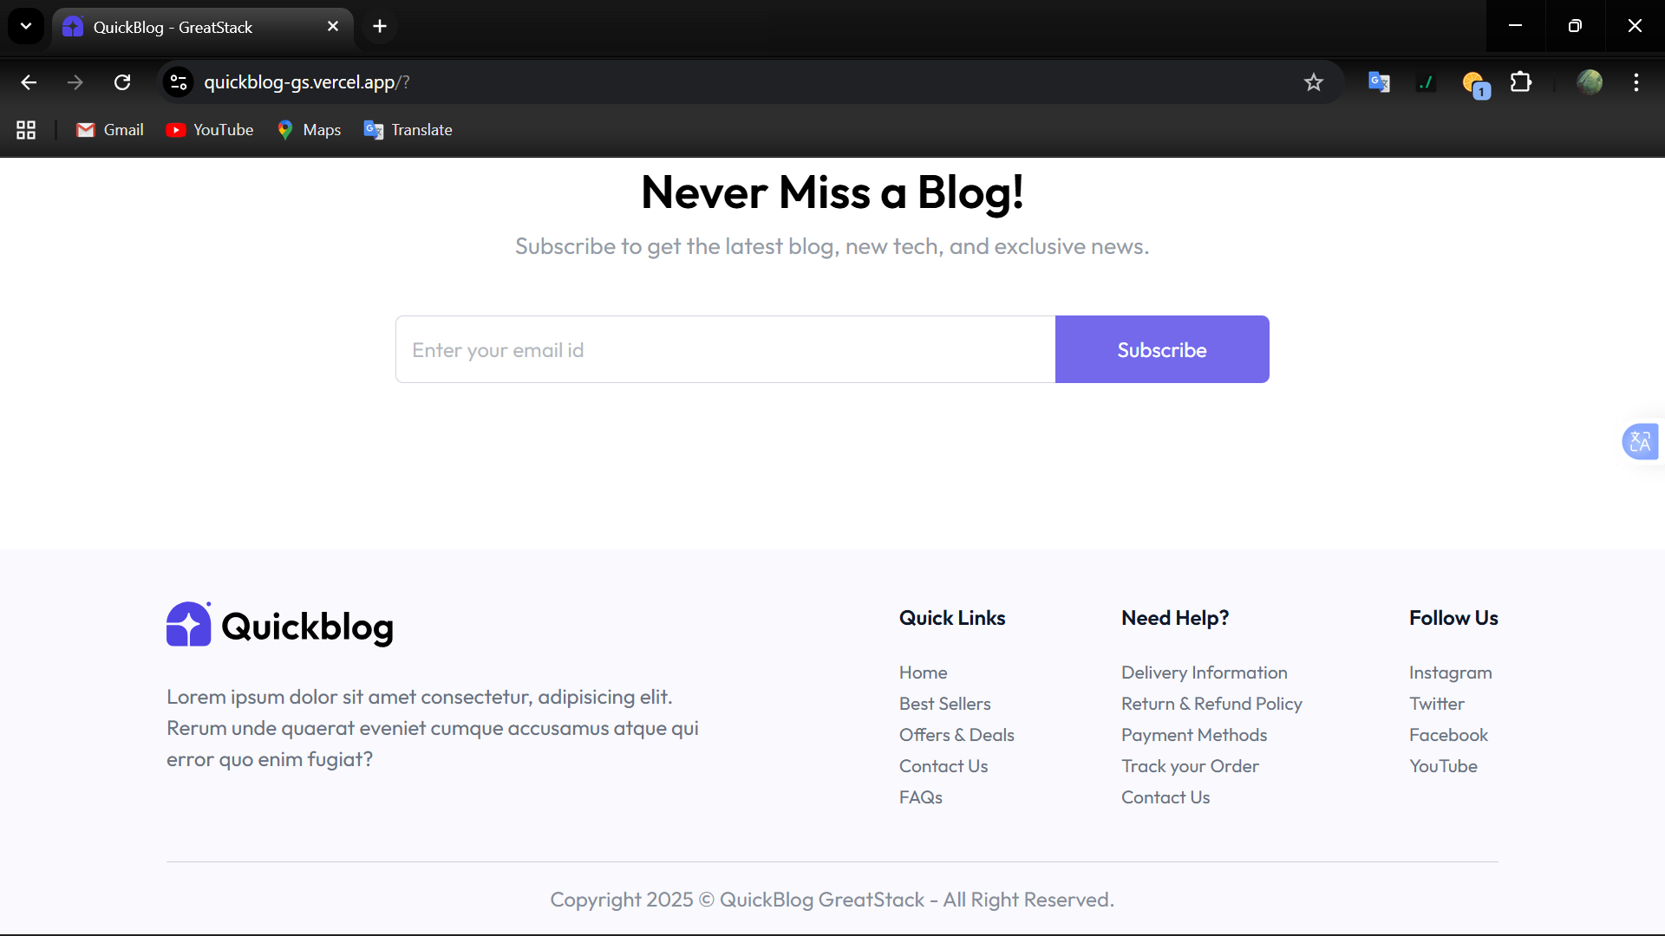 | Chrome , Windows 11
BUG003 | Subscribe form accepts invalid email formats | The subscription field accepts inputs that are not in valid email format (e.g., plain text or numbers) and does not show validation error. | High | High | 1. Open QuickBlog website 2. Scroll down to Subscribe to get the latest blog section 3. Enter invalid inputs (“@test”, “test@”) 4. Click on Subscribe | System should validate input and display error message: “Please enter a valid email address”. Subscription should not proceed until a valid email is entered. | System accepts invalid input and proceeds without validation. |  | Chrome , Windows 11
 | Admin Side
BUG004 | Forgot Password option missing on Login page | The Login page does not provide a “Forgot Password” option, which was included in the system requirements for account recovery. | High | High | 1. Open QuickBlog website 2. Navigate to Login page 3. Look for Forgot Password option/link | A “Forgot Password” link should be available, redirecting to a password reset flow. | No option is available to reset or recover password. | 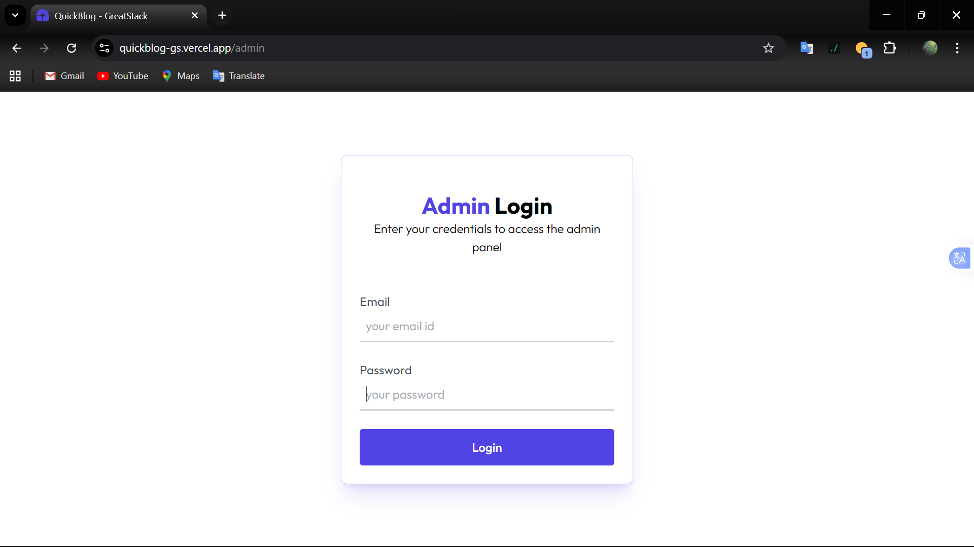 | Chrome, Windows 11

