Sheet1
 DEPARTMENT OF SOCIAL WELFARE AND DEVELOPMENT INFORMATION MANAGEMENT BUREAU BUSINESS SOLUTIONS AND SERVICES DEVELOPMENT COMPETENCY DIVISION (USER ACCEPTANCE TEST)
Test Case Specification |  | Test Stage | Target | Ver. Of System | Testing Website Address | Testing Date | CRF ID
 |  | UAT | Monitoring System for the Functionality of LSWDO | 1 | http://webdev.dswd.gov.ph/beta/lswdo/users/login |  | MSFLSWDO
No. | Test Case | Test Procedure and Test Data |  | Expected Result |  | Judgment
 |  |  |  |  |  | Pass/Fail | Remarks

1 | 1 - Registration | 1. User Click the [Register Now] link. |  | System displays the Registration Page. |  | Pass
 |  | 2. User completes the registration page and click [Register] button. Note: Contact your respective MSFLSWDO Focal Person right after your registration to activate your account |  | System displays notification "Registration successful." |  |  | Blank Page displayed
2 | 2 - Forgot Password | 1. User clicks "Forgot Password". |  | System displays the Forgot Password Page. |  | Pass
 |  | 2. User enter the email address and tick checkbox on "Hindi ako isang robot". |  | System displays a confirmation message "Succeeded. An email has been sent to your email address.!" |  |  | Please check Captcha form. ERROR for site owner: Invalid domain for site key
 |  | 3. Open your email to check your new password |  | Able to receive new password |  |  | No email has been receive
3 | 3 - Login Page | User enter the username and password and tick the box "Hindi ako isang robot" then click the [Login] button. |  | User should be able to login and redirected to the dashboard page. |  | Pass
4 | 4 - Dashboard | 1. User clicks "Dashboard" on Main Menu |  | System displays graph of Top 10 PSWDO/CSWDO/MSWDO Compliance and Non Compliance and Level of Functionality per region. |  | Pass
 |  | 2. User clicks [ ] icon on the left side of the graph |  | System displays the following options: Download PNG image Download JPEG image Download PDF Document Download SVG vector image Download CSV Download XLS View Data Table |  | Pass
 |  | 3. User clicks the link of the selected option |  | System displays the downloaded file. |  | Pass
5 | 5 - Assessment Information | 1. User clicks "Assessment Information" on Main Menu. |  | System displays the "Assessment Information" Module. |  | Pass
 | 5a.1 Add Assessment Information and Budget Allocation and Utilization | 2. User clicks "Add Assessment Info" button. |  | System displays "Add Assessment Information Form". |  | Pass
 |  | 3. User fill-up the form and click [Save] button. |  | System displays "Total Budget Allocated to Programs and Services per Sector" Form. |  | Pass
 |  | 4. User fill-up the form and click [Save] button. |  | System displays the Budget Allocation List. |  | Pass
 | 5a.2 View Assessment Information | 5. User clicks the [View] button to see the details of newly Assessment Information. |  | System displays the details of Assessment Information. |  | Pass
 | 5a.3 Renewal of Assessment Information | 6. User clicks [Renewal] button. |  | System displays the "Renewal of Assessment Information" form.
 |  | 7. User provides the updated information and click [Save] button. |  | System will prompt a message box "Update Succeeded".
 | 5a.4 Delete Assessment Information | 8. User clicks [Delete] button. |  | System displays the "Are you sure you want to delete selected record?" [OK]/[Cancel]. |  | Pass
 |  | 9. User clicks [OK] button. |  | System will prompt a message box "Delete Succeeded". |  | Pass
 | 5b Budget Allocation | 1. User clicks [Budget Allocation] button. |  | System displays the "Budget Allocation" Module. |  | Pass
 | 5b.1 Add Budget Allocation | 2. User clicks [Add Budget Allocation] button. |  | System displays "Add Budget Allocation Form". |  | Pass
 |  | 3. User fill-up the form and click [Save] button. |  | System will prompt a message box "Save succeeded". Then displays the Budget Allocation List. |  | Pass
 | 5c Indicators | 1. User clicks [Indicators] button. |  | System displays the "Status of Monitoring" Module. |  | Pass
 | 5c.1 Monitoring Details | 2. User clicks [Add Monitoring] button. |  | System displays the "Monitoring Details" Form. |  | Pass
 |  | 3. User fill-up the form and click [Insert] button. |  | System saves the new record and displays the "Administration and Organization" area of functionality standards |  | Fail | Database Error displayed
 | 5c.2 Administration and Organization | 4. User clicks [Add] button. |  | System displays the "Administration and Organization Indicator" Form. |  |  | Administration and Organization button can't be found in the system.
 |  | 5. User fill-up the form and click [Save] button. Note: Indicators on Bronze level are required |  | System displays the preview of filled up Administration and Organization Indicator form. |  |  | Can't save because no add button is found
 | 5c.3 Program Management | 6. User clicks [Proceed to II. Program Management] button. |  | System displays "Program Management" area of functionality standards. |  | Pass
 |  | 7. User clicks [Add] button. |  | System displays "Program Management Indicator" Form. |  | Fail | No add button
 |  | 8. User fill-up the form and click [Save] button. Note:Indicators on Broze level are required. |  | System displays the preview of filled up Program Management Indicator form.
 | 5c.4 Case Management | 9. User clicks [Proceed to III. Case Management]. |  | System displays "Case Management" area of functionality standards. |  | Pass
 |  | 10. User clicks [Add] button. |  | System displays "Case Management Indicator" Form. |  | Fail | No add button
 |  | 11. User fill-up the form and click [Save] button. Note:Indicators onBronze level are required. |  | System displays the preview of filled up Case Management Indicator form. |  |  | Can't save because no add button is found
 | 5c.5 Physical Structures and Safety | 12. User clicks [Proceed to IV. Physical Structures and Safety]. |  | System displays "Physical Structures and Safety" area of functionality standards. |  | Pass
 |  | 13. User clicks [Add] button. |  | System displays "Physical Structures and Safety" Form. |  | Fail | No add button
 |  | 14. User fill-up the form and click [Save] button. Note:Indicators on Bronze level are required. |  | System displays the preview of filled up Physical Structures and Safety Indicator form. |  | Fail | Can't save because no add button is found
 | 5c.6 PSB Rider Questions | 15. User clicks [Proceed to PSB Rider Questions]. |  | System displays "PSB Rider Questions". |  | Pass
 |  | 16. User fill-up the form and click [Insert] button. |  | System displays the preview of all filled up forms and the summary of scores per Indicators. |  | Pass
 |  | 17. User clicks [Finish] button. |  | System displays "Assessment Information Module". |  | Pass
 | 5d Edit Monitoring Details | 1. User clicks [Indicator] button then click the [Edit button] |  | System displays the "Edit Monitoring Details" Form |  | Pass
 | 5e Certification Details | 1. User clicks [Certification Details] button |  | System displays certification details module |  | Pass
 |  | 2. User clicks [Add Cert] button. |  | System displays Certification Details Form |  | Fail | Page not Found
 |  | 3. User fill-up the form and click [Insert] button. |  | System saves the certification details. |  |  | Page not Found
 | 5f View Certification Details | 4. User clicks [Certification Details] button. |  | System displays certification details module |  |  | Page not Found
 | 5g Edit Certification Details | 5. User clicks [Edit Button] |  | System displays "Edit Certification Details" form |  |  | Page not Found
6 | 6 - Reports | 1. User clicks "Reports" on Main Menu. |  | System displays the Reports Module. |  | Pass
 | 6a - PSWDO Reports | 2. User selects "PSWDO" on LGU Type and identify the region then click the [Generate] button |  | System displays the following Report that can be downloaded: PSWDO Baseline Reports PSWDO Updated Reports Distribution PSWDO by Region Distribution PSWDO Functionality by Region Score of PSWDO, by laderized scaling by Region Average PSWDO budget allocation (previous year) per sector, by region Average PSWDO budget allocation (present year) per sector, by region PSWDO Non-Compliant indicator |  | Pass
 |  | 3. User clicks the button of the selected report |  | System displays the downloaded report in excel form |  | Pass
 | 6b - CSWDO Reports | 4. User selects "CSWDO" on LGU Type and identify the region and province then click the [Generate] button |  | System displays the following Report that can be downloaded: C/MSWDO Baseline Reports C/MSWDO Updated Reports CSWDO Baseline Reports CSWDO Updated Reports Distribution C/MSWDO All (assesed and not assessed) Distribution CSWDO All (assesed and not assessed) Distribution CSWDO by Region Distribution CSWDO Functionality by Region Distribution C/MSWDO Functionality by Province Score of CSWDO, by laderized scaling by Region Average CSWDO budget allocation (previous year) per sector, by region Average CSWDO budget allocation (present year) per sector, by region |  | Pass
 |  | 5. User clicks the button of the selected report |  | System displays the downloaded report in excel form |  | Pass
 | 6c - MSWDO Reports | 6. User selects "MSWDO" on LGU Type and identify the region and province then click the [Generate] button |  | System displays the following Report that can be downloaded: MSWDO Baseline Reports MSWDO Updated Reports Distribution of MSWDO All (assesed and not assessed) Distribution MSWDO by Region Distribution MSWDO Functionality by Region Score of MSWDO, by laderized scaling by Region Average MSWDO budget allocation (previous year) per sector, by region Average MSWDO budget allocation (present year) per sector, by region |  | Pass
 |  | 7. User clicks the button of the selected report |  | System displays the downloaded report in excel form |  | Pass
 | 6d - LSWDO Reports | 8. User selects "LSWDO" on LGU Type and identify the region,province,city and sector then click the [Generate] button |  | System displays the following Report that can be downloaded: Distribution LSWDO by Region LSWDO budget allocation present year per sector by region LSWDO Non-Compliant Indicator Local Council for the Protection of Children Disaster Risk Reduction and Management Council (DRRMC) PSB Rider Budget Utilization (Previous Year) Budget Allocation (Present Year) LSWDO budget allocation previous year per sector by region |  | Pass
 |  | 9. User clicks the button of the selected report |  | System displays the downloaded report in excel form |  | Pass
7 | 7- Change Password | 1. User clicks "Change Password" from the sidebar menu. |  | System displays the Change Password page. |  | Pass
 |  | 2. User enter the old and new password then click the [Save] button. |  | System will prompt a message box "Update Success!". |  | Pass
8 | 8 - Logout | 1. User clicks "Logout". |  | User should be able to logout from the system. |  | Pass

 | Remarks: |  | Satisfactory | Unsatisfactory
 | Comment:

 |  | Tester Name and Position |  | Business Owner Head of Office

Sheet2
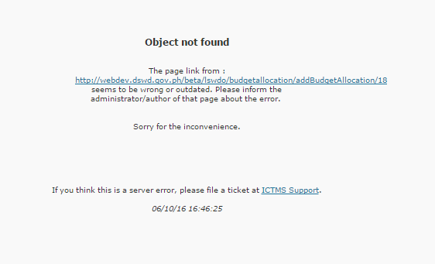
Error encountered when cancel button was clicked while updating the budget allocation

Sheet3


Occured while updating the monitoring details

Sheet4
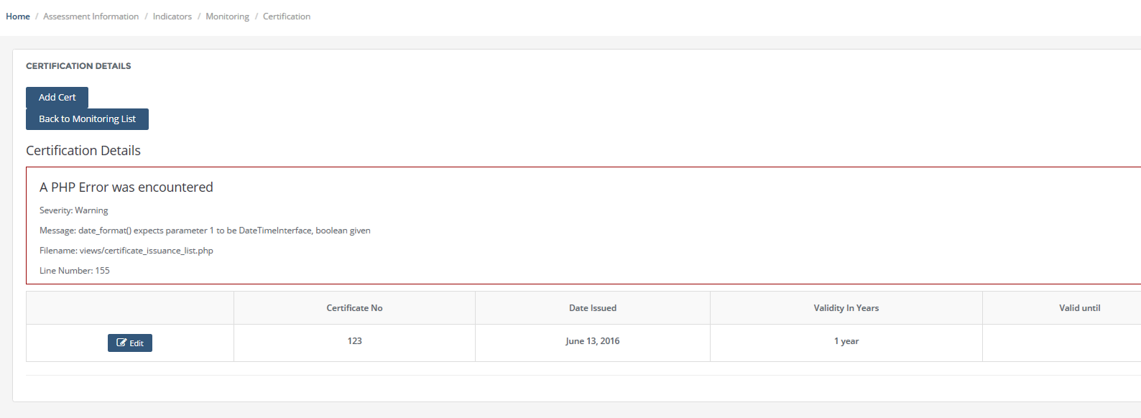

Error encountered while viewing the certification details

Sheet5
Error encoutered while updating the certification details

Sheet6
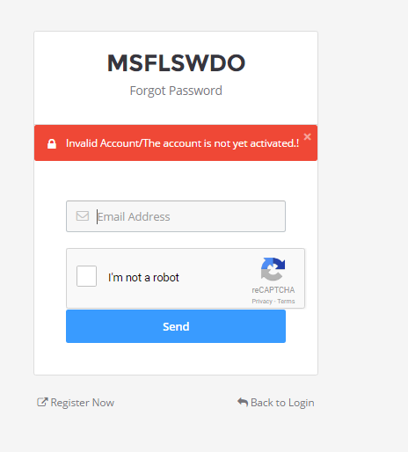
This message occured even if the account was already activated.

