Sheet1
Architectural framework of the IEEE 39-bus system
System parameters | System base power | 100 (MW)
 | System nominal frequency | 50 (Hz)
 | Load damping constant Dsys | 2
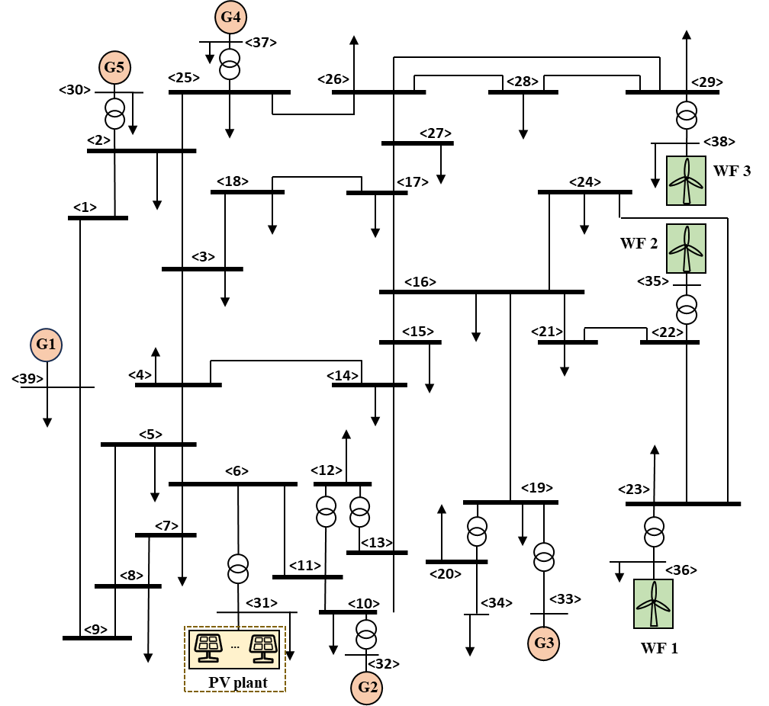
 | Maximum curtailment rate for WFs and PV plants | 65%

Training-related parameters | Number of historical samples | 2000
 | Number of augmented dimensions | 100
 | The sampling time interval of training sample for WT output power | 0.1 (s)
 | Number of hidden layers in the DNN | 2
 | Number of neurons per hidden layer in the DNN | 30

WF-related parameters | Number of WTs in WF1/WF2/WF3 | 12/16/20
 | Number of wind measurement towers in WF1/WF2/WF3 | 3/4/5
 | Number of WTs corresponding to a wind measurement tower | 4

WT-related parameters | Rated power | 6 MW
 | Air density | 1.3 kg/m3
 | Blade radius | 62 m
 | Base rotor speed | 1.35 rad/s
 | J | 192 Mkgm^2
 | Minimum Speed | 1.3 (p.u.)
 | Maximum Speed | 0.7 (p.u.)
 | Tw | 1 (s)
 | Droop coefficient compensation price | $4/(MW/Hz)
 | Inertia coefficient compensation price | $3/(MW·s/Hz)
 | Maximum power output | 6.3 MW

Penalty coefficients | PV curtailment ($/MW) | 50
 | Wind curtailment ($/MW) | 60

Wind speed (m/s) | WF 1 |  |  | WF 2 |  |  |  | WF 3
t=1 | 7.8 | 7.3 | 7.5 | 8.3 | 8 | 7.5 | 7.7 | 7.4 | 7.4 | 7.6 | 7.4 | 7.5
t=2 | 7.6 | 7.2 | 7.4 | 7.8 | 7.8 | 7.3 | 7.5 | 7.3 | 7.2 | 7.4 | 7.2 | 7.3
t=3 | 7.2 | 7 | 7.2 | 7.4 | 7.2 | 7.1 | 7.3 | 7 | 7.1 | 7.2 | 7 | 7.1
t=4 | 7.2 | 6.9 | 7 | 7.2 | 7.1 | 6.9 | 7.1 | 6.9 | 7 | 6.9 | 6.9 | 7
t=5 | 7.1 | 6.9 | 7.2 | 7.1 | 6.9 | 7.1 | 7 | 7.1 | 7 | 7.2 | 7.1 | 7.2
t=6 | 7.2 | 6.9 | 6.9 | 7.7 | 7.4 | 6.9 | 7.1 | 6.9 | 6.9 | 7 | 6.9 | 7
t=7 | 7.6 | 7 | 7.4 | 8.1 | 7.8 | 7.3 | 7.5 | 7.5 | 7.2 | 7.5 | 7.2 | 7.3
t=8 | 8.4 | 7.8 | 8.2 | 8.7 | 8.4 | 7.9 | 8.1 | 8.3 | 8 | 8.3 | 8 | 8.1
t=9 | 9.4 | 8.8 | 9.2 | 9.5 | 9.2 | 8.7 | 8.9 | 9.3 | 9 | 9.3 | 9 | 9.1
t=10 | 10.2 | 9.6 | 10 | 10.2 | 9.9 | 9.4 | 9.6 | 10.1 | 9.8 | 10.1 | 9.8 | 9.9
t=11 | 10.9 | 10.3 | 10.7 | 10.8 | 10.5 | 10 | 10.2 | 10.8 | 10.5 | 10.8 | 10.5 | 10.6
t=12 | 11.4 | 10.8 | 11.2 | 11.3 | 11 | 10.5 | 10.7 | 11.3 | 11 | 11.3 | 11 | 11.1
t=13 | 11.8 | 11.2 | 11.6 | 11.6 | 11.3 | 10.8 | 11 | 11.7 | 11.4 | 11.7 | 11.4 | 11.5
t=14 | 12 | 11.5 | 11.9 | 11.8 | 11.5 | 11 | 11.2 | 12 | 11.7 | 12 | 11.7 | 11.8
t=15 | 11.9 | 11.7 | 12 | 11.9 | 11.6 | 11.1 | 11.3 | 11.9 | 11.9 | 12 | 11.9 | 12
t=16 | 11.5 | 11.5 | 11.8 | 11.7 | 11.4 | 10.9 | 11.1 | 11.5 | 11.6 | 11.8 | 11.6 | 11.8
t=17 | 10.9 | 11 | 11.4 | 11.2 | 10.9 | 10.4 | 10.6 | 10.9 | 11 | 11.4 | 11 | 11.3
t=18 | 10.1 | 10.3 | 10.8 | 10.5 | 10.2 | 9.7 | 9.9 | 10.1 | 10.2 | 10.8 | 10.2 | 10.6
t=19 | 9.3 | 9.5 | 10 | 9.7 | 9.4 | 8.9 | 9.1 | 9.3 | 9.4 | 10 | 9.4 | 9.8
t=20 | 8.5 | 8.7 | 9.2 | 8.9 | 8.6 | 8.1 | 8.3 | 8.5 | 8.6 | 9.2 | 8.6 | 9
t=21 | 7.9 | 8.1 | 8.6 | 8.3 | 8 | 7.5 | 7.7 | 7.9 | 8 | 8.6 | 8 | 8.4
t=22 | 7.5 | 7.7 | 8.2 | 7.9 | 7.6 | 7.1 | 7.3 | 7.5 | 7.6 | 8.2 | 7.6 | 8
t=23 | 7.3 | 7.5 | 8 | 7.7 | 7.4 | 6.9 | 7.1 | 7.3 | 7.4 | 8 | 7.4 | 7.8
t=24 | 7.2 | 7.3 | 7.8 | 7.6 | 7.3 | 6.89 | 7 | 7.2 | 7.3 | 7.8 | 7.3 | 7.6

Loads (p.u.) | t=1 | t=2 | t=3 | t=4 | t=5 | t=6 | t=7 | t=8 | t=9 | t=10 | t=11 | t=12 | t=13 | t=14 | t=15 | t=16 | t=17 | t=18 | t=19 | t=20 | t=21 | t=22 | t=23 | t=24
node 1 | 0 | 0 | 0 | 0 | 0 | 0 | 0 | 0 | 0 | 0 | 0 | 0 | 0 | 0 | 0 | 0 | 0 | 0 | 0 | 0 | 0 | 0 | 0 | 0
node 2 | 0.14767206577 | 0.14186502338 | 0.13753521125 | 0.13610892011 | 0.13610892011 | 0.13753521125 | 0.15775798116 | 0.17507723008 | 0.18806666667 | 0.18954389673 | 0.18954389673 | 0.21151714861 | 0.22255262269 | 0.22916591598 | 0.23195870339 | 0.21473184658 | 0.21933297658 | 0.1953 | 0.1953 | 0.18954389673 | 0.18225962448 | 0.17074741775 | 0.15633169023 | 0.14186502338
node 3 | 0.01633239437 | 0.015690140834 | 0.015211267603 | 0.015053521118 | 0.015053521118 | 0.015211267603 | 0.017447887318 | 0.019363380286 | 0.020800000001 | 0.020963380284 | 0.020963380284 | 0.02339360169 | 0.024614114952 | 0.025345539094 | 0.025654418808 | 0.023749144322 | 0.02425802506 | 0.0216 | 0.0216 | 0.020963380284 | 0.020157746486 | 0.018884507033 | 0.017290140854 | 0.015690140834
node 4 | 0.05171924884 | 0.049685445976 | 0.048169014077 | 0.047669483542 | 0.047669483542 | 0.048169014077 | 0.055251643172 | 0.061317370904 | 0.065866666669 | 0.066384037566 | 0.066384037566 | 0.074079738684 | 0.077944697348 | 0.080260873799 | 0.081238992891 | 0.075205623687 | 0.076817079356 | 0.0684 | 0.0684 | 0.066384037566 | 0.063832863874 | 0.059800938937 | 0.054752112706 | 0.049685445976
node 5 | 0.64104647904 | 0.61583802775 | 0.59704225343 | 0.5908507039 | 0.5908507039 | 0.59704225343 | 0.68482957722 | 0.76001267621 | 0.81640000003 | 0.82281267615 | 0.82281267615 | 0.91819886632 | 0.96610401187 | 0.99481240945 | 1.0069359382 | 0.93215391464 | 0.9521274836 | 0.8478 | 0.8478 | 0.82281267615 | 0.79119154959 | 0.74121690104 | 0.67863802854 | 0.61583802775
node 6 | 0 | 0 | 0 | 0 | 0 | 0 | 0 | 0 | 0 | 0 | 0 | 0 | 0 | 0 | 0 | 0 | 0 | 0 | 0 | 0 | 0 | 0 | 0 | 0
node 7 | 0.15515774652 | 0.14905633793 | 0.14450704223 | 0.14300845062 | 0.14300845062 | 0.14450704223 | 0.16575492952 | 0.18395211271 | 0.19760000001 | 0.1991521127 | 0.1991521127 | 0.22223921605 | 0.23383409204 | 0.2407826214 | 0.24371697867 | 0.22561687106 | 0.23045123807 | 0.2052 | 0.2052 | 0.1991521127 | 0.19149859162 | 0.17940281681 | 0.16425633812 | 0.14905633793
node 8 | 0.20415492963 | 0.19612676043 | 0.19014084504 | 0.18816901398 | 0.18816901398 | 0.19014084504 | 0.21809859147 | 0.24204225357 | 0.26000000001 | 0.26204225355 | 0.26204225355 | 0.29242002112 | 0.3076764369 | 0.31681923868 | 0.32068023509 | 0.29686430403 | 0.30322531325 | 0.27 | 0.27 | 0.26204225355 | 0.25197183108 | 0.23605633791 | 0.21612676068 | 0.19612676043
node 9 | 0 | 0 | 0 | 0 | 0 | 0 | 0 | 0 | 0 | 0 | 0 | 0 | 0 | 0 | 0 | 0 | 0 | 0 | 0 | 0 | 0 | 0 | 0 | 0
node 10 | 0.039469953062 | 0.03791784035 | 0.036760563374 | 0.036379342703 | 0.036379342703 | 0.036760563374 | 0.042165727684 | 0.04679483569 | 0.050266666669 | 0.050661502353 | 0.050661502353 | 0.056534537417 | 0.059484111134 | 0.061251719478 | 0.061998178785 | 0.057393765445 | 0.058623560562 | 0.0522 | 0.0522 | 0.050661502353 | 0.048714554009 | 0.045637558663 | 0.041784507065 | 0.03791784035
node 11 | 0 | 0 | 0 | 0 | 0 | 0 | 0 | 0 | 0 | 0 | 0 | 0 | 0 | 0 | 0 | 0 | 0 | 0 | 0 | 0 | 0 | 0 | 0 | 0
node 12 | 0.076217840395 | 0.073220657227 | 0.070985915482 | 0.070249765219 | 0.070249765219 | 0.070985915482 | 0.081423474149 | 0.090362441333 | 0.09706666667 | 0.097829107992 | 0.097829107992 | 0.10917014122 | 0.11486586978 | 0.11827918244 | 0.1197206211 | 0.11082934017 | 0.11320411695 | 0.1008 | 0.1008 | 0.097829107992 | 0.094069483603 | 0.088127699486 | 0.080687323987 | 0.073220657227
node 13 | 0 | 0 | 0 | 0 | 0 | 0 | 0 | 0 | 0 | 0 | 0 | 0 | 0 | 0 | 0 | 0 | 0 | 0 | 0 | 0 | 0 | 0 | 0 | 0
node 14 | 0.04219201879 | 0.040532863822 | 0.039295774642 | 0.038888262889 | 0.038888262889 | 0.039295774642 | 0.045073708904 | 0.050022065738 | 0.053733333335 | 0.054155399067 | 0.054155399067 | 0.060433471032 | 0.063586463626 | 0.065475975994 | 0.066273915253 | 0.061351956165 | 0.062666564738 | 0.0558 | 0.0558 | 0.054155399067 | 0.052074178423 | 0.048784976501 | 0.044666197207 | 0.040532863822
node 15 | 0.055802347432 | 0.053607981184 | 0.051971830978 | 0.051432863821 | 0.051432863821 | 0.051971830978 | 0.059613615002 | 0.066158215976 | 0.071066666669 | 0.071624882637 | 0.071624882637 | 0.079928139107 | 0.084098226086 | 0.086597258572 | 0.087652597593 | 0.081142909767 | 0.082881585621 | 0.0738 | 0.0738 | 0.071624882637 | 0.068872300495 | 0.064522065695 | 0.059074647919 | 0.053607981184
node 16 | 0.023818075124 | 0.022881455383 | 0.022183098588 | 0.021953051631 | 0.021953051631 | 0.022183098588 | 0.025444835672 | 0.028238262917 | 0.030333333334 | 0.030571596247 | 0.030571596247 | 0.034115669131 | 0.035895584305 | 0.036962244513 | 0.037412694094 | 0.034634168803 | 0.035376286546 | 0.0315 | 0.0315 | 0.030571596247 | 0.029396713626 | 0.02753990609 | 0.025214788746 | 0.022881455383
node 17 | 0.061246478889 | 0.058838028129 | 0.057042253512 | 0.056450704194 | 0.056450704194 | 0.057042253512 | 0.065429577441 | 0.072612676071 | 0.078000000003 | 0.078612676065 | 0.078612676065 | 0.087726006337 | 0.09230293107 | 0.095045771604 | 0.096204070528 | 0.089059291208 | 0.090967593975 | 0.081 | 0.081 | 0.078612676065 | 0.075591549324 | 0.070816901373 | 0.064838028204 | 0.058838028129
node 18 | 0.021776525827 | 0.020920187779 | 0.020281690138 | 0.020071361491 | 0.020071361491 | 0.020281690138 | 0.023263849757 | 0.025817840381 | 0.027733333334 | 0.027951173712 | 0.027951173712 | 0.03119146892 | 0.032818819936 | 0.033794052126 | 0.034205891743 | 0.031665525763 | 0.032344033413 | 0.0288 | 0.0288 | 0.027951173712 | 0.026876995315 | 0.02517934271 | 0.023053521139 | 0.020920187779
node 19 | 0.064649061049 | 0.062106807469 | 0.060211267596 | 0.059586854427 | 0.059586854427 | 0.060211267596 | 0.069064553966 | 0.076646713631 | 0.082333333337 | 0.082980046958 | 0.082980046958 | 0.092599673355 | 0.097430871685 | 0.10032609225 | 0.10154874111 | 0.094007029608 | 0.096021349196 | 0.0855 | 0.0855 | 0.082980046958 | 0.079791079842 | 0.074751173671 | 0.068440140882 | 0.062106807469
node 20 | 0.014971361506 | 0.014382629098 | 0.01394366197 | 0.013799061025 | 0.013799061025 | 0.01394366197 | 0.015993896708 | 0.017749765262 | 0.019066666667 | 0.019216431927 | 0.019216431927 | 0.021444134882 | 0.022562938706 | 0.023233410836 | 0.023516550574 | 0.021770048962 | 0.022236522972 | 0.0198 | 0.0198 | 0.019216431927 | 0.018477934279 | 0.017310798113 | 0.015849295783 | 0.014382629098
node 21 | 0.11909037562 | 0.11440727692 | 0.11091549294 | 0.10976525816 | 0.10976525816 | 0.11091549294 | 0.12722417836 | 0.14119131458 | 0.15166666667 | 0.15285798124 | 0.15285798124 | 0.17057834565 | 0.17947792153 | 0.18481122256 | 0.18706347047 | 0.17317084402 | 0.17688143273 | 0.1575 | 0.1575 | 0.15285798124 | 0.14698356813 | 0.13769953045 | 0.12607394373 | 0.11440727692
node 22 | 0 | 0 | 0 | 0 | 0 | 0 | 0 | 0 | 0 | 0 | 0 | 0 | 0 | 0 | 0 | 0 | 0 | 0 | 0 | 0 | 0 | 0 | 0 | 0
node 23 | 0.021776525827 | 0.020920187779 | 0.020281690138 | 0.020071361491 | 0.020071361491 | 0.020281690138 | 0.023263849757 | 0.025817840381 | 0.027733333334 | 0.027951173712 | 0.027951173712 | 0.03119146892 | 0.032818819936 | 0.033794052126 | 0.034205891743 | 0.031665525763 | 0.032344033413 | 0.0288 | 0.0288 | 0.027951173712 | 0.026876995315 | 0.02517934271 | 0.023053521139 | 0.020920187779
node 24 | 0.059204929593 | 0.056876760525 | 0.055140845062 | 0.054569014054 | 0.054569014054 | 0.055140845062 | 0.063248591526 | 0.070192253535 | 0.075400000003 | 0.07599225353 | 0.07599225353 | 0.084801806125 | 0.089226166701 | 0.091877579217 | 0.092997268177 | 0.086090648168 | 0.087935340842 | 0.0783 | 0.0783 | 0.07599225353 | 0.073071831013 | 0.068456337994 | 0.062676760597 | 0.056876760525
node 25 | 0 | 0 | 0 | 0 | 0 | 0 | 0 | 0 | 0 | 0 | 0 | 0 | 0 | 0 | 0 | 0 | 0 | 0 | 0 | 0 | 0 | 0 | 0 | 0
node 26 | 0.023818075124 | 0.022881455383 | 0.022183098588 | 0.021953051631 | 0.021953051631 | 0.022183098588 | 0.025444835672 | 0.028238262917 | 0.030333333334 | 0.030571596247 | 0.030571596247 | 0.034115669131 | 0.035895584305 | 0.036962244513 | 0.037412694094 | 0.034634168803 | 0.035376286546 | 0.0315 | 0.0315 | 0.030571596247 | 0.029396713626 | 0.02753990609 | 0.025214788746 | 0.022881455383
node 27 | 0 | 0 | 0 | 0 | 0 | 0 | 0 | 0 | 0 | 0 | 0 | 0 | 0 | 0 | 0 | 0 | 0 | 0 | 0 | 0 | 0 | 0 | 0 | 0
node 28 | 0 | 0 | 0 | 0 | 0 | 0 | 0 | 0 | 0 | 0 | 0 | 0 | 0 | 0 | 0 | 0 | 0 | 0 | 0 | 0 | 0 | 0 | 0 | 0
node 29 | 0.01633239437 | 0.015690140834 | 0.015211267603 | 0.015053521118 | 0.015053521118 | 0.015211267603 | 0.017447887318 | 0.019363380286 | 0.020800000001 | 0.020963380284 | 0.020963380284 | 0.02339360169 | 0.024614114952 | 0.025345539094 | 0.025654418808 | 0.023749144322 | 0.02425802506 | 0.0216 | 0.0216 | 0.020963380284 | 0.020157746486 | 0.018884507033 | 0.017290140854 | 0.015690140834
node 30 | 0.072134741803 | 0.069298122019 | 0.067183098581 | 0.06648638494 | 0.06648638494 | 0.067183098581 | 0.077061502319 | 0.085521596261 | 0.09186666667 | 0.092588262921 | 0.092588262921 | 0.1033217408 | 0.10871234104 | 0.11194279767 | 0.1133070164 | 0.10489205409 | 0.10713961068 | 0.0954 | 0.0954 | 0.092588262921 | 0.089030046982 | 0.083406572728 | 0.076364788774 | 0.069298122019
node 31 | 0.03994201879 | 0.038282863822 | 0.037045774642 | 0.036638262889 | 0.036638262889 | 0.037045774642 | 0.042823708904 | 0.047772065738 | 0.051483333335 | 0.051905399067 | 0.051905399067 | 0.057902913157 | 0.060923879076 | 0.062734271044 | 0.063456056753 | 0.058763305915 | 0.060117748963 | 0.05355 | 0.05355 | 0.051905399067 | 0.049824178423 | 0.046534976501 | 0.042416197207 | 0.038282863822
node 32 | 0.053552347432 | 0.051357981184 | 0.049721830978 | 0.049182863821 | 0.049182863821 | 0.049721830978 | 0.057363615002 | 0.063908215976 | 0.068816666669 | 0.069374882637 | 0.069374882637 | 0.077397581232 | 0.081435641536 | 0.083855553622 | 0.084834739093 | 0.078554259517 | 0.080332769846 | 0.07155 | 0.07155 | 0.069374882637 | 0.066622300495 | 0.062272065695 | 0.056824647919 | 0.051357981184
node 33 | 0 | 0 | 0 | 0 | 0 | 0 | 0 | 0 | 0 | 0 | 0 | 0 | 0 | 0 | 0 | 0 | 0 | 0 | 0 | 0 | 0 | 0 | 0 | 0
node 34 | 0.021568075124 | 0.020631455383 | 0.019933098588 | 0.019703051631 | 0.019703051631 | 0.019933098588 | 0.023194835672 | 0.025988262917 | 0.028083333334 | 0.028321596247 | 0.028321596247 | 0.031585111256 | 0.033232999755 | 0.034220539563 | 0.034594835594 | 0.032045518553 | 0.032827470771 | 0.02925 | 0.02925 | 0.028321596247 | 0.027146713626 | 0.02528990609 | 0.022964788746 | 0.020631455383
node 35 | 0 | 0 | 0 | 0 | 0 | 0 | 0 | 0 | 0 | 0 | 0 | 0 | 0 | 0 | 0 | 0 | 0 | 0 | 0 | 0 | 0 | 0 | 0 | 0
node 36 | 0.06322706105 | 0.06068480747 | 0.058789267596 | 0.058164854427 | 0.058164854427 | 0.058789267596 | 0.067642553966 | 0.075224713631 | 0.080911333337 | 0.081558046958 | 0.081558046958 | 0.091000360778 | 0.09574811825 | 0.09859333472 | 0.099767854541 | 0.09237100265 | 0.094410497626 | 0.084078 | 0.084078 | 0.081558046958 | 0.078369079842 | 0.073329173671 | 0.067018140882 | 0.06068480747
node 37 | 0.013549361506 | 0.012960629098 | 0.01252166197 | 0.012377061025 | 0.012377061025 | 0.01252166197 | 0.014571896708 | 0.016327765262 | 0.017644666667 | 0.017794431927 | 0.017794431927 | 0.019844822305 | 0.02088018527 | 0.021500653308 | 0.021735664002 | 0.020134022004 | 0.020625671402 | 0.018378 | 0.018378 | 0.017794431927 | 0.017055934279 | 0.015888798113 | 0.014427295783 | 0.012960629098
...

