Metdata
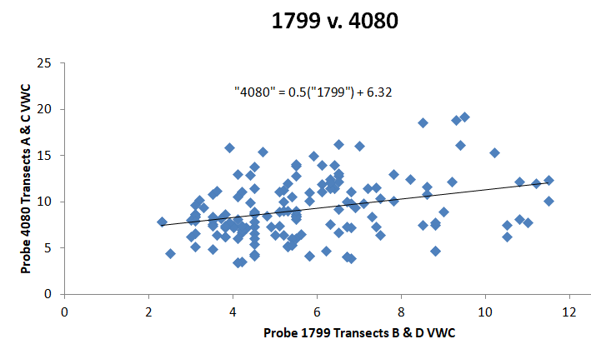
Ackerly Superplot Soil moisture survey 2020

DATE | 2020-05-09
TIME | 8am-6pm
WEATHER | 80F and sunny, am plots subect to light fog. Plots: 1310,1309,1312
RESEARCHERS | Ryan Ferrell, Mic O'Neil
SCRIBE | Ryan Ferrell
SENSORS | Hydrosense TDR probes. Two (2) probes were used: Ackerly Probe 1799 by Mic and Pepperwood probe 4080 by Ryan.

OPERATION | * The Ackerly Probe 1799 operated by Mic was used in transects B and D, while the Pepperwood Probe 4080 operated by Ryan was used in transects A and C. So the observed differences do not represent a perfect side by side comparison.

IN PRACTICE NOTES: | It was observed that the Ackerly probe (1799) consistently read lower values than the Pepperwood probe (4080). Or vice versa, the Pepperwood probe read higher than the Ackerly probe. It was also noted that the prongs on the Ackerly probe seemed to flare out, lengthening the distance between the probes while the prongs on the Pepperwood probe, if any deviation, deviated inward, shortening the distance between the two probes. Based on how the TDR probes operate these deviations would result in lower values in the Ackerly probe and higher values in the Pepperwood probe respective to the true value. We continually attempted to adjust the prongs throughout the day to insure a parallel insertion of the probes, however, it is likely that we were only modestly successful. We did do one side by side comparison for one reading and the values came out to 19.3 (4080) 17.8 (1799) close? We had intended to do a more thorough side by side comparison but then we were too tired and just went home. Maybe the values are close enough and can be averaged together for the plots, otherwise I would be willing and able to conduct a calibration for both probes by pulling some soil cores and oven drying to determine VWC. The averages for the two probes across all 144 measurements/probe: Ackerly (1799) VWC 5.72% ; Pepperwood (4080) VWC 9.61%

 |  | * I realize this is not a direct comparison as the measurements plotted against each other are in different locations (5m apart in different tansects). However, there is a significant difference (P<0.05) between the two means.

 | * The Ackerly Probe 1799 operated by Mic was used in transects B and D, while the Pepperwood Probe 4080 operated by Ryan was used in transects A and C. So the observed differences do not represent a perfect side by side comparison.

