Cau2
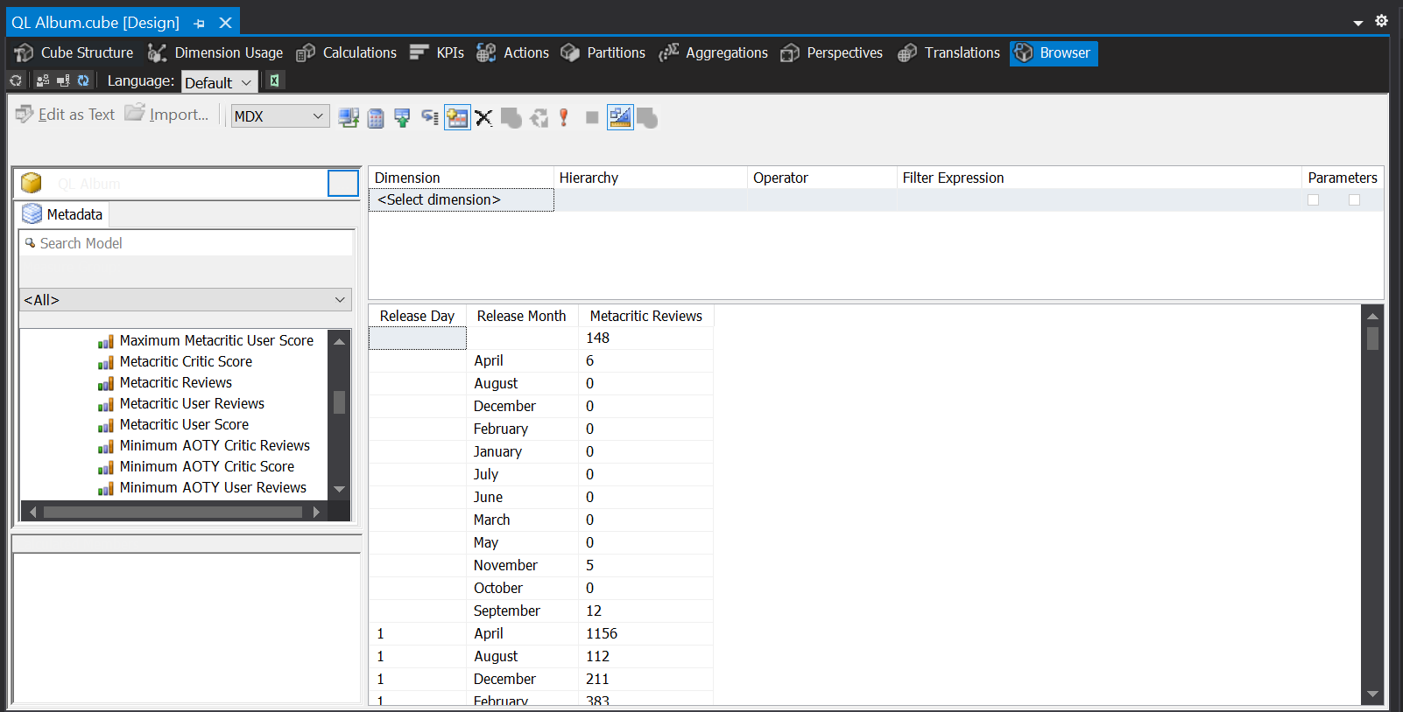
Row Labels | Metacritic Reviews

 | 148
April | 6
August | 0
December | 0
February | 0
January | 0
July | 0
June | 0
March | 0
May | 0
November | 5
October | 0
September | 12
1
April | 1156
August | 112
December | 211
February | 383
January | 175
July | 413
June | 537
March | 664
May | 783
November | 396
October | 412
September | 284
10
April | 588
August | 267
December | 165
February | 578
January | 164
July | 743
June | 855
March | 800
May | 836
November | 444
October | 220
September | 445
11
April | 245
August | 266
December | 215
February | 383
January | 275
July | 145
June | 471
March | 509
May | 490
November | 548
October | 637
September | 1081
12
April | 782
August | 327
December | 72
February | 281
January | 194
July | 477
June | 606
March | 203
May | 556
November | 347
October | 719
September | 601
13
April | 492
August | 232
December | 124
February | 169
January | 394
July | 461
June | 324
March | 437
May | 801
November | 720
October | 459
September | 1201
14
April | 596
August | 352
December | 44
February | 611
January | 244
July | 523
June | 526
March | 134
May | 489
November | 280
October | 795
September | 1027
15
April | 647
August | 71
December | 153
February | 652
January | 369
July | 476
June | 600
March | 401
May | 770
November | 357
October | 479
September | 491
16
April | 354
August | 393
December | 139
February | 484
January | 36
July | 225
June | 654
March | 373
May | 171
November | 375
October | 784
September | 910
17
April | 440
August | 377
December | 52
February | 946
January | 393
July | 731
June | 832
March | 561
May | 618
November | 464
October | 229
September | 455
18
April | 227
August | 487
December | 209
February | 397
January | 554
July | 100
June | 428
March | 1102
May | 753
November | 478
October | 615
September | 1153
19
April | 399
August | 975
December | 32
February | 803
January | 419
July | 262
June | 461
March | 536
May | 945
November | 210
October | 488
September | 273
2
April | 472
August | 232
December | 205
February | 440
January | 0
July | 109
June | 896
March | 621
May | 250
November | 343
October | 994
September | 534
20
April | 540
August | 542
December | 87
February | 220
January | 826
July | 205
June | 181
March | 725
May | 646
November | 287
October | 610
September | 589
21
April | 840
August | 959
December | 54
February | 770
January | 474
July | 372
June | 621
March | 359
May | 306
November | 223
October | 885
September | 497
22
April | 445
August | 361
December | 6
February | 721
January | 1033
July | 553
June | 548
March | 632
May | 577
November | 347
October | 511
September | 951
23
April | 365
August | 449
December | 25
February | 512
January | 343
July | 280
June | 717
March | 689
May | 422
November | 188
October | 523
September | 1060
24
April | 501
August | 606
December | 5
February | 897
January | 837
July | 622
June | 629
March | 836
May | 521
November | 208
October | 233
September | 519
25
April | 255
August | 583
December | 65
February | 481
January | 905
July | 183
June | 302
March | 621
May | 437
November | 216
October | 710
September | 1327
26
April | 732
August | 610
December | 0
February | 876
January | 653
July | 304
June | 635
March | 475
May | 527
November | 153
October | 515
September | 223
27
April | 488
August | 395
December | 16
February | 149
January | 974
July | 343
June | 197
March | 589
May | 521
November | 172
October | 500
September | 705
28
April | 773
August | 889
December | 4
February | 609
January | 482
July | 330
June | 534
March | 103
May | 484
November | 145
October | 698
September | 704
29
April | 599
August | 300
December | 6
February | 43
January | 771
July | 372
June | 508
March | 630
May | 486
November | 67
October | 402
September | 557
3
April | 683
August | 312
December | 117
February | 777
January | 38
July | 218
June | 1021
March | 829
May | 588
November | 428
October | 449
September | 332
30
April | 326
August | 587
December | 19
January | 127
July | 120
June | 517
March | 318
May | 172
November | 199
October | 663
September | 1017
31
August | 395
December | 0
January | 563
July | 389
March | 842
May | 422
October | 310
4
April | 335
August | 282
December | 278
February | 273
January | 5
July | 206
June | 305
March | 949
May | 816
November | 664
October | 774
September | 790
5
April | 625
August | 634
December | 72
February | 934
January | 29
July | 246
June | 808
March | 547
May | 1140
November | 352
October | 594
September | 160
6
April | 659
August | 137
December | 223
February | 328
January | 118
July | 180
June | 265
March | 863
May | 791
November | 516
October | 699
September | 425
7
April | 1068
August | 563
December | 168
February | 682
January | 66
July | 558
June | 650
March | 374
May | 426
November | 138
October | 1059
September | 519
8
April | 935
August | 222
December | 107
February | 478
January | 203
July | 547
June | 862
March | 619
May | 448
November | 453
October | 473
September | 865
9
April | 222
August | 282
December | 226
February | 476
January | 36
July | 227
June | 705
March | 671
May | 318
November | 405
October | 968
September | 1147
Grand Total | 173320

Cau24
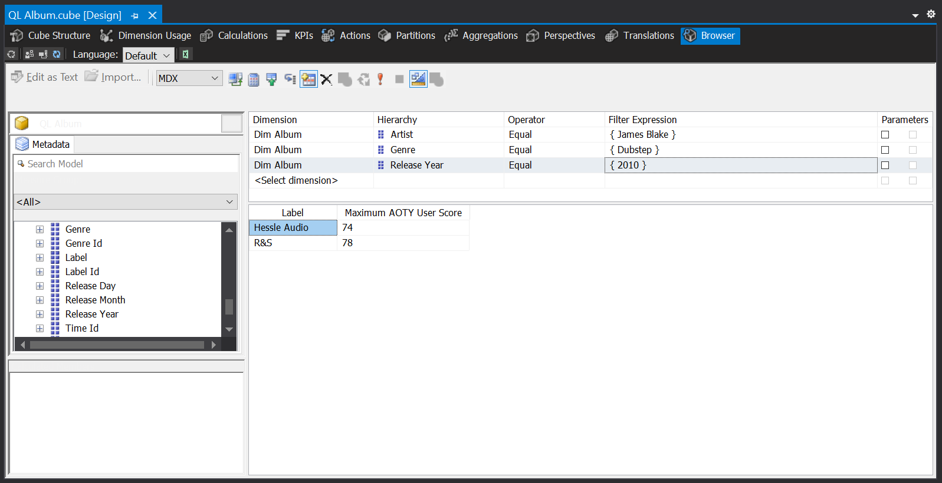
Artist | James Blake
Genre | Dubstep
Release Year | 2010

Row Labels | Maximum AOTY User Score
Hessle Audio | 74
R&S | 78
Grand Total | 78

Cau20
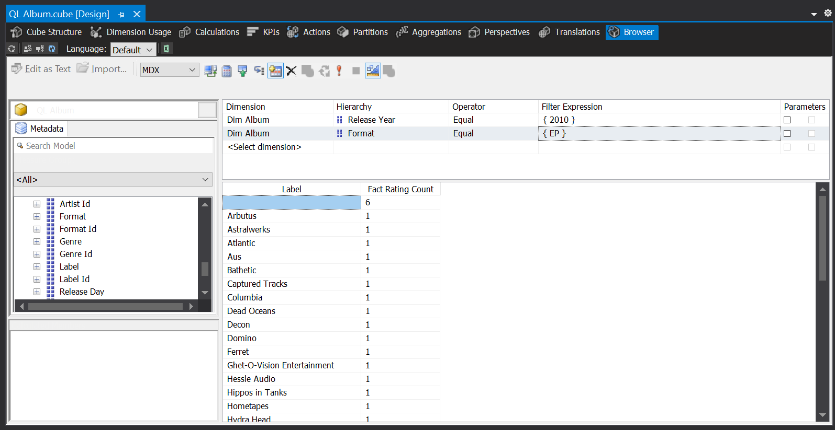
Release Year | 2010
Format | EP

Row Labels | Fact Rating Count
 | 6
Arbutus | 1
Astralwerks | 1
Atlantic | 1
Aus | 1
Bathetic | 1
Captured Tracks | 1
Columbia | 1
Dead Oceans | 1
Decon | 1
Domino | 1
Ferret | 1
Ghet-O-Vision Entertainment | 1
Hessle Audio | 1
Hippos in Tanks | 1
Hometapes | 1
Hydra Head | 1
Infinite Best | 1
Interscope | 1
LaFace | 1
Latitudes | 1
Mad Descent | 1
Matador | 1
mau5trap, Big Beat | 1
Merge | 2
Merok, Filter U.S. | 1
Olde English Spelling Bee | 1
Polydor | 1
R&S | 2
RCA | 1
Reprise Nashville | 1
Rhymesayers Entertainment | 1
Sacred Bones | 2
Secretly Canadian | 2
self-released | 1
Tri Angle | 1
True Panther | 1
True PantherÃ¢â‚¬Å½ | 1
VRA | 1
warp | 2
Grand Total | 50

